Sheet1
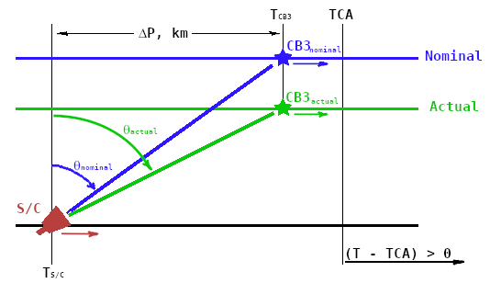

TDI detector rows | 32 | pixels
Flyby speed | 13.9 | km/s
Commanded scan rate | 800 | mRadian/s
Nominal flyby distance | 10000 | km
Actual flyby distance | 8000 | km

TS/C – TCA, minutes | -5 | -5 | -5 | -10 | -10 | -10 | -15 | -15 | -15
TCB3 – TCA, s | -100 | 0 | 100 | -100 | 0 | 100 | -100 | 0 | 100

Smear rate, mradian/s | 224 | 237 | 238 | 227 | 205 | 177 | 147 | 118 | 90
Fractional smear, % | 28 | 30 | 30 | 28 | 26 | 22 | 18 | 15 | 11
Smear rate, pixels/pixel | 8.95 | 9.48 | 9.53 | 9.06 | 8.19 | 7.08 | 5.88 | 4.70 | 3.59

DP = PCB3 – PSC, km | 2780 | 4170 | 5560 | 6950 | 8340 | 9730 | 11120 | 12510 | 13900
cos2qnominal | 0.92826032875 | 0.8518692994 | 0.76386257807 | 0.67429746633 | 0.58977704069 | 0.51368218175 | 0.44711841126 | 0.38986339576 | 0.34105248798
cosqnominal | 0.96346267637 | 0.92296765891 | 0.87399232151 | 0.82115617657 | 0.76796942692 | 0.71671624912 | 0.66866913437 | 0.62439041934 | 0.58399699312
cos2qactual | 0.89225467179 | 0.78634801552 | 0.67429746633 | 0.56988936132 | 0.47920117165 | 0.40334549882 | 0.34105248798 | 0.29024930147 | 0.2488239182
cosqactual | 0.944592331 | 0.88676266019 | 0.82115617657 | 0.75491016772 | 0.69224357826 | 0.63509487387 | 0.58399699312 | 0.5387479016 | 0.49882253177
dq/dtnominal, mradian/s | -490.28185697 | -384.09832616 | -261.76898351 | -137.27347819 | -19.790086556 | 85.981767365 | 178.50540834 | 258.08987989 | 325.93704171
dq/dtactual, mradian/s | -589.08081039 | -443.19439137 | -288.84475987 | -145.02259522 | -20.099613944 | 84.391575373 | 170.20019781 | 240.18158722 | 297.24505268
Actual scan rate, mradian/s | 1023.7715108 | 1036.9285163 | 1038.3664695 | 1026.5692525 | 1004.6379943 | 976.91436617 | 947.06843738 | 917.56923736 | 889.82375054

