Tree diagram & P-Diagram
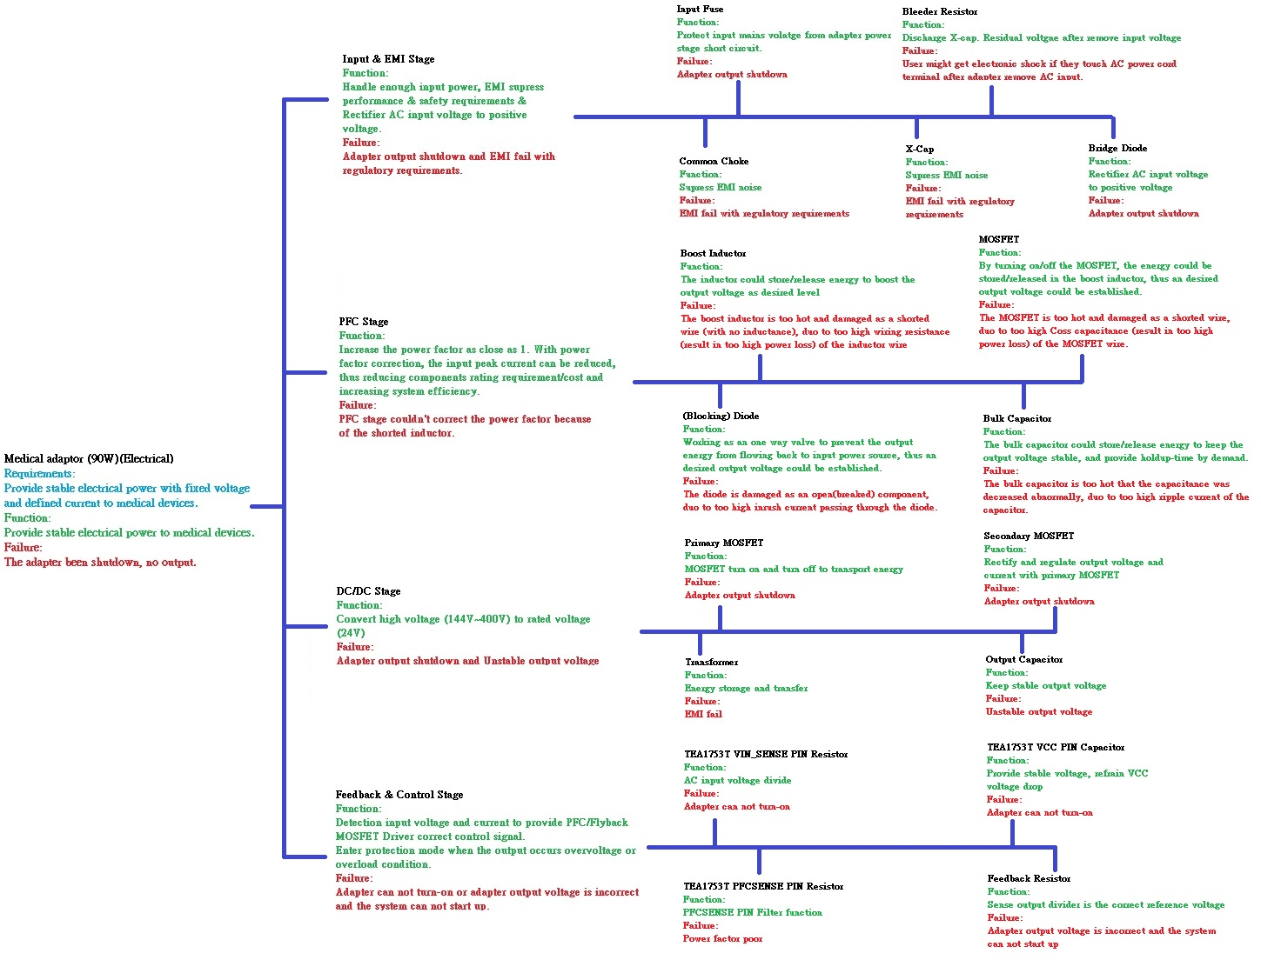

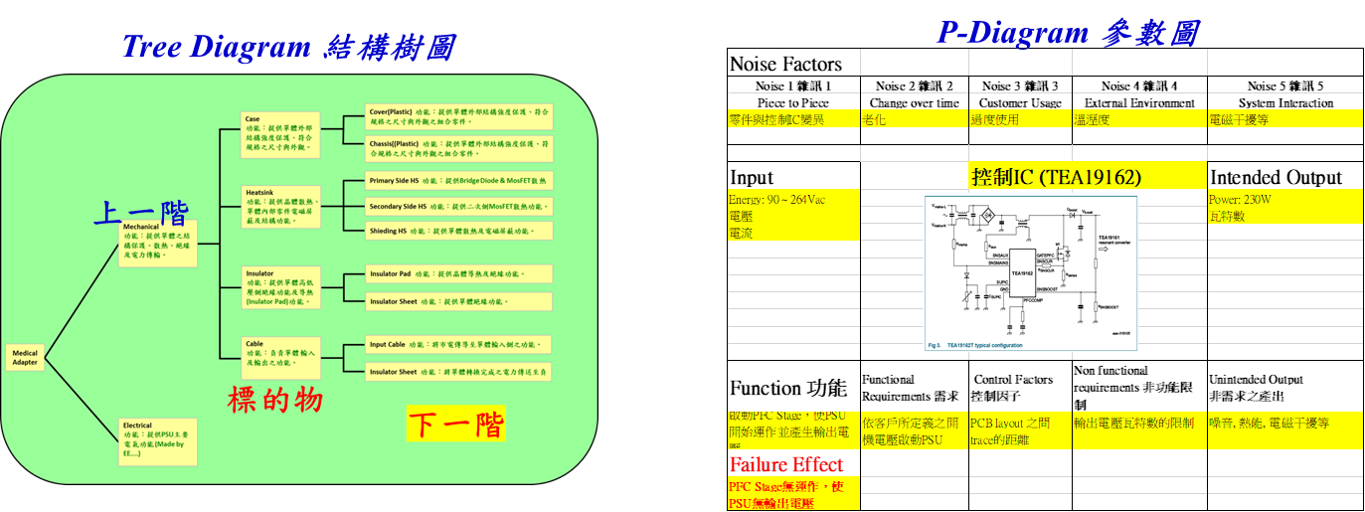

Medical
Adapter
Mechanical
功能：提供單體之結構保護、散熱、絕緣及電力傳輸。
Case
功能：提供單體外部結構強度保護、符合規格之尺寸與外觀。
Heatsink
功能：提供晶體散熱、單體內部零件電磁屏蔽及結構功能。
Insulator
功能：提供單體高低壓側絕緣功能及導熱(Inulator Pad)功能。
Electrical
功能：提供PSU主要電氣功能 (Made by EE....)
Cable
功能：負責單體 輸入及輸出之功能。
Cover(Plastic) 功能：提供單體外部結構強度保護、符合規格之尺寸與外觀之組合零件。
Chassis((Plastic) 功能：提供單體外部結構強度保護、符合規格之尺寸與外觀之組合零件。
Primary Side HS 功能：提供Bridge Diode & MosFET散熱功能。
Secondary Side HS 功能：提供二次側MosFET散熱功能。
Shieding HS 功能：提供單體散熱及電磁屏蔽功能。
Insulator Pad 功能：提供晶體導熱及絕緣功能。
Insulator Sheet 功能：提供單體絕緣功能。
Input Cable 功能：將市電傳導至單體輸入側之功能。
Insulator Sheet 功能：將單體轉換完成之電力傳送至負載端。

Flowchart & P-Diagram
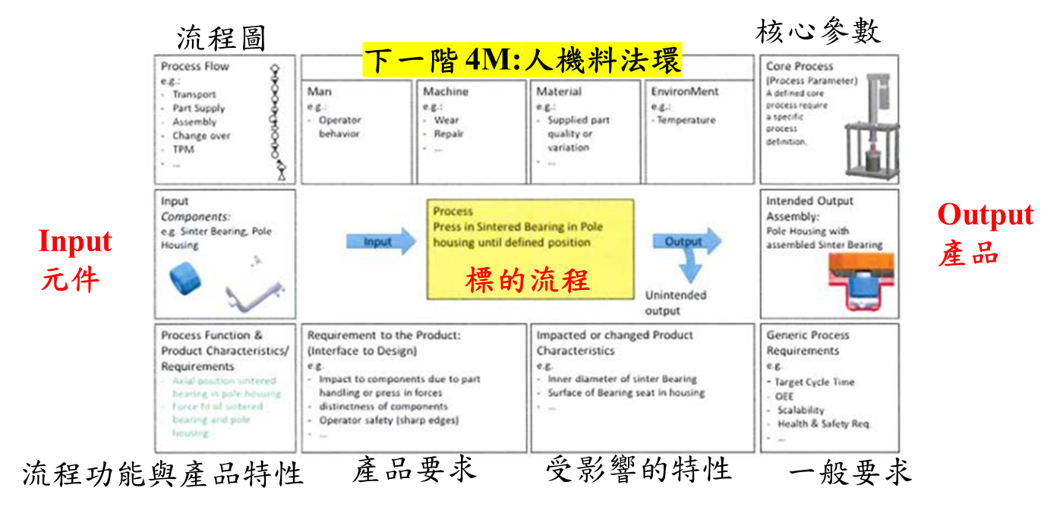
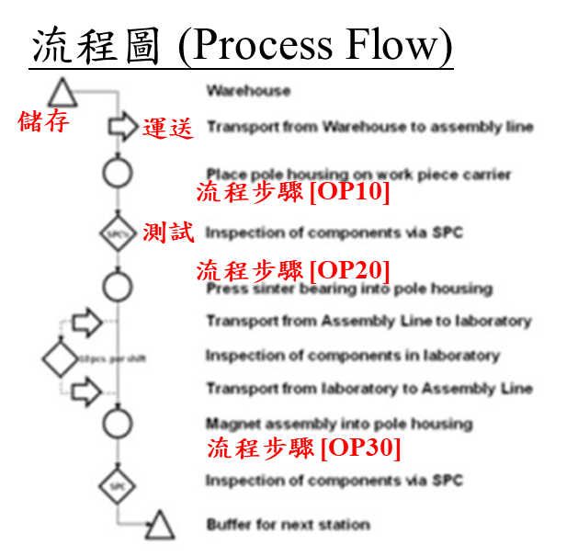
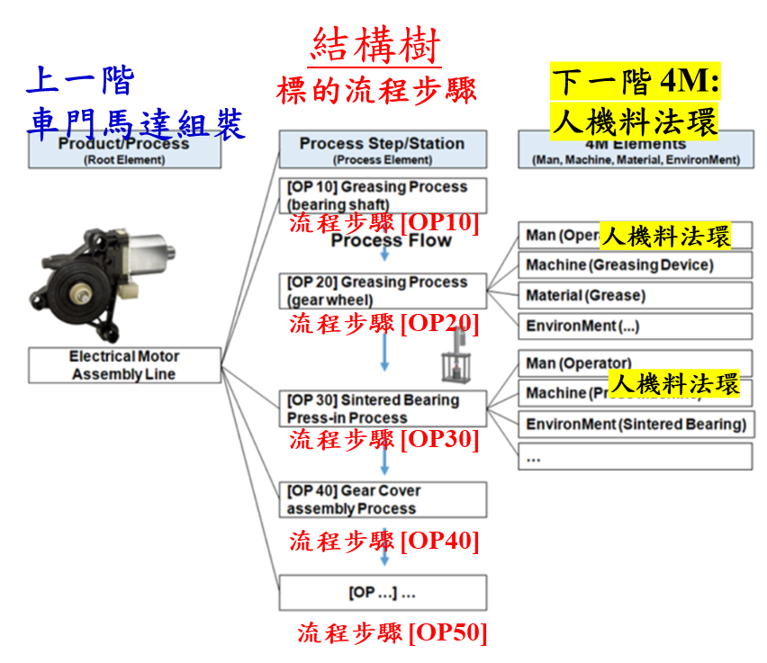

P 參數圖

