COA Master
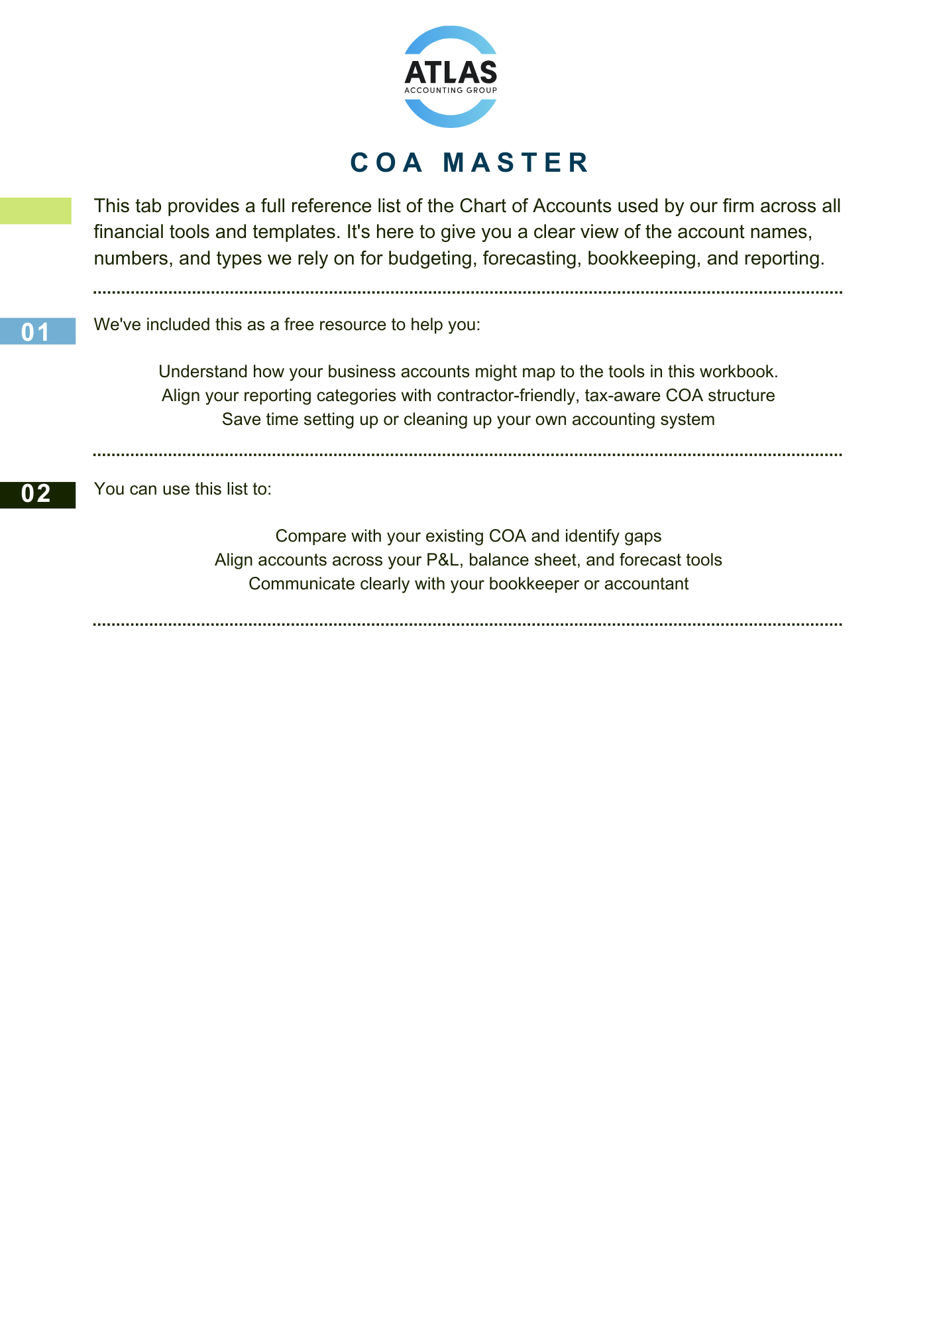
101 | Checking | Bank
105 | Saving | Bank
107 | Cash and Check Held for Deposit | Bank
108 | Electronic Funds in Transit | Bank
109 | Clearing | Bank
110 | Undeposited Funds | Other Current Assets
115 | Accounts Receivable | Accounts receivable (A/R)
120 | Inventory Asset | Other Current Assets
140 | Other Current Assets | Other Current Assets
141 | Other Current Assets:Employee Cash Advances | Other Current Assets
142 | Other Current Assets:Payroll Asset Clearing | Other Current Assets
143 | Other Current Assets:Prepaid Expenses | Other Current Assets
144 | Other Current Assets:Uncategorized Asset | Other Current Assets
145 | Loans to Shareholder | Other Current Assets
150 | Intangible Assets | Fixed Assets
151 | Intangible Assets:Goodwill | Fixed Assets
152 | Intangible Assets:Trademarks & Copyrights | Fixed Assets
160 | Fixed Assets | Fixed Assets
161 | Fixed Assets:Computers & Equipment | Fixed Assets
162 | Fixed Assets:Furniture & Fixtures | Fixed Assets
163 | Fixed Assets:Leasehold Improvements | Fixed Assets
164 | Fixed Assets:Machinery & Equipment | Fixed Assets
165 | Fixed Assets:Vehicles | Fixed Assets
170 | Fixed Assets:Accumulated Amortization | Fixed Assets
180 | Fixed Assets:Accumulated Depreciation | Fixed Assets
190 | Stock Pledge | Other Assets
205 | Credit Card | Credit Card
215 | Accounts Payable | Accounts payable
220 | Other Current Liabilities | Other Current Liabilities
221 | Other Current Liabilities:Square Gift Cards | Other Current Liabilities
222 | Other Current Liabilities:Line of Credit | Other Current Liabilities
225 | Other Current Liabilities: Refunds Payable | Other Current Liabilities
226 | Other Current Liabilities: | Other Current Liabilities
227 | Other Current Liabilities: | Other Current Liabilities
228 | Other Current Liabilities: | Other Current Liabilities
229 | Other Current Liabilities: Other Payable | Other Current Liabilities
230 | Payroll Liabilities | Other Current Liabilities
231 | Payroll Liabilities:Child Support Garnishment | Other Current Liabilities
232 | Payroll Liabilities:Overcollected Payroll Tax Payable | Other Current Liabilities
233 | Payroll Liabilities:Retirement Payable | Other Current Liabilities
234 | Payroll Liabilities: Tips Payable | Other Current Liabilities
240 | Sales Tax Payable | Other Current Liabilities
241 | Sales Tax Payable:Sales Tax Collected | Other Current Liabilities
242 | Sales Tax Payable:Business Tax Payable | Other Current Liabilities
243 | Sales Tax Payable:City Tax Payable | Other Current Liabilities
244 | Sales Tax Payable:Washington State Department of Revenue Payable | Other Current Liabilities
245 | Sales Tax Payable:Out Of Scope Agency Payable | Other Current Liabilities
250 | Other Long Term Liabilities | Long Term Liabilities
251 | Other Long Term Liabilities:Note Payable | Long Term Liabilities
258 | Other Long Term Liabilities:PPP Grant | Long Term Liabilities
259 | Other Long Term Liabilities:EIDL | Long Term Liabilities
290 | Loan from Shareholder | Long Term Liabilities
300 | Equity | Equity
310 | Equity:Add'l Paid in Capital | Equity
315 | Equity:Common Stock | Equity
320 | Equity:Shareholder Contribution | Equity
321 | Equity:Shareholder Contribution 1 | Equity
322 | Equity:Shareholder Contribution 2 | Equity
323 | Equity:Shareholder Contribution 3 | Equity
330 | Equity:Shareholder Distribution | Equity
390 | Retained Earnings | Equity
399 | OPENING BALANCE EQUITY | Equity
400 | Revenue | Income
410 | Revenue: Retail | Income
420 | Revenue:Service | Income
430 | Revenue:Wholesale | Income
440 | Revenue:Uncategorized Income | Income
450 | Revenue:Billable Expense Income | Income
460 | Revenue:Markup | Income
470 | Revenue:Shipping Income | Income
490 | Revenue:Sales Tax Adjustments | Income
495 | Unapplied Cash Payment Income | Income
499 | Discounts/Refunds Given | Income
500 | Direct Expenses | Cost of Goods Sold
510 | Direct Expenses:Subcontractor Cost | Cost of Goods Sold
520 | Direct Expenses:Direct Software | Cost of Goods Sold
525 | Direct Expenses:Equipment Rental | Cost of Goods Sold
526 | Direct Expenses:Equipment Lease | Cost of Goods Sold
530 | Direct Expenses:Materials | Cost of Goods Sold
531 | Direct Expenses:Materials:Vendor Discount | Cost of Goods Sold
535 | Direct Expenses:Answering Service | Cost of Goods Sold
540 | Direct Expenses:Shipping | Cost of Goods Sold
550 | Direct Expenses:Direct Supplies | Cost of Goods Sold
551 | Direct Expenses:Disposal Costs | Cost of Goods Sold
555 | Direct Expenses:Fuel | Cost of Goods Sold
556 | Direct Expenses:Propane | Cost of Goods Sold
599 | Direct Labor | Cost of Goods Sold
600 | Facilities | Expenses
601 | Facilities:Auto Expense | Expenses
602 | Facilities:Janitorial | Expenses
603 | Facilities:Rent & Lease | Expenses
604 | Facilities:Repairs & Maintenance | Expenses
605 | Facilities:Security | Expenses
606 | Facilities:Telephone & Internet | Expenses
610 | Facilities:Utilities | Expenses
620 | Marketing | Expenses
621 | Marketing:Advertising | Expenses
622 | Marketing:Charitable Contributions | Expenses
623 | Marketing:Entertainment | Expenses
624 | Marketing:Gifts | Expenses
625 | Marketing:Meals | Expenses
626 | Marketing:Printed Materials | Expenses
629 | Marketing:Uniforms | Expenses
640 | Salaries & Wages | Expenses
641 | Salaries & Wages:Administrative Wages | Expenses
642 | Salaries & Wages:Commissions | Expenses
643 | Salaries & Wages:Management Wages | Expenses
644 | Salaries & Wages:Officer Wages | Expenses
645 | Salaries & Wages:Sales Wages | Expenses
646 | Salaries & Wages:Bonus | Expenses
650 | Salaries & Wages:Guaranteed Payments | Expenses
660 | Payroll Taxes & Benefits | Expenses
661 | Payroll Taxes & Benefits:Health Insurance | Expenses
662 | Payroll Taxes & Benefits:Payroll Taxes | Expenses
663 | Payroll Taxes & Benefits:Retirement Contributions | Expenses
664 | Payroll Taxes & Benefits:SEP Contributions | Expenses
665 | Payroll Taxes & Benefits:Shareholder Medical | Expenses
670 | Other Operating Expenses | Expenses
671 | Other Operating Expenses:Accounting | Expenses
672 | Other Operating Expenses:Bank Charges & Fees | Expenses
673 | Other Operating Expenses:Credit Card Merchant Fees | Expenses
674 | Other Operating Expenses:Dues & Subscriptions | Expenses
675 | Other Operating Expenses:Insurance | Expenses
676 | Other Operating Expenses:Insurance - Workers Compensation | Expenses
677 | Other Operating Expenses:Legal Fees | Expenses
678 | Other Operating Expenses:Licenses & Permits | Expenses
679 | Other Operating Expenses:Office Expense | Expenses
680 | Other Operating Expenses:Professional Fees | Expenses
681 | Other Operating Expenses:Rent - Equipment | Expenses
682 | Other Operating Expenses:Small Tools & Equipment | Expenses
683 | Other Operating Expenses:Software Fees | Expenses
684 | Other Operating Expenses:Supplies | Expenses
685 | Other Operating Expenses:Melio credit card fee | Expenses
689 | Other Operating Expeness:Taxes Paid | Expenses
690 | Other Operating Expenses:Taxes - B&O | Expenses
691 | Other Operating Expenses:Taxes - Property | Expenses
692 | Other Operating Expenses:Training & Education | Expenses
693 | Other Operating Expenses:Travel | Expenses
694 | Other Operating Expenses: Non-Deductible Penalties and Fines | Expenses
997 | Unapplied Cash Bill Payment Expense | Expenses
998 | Uncategorized Expenses | Expenses
999 | Ask Client | Expenses
700 | Other Income | Other Income
701 | Other Income: Interest | Other Income
702 | Other Income:Gain on Sale of Asset | Other Income
703 | Other Income:Rebates & Credits | Other Income
704 | Other Income: PPP Grant | Other Income
705 | Other Miscellaneous Income | Other Income
800 | Other Expense | Other Expense
801 | Other Expense:Bad Debt | Other Expense
802 | Other Expense:Depreciation & Amortization | Other Expense
803 | Other Expense:Federal Income Tax | Other Expense
804 | Other Expense:Interest Expense | Other Expense
805 | Other Expense:Loss on Sale of Asset | Other Expense
806 | Other Expense:Non-Deductible Penalties & Interest | Other Expense
807 | Reconciliation Discrepancies | Other Expense

Prior Year
Atlas Accounting Group
*Your Company Here*
Prior Year - Profit Allocation

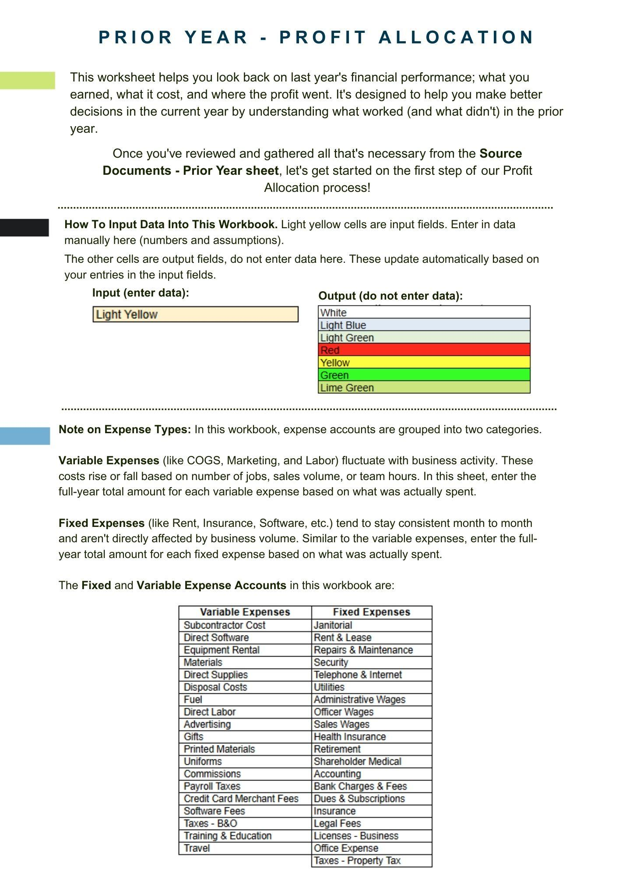
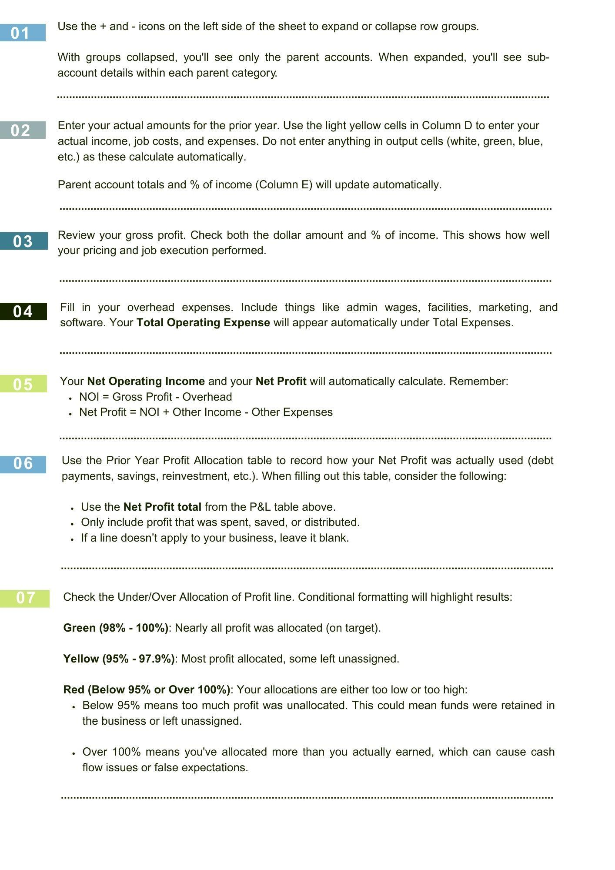
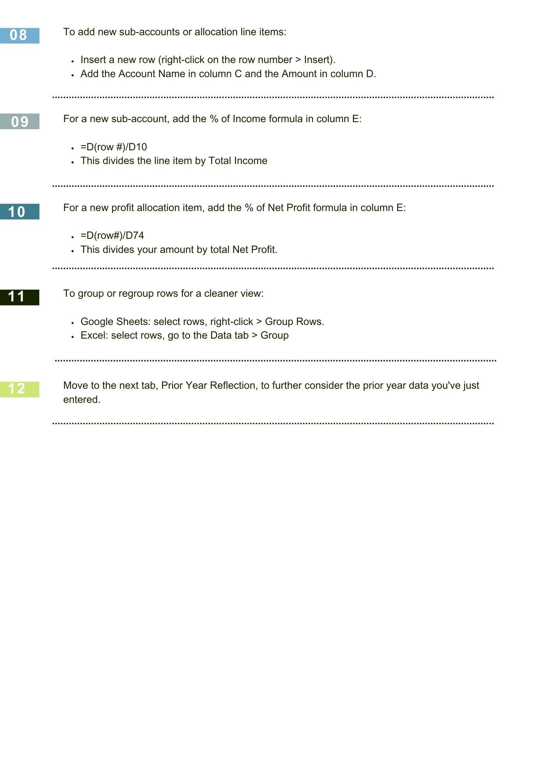
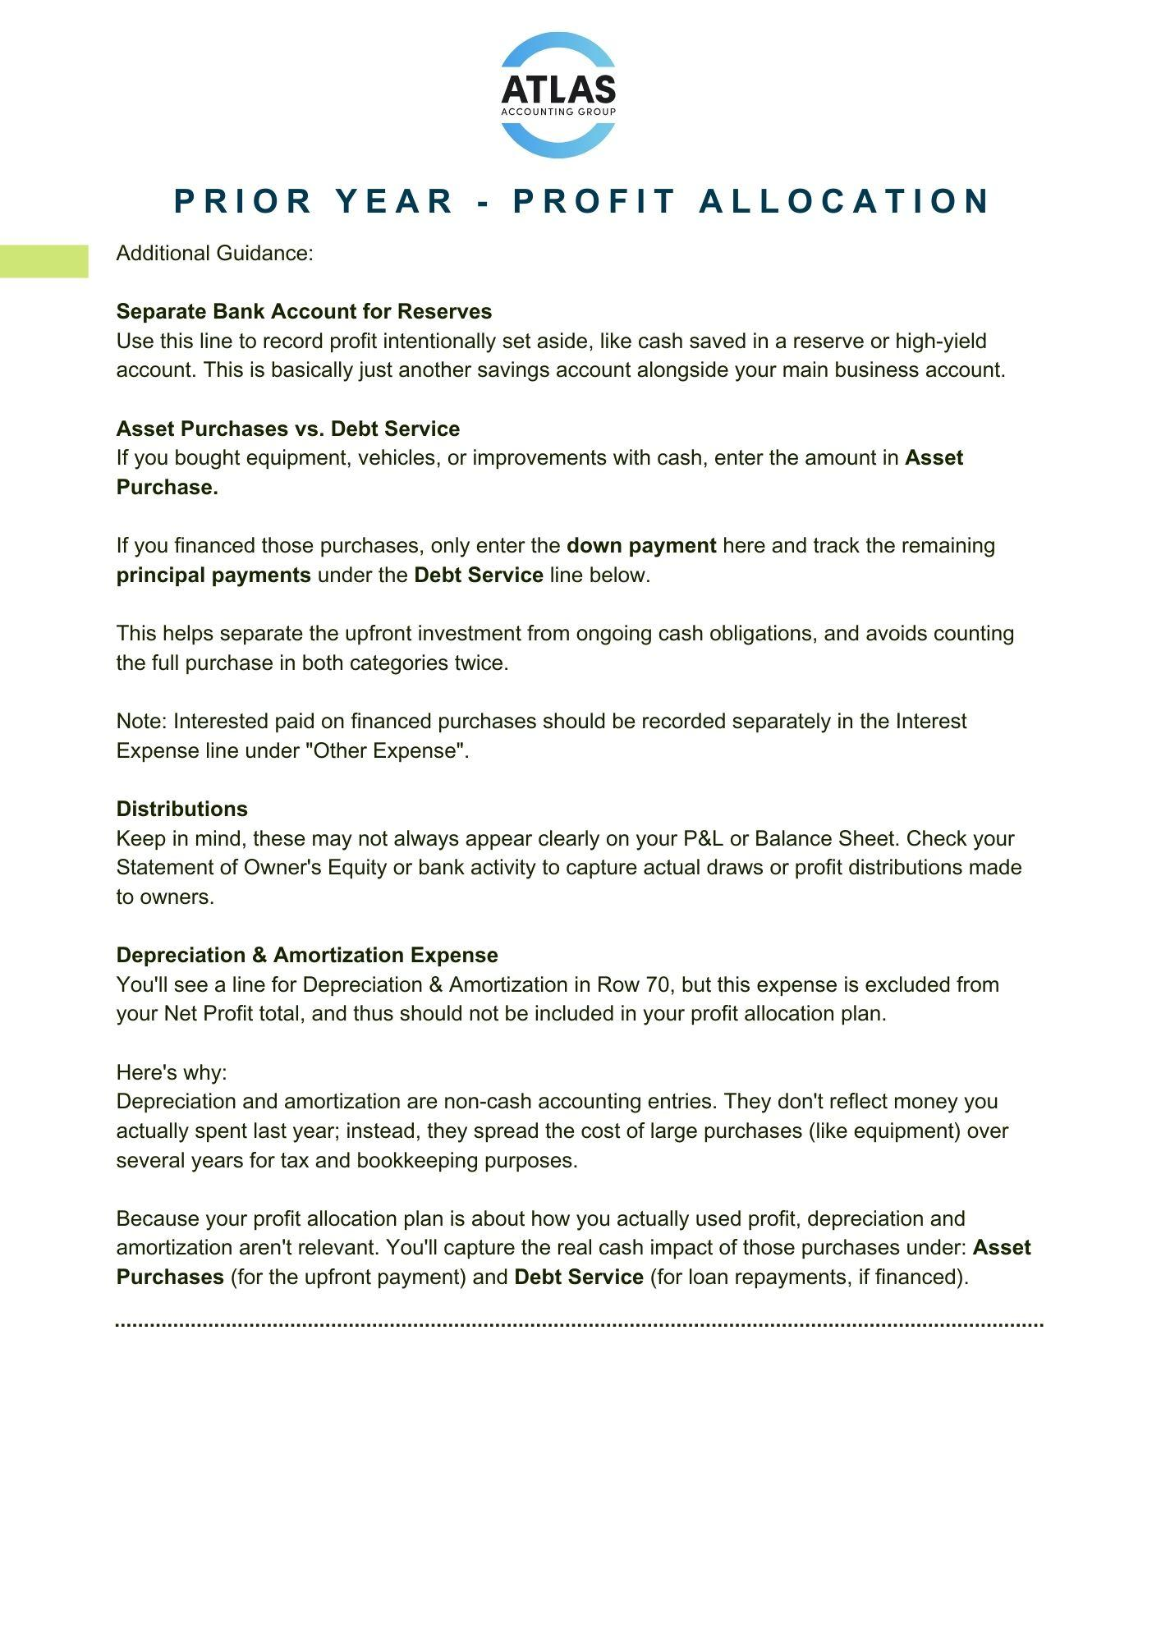
Prior Year Profit & Loss
Account | Amount | % of Income
Income | $- | 100.0%
Direct Expenses | $- | #DIV/0!
Direct Labor | $- | #DIV/0!
Total Cost of Goods Sold | $- | #DIV/0!
Gross Profit | $- | #DIV/0!
Facilities | $- | #DIV/0!
Marketing | $- | #DIV/0!
Salaries & Wages | $- | #DIV/0!
Payroll Taxes & Benefits | $- | #DIV/0!
Other Operating Expenses | $- | #DIV/0!
Total Expenses | $- | #DIV/0!
Net Operating Income | $- | #DIV/0!
Other Income | $- | #DIV/0!
Other Expense | $- | #DIV/0!
Net Other Income | $- | #DIV/0!
Net Profit | $- | #DIV/0!

Prior Year Profit Allocation
Account | Amount | % of Profit
Separate Bank Account for Reserves | $- | #DIV/0!
Inventory | $- | #DIV/0!
Asset Purchases | $- | #DIV/0!
Leasehold Improvements | $- | #DIV/0!
Debt Service | $- | #DIV/0!
Distributions | $- | #DIV/0!
Profit Allocation | $- | #DIV/0!

Under/Over Allocation of Profit | $- | #DIV/0!

Current Year Goals
Atlas Accounting Group
*Your Company Here*
Current Year Goals

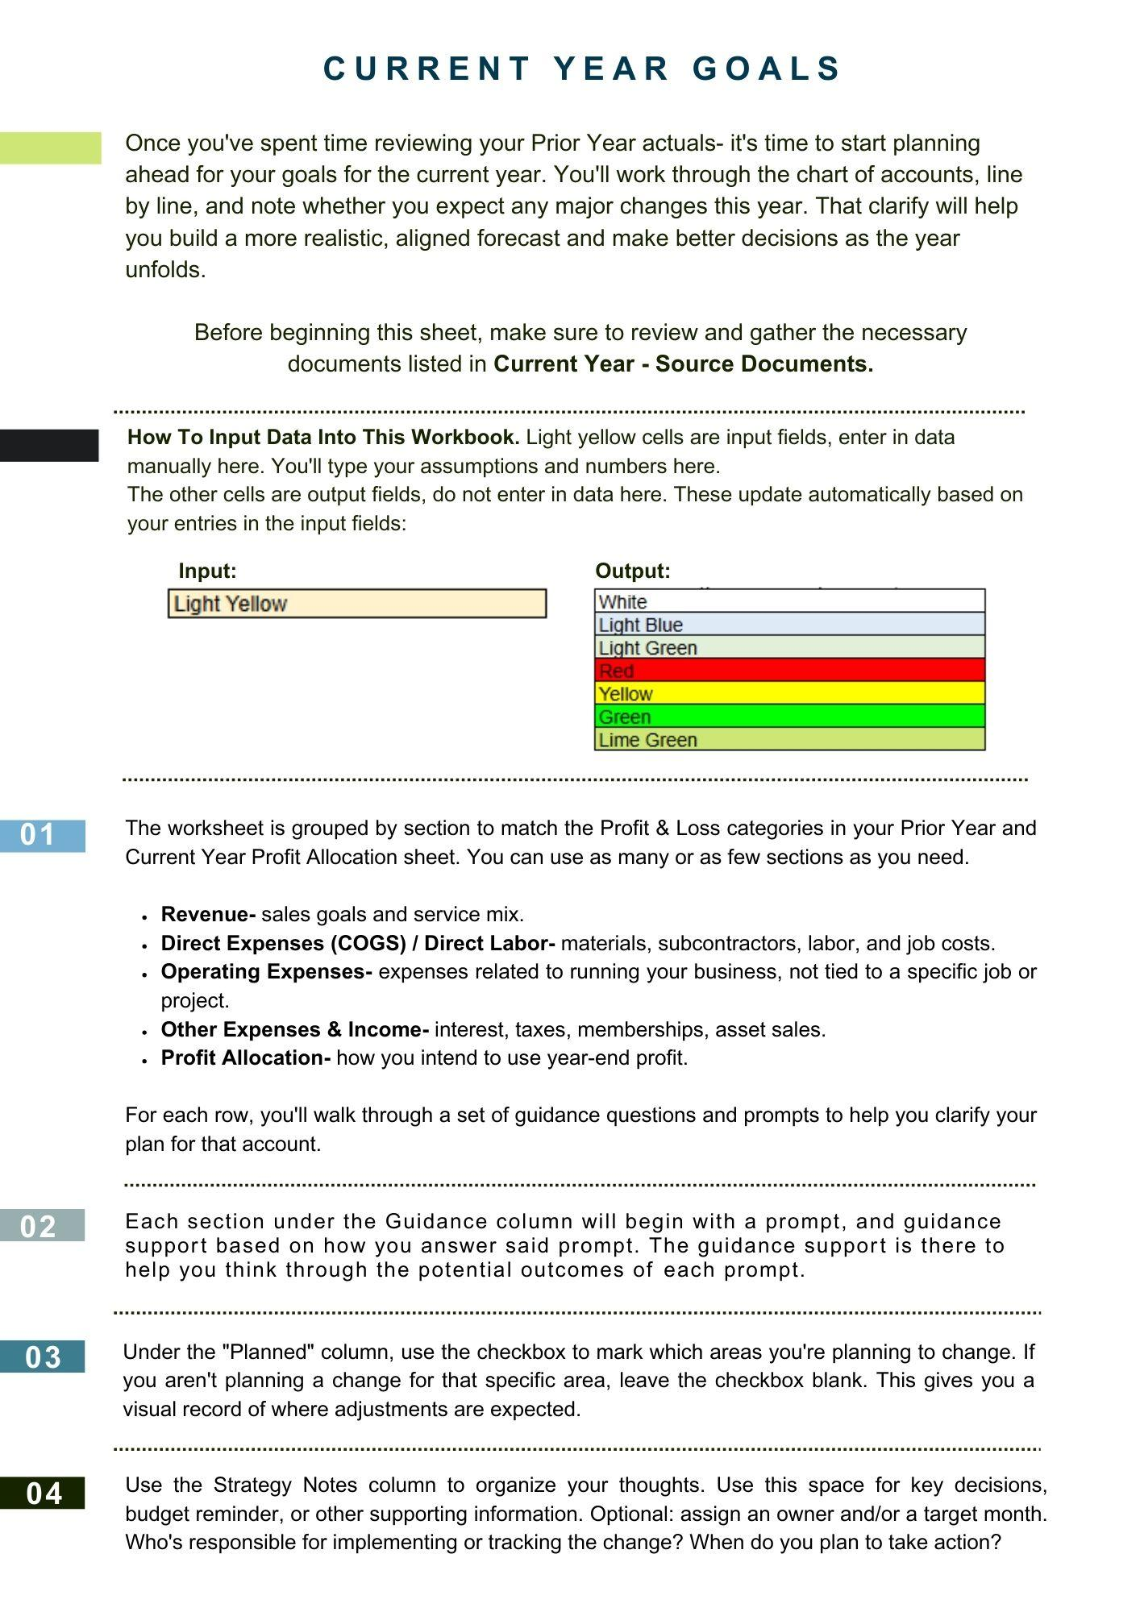
Section | Account / Category | Guidance | Planned? | Strategy Notes | Owner / Target Month
Current Year Projection
Revenue | Retail Income | Are you planning to grow your retail sales this year? | FALSE
 |  | If yes,
 |  | Update the revenue forecast to reflect your sales goal | FALSE
 |  | Revisit pricing, promotions, or packaging | FALSE
 |  | Review inventory and staffing needs to support growth | FALSE
 |  | If no,
 |  | Use prior year actuals as your base | FALSE
 |  | Monitor trends in case opportunities arise mid-year | FALSE
 | Service Income | Will you increase service revenue through pricing, volume, or technician performance? | FALSE
 |  | If yes,
 |  | Adjust forecast for price increases or added capacity | FALSE
 |  | Ensure your labor plan supports the extra volume | FALSE
 |  | Consider technician training or bonus structure | FALSE
 |  | If no,
 |  | Use conservative revenue estimate | FALSE
 |  | Focus goals on consistency and efficiency | FALSE
 | Membership Income | Are you launching or expanding a membership program? | FALSE
 |  | If yes,
 |  | Add a new line to your forecast for membership revenue | FALSE
 |  | Plan for costs: software, fulfillment, renewal comms | FALSE
 |  | Assign a team member to oversee rollout | FALSE
 |  | If no,
 |  | Skip forecasting this line | FALSE
 |  | Consider it as a future growth strategy mid-year | FALSE
 | Wholesale / Equipment Sales | Will you be selling large-ticket or B2B equipment? | FALSE
 |  | If yes,
 |  | Add forecasted revenue and adjust COGS timing | FALSE
 |  | Confirm deposits, margins, and payment holdbacks | FALSE
 |  | Review delivery timelines and sales tax rules | FALSE
 |  | If no,
 |  | Focus sales tracking on core services | FALSE
 | Discounts / Refunds | Are you adjusting how discounts or write-offs are handled? | FALSE
 |  | If yes,
 |  | Adjust margin expectations | FALSE
 |  | Build a buffer into your pricing strategy | FALSE
 |  | Align discount use with company policy | FALSE
 |  | If no,
 |  | Use prior year average discount/refund rates | FALSE
 |  | Monitor for changes in customer expectations | FALSE
Direct Expenses (COGS) | Subcontractor Cost | Will you be using more subs or shifting work to W2 labor? | FALSE
 |  | If yes, (more subs)
 |  | Increase subcontractor line in your forecast | FALSE
 |  | Verify licensing, insurance, and legal classification | FALSE
 |  | Consider updating contracts or onboarding process | FALSE
 |  | If yes, (shifting to W2)
 |  | Move budget to Wages + Benefits | FALSE
 |  | Add to payroll forecast and staff onboarding plan | FALSE
 |  | Confirm compliance with labor laws | FALSE
 |  | If no,
 |  | Use last year's mix as a baseline | FALSE
 |  | Review current structure for cost-efficiency | FALSE
 | Direct Software | Are there any job-specific tools or software you'll need this year? | FALSE
 |  | If yes,
 |  | List expected software by team or job type | FALSE
 |  | Add to Direct COGS section in your Current Year forecast | FALSE
 |  | Confirm monthly vs annual payment timing, and if there are any discount opportunities by paying annual | FALSE
 |  | If no,
 |  | Verify existing licenses and renewal dates | FALSE
 |  | Remove unused or duplicate tools | FALSE
 |  | Confirm user access or job costing setup | FALSE
 | Equipment Rental | Will your rental needs increase, decrease, or stay the same this year? | FALSE
 |  | If yes,
 |  | After completing this sheet, add or adjust Current Year forecast based on project volume | FALSE
 |  | Compare rental vs purchase breakeven | FALSE
 |  | Review vendor contracts for terms and flexibility | FALSE
 |  | If no,
 |  | Carry over last year's average cost | FALSE
 |  | Verify upcoming contract renewal or termination | FALSE
 |  | Confirm tool availability for planned jobs | FALSE
 | Materials | Do you expect a change in material usage or pricing? | FALSE
 |  | If yes,
 |  | Adjust your COGS Current Year forecast accordingly | FALSE
 |  | Review vendor pricing and look for bulk discounts | FALSE
 |  | Plan for potential timing changes in cash outflows | FALSE
 |  | If no,
 |  | Copy last year's monthly average into Current Year forecast | FALSE
 |  | Watch for seasonal spikes or new supplier needs | FALSE
 | Direct Supplies | Are there additional field supplies you'll be restocking or adding? | FALSE
 |  | If yes,
 |  | Estimate average use by crew or department | FALSE
 |  | Add to Current Year Forecast with buffer | FALSE
 |  | Review inventory levels and reorder alerts | FALSE
 |  | If no,
 |  | Keep forecast flat with prior year actuals | FALSE
 |  | Spot-check usage for overordering | FALSE
 |  | Confirm team still uses current items | FALSE
 | Disposal Costs | Will project waste or hauling needs increase this year? | FALSE
 |  | If yes,
 |  | Add new disposal vendors or dumpsters to plan | FALSE
 |  | Forecast cost by job type or volume | FALSE
 |  | Check for local fee increases or fuel surcharges | FALSE
 |  | If no,
 |  | Reuse previous year's average | FALSE
 |  | Lock in recurring service pricing if applicable | FALSE
 |  | Monitor for job-specific spikes | FALSE
 | Fuel | Do you expect fuel usage to change with your current routes or crew size? | FALSE
 |  | If yes,
 |  | Estimate gallons or mileage per truck/team | FALSE
 |  | Use fuel card reports to set monthly averages | FALSE
 |  | Track impact of job clustering or dispatch efficiency | FALSE
 |  | If no,
 |  | Carry forward average monthly fuel spend | FALSE
 |  | Watch for fuel price volatility or tax implications | FALSE
 |  | Validate tracking systems are in place | FALSE
Direct Labor (COGS) | Direct Labor | Are you planning any changes to direct labor this year- new hires, changes in crew structure, or raises? | FALSE
 |  | If yes,
 |  | Add wages by role to the Current Year forecast | FALSE
 |  | Include payroll taxes, benefits, and onboarding costs | FALSE
 |  | Clarify start dates, work schedules, and coverage per job type | FALSE
 |  | Check crew productivity targets and job cost alignment | FALSE
 |  | If no,
 |  | Carry forward last year's average payroll by role | FALSE
 |  | Confirm team structure, hours, and capacity remain stable | FALSE
 |  | Watch for burnout risks or overtime creep | FALSE
 |  | Double-check seasonal labor needs are still accounted for | FALSE
Total Expenses- Facilities | Auto Expense | Do you expect any changes in fuel, maintenance, or mileage usage this year? | FALSE
 |  | If yes,
 |  | Adjust Current Year forecast for monthly average fuel price trends or mileage | FALSE
 |  | Include service and maintenance cost estimates | FALSE
 |  | Add new vehicle leases or reimbursement policies | FALSE
 |  | If no,
 |  | Use last year's monthly average as your baseline | FALSE
 |  | Confirm vehicle policy and ownership remains unchanged | FALSE
 | Janitorial | Will your janitorial or cleaning needs change this year? | FALSE
 |  | If yes,
 |  | Update budget for vendor quotes or supply needs | FALSE
 |  | Consider changes tied to office space size or staffing | FALSE
 |  | If no,
 |  | Keep same figure from last year | FALSE
 |  | Check for auto-renewals or contract expiration | FALSE
 | Rent & Lease | Will your rent or lease agreements change in the upcoming year? | FALSE
 |  | If yes,
 |  | Adjust monthly rent or lease payments in the forecast | FALSE
 |  | Add moving costs, deposits, or overlap periods | FALSE
 |  | Include property insurance or utilities if bundled | FALSE
 |  | If no,
 |  | Use contracted rent amount in your Current Year forecast | FALSE
 |  | Set reminder for lease renewal deadlines | FALSE
 | Repairs & Maintenance | Are you expecting repairs or upgrades to your facility or equipment? | FALSE
 |  | If yes,
 |  | Plan out expected costs by quarter or month | FALSE
 |  | Separate one-time vs recurring upkeep | FALSE
 |  | Consider vendor estimates for larger projects | FALSE
 |  | If no,
 |  | Maintain prior year average or reserve for surprises | FALSE
 |  | Review past expenses for any seasonal patterns | FALSE
 | Security | Will you change your security systems or services this year? | FALSE
 |  | If yes,
 |  | Add costs for monitoring, upgrades, or new vendors | FALSE
 |  | Schedule installation or access transitions | FALSE
 |  | If no,
 |  | Confirm service fee is still active for the current year | FALSE
 |  | Maintain same line item from last year | FALSE
 |  |  | FALSE
 | Telephone & Internet | Will your phone or internet setup change this year? | FALSE
 |  | If yes,
 |  | Update for new vendors, plans, or increase usage | FALSE
 |  | Include costs for remote/hybrid staff if applicable | FALSE
 |  | Set reminders for contract renewals or equipment upgrades | FALSE
 |  | If no,
 |  | Keep same cost from last year | FALSE
 |  | Verify no rate increases or overages | FALSE
 | Utilities | Will your utility usage or provider rates shift significantly? | FALSE
 |  | If yes,
 |  | Adjust for seasonality, rate hikes, or facility changes | FALSE
 |  | Add forecast buffers during peak months | FALSE
 |  | If no,
 |  | Copy prior year average | FALSE
 |  | Monitor invoices for unexpected usage | FALSE
Total Expenses - Marketing | Advertising | Are you increasing or changing your advertising strategy this year? | FALSE
 |  | If yes,
 |  | Add updated advertising total to Current Year forecast based on planned channels (digital, print, etc.) | FALSE
 |  | Coordinate spend with hiring and capacity planning | FALSE
 |  | Track ROI by campaign or platform | FALSE
 |  | If no,
 |  | Carry forward last year's total ad spend | FALSE
 |  | Review effectiveness of current ad channels before finalizing | FALSE
 | Gifts | Will you be giving client, referral, or team gifts this year? | FALSE
 |  | If yes,
 |  | Budget for planned gifting occasions (holidays, milestones, referrals) | FALSE
 |  | Check if gifts qualify as deductible expenses | FALSE
 |  | If no,
 |  | Remove from forecast | FALSE
 |  | Consider low-cost recognition alternatives if morale is a goal | FALSE
 | Printed Materials | Will you need new signs, brochures, or printed promos? | FALSE
 |  | If yes,
 |  | Add estimated design and printing costs | FALSE
 |  | Coordinate with events or campaigns | FALSE
 |  | If no,
 |  | Leave out of forecast unless reorders are anticipated | FALSE
 | Uniforms | Are you outfitting new hires or updating company uniforms? | FALSE
 |  | If yes,
 |  | Estimate total cost by role or department | FALSE
 |  | Coordinate with hiring timeline | FALSE
 |  | If no,
 |  | No action needed unless stock is low or uniforms need replacement | FALSE
Total Expenses- Salaries & Wages | Administrative Wages | Will your admin team structure or pay change this year? | FALSE
 |  | If yes,
 |  | Add updated wages for new or adjusted roles | FALSE
 |  | Consider raises, reassignments, or additional support staff | FALSE
 |  | Review time allocation across departments | FALSE
 |  | If no,
 |  | Reuse prior year's total for admin wages | FALSE
 |  | Confirm staffing levels are still appropriate for current ops | FALSE
 | Commissions | Are commissions changing in structure or frequency? | FALSE
 |  | If yes,
 |  | Forecast commission totals based on updated compensation plans | FALSE
 |  | Tie commission estimates to revenue or closing goals | FALSE
 |  | Revisit payout timing (monthly, quarterly, etc.) | FALSE
 |  | If no,
 |  | Carry forward prior year commission totals | FALSE
 |  | Confirm commission rules and tracking are still working | FALSE
 | Officer Wages | Will officer compensation change this year? | FALSE
 |  | If yes,
 |  | Adjust forecast for planned salary or role changes | FALSE
 |  | Confirm alignment with S-Corp reasonable compensation standards (if applicable) | FALSE
 |  | Coordinate with tax advisor if adjusting W-2 vs draws | FALSE
 |  | If no,
 |  | Leave officer wages consistent with prior year unless advised otherwise | FALSE
 | Sales Wages | Are you growing or restructuring your sales team? | FALSE
 |  | If yes,
 |  | Add wages for new hires or restructured roles | FALSE
 |  | Budget for performance pay if separate from commissions | FALSE
 |  | Align compensation with sales goals and seasonality | FALSE
 |  | If no,
 |  | Use last year's total sales wages | FALSE
 |  | Confirm team roles and compensation are still in line with strategy | FALSE
Total Expenses - Payroll Taxes & Benefits | Health Insurance | Will there be any changes to your health insurance plan or enrollments? | FALSE
 |  | If yes,
 |  | Update forecast based on new premiums and participants | FALSE
 |  | Include any expected employer contributions | FALSE
 |  | Account for mid-year plan changes if known | FALSE
 |  | If no,
 |  | Use total premiums paid last year | FALSE
 |  | Confirm no upcoming rate changes or renewals | FALSE
 | Payroll Taxes | Will your payroll tax burden shift based on hiring or wage changes? | FALSE
 |  | If yes,
 |  | Recalculate based on total expected W-2 wages (FICA, FUTA, SUTA, etc) | FALSE
 |  | Adjust for new employees, raises, or bonuses | FALSE
 |  | Consult with your accounting team or payroll provider for an annual estimate | FALSE
 |  | If no,
 |  | Use last year's total payroll tax paid | FALSE
 |  | Double check for seasonal hiring that might affect it | FALSE
 | Retirement | Will you be contributing to employee or owner retirement plans? | FALSE
 |  | If yes,
 |  | Forecast employer match or contributions to 401(k), SEP, etc. | FALSE
 |  | Confirm contribution limits and deadlines | FALSE
 |  | Separate owner vs team plan costs if helpful | FALSE
 |  | If no,
 |  | Leave blank unless plan is required or auto-renewing | FALSE
 |  | Confirm with owners if they want to explore this option at a later time | FALSE
 | Shareholder Medical (S-Corp) | Are you reimbursing S-Corp health costs through W-2? | FALSE
 |  | If yes,
 |  | Include this amount in both Officer Wages & Benefits | FALSE
 |  | Ensure this is set up properly in payroll | FALSE
 |  | Talk to tax advisor if unsure how this should be handled | FALSE
 |  | If no,
 |  | Leave blank or add a reminder to confirm with your accounting team | FALSE
Total Expenses - Other Operating Expenses | Accounting | Are you planning to change accountants or add advisory services this year? | FALSE
 |  | If yes,
 |  | Update forecast for expected costs (tax prep, advisory, consulting) | FALSE
 |  | Include one-time setup or project fees if switching firms | FALSE
 |  | If no,
 |  | Use last year's total fees | FALSE
 | Bank Charges & Fees | Do you expect any changes in your banking or transaction volume? | FALSE
 |  | If yes,
 |  | Add buffer for wire fees, ACH setups, or new accounts | FALSE
 |  | If no,
 |  | Use prior year total | FALSE
 | Credit Card / Merchant Fees | Are you changing how customers pay (volume, provider, method)? | FALSE
 |  | If yes,
 |  | Estimate % based on projected credit card revenue | FALSE
 |  | Factor in potential rate changes or processor fees | FALSE
 |  | If no,
 |  | Use last year's fee total based on revenue mix | FALSE
 | Dues & Subscriptions | Are you adding or removing any memberships or subscriptions? | FALSE
 |  | If yes,
 |  | Include annual fees for industry groups, publications, tools | FALSE
 |  | Remove any unused or duplicated amounts | FALSE
 |  | If no,
 |  | Copy last year's total and set review reminder midyear | FALSE
 | Insurance (General Liability, Auto, etc.) | Will your insurance needs change this year? | FALSE
 |  | If yes,
 |  | Get quotes for new policy needs (vehicles, property, liability) | FALSE
 |  | Add new premiums into forecast | FALSE
 |  | Budget for potential mid-year policy adjustments | FALSE
 |  | If no,
 |  | Use last year's premium amount | FALSE
 |  | Add a 3-5% cushion for rate increases at renewal | FALSE
 | Legal Fees | Are there known legal matters or contracts needing review? | FALSE
 |  | If yes,
 |  | Estimate for retainer, contracts, or employment/legal counsel | FALSE
 |  | If no,
 |  | Use zero or small buffer for one-off questions | FALSE
 | Licenses & Business Permits | Are there any new licenses or renewals this year? | FALSE
 |  | If yes,
 |  | Add based on state/local renewal calendars | FALSE
 |  | Include costs for new entities, states, or trades | FALSE
 |  | If no,
 |  | Use last year's costs or leave blank | FALSE
 | Office Expense | Are you expecting changes in office supply or admin spend? | FALSE
 |  | If yes,
 |  | Budget for equipment, printing, or admin needs | FALSE
 |  | Consider remote team stipends or software overlap | FALSE
 |  | If no,
 |  | Use prior year total | FALSE
 | Software Fees | Are you adding, upgrading, or removing software tools? | FALSE
 |  | If yes,
 |  | List new tools and forecast annual cost | FALSE
 |  | Remove tools that will be canceled | FALSE
 |  | Include training or onboarding costs | FALSE
 |  | If no,
 |  | Copy previous software spend | FALSE
 |  | Add 5-10% to account for inflation or renewals | FALSE
 | Taxes - B&O or Local Business Tax | Are you projecting growth that may increase B&O or local tax? | FALSE
 |  | If yes,
 |  | Estimate based on gross receipts or tier thresholds | FALSE
 |  | Check city/state filing deadlines and mark them in your calendar | FALSE
 |  | If no,
 |  | Use same amount as last year | FALSE
 |  | Confirm no rate changes | FALSE
 | Property Tax | Will you owe property tax on vehicles, equipment, or office space? | FALSE
 |  | If yes,
 |  | Add based on assessed values and local rates | FALSE
 |  | If no,
 | Training & Education | Are you investing in team development this year? | FALSE
 |  | If yes,
 |  | Add cost for certifications, classes, or travel | FALSE
 |  | Tie to new services or role requirements | FALSE
 |  | If no,
 | Travel | Will anyone be traveling for work, conferences, or client visits? | FALSE
 |  | If yes,
 |  | Include estimates for flights, hotels, meals, and mileage | FALSE
 |  | If no,
 |  | Leave blank or set $500-$1,000 placeholder if unsure | FALSE
Other Income | Interest Earned | Are you earning interest from a savings account or reserve fund? | FALSE
 |  | If yes,
 |  | Add estimated annual interest (based on current rates) | FALSE
 |  | Tie to any cash reserve planning in your goals | FALSE
 |  | If no,
 |  | Leave blank or set $0- this is not material for most businesses | FALSE
 | Gain on Sale of Asset | Are you planning to sell any business equipment or vehicles? | FALSE
 |  | If yes,
 |  | Estimate proceeds minus book value | FALSE
 |  | Coordinate with your accountant on timing and recognition | FALSE
 |  | If no,
 |  | Leave blank | FALSE
Other Expense | Interest Expense | Are you paying interest on loans, credit lines, or equipment financing? | FALSE
 |  | If yes,
 |  | Confirm loan schedules and interest amounts | FALSE
 |  | Combine interest and principal together in your forecast | FALSE
 |  | If no,
 |  | Leave blank | FALSE
 | Loss on Sale of Asset | Are you disposing of any assets at a loss this year? | FALSE
 |  | If yes,
 |  | Estimate the net loss if known | FALSE
 |  | Flag for tax prep- this is not operational but affects net income | FALSE
 |  | If no,
 |  | Leave blank | FALSE
Current Year Profit Allocation Forecast
Profit Allocation Forecast | Separate Bank Account for Reserves | Are you planning to build up a reserve this year? | FALSE
 |  | If yes,
 |  | Set a target reserve amount (1-3 months of expenses for example) | FALSE
 |  | Create an auto-transfer plan monthly or quarterly | FALSE
 |  | Track progress in a separate bank account | FALSE
 |  | If no,
 |  | Consider whether your current reserves are sufficient | FALSE
 |  | Document rationale (cash is being directed elsewhere, for example) | FALSE
 | Inventory | Will you invest in inventory or materials beyond normal operations? | FALSE
 |  | If yes,
 |  | Forecast the upfront cost and timing | FALSE
 |  | Evaluate impact on cash flow and storage space | FALSE
 |  | Confirm alignment with sales or seasonality goals | FALSE
 |  | If no,
 |  | Use only operational COGS forecasts - skip this extra allocation item | FALSE
 | Asset Purchases | Do you plan to purchase any major equipment, vehicles, or tools? | FALSE
 |  | If yes,
 |  | Estimate total cost and purchase month | FALSE
 |  | Determine if you'll pay in full or finance | FALSE
 |  | Consider setup, training, or downtime | FALSE
 |  | If no,
 |  | Leave blank - revisit next year or as needs arise | FALSE
 | Leasehold Improvements | Are you making any improvements to a shop, warehouse, or office? | FALSE
 |  | If yes,
 |  | Add costs for materials, labor, and permits | FALSE
 |  | Plan for potential business disruption | FALSE
 |  | Align with expansion, safety, or brand upgrades | FALSE
 |  | If no,
 |  | Skip this line unless landlord-initiated or unexpected occurs | FALSE
 | Debt Service | Are you allocating profit to pay down debt faster than required? | FALSE
 |  | If yes,
 |  | List extra principal paydowns separate from operating minimums | FALSE
 |  | Prioritize based on interest rate or loan type | FALSE
 |  | Confirm with accountant if early payoff saves money | FALSE
 |  | If no,
 |  | Keep only scheduled payments in the forecast | FALSE
 | Distributions | Are you planning to take distributions from the business this year? | FALSE
 |  | If yes,
 |  | Estimate total draw based on profit, taxes, or owner goals | FALSE
 |  | Space out across quarters to smooth cash flow | FALSE
 |  | Confirm legal/eligibility requirements based on entity type | FALSE
 |  | If no,
 |  | Leave blank - note if reinvesting in business instead | FALSE

Current Year
Atlas Accounting Group
*Your Company Here*
Current Year - Profit Allocation Projector

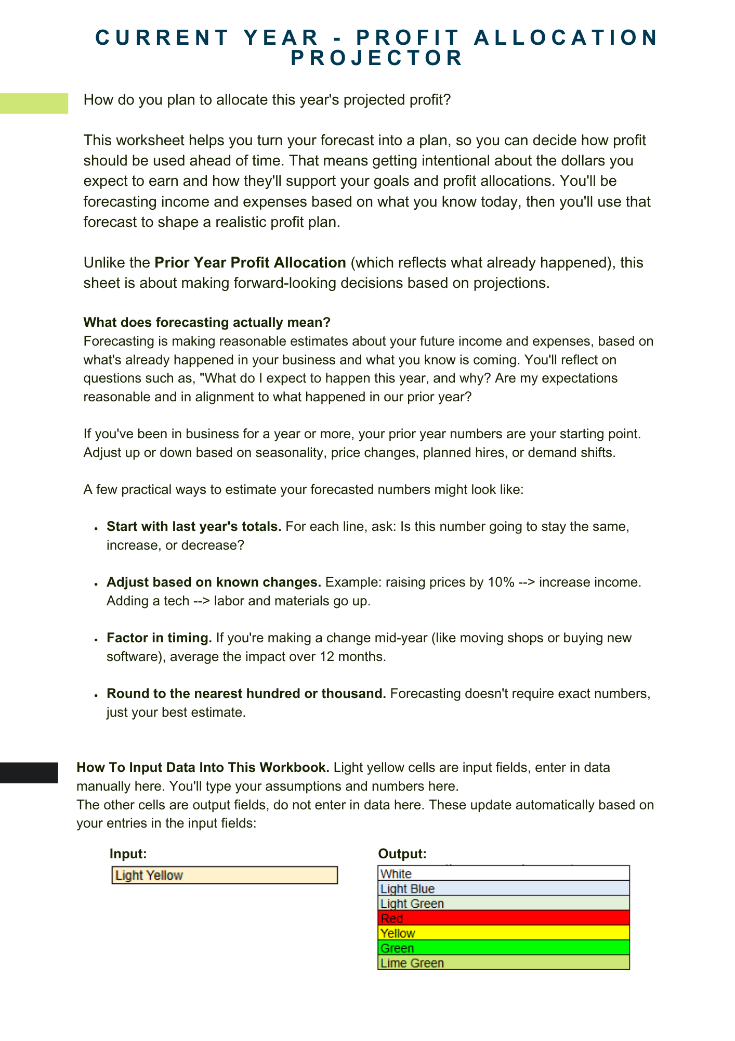
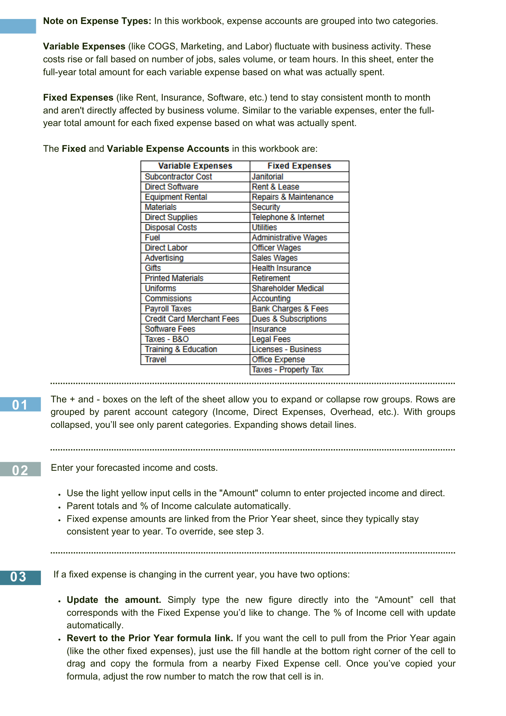
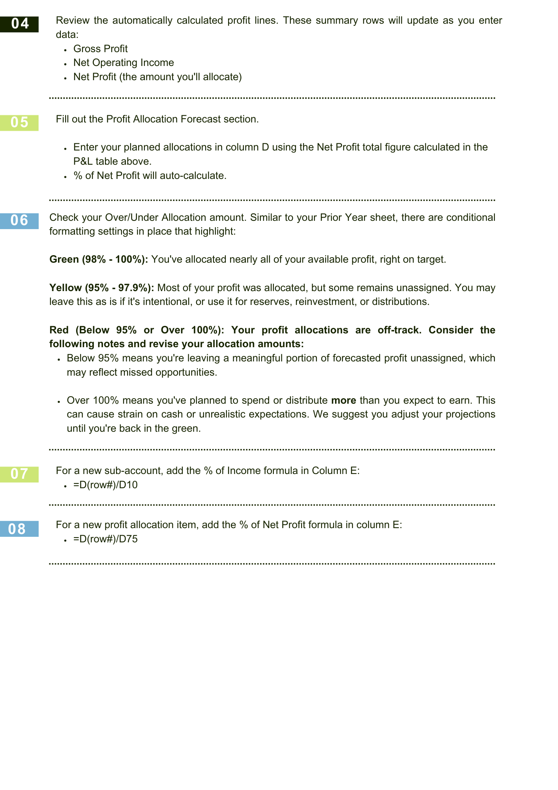
Current Year Projection
Account | Amount | % of Income
Income | $- | 100.0%
Direct Expenses | $- | #DIV/0!
Direct Labor | $- | #DIV/0!
Total Cost of Goods Sold | $- | #DIV/0!
Gross Profit | $- | #DIV/0!
Facilities | $- | #DIV/0!
Marketing | $- | #DIV/0!
Salaries & Wages | $- | #DIV/0!
Payroll Taxes & Benefits | $- | #DIV/0!
Other Operating Expenses | $- | #DIV/0!
Total Expenses | $- | #DIV/0!
Net Operating Income | $- | #DIV/0!
Other Income | $- | #DIV/0!
Other Expense | $- | #DIV/0!
Net Other Income | $- | #DIV/0!
Net Profit | $- | #DIV/0!

Current Year Profit Allocation Forecast
Account | Amount | % of Profit
Separate Account for Profit | $- | #DIV/0!
Inventory | $- | #DIV/0!
Asset Purchases | $- | #DIV/0!
Leasehold Improvements | $- | #DIV/0!
Debt Service | $- | #DIV/0!
Distributions | $- | #DIV/0!
Profit Allocation | $- | #DIV/0!

Under/Over Allocation of Profit | $- | #DIV/0!

Current Year - Allocation Scena
 | Atlas Accounting Group
 | *Your Company Here*
 | Current Year - Allocation Scenarios

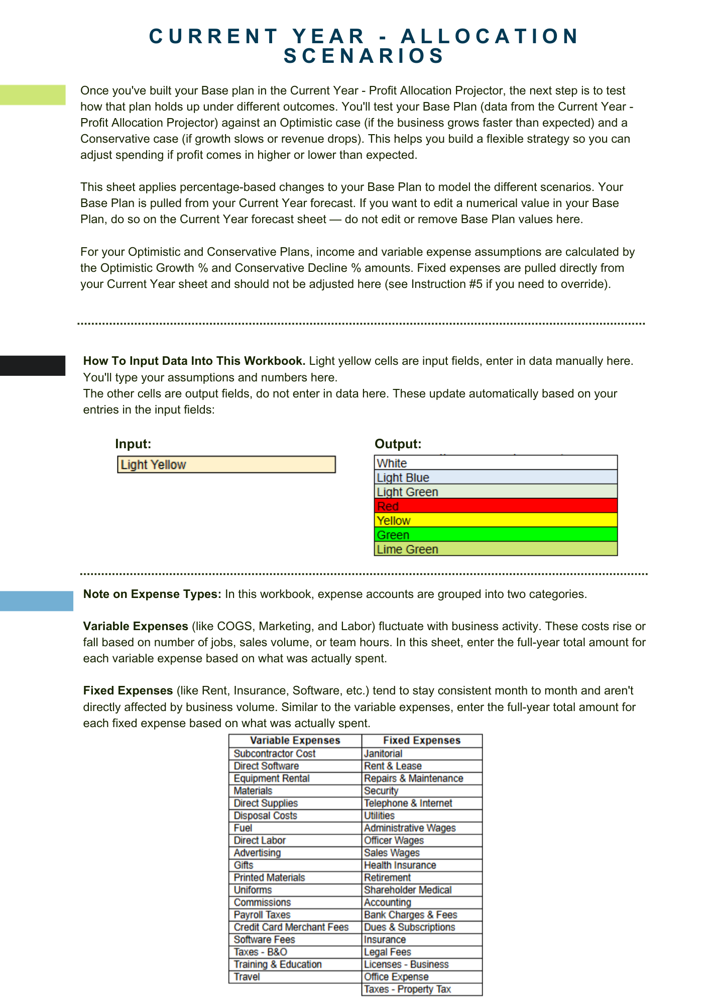
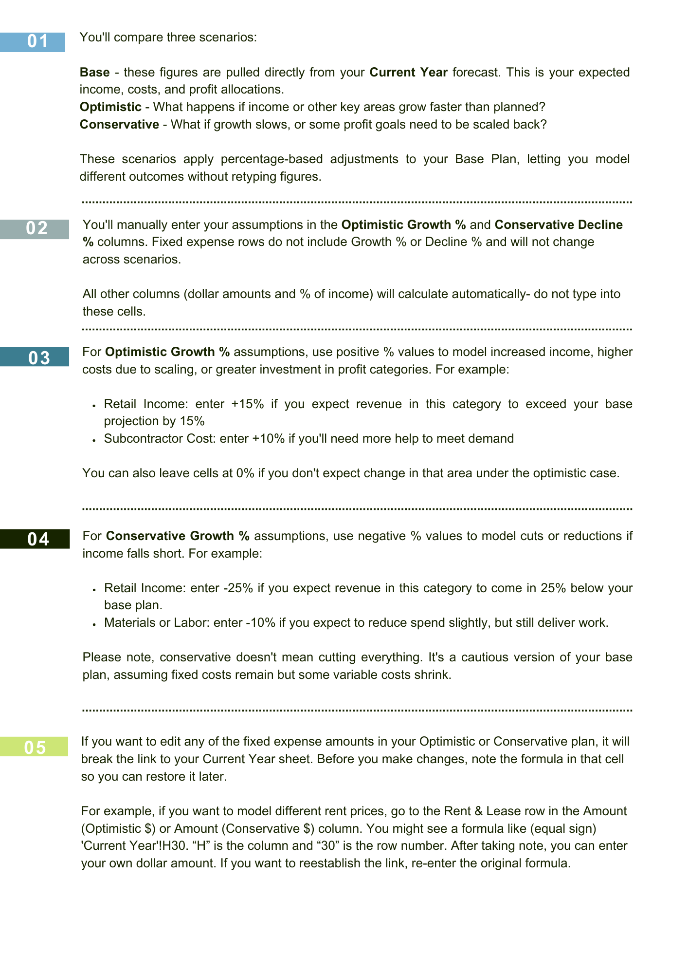
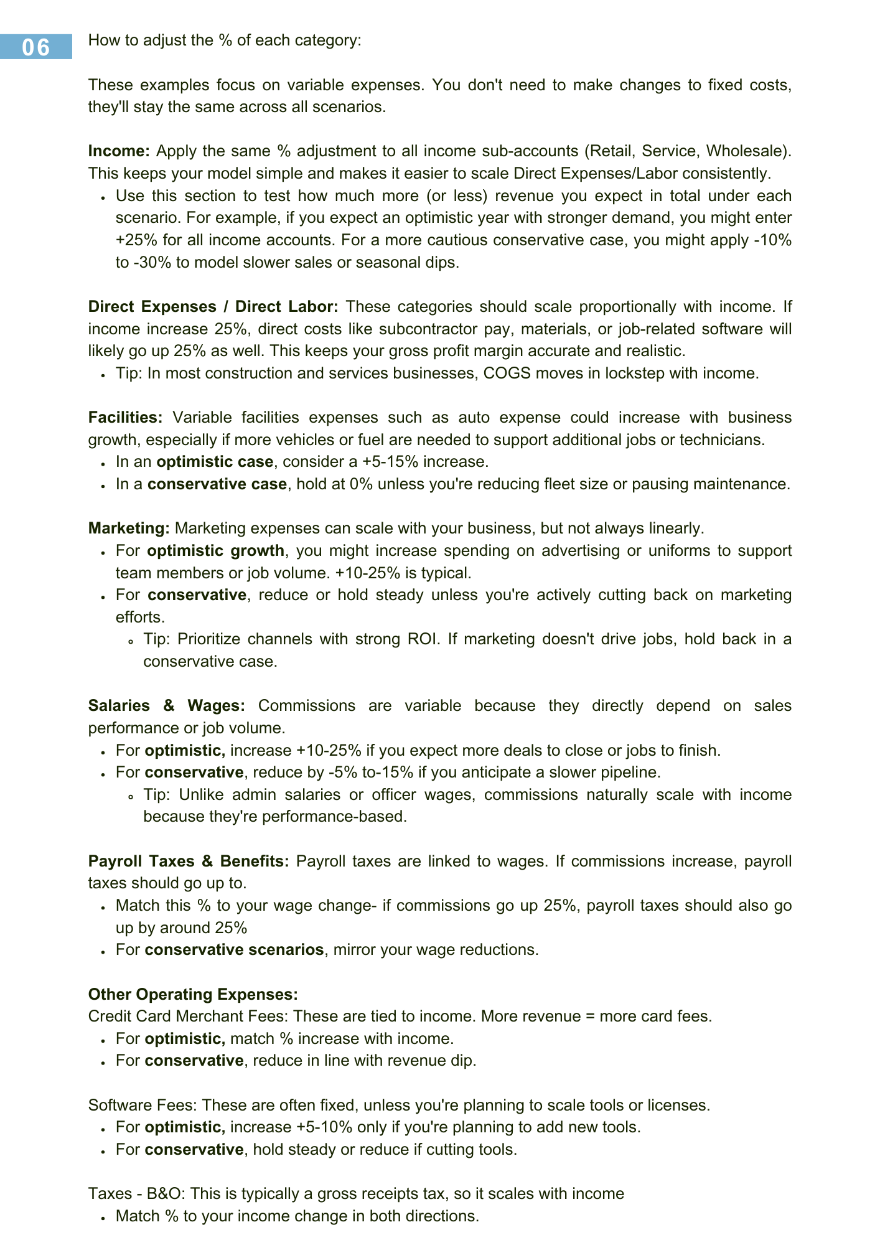
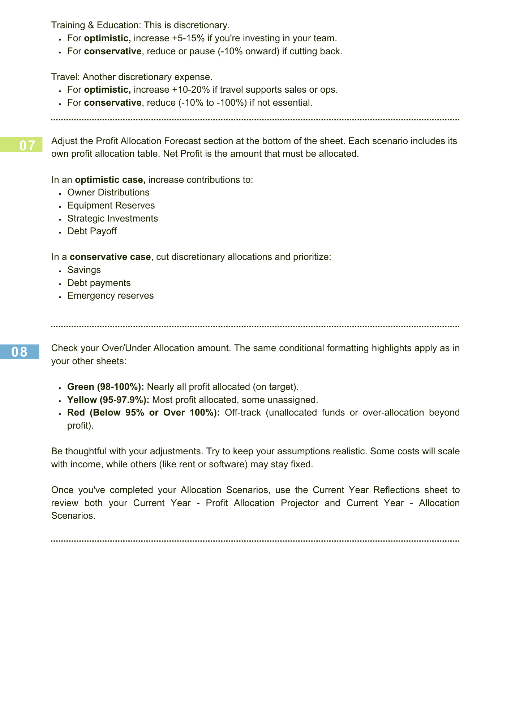
 | Base |  | Optimistic |  |  | Conservative
Account | Amount (Base $) | % of Income (Base) | Optimistic Growth % | Amount (Optimistic $) | % of Income (Optimistic) | Conservative Decline % | Amount (Conservative $) | % of Income (Conservative)
Income | $- | 100.0% |  | $- | #DIV/0! |  | $- | #DIV/0!
Retail | $- | #DIV/0! | 25% | $- | #DIV/0! | -20% | $- | #DIV/0!
Service | $- | #DIV/0! | 25% | $- | #DIV/0! | -20% | $- | #DIV/0!
Wholesale | $- | #DIV/0! | 25% | $- | #DIV/0! | -20% | $- | #DIV/0!
Less - Discounts | $- | #DIV/0! | 0% | $- | #DIV/0! | 0% | $- | #DIV/0!
Direct Expenses | $- | #DIV/0! |  | $- | #DIV/0! |  | $- | #DIV/0!
Subcontractor Cost | $- | #DIV/0! | 25% | $- | #DIV/0! | -20% | $- | #DIV/0!
Direct Software | $- | #DIV/0! | 25% | $- | #DIV/0! | -20% | $- | #DIV/0!
Equipment Rental | $- | #DIV/0! | 25% | $- | #DIV/0! | -20% | $- | #DIV/0!
Materials | $- | #DIV/0! | 25% | $- | #DIV/0! | -20% | $- | #DIV/0!
Direct Supplies | $- | #DIV/0! | 25% | $- | #DIV/0! | -20% | $- | #DIV/0!
Disposal Costs | $- | #DIV/0! | 25% | $- | #DIV/0! | -20% | $- | #DIV/0!
Fuel | $- | #DIV/0! | 25% | $- | #DIV/0! | -20% | $- | #DIV/0!
Direct Labor | $- | #DIV/0! |  | $- | #DIV/0! |  | $- | #DIV/0!
Direct Labor | $- | #DIV/0! | 25% | $- | #DIV/0! | -20% | $- | #DIV/0!
Total Cost of Goods Sold | $- | #DIV/0! |  | $- | #DIV/0! |  | $- | #DIV/0!
Gross Profit | $- | #DIV/0! |  | $- | #DIV/0! |  | $- | #DIV/0!
Facilities | $- | #DIV/0! |  | $- | #DIV/0! |  | $- | #DIV/0!
Auto Expense | $- | #DIV/0! | 15% | $- | #DIV/0! | 0% | $- | #DIV/0!
Janitorial | $- | #DIV/0! |  | $- | #DIV/0! |  | $- | #DIV/0!
Rent & Lease | $- | #DIV/0! |  | $- | #DIV/0! |  | $- | #DIV/0!
Repairs & Maintenance | $- | #DIV/0! |  | $- | #DIV/0! |  | $- | #DIV/0!
Security | $- | #DIV/0! |  | $- | #DIV/0! |  | $- | #DIV/0!
Telephone & Internet | $- | #DIV/0! |  | $- | #DIV/0! |  | $- | #DIV/0!
Utilities | $- | #DIV/0! |  | $- | #DIV/0! |  | $- | #DIV/0!
Marketing | $- | #DIV/0! |  | $- | #DIV/0! |  | $- | #DIV/0!
Advertising | $- | #DIV/0! | 15% | $- | #DIV/0! | -15% | $- | #DIV/0!
Gifts | $- | #DIV/0! | 10% | $- | #DIV/0! | -10% | $- | #DIV/0!
Printed Materials | $- | #DIV/0! | 10% | $- | #DIV/0! | -15% | $- | #DIV/0!
Uniforms | $- | #DIV/0! | 10% | $- | #DIV/0! | -15% | $- | #DIV/0!
Salaries & Wages | $- | #DIV/0! |  | $- | #DIV/0! |  | $- | #DIV/0!
Administrative Wages | $- | #DIV/0! |  | $- | #DIV/0! |  | $- | #DIV/0!
Commissions | $- | #DIV/0! | 25% | $- | #DIV/0! | -15% | $- | #DIV/0!
Officer Wages | $- | #DIV/0! |  | $- | #DIV/0! |  | $- | #DIV/0!
Sales Wages | $- | #DIV/0! |  | $- | #DIV/0! |  | $- | #DIV/0!
Payroll Taxes & Benefits | $- | #DIV/0! |  | $- | #DIV/0! |  | $- | #DIV/0!
Health Insurance | $- | #DIV/0! |  | $- | #DIV/0! |  | $- | #DIV/0!
Payroll Taxes | $- | #DIV/0! | 25% | $- | #DIV/0! | -20% | $- | #DIV/0!
Retirement | $- | #DIV/0! |  | $- | #DIV/0! |  | $- | #DIV/0!
Shareholder Medical | $- | #DIV/0! |  | $- | #DIV/0! |  | $- | #DIV/0!
Other Operating Expenses | $- | #DIV/0! |  | $- | #DIV/0! |  | $- | #DIV/0!
Accounting | $- | #DIV/0! |  | $- | #DIV/0! |  | $- | #DIV/0!
Bank Charges & Fees | $- | #DIV/0! |  | $- | #DIV/0! |  | $- | #DIV/0!
Credit Card Merchant Fees | $- | #DIV/0! | 25% | $- | #DIV/0! | -20% | $- | #DIV/0!
Dues & Subscriptions | $- | #DIV/0! |  | $- | #DIV/0! |  | $- | #DIV/0!
Insurance | $- | #DIV/0! |  | $- | #DIV/0! |  | $- | #DIV/0!
Legal Fees | $- | #DIV/0! |  | $- | #DIV/0! |  | $- | #DIV/0!
Licenses - Business | $- | #DIV/0! |  | $- | #DIV/0! |  | $- | #DIV/0!
Office Expense | $- | #DIV/0! |  | $- | #DIV/0! |  | $- | #DIV/0!
Software Fees | $- | #DIV/0! | 5% | $- | #DIV/0! | -60% | $- | #DIV/0!
Taxes - B&O | $- | #DIV/0! | 25% | $- | #DIV/0! | -20% | $- | #DIV/0!
Taxes - Property Tax | $- | #DIV/0! |  | $- | #DIV/0! |  | $- | #DIV/0!
Training & Education | $- | #DIV/0! | 19% | $- | #DIV/0! | -50% | $- | #DIV/0!
Travel | $- | #DIV/0! | 15% | $- | #DIV/0! | -50% | $- | #DIV/0!
Total Expenses | $- | #DIV/0! |  | $- | #DIV/0! |  | $- | #DIV/0!
Net Operating Income | $- | #DIV/0! |  | $- | #DIV/0! |  | $- | #DIV/0!
Other Income | $- | #DIV/0! |  | $- | #DIV/0! |  | $- | #DIV/0!
Interest Earned | $- | #DIV/0! |  | $- | #DIV/0! |  | $- | #DIV/0!
Gain on Sale of Asset | $- | #DIV/0! |  | $- | #DIV/0! |  | $- | #DIV/0!
Other Expense | $- | #DIV/0! |  | $- | #DIV/0! |  | $- | #DIV/0!
Depreciation & Amortization | $- | #DIV/0! |  | $- | #DIV/0! |  | $- | #DIV/0!
Interest Expense | $- | #DIV/0! |  | $- | #DIV/0! |  | $- | #DIV/0!
Loss on Sale of Asset | $- | #DIV/0! |  | $- | #DIV/0! |  | $- | #DIV/0!
Net Other Income | $- | #DIV/0! |  | $- | #DIV/0! |  | $- | #DIV/0!
Net Profit | $- | #DIV/0! |  | $- | #DIV/0! |  | $- | #DIV/0!

 |  |  | Current Year Profit Allocation Forecast
Account | Amount | % of Profit | Amount (Optimistic $) |  | % of Profit (Optimistic) | Amount (Conservative $) |  | % of Profit (Conservative)
Separate Account for Profit | $- | #DIV/0! | $- |  | #DIV/0! | $- |  | #DIV/0!
Inventory | $- | #DIV/0! | $- |  | #DIV/0! | $- |  | #DIV/0!
Asset Purchases | $- | #DIV/0! | $- |  | #DIV/0! | $- |  | #DIV/0!
Leasehold Improvements | $- | #DIV/0! | $- |  | #DIV/0! | $- |  | #DIV/0!
Debt Service | $- | #DIV/0! | $- |  | #DIV/0! | $- |  | #DIV/0!
Distributions | $- | #DIV/0! | $- |  | #DIV/0! | $- |  | #DIV/0!
Profit Allocation | $- | #DIV/0! | $- |  | #DIV/0! | $- |  | #DIV/0!

Under/Over Allocation of Profit | $- | #DIV/0! | $- |  | #DIV/0! | $- |  | #DIV/0!

Charts & Visuals
Atlas Accounting Group
*Your Company Here*
Charts & Visuals

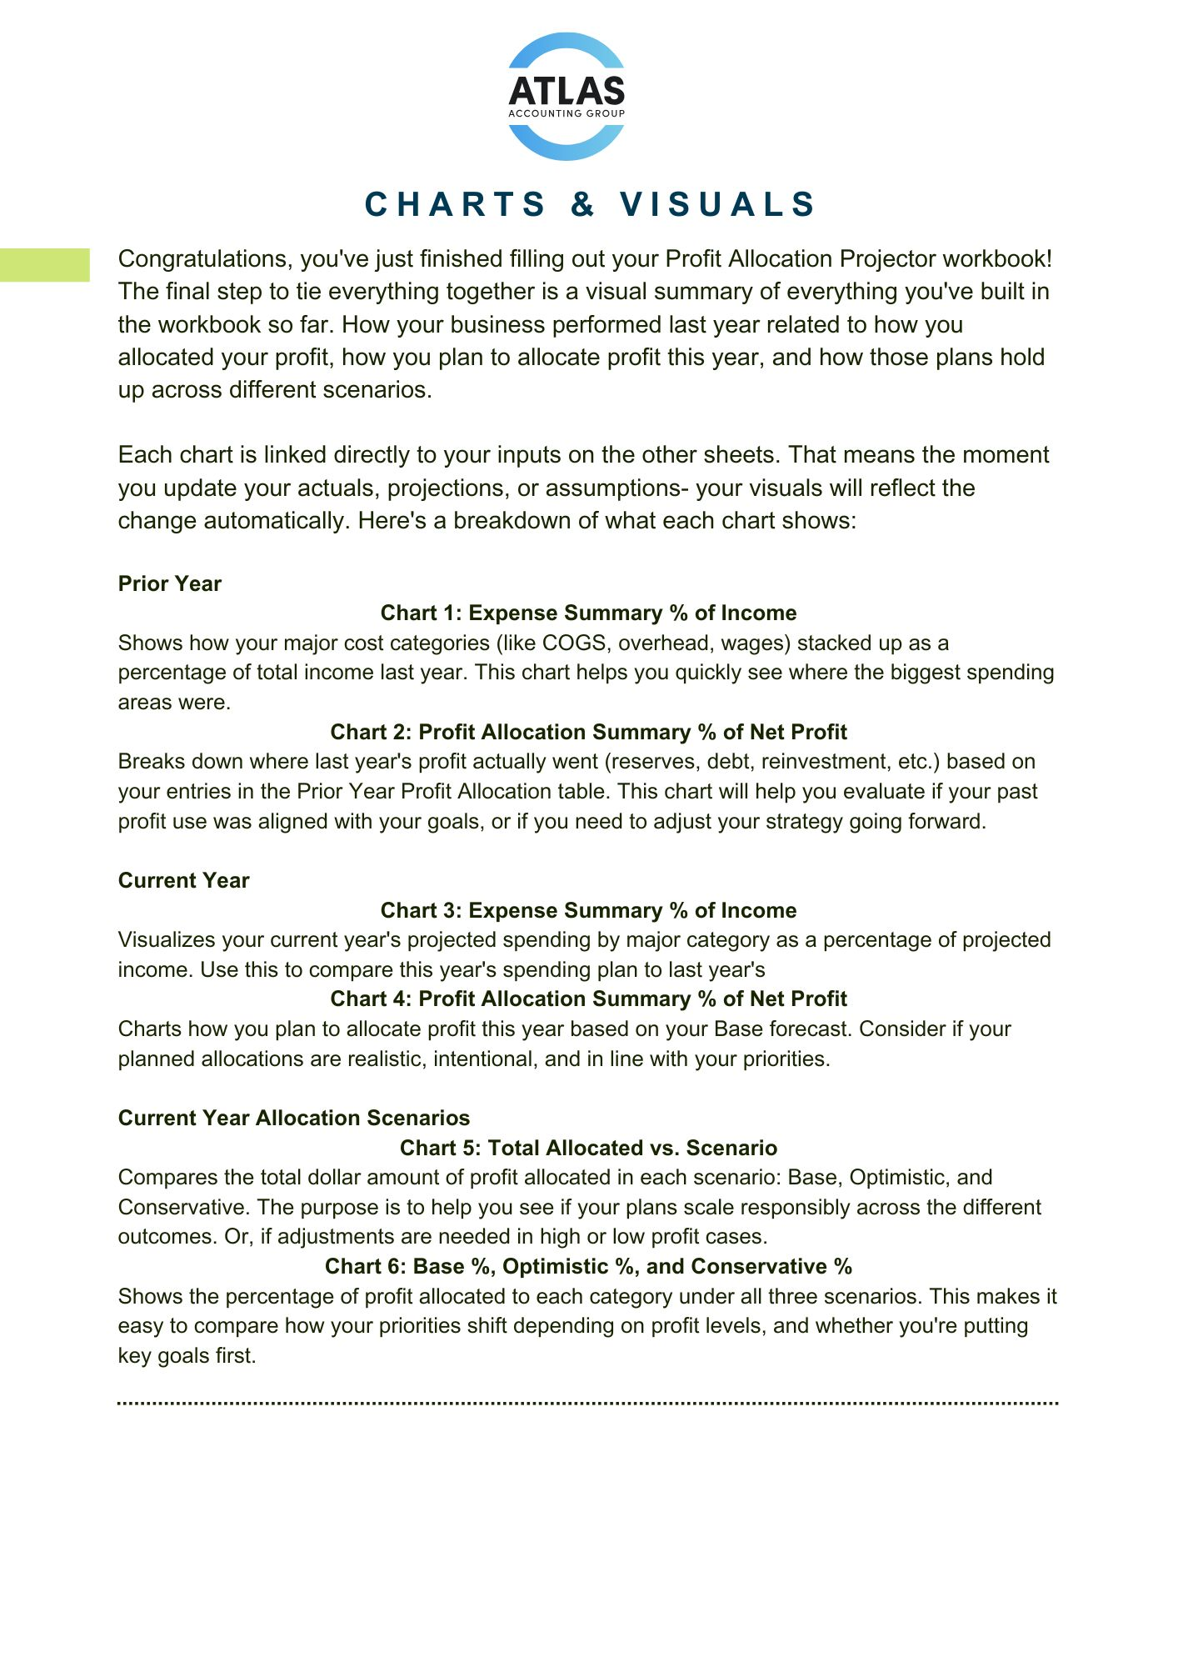
Prior Year

Expense Summary % of Income
Profit Allocation Summary % of Net Profit

 | Category | % of Income | Category | % of Net Profit
 | Total Cost of Goods Sold | #DIV/0! | Separate Bank Account for Reserves | #DIV/0!
 | Facilities | #DIV/0! | Inventory | #DIV/0!
 | Salaries & Wages | #DIV/0! | Leasehold Improvements | #DIV/0!
 | Payroll Taxes & Benefits | #DIV/0! | Debt Service | #DIV/0!
 | Other Operating Expenses | #DIV/0! | Distributions | #DIV/0!
 | Prior Year

 |  | % of Income | Category | % of Net Profit
 | Total Cost of Goods Sold | #DIV/0! | Separate Account for Profit | #DIV/0!
 | Facilities | #DIV/0! | Inventory | #DIV/0!
 | Marketing | #DIV/0! | Asset Purchases | #DIV/0!
 | Salaries & Wages | #DIV/0! | Leasehold Improvements | #DIV/0!
 | Payroll Taxes & Benefits | #DIV/0! | Debt Service | #DIV/0!
 | Other Operating Expenses | #DIV/0! | Distributions | #DIV/0!
 | Current Year

 |  |  | Category | Base % | Optimistic % | Conservative %
 |  |  | Separate Account for Profit | #DIV/0! | #DIV/0! | #DIV/0!
 |  |  | Inventory | #DIV/0! | #DIV/0! | #DIV/0!
 | Scenario | Net Profit ($) | Asset Purchases | #DIV/0! | #DIV/0! | #DIV/0!
 | Base | $0 | Leasehold Improvements | #DIV/0! | #DIV/0! | #DIV/0!
 | Optimistic | $0 | Debt Service | #DIV/0! | #DIV/0! | #DIV/0!
 | Conservative | $0 | Distributions | #DIV/0! | #DIV/0! | #DIV/0!
Current Year | Current Year Allocation Scenarios
Expense Summary % of Income
Profit Allocation Summary % of Net Profit

Current Year Allocation Scenarios

Total Allocated vs. Scenario
Base %, Optimistic % and Conservative %

