Annual
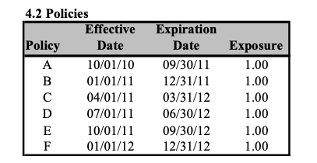

 | 1) Represent as a figure

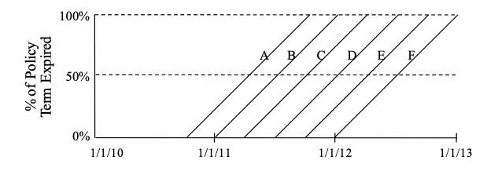

Represent Calendar years

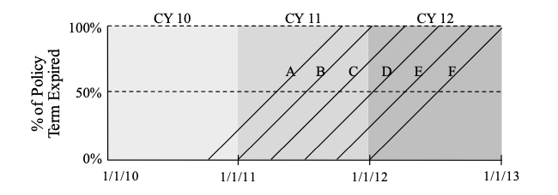

Represent Policy Year Aggregation

Which policies contribute to CY 2011 written Expo?

B,C,D,E
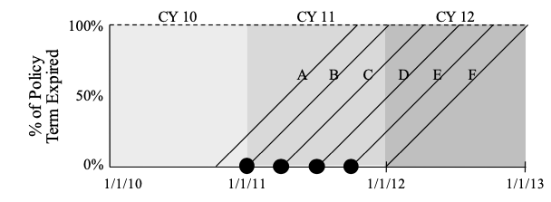

Summarize distribution of WE for each CY
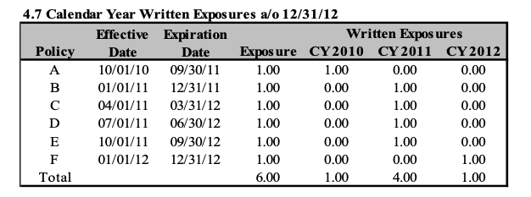
 |  |  | Written Expo
 |  | Policy | CY 2010 | CY 2011 | CY 2012
 |  | A | 1
 |  | B |  | 1
 |  | C |  | 1
 |  | D |  | 1
 |  | E |  | 1
 |  | F |  |  | 1
 |  | Total | 1 | 4 | 1

Redo if Policy D cancel on March 31, 2012

 |  |  | Written Expo
 |  | Policy | CY 2010 | CY 2011 | CY 2012
 |  | A | 1
 |  | B |  | 1
 |  | C |  | 1
 |  | D |  | 1 | -0.25
 |  | E |  | 1
 |  | F |  |  | 1
 |  | Total | 1 | 4 | 0.75

Summarize Distribution of Written Expo per Policy year

 |  |  | Written Expo
 |  | Policy | PY 2010 | PY 2011 | PY 2012
 |  | A | 1
 |  | B |  | 1
 |  | C |  | 1
 |  | D |  | 1
 |  | E |  | 1
 |  | F |  |  | 1
 |  | Total | 1 | 4 | 1

Redo if Policy D cancel on March 31, 2012 (as of YE 2012)

 |  |  | Written Expo
 |  | Policy | PY 2010 | PY 2011 | PY 2012
 |  | A | 1
 |  | B |  | 1
 |  | C |  | 1
 |  | D |  | 0.75 | 0
 |  | E |  | 1
 |  | F |  |  | 1
 |  | Total | 1 | 3.75 | 1

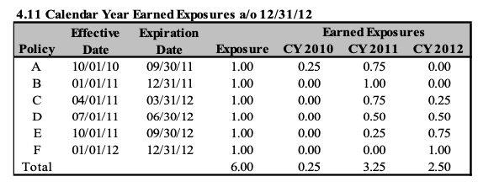
CY EE as of 12/31/2012
 |  | Earned Expo
 | Policy | CY 2010 | CY 2011 | CY 2012
 | A | 0.25 | 0.75
 | B |  | 1
 | C |  | 0.75 | 0.25
 | D |  | 0.5 | 0.5
 | E |  | 0.25 | 0.75
 | F |  |  | 1
 | Total | 0.25 | 3.25 | 2.5

PY EE a/o 12/31/2012

 |  | Earned Expo
 | Policy | PY 2010 | PY 2011 | PY 2012
 | A | 1
 | B |  | 1
 | C |  | 1
 | D |  | 1
 | E |  | 1
 | F |  |  | 1
 | Total | 1 | 4 | 1

Graphically represent in-force expo as of 6/15/2011

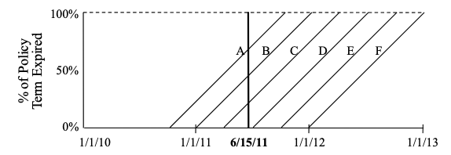

Calculate in-force expo as of 1/1/11 6/15/11 and 1/1/12

 |  | inforce Expo asof
 | Policy | 2011-01-01 | 6/15/11 | 2012-01-01
 | A | 1 | 1
 | B | 1 | 1
 | C |  | 1 | 1
 | D |  |  | 1
 | E |  |  | 1
 | F |  |  | 1
 | Total | 2 | 3 | 4

6 months
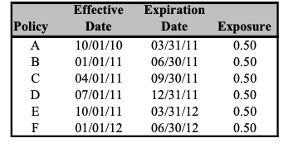

Represent graphically

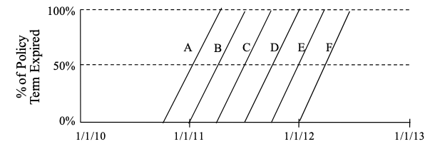

Calculate CY WE expo as of 12/31/12

 | WE as of 12/31/2012
Policy | CY 2010 | CY 2011 | CY 2012
A | 0.5
B |  | 0.5
C |  | 0.5
D |  | 0.5
E |  | 0.5
F |  |  | 0.5
Total | 0.5 | 2 | 0.5

Calculate CY EE as of 12/31/2012

 | EE as of 12/31/2012
Policy | CY 2010 | CY 2011 | CY 2012
A | 0.25 | 0.25
B |  | 0.5
C |  | 0.5
D |  | 0.5
E |  | 0.25 | 0.25
F |  |  | 0.5
Total | 0.25 | 2 | 0.75

Calculate PY WE as of 12/31/2012

 | WE as of 12/31/2012
Policy | PY 2010 | PY 2011 | PY 2012
A | 0.5 | 0
B |  | 0.5
C |  | 0.5
D |  | 0.5
E |  | 0.5 | 0
F |  |  | 0.5
Total | 0.5 | 2 | 0.5

Calculate PY EE as of 12/31/2012

 | EE as of 12/31/2012
Policy | PY 2010 | PY 2011 | PY 2012
A | 0.5 | 0
B |  | 0.5
C |  | 0.5
D |  | 0.5
E |  | 0.5 | 0
F |  |  | 0.5
Total | 0.5 | 2 | 0.5

Calculate in force expo by Date for: 1/1/11, 6/15/11, 1/1/12

 | inforce expo as of:
Policy | 1/1/11 | 6/15/11 | 1/1/12
A | 1
B | 1 | 1
C |  | 1
D |  |  | 0
E |  |  | 1
F |  |  | 1
Total | 2 | 2 | 2

