Sheet1
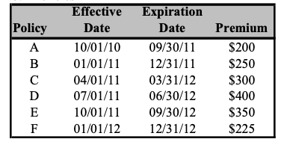

Represent graphically
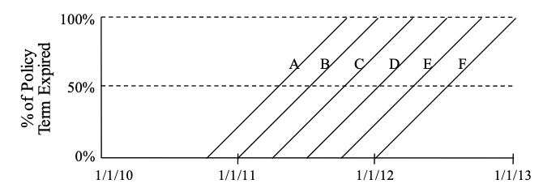

Represent Calendar Years
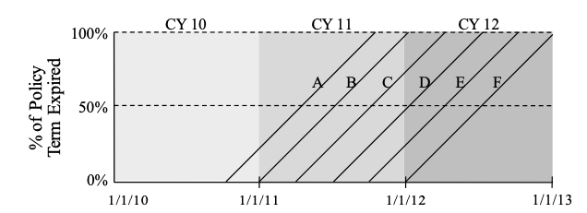

Represent Policy years

Calculate CY WP
 |  | WP
 | Policy | CY 2010 | CY 2011 | CY 2012
 | A | 200
 | B |  | 250
 | C |  | 300
 | D |  | 400
 | E |  | 350
 | F |  |  | 225
 | Total | 200 | 1300 | 225

Redo if Policy D cancelled on March 31, 2012

 |  | WP
 | Policy | CY 2010 | CY 2011 | CY 2012
 | A | 200
 | B |  | 250
 | C |  | 300
 | D |  | 400 | -100
 | E |  | 350
 | F |  |  | 225
 | Total | 200 | 1300 | 125

Calculate PY WP

 |  | WP
 | Policy | PY 2010 | PY 2011 | PY 2012
 | A | 200
 | B |  | 250
 | C |  | 300
 | D |  | 400
 | E |  | 350
 | F |  |  | 225
 | Total | 200 | 1300 | 225

Redo if Policy D cancelled on March 31, 2012
 |  | WP
 | Policy | PY 2010 | PY 2011 | PY 2012
 | A | 200
 | B |  | 250
 | C |  | 300
 | D |  | 300
 | E |  | 350
 | F |  |  | 225
 | Total | 200 | 1200 | 225

Calculare CY EP

 |  |  | % earned |  |  | EP
 | Policy | WP | CY 2010 | CY 2011 | CY 2012 | CY 2010 | CY 2011 | CY 2012
 | A | 200 | 25% | 75% |  | CHF 50 | CHF 150 | CHF -
 | B | 250 |  | 100% |  | CHF - | CHF 250 | CHF -
 | C | 300 |  | 75% | 25% | CHF - | CHF 225 | CHF 75
 | D | 400 |  | 50% | 50% | CHF - | CHF 200 | CHF 200
 | E | 350 |  | 25% | 75% | CHF - | CHF 88 | CHF 263
 | F | 225 |  |  | 100% | CHF - | CHF - | CHF 225
 | Total | 1725 |  |  |  | 50 | 912.5 | 762.5

Calculate PY EP as of YE 2012

 |  | EP
 | Policy | PY 2010 | PY 2011 | PY 2012
 | A | 200
 | B |  | 250
 | C |  | 300
 | D |  | 400
 | E |  | 350
 | F |  |  | 225
 | Total | 200 | 1300 | 225

Graphically represent the inFP asof 6/15/2011

Calculate the inFP as of 1/1/11, 6/15/11 and 1/1/2012

 |  |  | is in force as of |  |  | inFP as of
 | Policy | Full Term premium | 1/1/11 | 6/15/11 | 1/1/12 | 1/1/11 | 6/15/11 | 1/1/12
 | A | 200 | 1 | 1 |  | CHF 200 | CHF 200 | CHF -
 | B | 250 | 1 | 1 |  | CHF 250 | CHF 250 | CHF -
 | C | 300 |  | 1 | 1 | CHF - | CHF 300 | CHF 300
 | D | 400 |  |  | 1 | CHF - | CHF - | CHF 400
 | E | 350 |  |  | 1 | CHF - | CHF - | CHF 350
 | F | 225 |  |  | 1 | CHF - | CHF - | CHF 225
 | Total | 1725 |  |  |  | 450 | 750 | 1275

Recalculate assuming Policy D is changed on Jan 1, 2012 and full term premium increases from 400 to 800

 |  |  | is in force as of |  |  | inFP as of
 | Policy | Full Term premium | 1/1/11 | 6/15/11 | 1/1/12 | 1/1/11 | 6/15/11 | 1/1/12
 | A | 200 | 1 | 1 |  | CHF 200 | CHF 200 | CHF -
 | B | 250 | 1 | 1 |  | CHF 250 | CHF 250 | CHF -
 | C | 300 |  | 1 | 1 | CHF - | CHF 300 | CHF 300
 | D | 400/800 |  |  | 1 | CHF - | CHF - | CHF 800
 | E | 350 |  |  | 1 | CHF - | CHF - | CHF 350
 | F | 225 |  |  | 1 | CHF - | CHF - | CHF 225
 | Total | 1325 |  |  |  | 450 | 750 | 1675

