Sheet 1
Some text with an image followed by more text
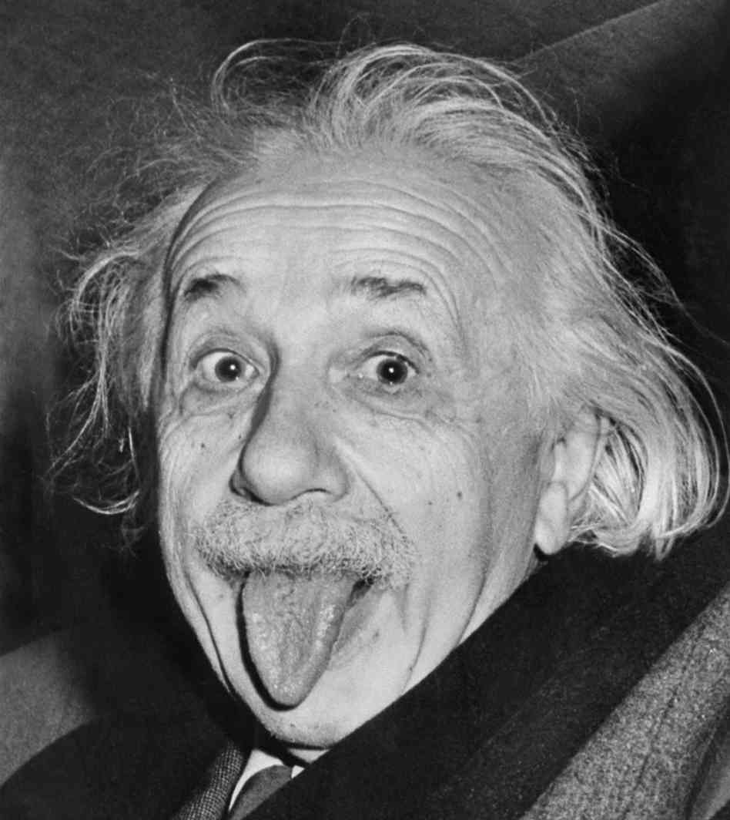

Text with image followed by image

