Sheet 1
plot(1:3, 1:3)

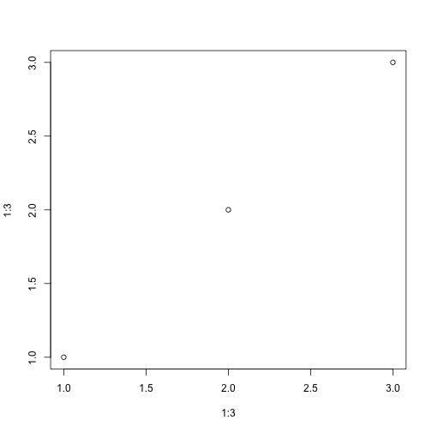

plot(1:3, 1:3); setNames(letters, LETTERS)

A | a
B | b
C | c
D | d
E | e
F | f
G | g
H | h
I | i
J | j
K | k
L | l
M | m
N | n
O | o
P | p
Q | q
R | r
S | s
T | t
U | u
V | v
W | w
X | x
Y | y
Z | z

plot(1:3, 1:3)

setNames(letters, LETTERS)

A | a
B | b
C | c
D | d
E | e
F | f
G | g
H | h
I | i
J | j
K | k
L | l
M | m
N | n
O | o
P | p
Q | q
R | r
S | s
T | t
U | u
V | v
W | w
X | x
Y | y
Z | z

