Sheet 1
A Minimal Example for Markdown

This is a minimal example of using knitxl to produce an XLSX spreadsheet
from Markdown.

R code chunks

# set global chunk options: images will be 7x5 inches
knitr::opts_chunk$set(fig.width=7, fig.height=5)
options(digits = 4)

Now we write some code chunks in this markdown file:

x <- 1+1 # a simple calculator
set.seed(123)
rnorm(5) # boring random numbers

-0.56047564655
-0.23017748948
1.5587083141
0.070508391425
0.12928773516

We can also produce plots:

par(mar = c(4, 4, .1, .1))
with(mtcars, {
plot(mpg~hp, pch=20, col='darkgray')
lines(lowess(hp, mpg))
})

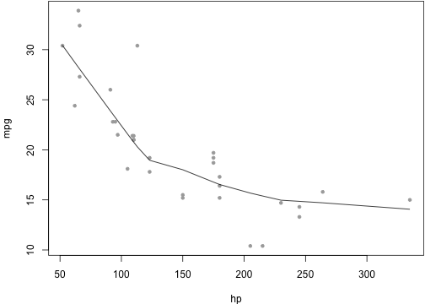

Inline code

Inline R code is also supported, e.g. the value of x is 2, and 2 × π
= 6.2832.

Math

LaTeX math as usual: $f(\alpha, \beta) \propto x^{\alpha-1}(1-x)^{\beta-1}$.

Misc

You can indent code chunks so they can nest within other environments such as lists.

1. the area of a circle with radius x

pi * x^2

12.566370614

2. OK, that is great

To compile me, use

library(knitxl)
knitxl('knitxl-minimal.Rmd')

Conclusion

Markdown is super easy to write. Go to knitr homepage for details.

