Sheet 1
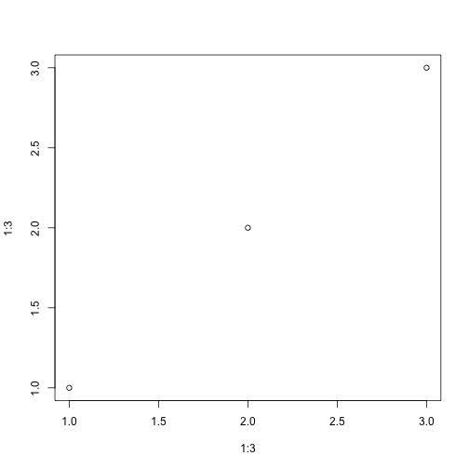
plot(1:3, 1:3)

