Sheet 1
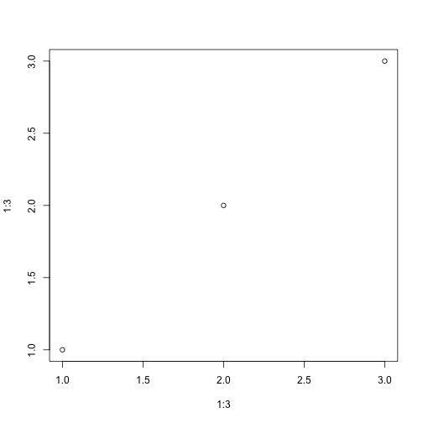
```{r}
plot(1:3, 1:3)
```

