Sheet 1
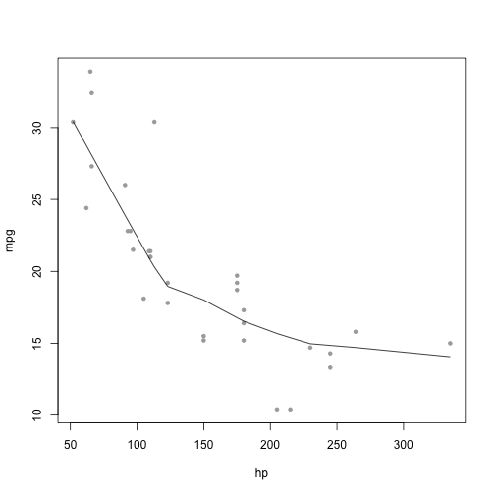
with(mtcars, {
plot(mpg~hp, pch=20, col='darkgray')
lines(lowess(hp, mpg))
})

