Sheet1
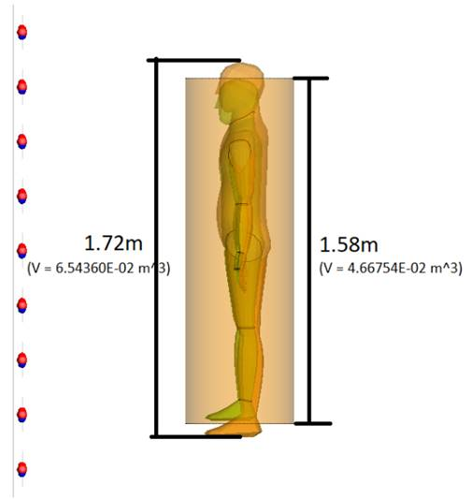
X
Ptx = 200W
X-offset | SARwb_IEC | SARwb (FEKO, H=1.58m,V=4.67m2 ) | SARwb (FEKO, H=1.72m,V=6.54m2, epsr=41.5, sigma = 0.97 ) | SARwb (FEKO, H=1.72m,V=6.54m2, epsr=34.052, sigma = 0.576 ) | SAR along a line (comparing SEP and IEC formula)
0.5 | 0.440606 | 0.86170 | 0.67788 | 0.73623
1.5 | 0.146042 | 0.33872 | 0.27808 | 0.30198
2.5 | 0.086658 | 0.20150 | 0.16748 | 0.18204
3.5 | 0.060904 | 0.14706 | 0.12256 | 0.13308
4.5 | 0.046393 | 0.11264 | 0.09452 | 0.10262
5.5 | 0.037026 | 0.09051 | 0.0757 | 0.08223
6.5 | 0.030456 | 0.07524 | 0.06287 | 0.06831
7.5 | 0.025587 | 0.06363 | 0.05332 | 0.05794
8.5 | 0.021837 | 0.05434 | 0.04575 | 0.04971
9.5 | 0.018866 | 0.04674 | 0.03955 | 0.04298
10.5 | 0.016462 | 0.04047 | 0.03442 | 0.0374
11.5 | 0.014484 | 0.03527 | 0.03012 | 0.03274
12.5 | 0.012835 | 0.03094 | 0.02652 | 0.02882

 | Material parameter optimisation from Hanako study

