Problem 1 - Pivot tables
Sum of Household Size |  | Race
Housing Tenure | Zip Code | African American | Asian | White | Other | Grand Total
Owner |  | 288 | 746 | 1355 | 570 | 2959 | d. | Commute | Zip Code | Percent of Residents | Average HH Income | It can be said that there is a relation between income and transportation used. In the data we can see that people with highest avergae income use car for transportation.
 | 93463 | 46 | 147 | 182 | 56 | 431 |  | Bike |  | 2.38% | $67,239
 | 93464 | 46 | 81 | 175 | 95 | 397 |  | Bus |  | 15.45% | $85,210
 | 93465 | 63 | 159 | 253 | 105 | 580 |  | Car |  | 64.31% | $137,091
 | 93466 | 25 | 74 | 174 | 86 | 359 |  | Walk |  | 17.85% | $106,669
 | 93467 | 33 | 85 | 222 | 74 | 414 |  | Grand Total |  | 100.00% | $121,689
 | 93468 | 27 | 91 | 199 | 81 | 398
 | 93469 | 48 | 109 | 150 | 73 | 380
Grand Total |  | 288 | 746 | 1355 | 570 | 2959
 |  |  |  |  |  |  | e. | Commute | Bike

 |  |  |  |  |  |  |  | Zip Code | Percent of Residents | Average HH Income | Sum of per capita income
 |  |  |  |  |  |  |  | 93463 | 17.95% | $75,745 | $14,427.62
 |  |  |  |  |  |  |  | 93464 | 3.42% | $101,518 | $25,379.50
 |  |  |  |  |  |  |  | 93465 | 14.53% | $69,644 | $16,386.82
 |  |  |  |  |  |  |  | 93466 | 11.97% | $74,825 | $10,689.21
Chart 1b |  |  |  |  |  |  |  | 93467 | 14.53% | $62,606 | $14,730.76
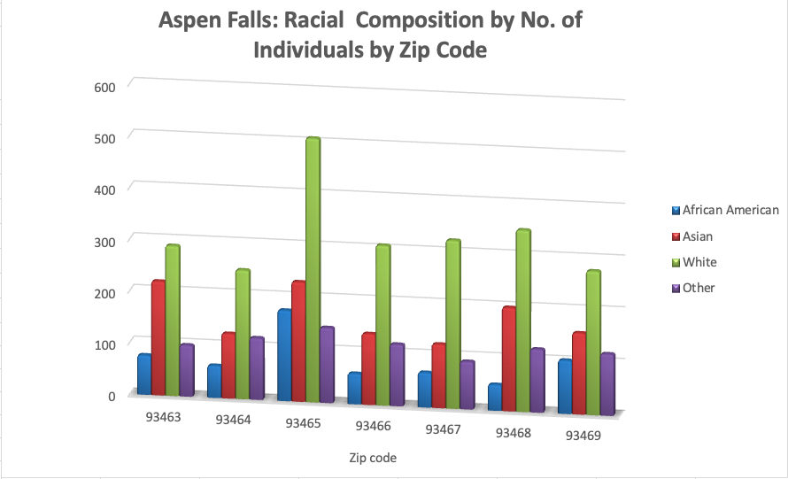
 |  |  |  |  |  |  |  | 93468 | 19.66% | $65,538 | $14,247.43
 |  |  |  |  |  |  |  | 93469 | 17.95% | $50,727 | $9,662.24
 |  |  |  |  |  |  |  | Grand Total | 100.00% | $67,239 | $13,792.68

Chart 1c
Aspen Falls: Racial Composition by No. of Individuals by Zip Code

Problem 2 - Pivot Tables
Weekly Sales -- 2016 to 2017
Row Labels | Sum of Sales
1/1/16 - 1/7/16 | $919,181
1/29/16 - 2/4/16 | $645,049
2/26/16 - 3/3/16 | $633,491
4/1/16 - 4/7/16 | $707,317
4/29/16 - 5/5/16 | $758,546
5/27/16 - 6/2/16 | $806,661
7/1/16 - 7/7/16 | $614,535
7/29/16 - 8/4/16 | $467,779
8/26/16 - 9/1/16 | $740,856
9/30/16 - 10/6/16 | $804,503
10/28/16 - 11/3/16 | $500,152
11/25/16 - 12/1/16 | $864,966
12/30/16 - 1/5/17 | $770,256
1/27/17 - 2/2/17 | $959,924
2/24/17 - 3/2/17 | $431,734
3/31/17 - 4/6/17 | $772,994
4/28/17 - 5/4/17 | $744,420
5/26/17 - 6/1/17 | $360,043
6/30/17 - 7/6/17 | $704,907
7/28/17 - 8/3/17 | $696,443
9/1/17 - 9/7/17 | $403,160
9/29/17 - 10/5/17 | $1,045,706
10/27/17 - 11/2/17 | $925,298
12/1/17 - 12/2/17 | $671,543

Sales Statistics Across Regions, for Different Product Groups
 | Average of Sales | Min of Sales | Max of Sales
Automotive | $39,619.54 | $7 | $130,405
Electronics | $46,809.96 | $1,738 | $156,554
Gardening | $59,906.33 | $5,607 | $167,539
Housewares | $59,610.75 | $12,205 | $154,503
Sporting | $54,791.46 | $2,522 | $161,057
Automotive | $62,341.58 | $969 | $170,688
Electronics | $44,042.88 | $73 | $182,640
Gardening | $37,977.92 | $175 | $119,667
Housewares | $36,130.00 | $1,176 | $164,379
Sporting | $40,507.21 | $5,441 | $105,933
Automotive | $51,322.92 | $354 | $168,686
Electronics | $44,390.75 | $7,164 | $145,865
Gardening | $34,380.13 | $371 | $87,963
Housewares | $33,840.71 | $1,770 | $127,490
Sporting | $60,555.54 | $3,089 | $177,206
2.b
Row Labels | Average of Sales | Min of Sales | Max of Sales
Colorado
Automotive | $39,619.54 | $7 | $130,405
Electronics | $46,809.96 | $1,738 | $156,554
Gardening | $59,906.33 | $5,607 | $167,539
Housewares | $59,610.75 | $12,205 | $154,503
Sporting | $54,791.46 | $2,522 | $161,057
Oklahoma
Automotive | $62,341.58 | $969 | $170,688
Electronics | $44,042.88 | $73 | $182,640
Gardening | $37,977.92 | $175 | $119,667
Housewares | $36,130.00 | $1,176 | $164,379
Sporting | $40,507.21 | $5,441 | $105,933
Utah
Automotive | $51,322.92 | $354 | $168,686
Electronics | $44,390.75 | $7,164 | $145,865
Gardening | $34,380.13 | $371 | $87,963
Housewares | $33,840.71 | $1,770 | $127,490
Sporting | $60,555.54 | $3,089 | $177,206

2.c
Sum of Sales | Column Labels
Row Labels | Colorado | Oklahoma | Utah
 | Colorado | Oklahoma | Utah
Qtr1 | $413,699 | $283,665 | $297,942
Qtr2 | $292,083 | $416,015 | $77,163
Qtr3 | $137,299 | $269,033 | $340,629
Qtr4 | $184,941 | $144,417 | $359,842
Qtr1 | $410,247 | $340,288 | $164,779
Qtr2 | $190,710 | $277,833 | $162,364
Qtr3 | $194,509 | $289,615 | $270,811
Qtr4 | $558,039 | $342,452 | $370,397
2016
Qtr1 | $413,699 | $283,665 | $297,942
Qtr2 | $292,083 | $416,015 | $77,163
Qtr3 | $137,299 | $269,033 | $340,629
Qtr4 | $184,941 | $144,417 | $359,842
2017
Qtr1 | $410,247 | $340,288 | $164,779
Qtr2 | $190,710 | $277,833 | $162,364
Qtr3 | $194,509 | $289,615 | $270,811
Qtr4 | $558,039 | $342,452 | $370,397

2.d
Sum of Sales | Column Labels
Row Labels | Colorado | Oklahoma | Utah | Grand Total
Domestic | $1,773,390 | $1,757,319 | $1,891,839 | $5,422,548
Other | $1,152,028 | $994,860 | $744,675 | $2,891,563
Grand Total | $2,925,418 | $2,752,179 | $2,636,514 | $8,314,111

Sales Breakdown Across Domestic and Other Product Groups

Problem 4 Results
a.
Product | State | Average Retail Price
Backpack
 | California | $247.13
 | Oregon | $225.38
 | Washington | $232.10
Car Rack
 | California | $513.46
 | Oregon | $476.05
 | Washington | $490.63
Headlamp
 | California | $60.81
 | Oregon | $55.74
 | Washington | $58.14
Sleeping Bag
 | California | $162.27
 | Oregon | $152.30
 | Washington | $157.12
Tent
 | California | $318.78
 | Oregon | $296.66
 | Washington | $305.80

b.
Average Retail Price |  | Year
Product | State | 2016 | 2017
Backpack
 | California | $244.36 | $251.18
 | Oregon | $231.74 | $218.87
 | Washington | $227.32 | $237.40
Car Rack
 | California | $515.73 | $511.50
 | Oregon | $479.38 | $472.54
 | Washington | $492.30 | $488.92
Headlamp
 | California | $60.69 | $60.97
 | Oregon | $54.87 | $56.78
 | Washington | $57.98 | $58.32
Sleeping Bag
 | California | $162.10 | $162.43
 | Oregon | $152.02 | $152.68
 | Washington | $156.53 | $157.79
Tent
 | California | $320.45 | $317.15
 | Oregon | $298.06 | $295.66
 | Washington | $304.34 | $307.40

c.
Sum of Quantity | State
Product | California | Oregon | Washington
Backpack | 176 | 179 | 167
Car Rack | 203 | 190 | 189
Quantity Sold By Location for Each Item
Headlamp | 185 | 187 | 229
Sleeping Bag | 175 | 236 | 218
Tent | 139 | 114 | 159

Total $ Sales by Product
 | Backpack | Sleeping Bag | Tent
Qtr1 | $1,728,219 | $1,422,921 | $867,639
Qtr2 | $721,384 | $938,550 | $2,107,713
Qtr3 | $2,013,830 | $1,295,502 | $675,329
Qtr4 | $808,880 | $969,003 | $621,398
Qtr1 | $1,066,320 | $1,225,926 | $859,956
Qtr2 | $626,108 | $764,337 | $2,127,327
Qtr3 | $1,096,344 | $791,602 | $987,803
Qtr4 | $929,721 | $852,781 | $1,156,165
d.
Sum of Total Order Value | Column Labels
Row Labels | Backpack | Sleeping Bag | Tent | Grand Total
2016
Qtr1 | $1,728,219 | $1,422,921 | $867,639 | $12,164,576
Qtr2 | $721,384 | $938,550 | $2,107,713 | $10,807,345
Qtr3 | $2,013,830 | $1,295,502 | $675,329 | $11,790,014
Qtr4 | $808,880 | $969,003 | $621,398 | $7,265,210
2017
Qtr1 | $1,066,320 | $1,225,926 | $859,956 | $9,720,498
Qtr2 | $626,108 | $764,337 | $2,127,327 | $9,843,761
Qtr3 | $1,096,344 | $791,602 | $987,803 | $8,703,999
Qtr4 | $929,721 | $852,781 | $1,156,165 | $9,073,762
Grand Total | $69,348,785 | $65,350,090 | $71,717,710 | $631,524,667

