Shape-free_models
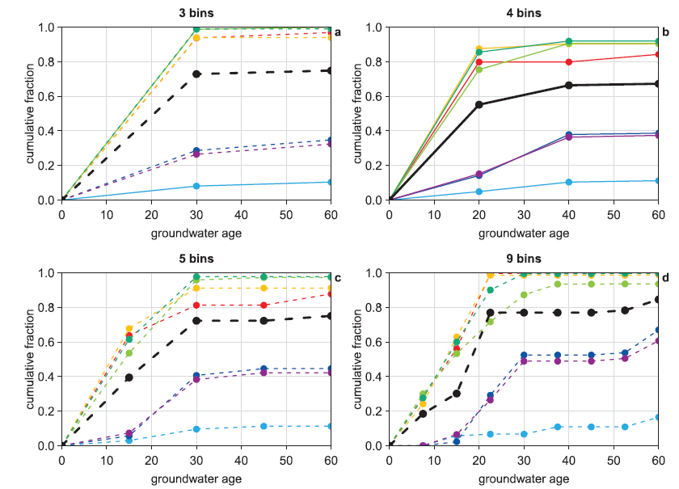
 | Age | 85-33 | 85-35 | 85-34 | 67-19 | 59-05 | 72-22 | 73-29
3-bins | 0.00 | 0.000 | 0.000 | 0.000 | 0.000 | 0.000 | 0.000 | 0.000
 | 30.00 | 0.085 | 0.266 | 0.288 | 0.938 | 0.938 | 0.983 | 0.983
 | 60.00 | 0.102 | 0.322 | 0.350 | 0.938 | 0.966 | 0.994 | 0.994

 | Age | 85-33 | 85-35 | 85-34 | 67-19 | 59-05 | 72-22 | 73-29
4-bins | 0.00 | 0.000 | 0.000 | 0.000 | 0.000 | 0.000 | 0.000 | 0.000
 | 20.00 | 0.045 | 0.153 | 0.141 | 0.881 | 0.802 | 0.757 | 0.859
 | 40.00 | 0.102 | 0.367 | 0.384 | 0.904 | 0.802 | 0.904 | 0.921
 | 60.00 | 0.119 | 0.373 | 0.390 | 0.904 | 0.848 | 0.904 | 0.921

 | Age | 85-33 | 85-35 | 85-34 | 67-19 | 59-05 | 72-22 | 73-29
5-bins | 0.00 | 0.000 | 0.000 | 0.000 | 0.000 | 0.000 | 0.000 | 0.000
 | 15.00 | 0.034 | 0.079 | 0.051 | 0.684 | 0.638 | 0.531 | 0.610
 | 30.00 | 0.096 | 0.379 | 0.412 | 0.910 | 0.808 | 0.955 | 0.972
 | 45.00 | 0.107 | 0.424 | 0.441 | 0.910 | 0.814 | 0.966 | 0.972
 | 60.00 | 0.107 | 0.418 | 0.446 | 0.910 | 0.876 | 0.972 | 0.977

 | Age | 85-33 | 85-35 | 85-34 | 67-19 | 59-05 | 72-22 | 73-29
9-bins | 0.00 | 0.000 | 0.000 | 0.000 | 0.000 | 0.000 | 0.000 | 0.000
 | 7.50 | 0.006 | 0.006 | 0.006 | 0.244 | 0.290 | 0.307 | 0.273
 | 15.00 | 0.057 | 0.063 | 0.017 | 0.642 | 0.563 | 0.534 | 0.597
 | 22.50 | 0.068 | 0.261 | 0.290 | 0.983 | 0.994 | 0.716 | 0.903
 | 30.00 | 0.068 | 0.489 | 0.523 | 0.989 | 1.000 | 0.869 | 0.989
 | 37.50 | 0.108 | 0.489 | 0.523 | 0.989 | 1.000 | 0.938 | 0.994
 | 45.00 | 0.108 | 0.489 | 0.523 | 0.989 | 1.000 | 0.938 | 0.994
 | 52.50 | 0.108 | 0.506 | 0.534 | 0.989 | 1.000 | 0.943 | 0.994
 | 60.00 | 0.165 | 0.614 | 0.671 | 0.989 | 1.000 | 0.943 | 1.000

