Instructions
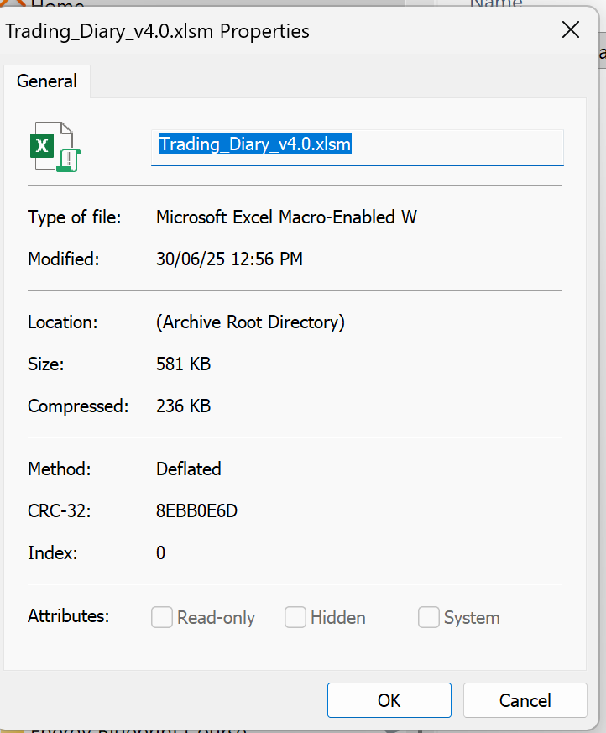
INSTRUCTIONS: Preparing the spreadsheet for use.

1. | Download the ZIP file to your computer. Right-click on the ZIP file and select "Extract All" and choose where you wish to save the Trading Diary

2. | When opening your file, select "ENABLE EDITING" when prompted to do so.

3. | A "Security Risk" message will appear (because you have downloaded a document from the internet). Close and save the spreadsheet.

4. | Go to where the spreadsheet is stored on your computer, right click, go to the bottom and select "Properties", and down the bottom where it says "Security" and tick "Unblock". Your Trading Diary is now ready to use.

5. | Record all your trades on the "All Trades" tab in the columns shown in brown/black.

6. | Go to the "Current Trades" and "Exited Trades" worksheet and click on the button "Refresh...." to refresh the data

7. | To add rows, use the "Add 10 rows" button, top right hand side of All Trades

8. | To delete unwanted rows highlight the row, use the "Delete Rows" button, top right hand side of All Trades

9. | If you enter data in a cell that has a formula or is protected you will get this message. You can not enter information in protected cells. The only column that has formulas that you can override the formula in is the Dividend Total column.

10. | Columns you don't use | If there are columns that you don't use on the "All Trades" tab like Industry or Commission, you can select the column, right click and "Hide". You would then hide the same column on the Current and Exit tabs also.

INSTRUCTIONS: Upgrading from previous version of Trading Diary

 | The easiest way to use the new Trading Diary is to record your current trades manually and leave the history in your old spreadsheet.

 | If you decide you want the history and you have some Excel skills (don't need many but some)

1. | In your old spreadsheet on the following tabs
 | a. All Trades: Press the "Reorder" button to make sure all the Held are together and at the top.
 | b. Current Trades: Press the "Refresh" to make sure the figures are up to date (for comparison later)
 | c. Exited Trades: Press the "Refresh"

2. | In the new spreadsheet, press the "Add 20 Rows" button until you have enough rows to include all your data from your old spreadsheet.

3. | Only copy columns from old spreadsheet that don't have formulas, the brown columns. When you paste use Right Click, Paste Values (the second option).
 | IMPORTANT: Don't use normal paste. That way the information comes across but it keeps all the new formatting.

4. | Highlight the example lines, press the "Delete Rows" button

5. | Check Results Tab that the information is the same in both spreadsheets.

6. | On Open (previously Current) and Closed (previously Exited) tabs press refresh and check totals are the same.

Version
4.2. | Compare Tab | - Quick Check Section for Macs with 365
 |  | - Extra currency pairs if you have more currencies then Base Currency and USD.
 | Results Tab | - updated to include dividends
 |  | - success rate by stock
4.1. | Compare Tab | - Added #Shares to Quick Check Section
4.0. | % of Portfolio - New | - Position size per stock per strategy based on value of your portfolio
 | Combined Pos Size | - Now combines position size by Strategy
 | Cost Basis - New
 | Compare Tab - New
 | ROI ($) and (%) | - without Dividend
 | ROI ($) and (%) | - with Dividend
3.2. | Status Column | - Changed from "Held" and "Sold" to "Open" and "Closed"
 | Terminology | - "Completed" Trades changed to "Exited" Trades
 | Hide Shorts - NEW | - On "Results Tab" have the option to hide shorts results rows if not using them
3.1. | Strategy Column | - Use to record Strategy for a position. Example: Trade, Investment etc.

Trouble shooting

If the properties of the Trading Diary look like this, the spreadsheet is still in the ZIP file. Go back to point 1. of the "Instructions - Preparing for use" and Extract

All Trades
ENTRY
EXIT
All Trades
Stock Filter |  |  |  |  |  |  |  |  |  |  |  |  | 3,300 |  |  |  |  | ROI |  |  |  | ROI + Dividend

Status | Stock | Cur | Name | Sector | Industry | Strategy | Entry Date | Entry Price | No. of Shares | Investment In | Position Size | Combined Pos Size | % of Portfolio | Exit Date | Exit Price | Investment Out | Commission | ROI ($) | Combined ROI ($) | ROI (%) | Combined ROI (%) | Dividends (cents) | Dividend Total | ROI ($) + Dividend | Comb ROI ($) + Div by Strat | ROI (%) + Dividend | Combined ROI (%) + Div | Cost Basis | Cost Basis Combined | Cost Basis Com in Base Curr | Annualised | Days | Comments
Open | NKE | USD | Nike | Consumer Cyclical | Footwear & Accessories | Trade | 2026-04-16 | $45.95 | 0 | $15.62 | 1.00% | 1.00% | 0.65% |  |  | $0.00 |  |  | $0.00 |  | 0.00% |  | $0.00 |  | $0.00 |  | 0.00% | $15.62 | $15.62 | $21.52 |  | 20
 |  |  |  |  |  |  |  |  |  | $0.00 |  | 0.00% | No Cur |  |  | $0.00 |  |  | $0.00 |  | 0.00% |  | $0.00 |  | $0.00 |  | 0.00% | $0.00 | $0.00 | No Cur |  | 0
 |  |  |  |  |  |  |  |  |  | $0.00 |  | 0.00% | No Cur |  |  | $0.00 |  |  | $0.00 |  | 0.00% |  | $0.00 |  | $0.00 |  | 0.00% | $0.00 | $0.00 | No Cur |  | 0
 |  |  |  |  |  |  |  |  |  | $0.00 |  | 0.00% | No Cur |  |  | $0.00 |  |  | $0.00 |  | 0.00% |  | $0.00 |  | $0.00 |  | 0.00% | $0.00 | $0.00 | No Cur |  | 0
 |  |  |  |  |  |  |  |  |  | $0.00 |  | 0.00% | No Cur |  |  | $0.00 |  |  | $0.00 |  | 0.00% |  | $0.00 |  | $0.00 |  | 0.00% | $0.00 | $0.00 | No Cur |  | 0
 |  |  |  |  |  |  |  |  |  | $0.00 |  | 0.00% | No Cur |  |  | $0.00 |  |  | $0.00 |  | 0.00% |  | $0.00 |  | $0.00 |  | 0.00% | $0.00 | $0.00 | No Cur |  | 0
 |  |  |  |  |  |  |  |  |  | $0.00 |  | 0.00% | No Cur |  |  | $0.00 |  |  | $0.00 |  | 0.00% |  | $0.00 |  | $0.00 |  | 0.00% | $0.00 | $0.00 | No Cur |  | 0
 |  |  |  |  |  |  |  |  |  | $0.00 |  | 0.00% | No Cur |  |  | $0.00 |  |  | $0.00 |  | 0.00% |  | $0.00 |  | $0.00 |  | 0.00% | $0.00 | $0.00 | No Cur |  | 0
 |  |  |  |  |  |  |  |  |  | $0.00 |  | 0.00% | No Cur |  |  | $0.00 |  |  | $0.00 |  | 0.00% |  | $0.00 |  | $0.00 |  | 0.00% | $0.00 | $0.00 | No Cur |  | 0
 |  |  |  |  |  |  |  |  |  | $0.00 |  | 0.00% | No Cur |  |  | $0.00 |  |  | $0.00 |  | 0.00% |  | $0.00 |  | $0.00 |  | 0.00% | $0.00 | $0.00 | No Cur |  | 0
 |  |  |  |  |  |  |  |  |  | $0.00 |  | 0.00% | No Cur |  |  | $0.00 |  |  | $0.00 |  | 0.00% |  | $0.00 |  | $0.00 |  | 0.00% | $0.00 | $0.00 | No Cur |  | 0
 |  |  |  |  |  |  |  |  |  | $0.00 |  | 0.00% | No Cur |  |  | $0.00 |  |  | $0.00 |  | 0.00% |  | $0.00 |  | $0.00 |  | 0.00% | $0.00 | $0.00 | No Cur |  | 0
 |  |  |  |  |  |  |  |  |  | $0.00 |  | 0.00% | No Cur |  |  | $0.00 |  |  | $0.00 |  | 0.00% |  | $0.00 |  | $0.00 |  | 0.00% | $0.00 | $0.00 | No Cur |  | 0
 |  |  |  |  |  |  |  |  |  | $0.00 |  | 0.00% | No Cur |  |  | $0.00 |  |  | $0.00 |  | 0.00% |  | $0.00 |  | $0.00 |  | 0.00% | $0.00 | $0.00 | No Cur |  | 0
 |  |  |  |  |  |  |  |  |  | $0.00 |  | 0.00% | No Cur |  |  | $0.00 |  |  | $0.00 |  | 0.00% |  | $0.00 |  | $0.00 |  | 0.00% | $0.00 | $0.00 | No Cur |  | 0
 |  |  |  |  |  |  |  |  |  | $0.00 |  | 0.00% | No Cur |  |  | $0.00 |  |  | $0.00 |  | 0.00% |  | $0.00 |  | $0.00 |  | 0.00% | $0.00 | $0.00 | No Cur |  | 0
 |  |  |  |  |  |  |  |  |  | $0.00 |  | 0.00% | No Cur |  |  | $0.00 |  |  | $0.00 |  | 0.00% |  | $0.00 |  | $0.00 |  | 0.00% | $0.00 | $0.00 | No Cur |  | 0
 |  |  |  |  |  |  |  |  |  | $0.00 |  | 0.00% | No Cur |  |  | $0.00 |  |  | $0.00 |  | 0.00% |  | $0.00 |  | $0.00 |  | 0.00% | $0.00 | $0.00 | No Cur |  | 0
 |  |  |  |  |  |  |  |  |  | $0.00 |  | 0.00% | No Cur |  |  | $0.00 |  |  | $0.00 |  | 0.00% |  | $0.00 |  | $0.00 |  | 0.00% | $0.00 | $0.00 | No Cur |  | 0
 |  |  |  |  |  |  |  |  |  | $0.00 |  | 0.00% | No Cur |  |  | $0.00 |  |  | $0.00 |  | 0.00% |  | $0.00 |  | $0.00 |  | 0.00% | $0.00 | $0.00 | No Cur |  | 0
 |  |  |  |  |  |  |  |  |  | $0.00 |  | 0.00% | No Cur |  |  | $0.00 |  |  | $0.00 |  | 0.00% |  | $0.00 |  | $0.00 |  | 0.00% | $0.00 | $0.00 | No Cur |  | 0
 |  |  |  |  |  |  |  |  |  | $0.00 |  | 0.00% | No Cur |  |  | $0.00 |  |  | $0.00 |  | 0.00% |  | $0.00 |  | $0.00 |  | 0.00% | $0.00 | $0.00 | No Cur |  | 0
 |  |  |  |  |  |  |  |  |  | $0.00 |  | 0.00% | No Cur |  |  | $0.00 |  |  | $0.00 |  | 0.00% |  | $0.00 |  | $0.00 |  | 0.00% | $0.00 | $0.00 | No Cur |  | 0

Open Trades
ENTRY
 |  |  |  |  |  |  |  |  |  |  |  |  |  |  |  |  |  |  |  |  |  |  |  | Status
Open Trades |  |  |  |  |  |  |  |  |  |  |  |  |  |  |  |  |  |  |  |  |  |  |  | Open
Stock Filter |  |  |  |  |  |  |  |  | Total : | $15.62 |  |  |  |  |  | $0.00 |  |  | $0.00 |  | 0.00% |  |  |  | $0.00 |  | 0.00%

Status | Stock | Cur | Name | Sector | Industry | Strategy | Entry Date | Entry Price | No. of Shares | Investment In | Position Size | Combined Pos Size | % of Portfolio | Exit Date | Exit Price | Investment Out | Short Sold | Commission | ROI ($) | Combined ROI ($) | ROI (%) | Combined ROI (%) | Dividends (cents) | Dividend Total | ROI ($) + Dividend | Comb ROI ($) + Div by Strat | Comb ROI ($) + Div by Stock | ROI (%) + Dividend | Combined ROI (%) + Div | Cost Basis | Cost Basis Combined | Cost Basis Com in Base Curr | Annualised | Days | Comments | Spare
Open | NKE | USD | Nike | Consumer Cyclical | Footwear & Accessories | Trade | 2026-04-16 | $45.95 | 0.34 | $15.62 | 1.00% | 1.00% | 0.66% |  |  | $0.00 |  |  |  | $0.00 |  | 0.00% |  | $0.00 |  | $0.00 | $0.00 |  | 0.00% | $15.62 | $15.62 | $21.80 |  | 3

Closed Trades
EXIT
 |  |  |  |  |  |  |  |  |  |  |  |  |  |  |  |  |  |  |  |  |  |  |  | Status
Closed Trades |  |  |  |  |  |  |  |  |  |  |  |  |  |  |  |  |  |  |  |  |  |  |  | Closed

Stock Filter |  |  |  |  |  |  |  |  | Total : | $0.00 |  |  |  |  |  | $0.00 |  |  | $0.00 |  | 0.00% |  |  |  | $0.00 |  | 0.00%

Status | Stock | Cur | Name | Sector | Industry | Strategy | Entry Date | Entry Price | No. of Shares | Investment In | Position Size | Combined Pos Size | % of Portfolio | Exit Date | Exit Price | Investment Out | Short Sold | Commission | ROI ($) | Combined ROI ($) | ROI (%) | Combined ROI (%) | Dividends (cents) | Dividend Total | ROI ($) + Dividend | Comb ROI ($) + Div by Strat | Comb ROI ($) + Div by Stock | ROI (%) + Dividend | Combined ROI (%) + Div | Cost Basis | Cost Basis Combined | Cost Basis Com in Base Curr | Annualised | Days | Comments | Spare

Compare
Update if required
Currency | (All)
Status | Open |  |  |  | Quick Check |  |  | Set and forget - for % of portfolio
Strategy | (All) |  |  |  | All |  |  | Date | 2026-05-06
 |  |  |  |  |  |  |  | Base Currency | AUD
Update currency pair
if required
Stocks | No. of Shares | Cost Basis | Average Days | Position Size | Currency | Shares | Stocks | Currency | Currency Pair | Exchange Rate
NKE | 0.34 | 16 | 3 | 1.00% | USD | 0.34 | 1 | AUD |  | 1.0000
Grand Total | 0.34 | 16 | 3 | 1.00% |  |  |  | USD |  | 0.7259
Add additional currency pairs

 |  |  |  |  | Total | 0.34 | 1
 |  |  |  |  |  |  |  | Exchange Rates update automatically only in Excel 365
 |  |  |  |  |  |  |  | For other versions you can periodically update them manually.

Results
Enter any year

2026 |  |  |  |  |  |  |  |  |  |  |  |  | Financial Year | Calendar Year
Open | 2026-01-31 | 2026-02-28 | 2026-03-31 | 2026-04-30 | 2026-05-31 | 2026-06-30 | 2026-07-31 | 2026-08-31 | 2026-09-30 | 2026-10-31 | 2026-11-30 | 2026-12-31 | Jun-26 | Dec-26
By Position %
Buys
Longs | 0 | 0 | 0 | 1 | 0 | 0 | 0 | 0 | 0 | 0 | 0 | 0 | 1 | 1
Current
Longs | 0 | 0 | 0 | 1 | 1 | 1 | 1 | 1 | 1 | 1 | 1 | 1

By Number of Trades
Buys
Longs | 0 | 0 | 0 | 1 | 0 | 0 | 0 | 0 | 0 | 0 | 0 | 0 | 1 | 1
Current
Longs | 0 | 0 | 0 | 1 | 1 | 1 | 1 | 1 | 1 | 1 | 1 | 1
Closed
Longs Sold (per trade) | 0 | 0 | 0 | 0 | 0 | 0 | 0 | 0 | 0 | 0 | 0 | 0 | 0 | 0
Wins | 0 | 0 | 0 | 0 | 0 | 0 | 0 | 0 | 0 | 0 | 0 | 0 | 0 | 0
Losses | 0 | 0 | 0 | 0 | 0 | 0 | 0 | 0 | 0 | 0 | 0 | 0 | 0 | 0
Success Rate | 0 | 0 | 0 | 0 | 0 | 0 | 0 | 0 | 0 | 0 | 0 | 0 | 0 | 0

Longs Sold (per stock)
Wins | 0 | 0 | 0 | 0 | 0 | 0 | 0 | 0 | 0 | 0 | 0 | 0 | 0 | 0
Losses | 0 | 0 | 0 | 0 | 0 | 0 | 0 | 0 | 0 | 0 | 0 | 0 | 0 | 0
Success Rate | 0 | 0 | 0 | 0 | 0 | 0 | 0 | 0 | 0 | 0 | 0 | 0 | 0 | 0

Other
Ave ROI % | 0 | 0 | 0 | 0 | 0 | 0 | 0 | 0 | 0 | 0 | 0 | 0 | 0 | 0
Ave Days Open | 0 | 0 | 0 | 0 | 0 | 0 | 0 | 0 | 0 | 0 | 0 | 0 | 0 | 0
Total ROI | 0 | 0 | 0 | 0 | 0 | 0 | 0 | 0 | 0 | 0 | 0 | 0 | 0 | 0

Note: These are approximate figures as you may have a combination of currencies and many other factors so this will not agree with any reports from your Broker. Shows trend only.

