Instructions
 | Microsoft Excel Homework Assignment
 | The university computer lab's director keeps track of lab usage, as measured by the number of students using the lab. This function is important for budgeting purposes. The computer lab director assigns you the task of developing a data warehouse to keep track of the lab usage statistics. There is an error in the design of this database. You will need to find this errror in order to create your data model properly.

Scroll down
Questions1 to 10
 | Answer the following questions (Steps 1 to 10): you may add more worksheets to this workbook if needed.

1 | Insert a TABLE for each of your worksheets. Give each table a meaningful name to explain what kind of data the table is holding | Take the time to really understand each table and the raw data that you have

2. Click to add your answer: hint: list FOUR questions that need to be researched (What are your queries?)
1. What time period is most popular for the computer lab to be in use?
2. How much is the computer lab used by freshmen?
3. Which semester has more computer usage by Juniors at night?
4. Which major uses the computers the least?
2 | Definition: Facts = numeric values that represent a specific business aspect
 | Define four main facts that need to be analyzed
 | Hint: List FOUR questions (queries) you would ask your database

3. Click to add your answer: hint: what are your Dimension Tables? hint: reread Slide #17
CLASS, MAJOR, SEMESTER, STUDENT, USELOG, TIME
3 | Definition: Dimensions = qualifying characteristics that provide additional perspectives to a given fact List the tables that would be your dimension tables.

4. Click to add your answer: hint: you must list ALL the attributes for at least THREE Dimension tables
TIME: TIME_ID, TIME_DESCRIPTION, BEGIN_TIME, END_TIME
CLASS: CLASS_ID, CLASS_DESCRIPTION
MAJOR: MAJOR_CODE, MAJOR_NAME
4 | Definition: Attributes= Each dimension table contains attributes. Attributes are often used to search, filter, or classify facts.
 | Define attributes to three of your dimensions from Step 3

5. Click to add your answer: USEFACT
5 | Which table would be your Fact Table (the star)?

6. Click to add your answer: What was the synonym error? explain The synonym error was for the attribute MAJOR_CODE since it had different names in the STUDENT and USEFACT Tables.
6 | Create your data model by adding ALL the tables to Power Query Editor. You will need to transform your data to "clean" the date and time fields. NOTICE - you have a synonym error. Correct this error in Power Query.

7. Click to move to other worksheet - DONE
7 | Create your ER Diagram (snowflake schema) using Figure 13.10 as a reference (page 615 of our textbook - or slide #10 & 11 of our PowerPoint lecture) : You must create your model inside Excel data model by using the Power Query to add each table to the data model. YOU MUST USE ALL EXISTING TABLES!

8. Click to move to other worksheet (remember.. PowerPivot (like a cube) - not a single PivotTable) -DONE
8 | Using PowerPivot with the Data Model, create a PowerPivot to answer one interesting question that you named in Step 2. (You must create a PowerPivot with multiple tables connected in your data model)
9. Click to add your answer: I decided to answer which semester had more computer usage by Juniors at night. I found that Spring 2023 had 624 uses by Juniors at night while Fall 2023 only had 512 uses. Therefore, Juniors used the computers more at night during the Spring 2023 semester.
9 | Explain in words your findings from Step #8. What was the answer to your question that you listed in Step #2?

10. Place your Pivot Chart next to your Power Pivot in the same worksheet - DONE
10 | Add one Data Visualization by adding a Pivot Chart (visual representation of your numbers)
 | (Charts should always have a title explaining what the user is seeing)

Use for Step #7
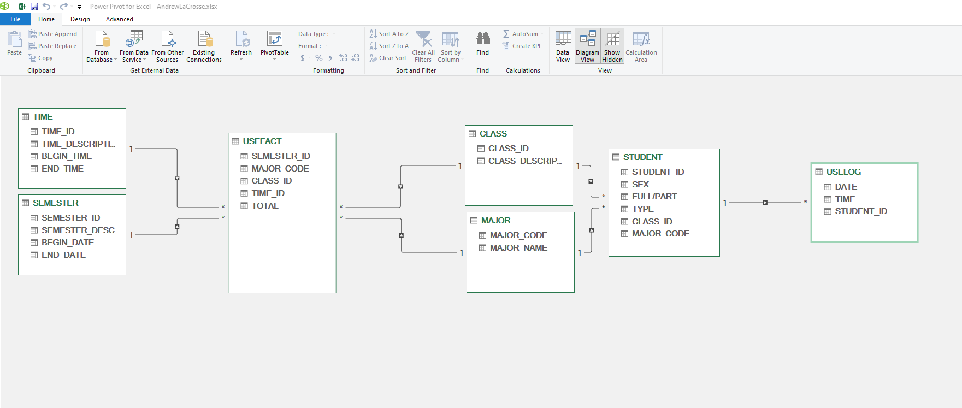
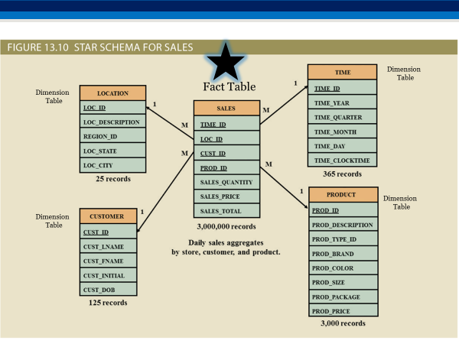
Create the Snowflake Schema using Figure 13.10 as a reference (page 615 of our textbook - or slide #10 or #11 of our PowerPoint lecture)
Your data model needs to be created inside Microsoft Excel Data Manager

Create your Snowflake Schema using Excel's data model. Take a picture of the screen by using Excel, "Take a Screenshot". Click on Insert of the Menu, in the Illustrations grouping, click on the icon for Take a Screen shot
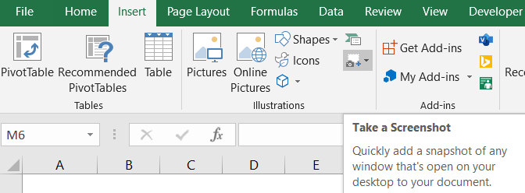
Windows Users:
Try the Windows log key + Shift + S

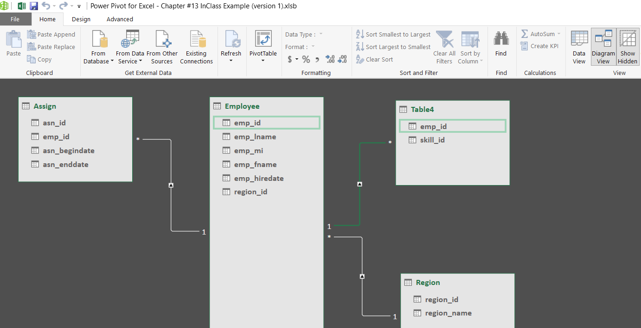
 | Below is the example from our class time together: Please delete and replace your image. YOU MUST USE ALL EXISTING TABLES!
 |  | My Snowflake Scheme:

Use for Step #8 & #10
#8 | Using PowerPivot with the Data Model, create a PowerPivot to answer one interesting question that you named in Step 2. (You must create a PowerPivot with multiple tables connected in your data model)
CLASS_DESCRIPTION | Junior
TIME_DESCRIPTION | Night

Row Labels | TOTAL USES
Fall 2023 | 512
Spring 2023 | 624
Grand Total | 1,136

#10 | Remember to give your Pivot Chart a title. A title must explain what the user is visualizing.
Computer Lab Uses Per Semester by Juniors at Night

