Output Page
RU-Fit™ - Training/Rehab

 | Test ID: | 0 |  |  |  | Summary: |  | Left: | Right:
 | Gender: | 0 | Optional ID: |  |  | Coordination: |  | #DIV/0! | #DIV/0!
 | Age: | 0 | 0 |  |  | RG Reaction: |  | Faster | Faster
 | Dominant Hand: | 0 |  |  |  | RGY Reaction: |  | Faster | Faster
 | Test Date: | 0 |  | 0:00:00 | 0 | React Var: |  | #DIV/0! | #DIV/0!

FAsT™: Fitness Assessment Test
Motor Coordination
 | RG | RGY
Left | 0% | 0%
Right | 0% | 0%
Sensory Coordination
 | RG | RGY
Left | 0% | 0%
Right | 0% | 0%
Measured fitness is compared to the "normal", non-injured response. 100% implies patterns are consistent with a normal response.
RG = 2 color first test
RGY = 3 color second test

RGY-Reaction Time (ms)
 | high | low | 3S reaction
 | 393 | 263
Left | 393 | 263 | 0.0
Right | 393 | 263 | 0.0
 | 393 | 263
RG-Reaction Time (ms)
 | high | low | 2 S reaction
 | 316 | 220
Left | 316 | 220 | 0.0
Right | 316 | 220 | 0.0
 | 316 | 220
Measured reaction times are compared to expected averages +/- two standard deviations for the general population. Results below the average bar are faster than normal reaction times.

Reaction Variance
 | RG | RGY
Left | 0% | 0%
Right | 0% | 0%
The reaction variance compares the interdigital differences between 2 symbol and 3 symbol tests. 100% implies a normal response.
 |  |  |  |  |  |  |  | Cognitive Reaction

 |  |  |  |  |  |  | Left | 0 | ms
 |  |  |  |  |  |  | Right | 0 | ms
The cognitive reaction time is the time it takes to react to the third symbol in the second test.

RUFIT 1.0.1 |  |  |  |  |  |  |  |  | RU-Fit SN: | no match
The results of these biomechanical screening tests provide a measure of the functionality capabilities of the test subject based on numerical patterns. The results derived from this screen are intended as an indication of functionality performance only. No medical diagnosis is intended or implied. The higher the Normal Probability score, the greater the probability that the person exhibits patterns consistent with normal hand functionality.

Red Oak Instruments, LLC
(O) 281-385-9951 21218 Kingsland Blvd, Katy, TX 77450 6140 Hwy 6 #225, Missouri City, TX 77459

 | Head Impact Trauma Screen: Analysis

The applied forces exerted by the thumb, index and small fingers are displayed below as a function of the elapsed time during the tests. The test is asymmetric, requiring the participant to squeeze and hold the sensor for two seconds, then relax for one second. This is repeated for 60 seconds, collecting 20 pulses for each hand, twice. Each finger/thumb is measured simultaneously using independent load cells.
The first graph represents the data expected for a normal functioning hand. Some of the traits which are tested during the analysis are:
Is the baseline steady?
Does the applied force show a uniform fatigue rate? (poor exertion by the subject results in a flat decay rate)
Are the pulse shapes uniform?
Are the pulse onset times uniform?

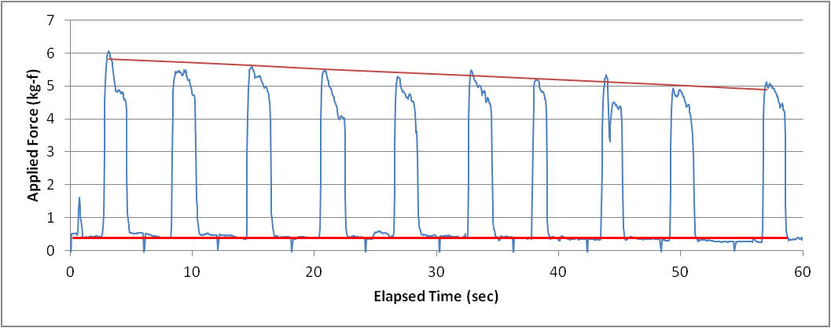
Fatigue slope
Baseline

Individual pulses may be reviewed as shown here. The plot to the left represents a single pulse created by the thumb, index and small fingers at a given time segment. The cross plot to the right represents the coordination exhibited by the paired combinations: thumb - index, index -small, and thumb - small forces. The graphs should be smooth and uniform.

0 |  |  |  |  |  |  |  | 0
Left Hand - 2 Symbol
 | left hand | Fatigue

Pulse 3
Pulse 7

Every 50th point plotted

Fatigue Fraction: |  | 0.0%
Left Pulse 3
 | Thumb | Index | Small
Left Pulse 3
 | T-I | I-S | T-S

Every 20th point plotted Every 20th point plotted

Left Pulse 7
 | Thumb | Index | Small
Left Pulse 7
 | T-I | I-S | T-S

Every 20th point plotted Every 20th point plotted

0 |  |  |  |  |  |  |  | 0
Right Hand - 2 Symbol
 | Right Hand | Fatigue

Pulse 3
Pulse 7

Every 50th point plotted

Fatigue Fraction: |  | 0.0%
Right Pulse 3
 | Thumb | Index | Small
Right Pulse 3
 | T-I | I-S | T-S

Every 20th point plotted Every 20th point plotted

Right Pulse 7
 | Thumb | Index | Small
Right Pulse 7
 | T-I | I-S | T-S

Every 20th point plotted Every 20th point plotted

0 |  |  |  |  |  |  |  | 0
Left Hand - 3 Symbol
 | left hand | Fatigue

Pulse 3
Pulse 7

Every 50th point plotted

Fatigue Fraction: |  | 0.0%
Left Pulse 3
 | Thumb | Index | Small
Left Pulse 3
 | T-I | I-S | T-S

Every 20th point plotted Every 20th point plotted

Left Pulse 7
 | Thumb | Index | Small
Left Pulse 7
 | T-I | I-S | T-S

Every 20th point plotted Every 20th point plotted

0 |  |  |  |  |  |  |  | 0
Right Hand - 3 Symbol
 | Right Hand | Fatigue

Pulse 3
Pulse 7

Every 50th point plotted

Fatigue Fraction: |  | 0.0%
Right Pulse 3
 | Thumb | Index | Small
Right Pulse 3
 | T-I | I-S | T-S

Every 20th point plotted Every 20th point plotted

Right Pulse 7
 | Thumb | Index | Small
Right Pulse 7
 | T-I | I-S | T-S

Every 20th point plotted Every 20th point plotted
Every 20th point plotted Every 20th point plotted

