PRS-Internal
 |  | Histopathology Service Request Form
Pathology Research Services Laboratory |  |  |  |  | UW- Internal Rates

Requested By: | Matt George |  | PI's Name: | Steven Roberts
Phone Number: | 4253285141 |  | Email: | mngeorge@uw.edu
Budget Number: | 62-2795 |  | Date Submitted: | 2021-09-13 | Done:

Specimen Type Submitted:
 | Fixed (submitted in 70% ethanol) |  | Paraffin Block(s) |  | Mouse tissue
 | Fixed (submitted in formalin) |  | Frozen Block(s) |  | Human tissue
 | Fixed, already in cassettes |  | Slides |  | Other: | PAXgene Stabilizer
Services Requested:
Histology: | Cassette……..……….….......$6.70 |  | Process & Embed >50 blocks……...…$5.80 |  |  | Number of Samples
 | Process & Embed ……... $10.70 |  |  |  |  | 6
C
 | Cut Block- paraffin….....$12.00 frozen…..$18.70

__________ | Total number of unstained slides requested per block….. $3.75

Cut & Stain | H&E……..…....$6.50 | Oil Red O………......$6.50 |  | Jone's Silver.....$46.70 |  | TUNEL…......$56.20
 | PAS………..... $16.30 | Alizarin, Alcian……$6.50 |  | MOVATs…….....$46.70 |  | IHC/IF….…...$22.40
 | Trichrome….$16.30 | Picrosirius Red....$16.30 |  | Other:…inquire for $ |  | Batch IHC..$473.30
 | Tech time….$66.40/hr______

Consumables: | Slide Tray (20) or Large box (100 slides)…..$15 |  |  | Small box (25 slides)…..$5

Specimen ID's (to be printed on cassettes & slides): |  |  | Special Instructions:
1. gigas_gonad_D01-04 |  |  | 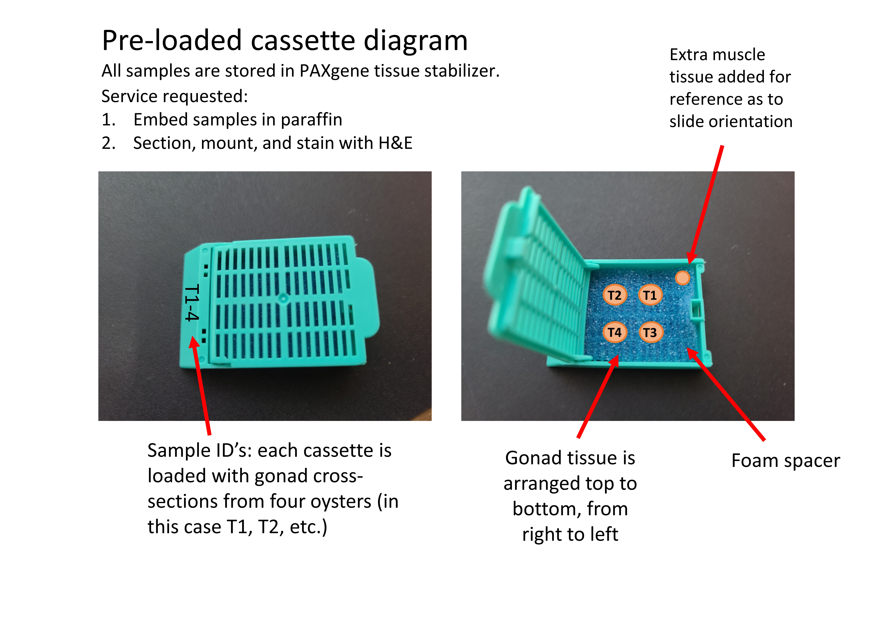 Please tell us what you want us to do with your samples, include details about orientation etc, attach sheets if needed:
2. gigas_gonad_D05-08
3. gigas_gonad_D09-12
4. gigas_gonad_T01-04
5. gigas_gonad_T05-08
6. gigas_gonad_T09-12
7.
8.
9.
10.
11.
12.
13.
14.
15.
16. |  |  | Billing summary:
17.
18.
19.
20.
21.
22.
23.
24.
25.

