PRS-Internal
 |  | Histopathology Service Request Form
Pathology Research Services Laboratory |  |  |  |  | UW- Internal Rates

Requested By: | Matt George |  | PI's Name: | Steven Roberts
Phone Number: | 4253285141 |  | Email: | mngeorge@uw.edu
Budget Number: | 62-2795 |  | Date Submitted: | 2022-01-24 | Done:

Specimen Type Submitted:
 | Fixed (submitted in 70% ethanol) |  | Paraffin Block(s) |  | Mouse tissue
 | Fixed (submitted in formalin) |  | Frozen Block(s) |  | Human tissue
 | Fixed, already in cassettes |  | Slides |  | Other: | PAXgene Stabilizer
Services Requested:
Histology: | Cassette……..……….….......$6.70 |  | Process & Embed >50 blocks……...…$5.80 |  |  | Number of Samples
 | Process & Embed ……... $10.70 |  |  |  |  | 37
C
 | Cut Block- paraffin….....$12.00 frozen…..$18.70

__________ | Total number of unstained slides requested per block….. $3.75

Cut & Stain | H&E……..…....$6.50 | Oil Red O………......$6.50 |  | Jone's Silver.....$46.70 |  | TUNEL…......$56.20
 | PAS………..... $16.30 | Alizarin, Alcian……$6.50 |  | MOVATs…….....$46.70 |  | IHC/IF….…...$22.40
 | Trichrome….$16.30 | Picrosirius Red....$16.30 |  | Other:…inquire for $ |  | Batch IHC..$473.30
 | Tech time….$66.40/hr______

Consumables: | Slide Tray (20) or Large box (100 slides)…..$15 |  |  | Small box (25 slides)…..$5

Specimen ID's (to be printed on cassettes & slides): |  |  | Special Instructions:
1. gigas_gonad_X45-X48 |  |  | 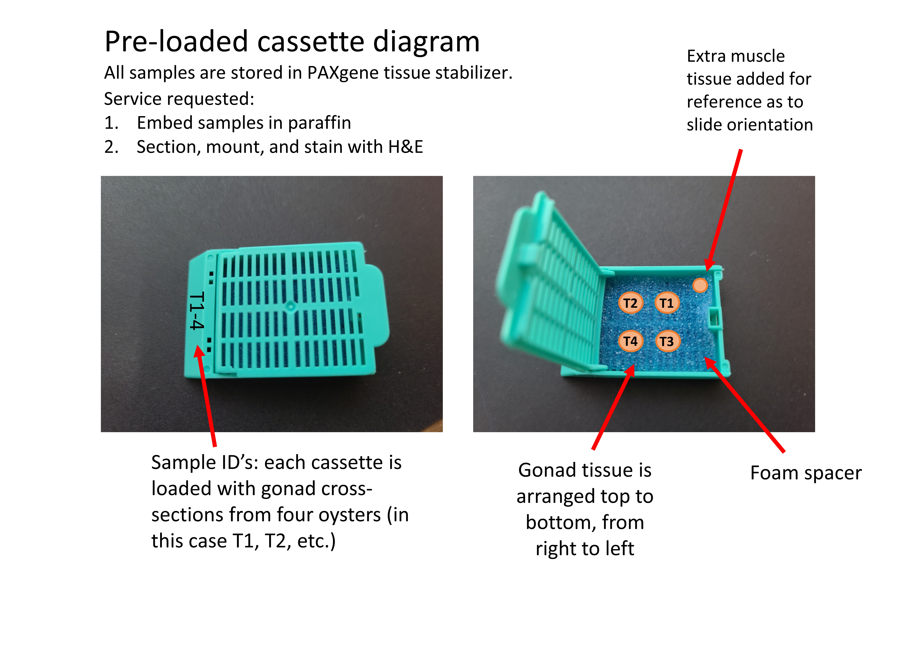 Please tell us what you want us to do with your samples, include details about orientation etc, attach sheets if needed:
2. gigas_gonad_T55-T58
3. gigas_gonad_N56-59
4. gigas_gonad_N52-55
5. gigas_gonad_N48-51
6. gigas_gonad_M89-90;T61-62
7. gigas_gonad_D58-59;T59-60
8. gigas_gonad_D54-57
9. gigas_gonad_M45-46;M48-49
10. gigas_gonad_N44-47
11. gigas_gonad_M47;N41-43
12. gigas_gonad_M41-44
13. gigas_gonad_X42-44;R78
14. gigas_gonad_R47-48,50;X41
15. gigas_gonad_R41-43,46
16. gigas_gonad_R59-62 |  |  | Billing summary:
17. gigas_gonad_R55-58
18. gigas_gonad_R51-54
19. gigas_gonad_M56-59
20. gigas_gonad_M52-55
21. gigas_gonad_M60-63
22. gigas_gonad_X58-59
23. gigas_gonad_X49-52
24. gigas_gonad_X53-56
25. gigas_gonad_X57,60,62,64
26. gigas_gonad_X36-38,40
27. gigas_gonad_X23,30-31,33
28. gigas_gonad_X24,26-28
29. gigas_gonad_N77-80
30. gigas_gonad_N34,39-40,76
31. gigas_gonad_N35-38
32. gigas_gonad_R63-65,67
33. gigas_gonad_R68-71
34. gigas_gonad_R72-74,76
35. gigas_gonad_N70,73-75
36. gigas_gonad_N60,63-65
37. gigas_gonad_N66-69

