PRISMA diagram
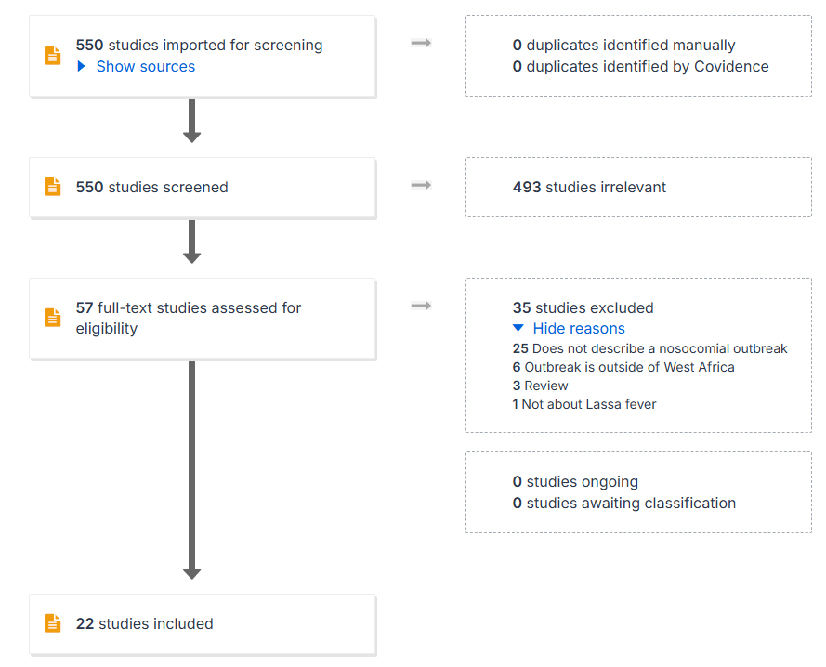
PRISMA diagram from Covidence showing the reasons for excluding full-text studies:

