Performance Dashboard
ALGORITHMIC BACKTEST REPORT: SMA CROSSOVER (EURJPY)

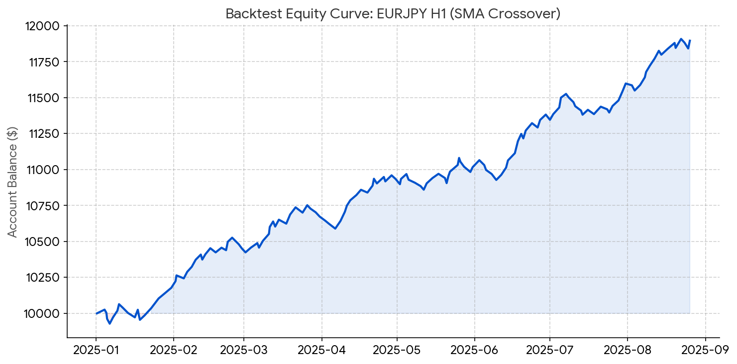
Initial Deposit | $10,000.00
Total Trades | 142
Net Profit | $1,896.44
Win Rate | 57.7%
Profit Factor | 2.05
Max Drawdown | 1.5%

