INTAKE
Pooled Optimizer
Complete cells with a white background.
DEVSALE_FIRST_NAME DEVSALE_LAST_NAME
SECTION 1 |  |  |  |  |  |  |  |  |  | SECTION 2 |  |  |  |  | SECTION 3
Account Legal Name: |  |  | Affinity Development Group, Inc. |  |  |  | SIC: | 8699 |  | Total EEs: |  | 213 |  |  | Due Date: | 2017-10-03
Account Name DBA: |  |  |  |  |  |  | Load: | 1.1 |  | Enrolled EEs: |  | 186
Effective Date: |  |  | 2018-01-01 |  |  |  | ZIP: | 92121 |  | Valid Waivers: |  |  |  |  | 5-Year Carrier History
Sales Executive: |  |  | DEVSALE_FIRST_NAME DEVSALE_LAST_NAME |  |  |  |  |  |  | Invalid Waivers: |  | 27 |  |  | 1 | HEALTHNET
SAR-NB / SA-SAE: |  |  | DEVPRESALE_FIRST_NAME DEVPRESALE_LAST_NAME |  |  |  |  |  |  | No. of COBRA: |  |  |  |  | 2 | HEALTHNET
Spec. Sales Executive: |  |  | Conor Brumfield |  |  |  |  |  |  |  |  |  |  |  | 3 | HEALTHNET
Brokerage Name: |  |  | LOCKTON |  |  |  | BOR? | Yes |  | UW REVIEW?: |  | Select One |  |  | 4 | HEALTHNET
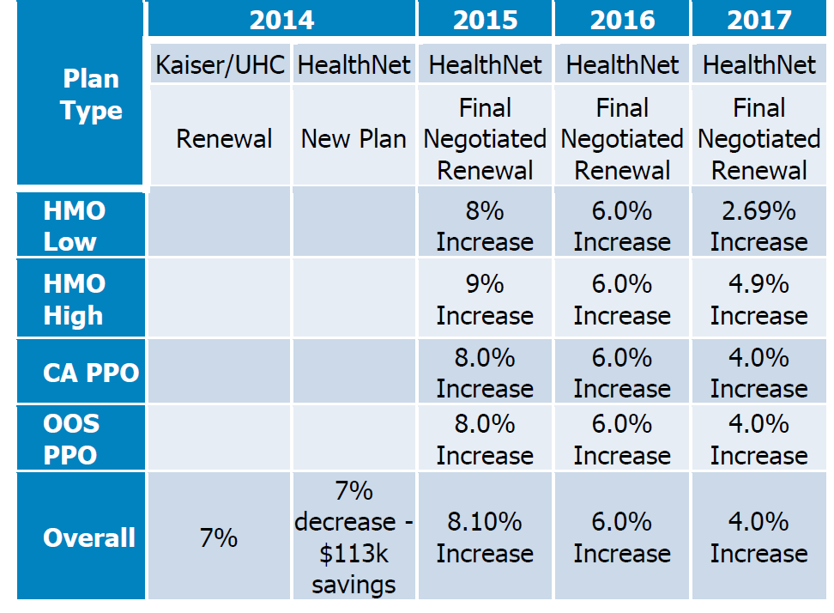
Co-Brokerage/Producer Name: |  |  |  |  |  |  |  |  |  |  |  |  |  |  | 5 | UHC/KAISER

SECTION 4: CURRENT PLANS, BENEFITS AND RATES
NUMBER OF PLANS: |  | 4 |  | EMPLOYER CONTRIBUTIONS |  | NUMBER OF TIERS TO QUOTE: |  |  |  | 4 |  | BENEFITS
Carrier | Plan Type | Plan Name |  | EE | DEP | RATES | EE | ES | EC | EF | Total EEs | Deductible | OOP | OV/SP Copay | In Hospital | Outpatient Hospital | Rx
HEALTHNET | SHMO | HMO (SMART CARE) |  | 99% | 0% | Current: | $485.61 | $1,165.43 | $849.78 | $1,481.06 | 116 | 0 | 3.5X2 | $30 | $250XDAY 3 DAY | $250 | $15 / $30 / $50 ($100 Brand Name Ded.)
 |  |  |  |  |  | Enrolled: | 79 | 11 | 14 | 12
HEALTHNET | THMO | HMO - FULL |  | BUY | 0% | Current: | $686.00 | $1,646.38 | $1,200.50 | $2,073.76 | 43 | 0 | 2X2 | $20 | $500 | $500 | $15 / $30 / $50
 |  |  |  |  |  | Enrolled: | 23 | 2 | 7 | 11
HEALTHNET | PPO | PPO |  | BUY | 0% | Current: | $1,047.30 | $2,513.54 | $1,832.80 | $3,194.29 | 9 | 500X3 | 2X2/6X2oon | $30 | 10%/30%oon | 10%/30%oon | $10 / $25 / $40
 |  |  |  |  |  | Enrolled: | 1 | 3 | 2 | 3
HEALTHNET | PPO | PPO -OOS |  | BUY | 0% | Current: | $852.18 | $2,045.20 | $1,491.29 | $2,599.10 | 18 | 500X3 | 2X2/6X2oon | $30 | 10%/30%oon | 10%/30%oon | $10 / $25 / $40
 |  |  |  |  |  | Enrolled: | 5 | 4 | 2 | 7
 |  |  |  |  |  |  |  |  |  | TOTAL EMPLOYEES: | 186

SECTION 5: MEDICAL QUOTING OPTIONS ** MAXIMUM 4 OPTIONS |  |  |  |  |  |  |  |  |  |  |  | SECTION 6: COMMENTS TO UW
Medical Commission: |  |  | 4.0% |  |  |  |  |  |  |  |  |  |  |  |  |  | UW Approval Not Required
Printed Quote Option: |  |  | All Quote Options |  |  |  |  |  |  |  |  | Additional Information (not required):
Kaiser or SIMNSA: |  |  | Total Takeover |  |  |  | Broker Contact Email for Benrevo Quote:
BenRevo Quote: |  |  | No |  |  |  | lemdy.orakwue+optimizerTest2@benrevo.com

Standalone
Dual
Triple |  |  | t-hmo/s-hmo/ppo
Quad |  |  | t-hmo/s-hmohigh- low ppo
Other/Notes: |  |  |  |  |  |  |  |  |  |  |  | SECTION 8: PARTICIPATION CALCULATIONS
OPTIONS: HMOs: THMO, SHMO, PSHMO,VIVITY; PPOs: PPO, SOL, EPO, CDHP, BCE; EQ; AHM or ABF (see tabs) |  |  |  |  |  |  |  |  |  |  |  | Total Eligible Employees Including Declinations |  |  |  |  | 213
SECTION 7: SPECIALTY QUOTING OPTIONS |  |  |  |  |  |  |  |  |  |  |  | Recognized Opt Outs* |  |  |  |  | 0
Plan | Select One |  |  | EMPLOYER CONTRIBUTIONS |  | Commission |  | Please Also Quote |  |  |  | Net-Eligibles |  |  |  |  | 213
 |  |  |  | EE | DEP |  |  |  |  |  |  | Non-Kaiser Enrollment* |  |  |  |  | 186
Dental |  |  |  |  |  |  |  |  |  |  |  | Kaiser Enrollment
Vision |  |  |  |  |  |  |  |  |  |  |  | Total Enrollment |  |  |  |  | 186
Life/Disability |  |  |  |  |  |  |  |  |  |  |  | Kaiser as a % of Total Enrolled |  |  |  |  | 0%
 |  |  |  |  |  |  |  |  |  |  |  | Participation based on total Eligibles |  |  |  |  | 87%
SECTION 8: LIFE & DISABILITY QUOTE REQUEST (COPY/PASTE, EMAIL TO LIFE UW) |  |  |  |  |  |  |  |  |  |  |  | Participation based on Net Eligibles |  |  |  |  | 87%
Life/Disability Quote Request
Sales Executive: |  |  | DEVSALE_FIRST_NAME DEVSALE_LAST_NAME |  |  |  |  |  |  |  |  |  |  |  | HMO |  | PPO
Spec. Sales Executive: |  |  | Conor Brumfield |  |  |  |  |  |  |  |  | Kaiser Replacement Adjustment
Effective Date: |  |  | 2018-01-01 |  |  |  |  |  |  |  |  | Participation Adjustment |  |  | 1.00 |  | 1.00
Due Date: |  |  | 10/3/17 |  |  |  |  |  |  |  |  | Kaiser Adjustment |  |  | 1.00 |  | 1.00
SIC: |  |  | 8699 |  |  |  |  |  |  |  |  | Total Adjustment |  |  | 1.00 |  | 1.00
Case Zip: |  |  | 92121 |  |  |  |  |  |  |  |  | FIRST - Adjustment Factor Load |  |  | 0.0% |  | 0.0%
Brokerage Name: |  |  | LOCKTON |  |  |  |  |  |  |  |  | Alongside Kaiser Adjustment
Please Quote: |  |  | Life-SEE RFP |  |  |  |  |  |  |  |  | Participation Adjustment |  |  | 1.00 |  | 1.00
Commission: |  |  | 0.00% |  |  |  |  |  |  |  |  | Kaiser Adjustment |  |  | 1.00 |  | 1.00
Census Password: |  |  |  |  |  |  |  |  |  |  |  | Total Adjustment |  |  | 1.00 |  | 1.00
 |  |  |  |  |  |  |  |  |  |  |  | FIRST - Adjustment Factor Load |  |  | 0.0% |  | 0.0%

