BettingPatterns
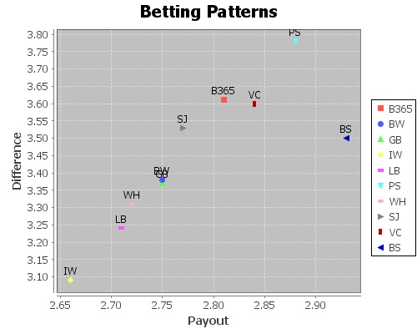
Betting Site | Difference | Payout | D/P Ratio
B365 | 3.62 | 2.81 | 1.97
BW | 3.38 | 2.75 | 1.85
GB | 3.38 | 2.75 | 1.85
IW | 3.10 | 2.66 | 1.72
LB | 3.24 | 2.71 | 1.78
PS | 3.78 | 2.89 | 2.03
WH | 3.32 | 2.72 | 1.81
SJ | 3.54 | 2.78 | 1.96
VC | 3.61 | 2.84 | 1.95
BS | 3.50 | 2.94 | 1.81

BettingPatternsTeamWise
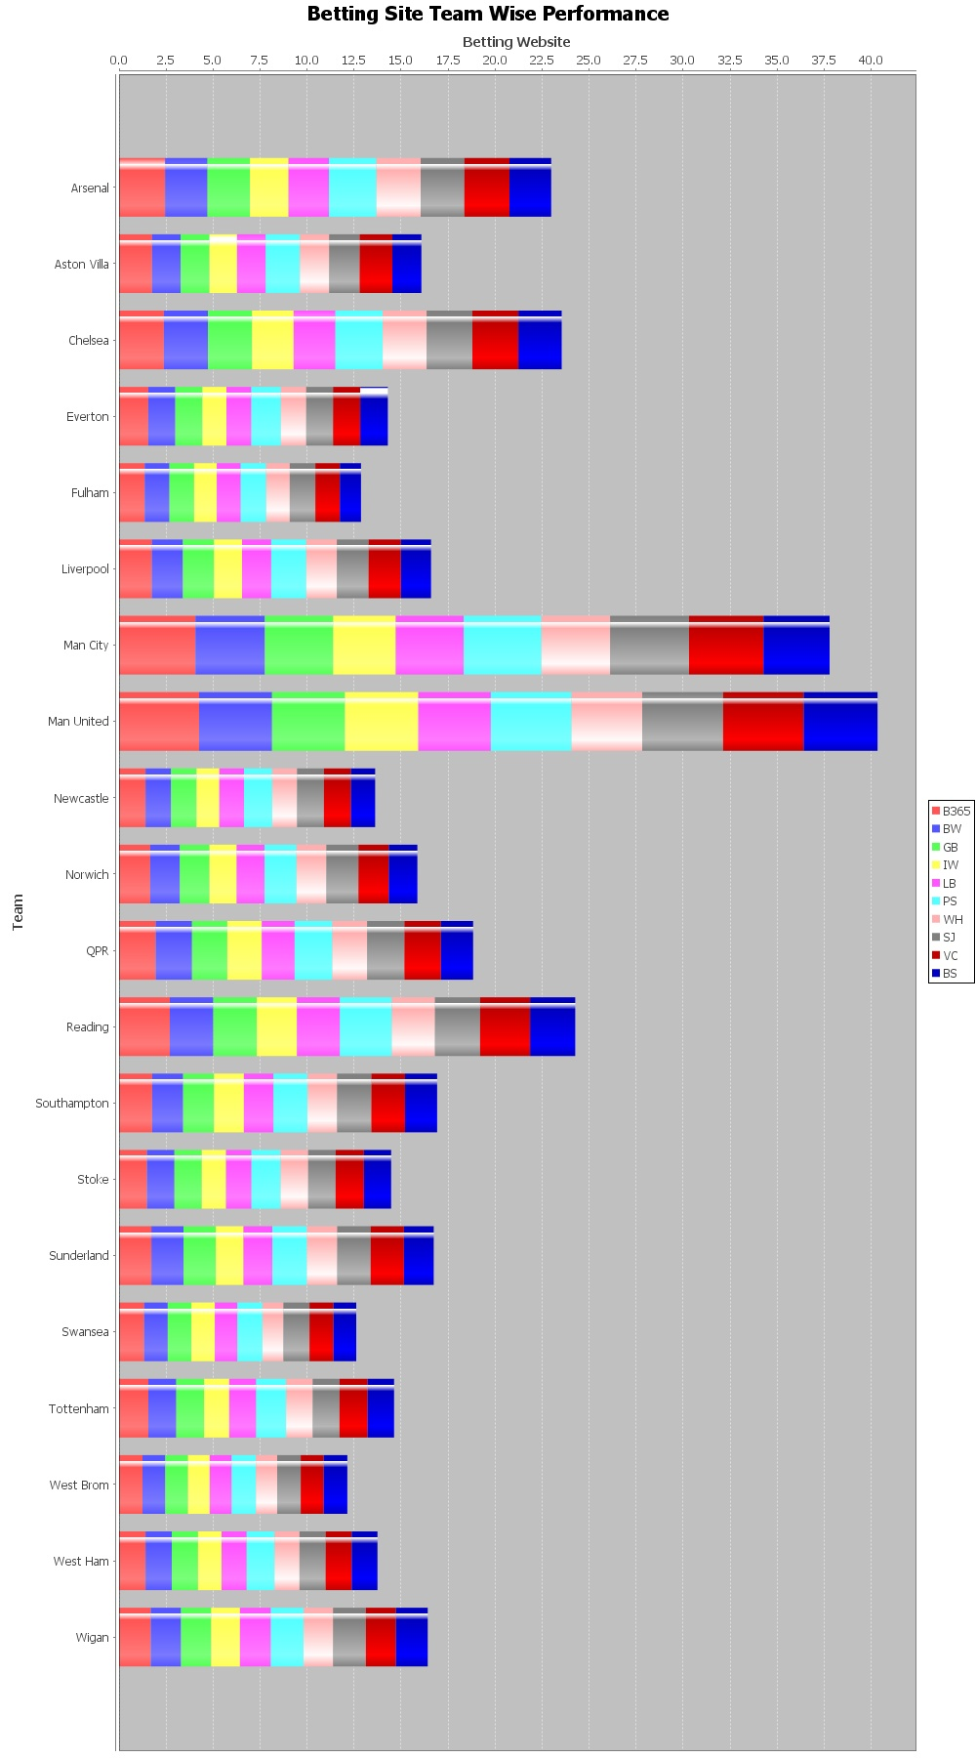
Team | Betting Site | Difference | Payout | D/P Ratio
Arsenal | B365 | 4.28 | 2.59 | 2.44
Arsenal | BW | 3.99 | 2.55 | 2.26
Arsenal | GB | 3.99 | 2.55 | 2.26
Arsenal | IW | 3.61 | 2.47 | 2.05
Arsenal | LB | 3.84 | 2.54 | 2.15
Arsenal | PS | 4.47 | 2.67 | 2.52
Arsenal | WH | 4.10 | 2.51 | 2.36
Arsenal | SJ | 4.10 | 2.61 | 2.32
Arsenal | VC | 4.28 | 2.66 | 2.40
Arsenal | BS | 3.87 | 2.53 | 2.21
Aston Villa | B365 | 3.30 | 2.83 | 1.75
Aston Villa | BW | 2.99 | 2.79 | 1.53
Aston Villa | GB | 2.99 | 2.79 | 1.53
Aston Villa | IW | 2.78 | 2.71 | 1.47
Aston Villa | LB | 2.94 | 2.76 | 1.52
Aston Villa | PS | 3.51 | 2.92 | 1.82
Aston Villa | WH | 2.97 | 2.74 | 1.55
Aston Villa | SJ | 3.10 | 2.82 | 1.62
Aston Villa | VC | 3.32 | 2.87 | 1.74
Aston Villa | BS | 3.00 | 2.80 | 1.54
Chelsea | B365 | 4.59 | 2.95 | 2.38
Chelsea | BW | 4.36 | 2.87 | 2.34
Chelsea | GB | 4.36 | 2.87 | 2.34
Chelsea | IW | 3.99 | 2.73 | 2.22
Chelsea | LB | 4.12 | 2.81 | 2.22
Chelsea | PS | 4.86 | 3.07 | 2.51
Chelsea | WH | 4.41 | 2.86 | 2.34
Chelsea | SJ | 4.54 | 2.94 | 2.43
Chelsea | VC | 4.63 | 2.93 | 2.45
Chelsea | BS | 4.30 | 2.84 | 2.31
Everton | B365 | 3.24 | 2.88 | 1.55
Everton | BW | 2.99 | 2.82 | 1.44
Everton | GB | 2.99 | 2.82 | 1.44
Everton | IW | 2.62 | 2.73 | 1.28
Everton | LB | 2.76 | 2.78 | 1.33
Everton | PS | 3.33 | 2.95 | 1.57
Everton | WH | 2.83 | 2.77 | 1.35
Everton | SJ | 2.93 | 2.82 | 1.43
Everton | VC | 3.09 | 2.92 | 1.45
Everton | BS | 2.96 | 2.77 | 1.46
Fulham | B365 | 2.82 | 2.88 | 1.36
Fulham | BW | 2.71 | 2.79 | 1.32
Fulham | GB | 2.71 | 2.79 | 1.32
Fulham | IW | 2.43 | 2.70 | 1.20
Fulham | LB | 2.64 | 2.76 | 1.27
Fulham | PS | 2.90 | 2.94 | 1.36
Fulham | WH | 2.64 | 2.79 | 1.25
Fulham | SJ | 2.78 | 2.83 | 1.36
Fulham | VC | 2.79 | 2.90 | 1.31
Fulham | BS | 3.34 | 3.75 | 1.12
Liverpool | B365 | 3.70 | 3.11 | 1.74
Liverpool | BW | 3.45 | 3.03 | 1.65
Liverpool | GB | 3.45 | 3.03 | 1.65
Liverpool | IW | 3.08 | 2.87 | 1.49
Liverpool | LB | 3.23 | 2.92 | 1.55
Liverpool | PS | 3.98 | 3.21 | 1.86
Liverpool | WH | 3.39 | 2.96 | 1.63
Liverpool | SJ | 3.55 | 3.03 | 1.69
Liverpool | VC | 3.70 | 3.15 | 1.72
Liverpool | BS | 3.41 | 3.03 | 1.61
Man City | B365 | 6.27 | 2.73 | 4.06
Man City | BW | 5.72 | 2.69 | 3.69
Man City | GB | 5.66 | 2.69 | 3.63
Man City | IW | 5.11 | 2.56 | 3.33
Man City | LB | 5.54 | 2.58 | 3.61
Man City | PS | 6.49 | 2.83 | 4.13
Man City | WH | 5.69 | 2.64 | 3.66
Man City | SJ | 6.32 | 2.68 | 4.20
Man City | VC | 6.19 | 2.76 | 3.95
Man City | BS | 6.43 | 3.66 | 3.52
Man United | B365 | 6.13 | 2.31 | 4.26
Man United | BW | 5.60 | 2.29 | 3.88
Man United | GB | 5.60 | 2.29 | 3.88
Man United | IW | 5.57 | 2.23 | 3.91
Man United | LB | 5.58 | 2.23 | 3.85
Man United | PS | 6.26 | 2.36 | 4.29
Man United | WH | 5.58 | 2.31 | 3.76
Man United | SJ | 6.16 | 2.27 | 4.31
Man United | VC | 6.22 | 2.34 | 4.28
Man United | BS | 6.57 | 3.22 | 3.93
Newcastle | B365 | 2.70 | 2.60 | 1.41
Newcastle | BW | 2.55 | 2.53 | 1.35
Newcastle | GB | 2.55 | 2.53 | 1.35
Newcastle | IW | 2.33 | 2.52 | 1.21
Newcastle | LB | 2.49 | 2.54 | 1.31
Newcastle | PS | 2.90 | 2.65 | 1.50
Newcastle | WH | 2.51 | 2.57 | 1.32
Newcastle | SJ | 2.70 | 2.58 | 1.43
Newcastle | VC | 2.76 | 2.63 | 1.44
Newcastle | BS | 2.48 | 2.55 | 1.29
Norwich | B365 | 3.46 | 3.13 | 1.66
Norwich | BW | 3.27 | 3.06 | 1.58
Norwich | GB | 3.27 | 3.06 | 1.58
Norwich | IW | 2.95 | 2.94 | 1.45
Norwich | LB | 3.05 | 2.99 | 1.48
Norwich | PS | 3.60 | 3.23 | 1.70
Norwich | WH | 3.22 | 3.01 | 1.59
Norwich | SJ | 3.45 | 3.10 | 1.71
Norwich | VC | 3.41 | 3.17 | 1.61
Norwich | BS | 3.15 | 3.03 | 1.52
QPR | B365 | 3.65 | 3.05 | 1.95
QPR | BW | 3.54 | 2.97 | 1.94
QPR | GB | 3.48 | 2.97 | 1.88
QPR | IW | 3.24 | 2.79 | 1.83
QPR | LB | 3.22 | 2.90 | 1.75
QPR | PS | 3.85 | 3.17 | 2.01
QPR | WH | 3.44 | 2.96 | 1.85
QPR | SJ | 3.62 | 3.02 | 1.99
QPR | VC | 3.60 | 3.04 | 1.94
QPR | BS | 4.21 | 3.94 | 1.72
Reading | B365 | 4.29 | 2.58 | 2.70
Reading | BW | 3.72 | 2.51 | 2.31
Reading | GB | 3.72 | 2.51 | 2.31
Reading | IW | 3.39 | 2.46 | 2.13
Reading | LB | 3.63 | 2.49 | 2.28
Reading | PS | 4.40 | 2.64 | 2.76
Reading | WH | 3.71 | 2.50 | 2.30
Reading | SJ | 3.85 | 2.55 | 2.40
Reading | VC | 4.22 | 2.61 | 2.66
Reading | BS | 3.77 | 2.52 | 2.40
Southampton | B365 | 3.46 | 3.02 | 1.76
Southampton | BW | 3.19 | 2.96 | 1.64
Southampton | GB | 3.19 | 2.96 | 1.64
Southampton | IW | 2.98 | 2.88 | 1.59
Southampton | LB | 3.03 | 2.94 | 1.58
Southampton | PS | 3.55 | 3.07 | 1.80
Southampton | WH | 3.10 | 2.87 | 1.58
Southampton | SJ | 3.41 | 2.98 | 1.82
Southampton | VC | 3.50 | 3.04 | 1.80
Southampton | BS | 3.29 | 2.95 | 1.70
Stoke | B365 | 2.92 | 2.73 | 1.48
Stoke | BW | 2.82 | 2.65 | 1.46
Stoke | GB | 2.82 | 2.65 | 1.46
Stoke | IW | 2.46 | 2.63 | 1.29
Stoke | LB | 2.62 | 2.65 | 1.35
Stoke | PS | 3.09 | 2.78 | 1.55
Stoke | WH | 2.83 | 2.62 | 1.47
Stoke | SJ | 2.85 | 2.69 | 1.46
Stoke | VC | 2.97 | 2.75 | 1.50
Stoke | BS | 2.78 | 2.67 | 1.45
Sunderland | B365 | 3.13 | 2.83 | 1.72
Sunderland | BW | 3.06 | 2.80 | 1.71
Sunderland | GB | 3.06 | 2.80 | 1.71
Sunderland | IW | 2.67 | 2.70 | 1.48
Sunderland | LB | 2.79 | 2.76 | 1.53
Sunderland | PS | 3.38 | 2.89 | 1.85
Sunderland | WH | 2.93 | 2.77 | 1.61
Sunderland | SJ | 3.19 | 2.81 | 1.78
Sunderland | VC | 3.24 | 2.88 | 1.77
Sunderland | BS | 2.87 | 2.76 | 1.58
Swansea | B365 | 2.80 | 3.03 | 1.33
Swansea | BW | 2.64 | 2.96 | 1.26
Swansea | GB | 2.64 | 2.96 | 1.26
Swansea | IW | 2.54 | 2.87 | 1.24
Swansea | LB | 2.58 | 2.95 | 1.20
Swansea | PS | 2.91 | 3.11 | 1.34
Swansea | WH | 2.41 | 2.91 | 1.11
Swansea | SJ | 2.85 | 2.99 | 1.39
Swansea | VC | 2.79 | 3.09 | 1.28
Swansea | BS | 2.59 | 2.95 | 1.21
Tottenham | B365 | 3.26 | 2.80 | 1.56
Tottenham | BW | 3.10 | 2.75 | 1.48
Tottenham | GB | 3.10 | 2.75 | 1.48
Tottenham | IW | 2.80 | 2.68 | 1.34
Tottenham | LB | 2.98 | 2.70 | 1.43
Tottenham | PS | 3.40 | 2.87 | 1.59
Tottenham | WH | 2.99 | 2.75 | 1.42
Tottenham | SJ | 3.04 | 2.79 | 1.43
Tottenham | VC | 3.23 | 2.85 | 1.50
Tottenham | BS | 2.95 | 2.73 | 1.40
West Brom | B365 | 2.63 | 2.86 | 1.24
West Brom | BW | 2.54 | 2.79 | 1.21
West Brom | GB | 2.54 | 2.79 | 1.21
West Brom | IW | 2.32 | 2.65 | 1.15
West Brom | LB | 2.41 | 2.73 | 1.17
West Brom | PS | 2.78 | 2.93 | 1.29
West Brom | WH | 2.38 | 2.78 | 1.13
West Brom | SJ | 2.60 | 2.80 | 1.25
West Brom | VC | 2.61 | 2.88 | 1.22
West Brom | BS | 2.58 | 2.78 | 1.26
West Ham | B365 | 2.72 | 2.69 | 1.41
West Ham | BW | 2.61 | 2.64 | 1.39
West Ham | GB | 2.61 | 2.64 | 1.39
West Ham | IW | 2.39 | 2.56 | 1.25
West Ham | LB | 2.55 | 2.62 | 1.34
West Ham | PS | 2.88 | 2.73 | 1.48
West Ham | WH | 2.52 | 2.61 | 1.33
West Ham | SJ | 2.64 | 2.62 | 1.38
West Ham | VC | 2.72 | 2.72 | 1.39
West Ham | BS | 2.60 | 2.62 | 1.37
Wigan | B365 | 2.96 | 2.63 | 1.69
Wigan | BW | 2.82 | 2.60 | 1.61
Wigan | GB | 2.82 | 2.60 | 1.61
Wigan | IW | 2.69 | 2.55 | 1.53
Wigan | LB | 2.85 | 2.58 | 1.64
Wigan | PS | 3.11 | 2.69 | 1.74
Wigan | WH | 2.75 | 2.57 | 1.57
Wigan | SJ | 3.04 | 2.64 | 1.75
Wigan | VC | 2.91 | 2.68 | 1.59
Wigan | BS | 2.93 | 2.60 | 1.70

