Chart
 | New Chip Introduced | Demand | Month
 | 0 | 3949 | 1
 | 0 | 3544 | 2
 | 0 | 6138 | 3
 | 0 | 7752 | 4
 | 1 | 10700 | 5
 | 0 | 7766 | 6
 | 0 | 5482 | 7
 | 0 | 8789 | 8
 | 1 | 13103 | 9
 | 0 | 7326 | 10
 | 0 | 8669 | 11
 | 0 | 7219 | 12
 | 0 | 7456 | 13
 | 0 | 9744 | 14
 | 1 | 14561 | 15
 | 0 | 8564 | 16
 | 0 | 12214 | 17
 | 1 | 19020 | 18
 | 0 | 14751 | 19
 | 0 | 14269 | 20
 | 0 | 14896 | 21
 | 0 | 15359 | 22
 | 0 | 16527 | 23
 | 0 | 17029 | 24

Thoughts
While the chart created by excel was satisfactory. I prefer these that I made with seaborn
I was unable to come up with a simple way to show the forecasts on the Excel plots.
Also, the regression results with python were identical to Excel.
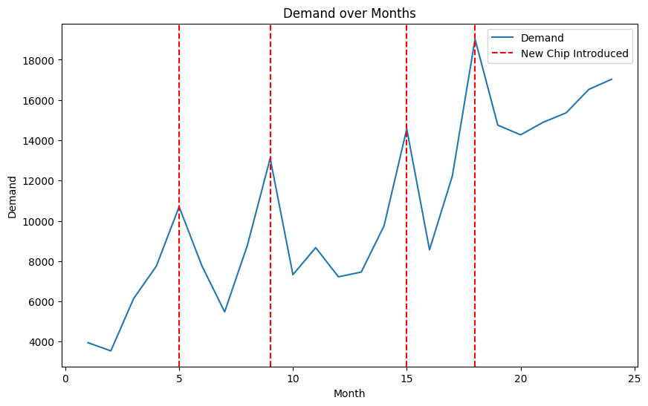
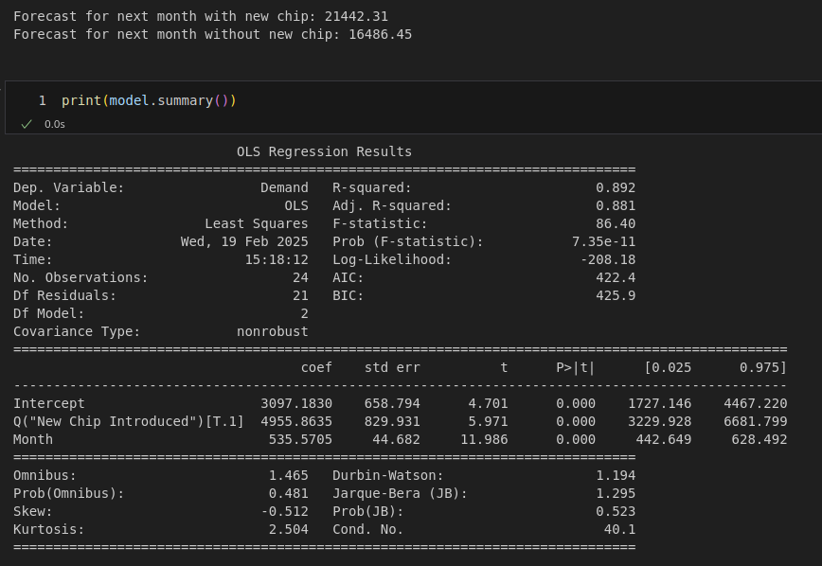

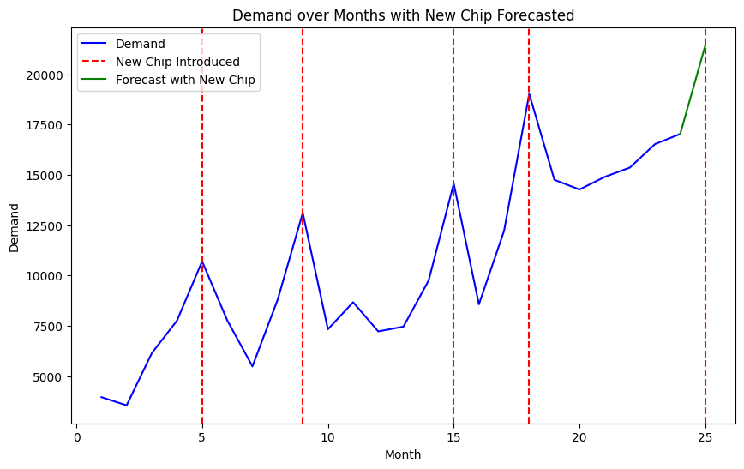

 | SUMMARY OUTPUT

 | Regression Statistics
 | Multiple R | 0.94426682886
 | R Square | 0.89163984409
 | Adjusted R Square | 0.88131982924
 | Standard Error | 1513.4593946
 | Observations | 24
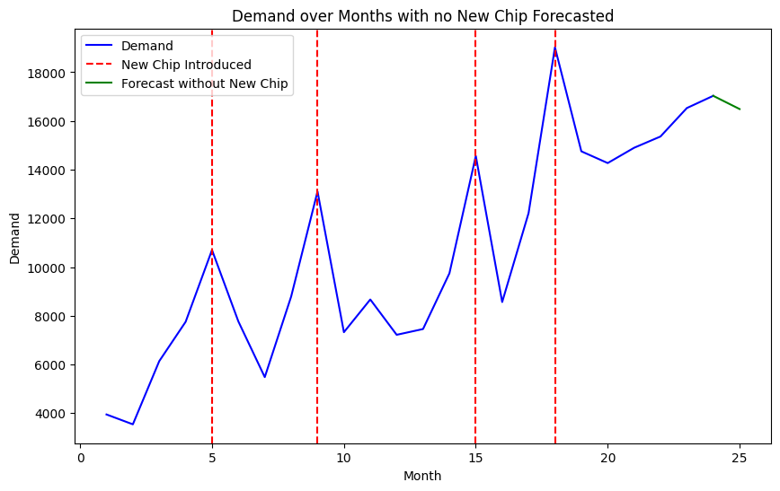
 | ANOVA
 |  | df | SS | MS | F | Significance F
 | Regression | 2 | 395804463.84 | 197902231.92 | 86.399085386 | 7.3473549811E-11
 | Residual | 21 | 48101746.12 | 2290559.3391
 | Total | 23 | 443906209.96

 |  | Coefficients | Standard Error | t Stat | P-value | Lower 95% | Upper 95% | Lower 95.0% | Upper 95.0%
 | Intercept | 3097.1830058 | 658.79388719 | 4.7012928717 | 0.00012169091778 | 1727.1461171 | 4467.2198944 | 1727.1461171 | 4467.2198944
 | Month | 535.57051338 | 44.681966307 | 11.986278977 | 7.4368820096E-11 | 442.64927764 | 628.49174912 | 442.64927764 | 628.49174912
 | New Chip Introduced | 4955.863462 | 829.93068927 | 5.9714184885 | 6.3059520282E-06 | 3229.9281105 | 6681.7988136 | 3229.9281105 | 6681.7988136

 | Demand if New Chip |  | 21442.309302
 | Demand if no New Chip |  | 16486.44584

