Decision Rule
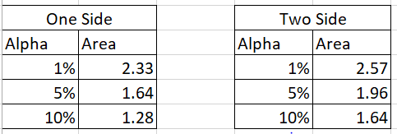
Method 1 ( used on pen paper only ) |  | Method 2 ( Software )
Decision Rule Matrix |  | Decision Rule Matrix |  | Level of Significance ( Error )
Rule | Decision | Rule | Decision | Alpha | Confidence Interval
Fcal > = Ftab | we reject ho | p-value <= Alpha | we reject ho | 1% | 99%
Fcal < Ftab | we do not Reject ho | p-value > Alpha | we do not Reject ho | 5% | 95%
 |  |  |  | 10% | 90%
 |  | To find Confidence interval

