Lab_Sandbox
Liquidity-Adjusted Stochastic DCF Sandbox — base configuration
Mirrors POST /api/ch01/sandbox | engine seed 20260100, M = 20,000, antithetic variates

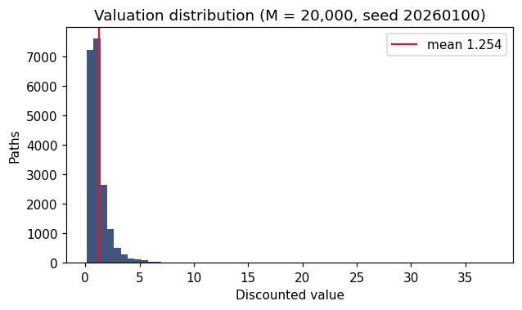
Inputs |  | Valuation distribution (engine)
kappa (CF mean reversion) | 0.8 | Mean | 1.253686
c-bar (CF level) | 0.12 | MC standard error | 0.008413
sigma_c | 0.15 | Std dev | 1.189832
c0 | 0.1 | Q01 | 0.279126
a (OU speed) | 0.35 | Q05 | 0.394052
b (OU level) | 0.04 | Q25 | 0.654093
sigma_r | 0.012 | Q50 | 0.946936
r0 | 0.03 | Q75 | 1.420414
lambda (price of risk) | 0.35 | Q95 | 3.044657
rho (corr) | 0.2 | Q99 | 5.949667
eta (exit intensity) | 0.18
exit multiple m | 8 | Report the distribution, not the mean: the dispersion is the economics (LOS 1.7).
nu I->Liq | 1.5
nu Liq->I | 0.5
delta(Liq) | 0.02
delta(Illiq) | 0.15
T (years) | 12
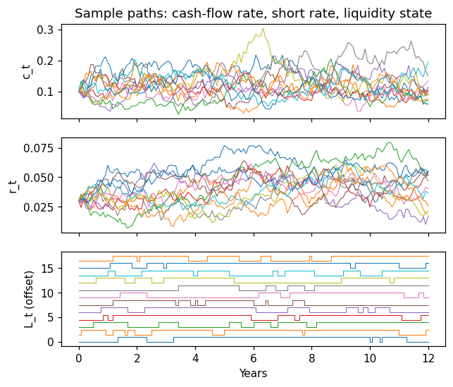
dt (years) | 0.083333

Ex_1_10_Decomposition
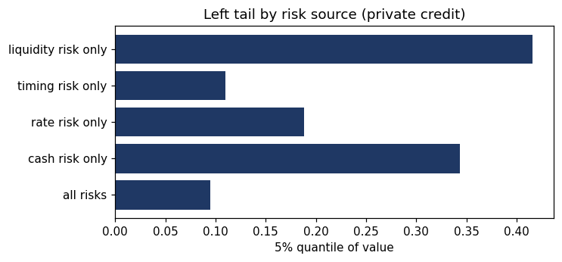
Exercise 1.10 — risk-source decomposition, private-credit template (isolated mode)
Mirrors POST /api/ch01/decomposition?mode=isolated | identical seeds across rows (input freezing)

Configuration | Mean | SE | Std | Q01 | Q05 | Q25 | Q50 | Q75 | Q95 | Q99
all risks | 0.38739 | 0.00283 | 0.39992 | 0.07162 | 0.09457 | 0.16562 | 0.27045 | 0.46337 | 1.0542 | 1.99897
cash risk only | 0.41959 | 0.00035 | 0.04891 | 0.31853 | 0.34364 | 0.38566 | 0.4169 | 0.45048 | 0.5047 | 0.54433
rate risk only | 0.42395 | 0.00152 | 0.21509 | 0.14716 | 0.18815 | 0.2783 | 0.37306 | 0.5106 | 0.83217 | 1.18042
timing risk only | 0.38617 | 0.0017 | 0.24016 | 0.09546 | 0.10992 | 0.18796 | 0.32341 | 0.52905 | 0.9307 | 0.9307
liquidity risk only | 0.41905 | 0.00001 | 0.00132 | 0.41326 | 0.41626 | 0.41935 | 0.41959 | 0.41959 | 0.41959 | 0.41959
interaction (all-risks std minus sum of isolated) |  |  | -0.10555

Cumulative mode (the book's output spec) for the base configuration:
Configuration | Mean | SE | Std | Q01 | Q05 | Q25 | Q50 | Q75 | Q95 | Q99
deterministic | 1.35574 | 0 | 0 | 1.35574 | 1.35574 | 1.35574 | 1.35574 | 1.35574 | 1.35574 | 1.35574
cash-flow risk only | 1.35678 | 0.00231 | 0.32652 | 0.74802 | 0.8859 | 1.1222 | 1.32207 | 1.55586 | 1.94528 | 2.24798
+ rate risk | 1.34699 | 0.00787 | 1.11339 | 0.27799 | 0.39004 | 0.67916 | 1.03206 | 1.62966 | 3.3315 | 5.7442
+ timing risk | 1.25983 | 0.00839 | 1.18602 | 0.28816 | 0.4099 | 0.67246 | 0.95133 | 1.41628 | 3.02989 | 5.97566
+ liquidity risk (all) | 1.25369 | 0.00841 | 1.18983 | 0.27913 | 0.39405 | 0.65409 | 0.94694 | 1.42041 | 3.04466 | 5.94967

Ex_1_11_SmoothSim
Exercise 1.11 — simulate the smoothing recursion; verify moment distortions (live formulas)
Series from engine seed 20260111 (first 500 of 2000 obs shown; statistics computed over the shown sample by Excel).

alpha | 0.4 |  | Sample variance ratio VAR(reported)/VAR(latent) | 0.2462
sigma | 0.1 |  | Theory alpha/(2-alpha) | 0.2500
 |  |  | Sample lag-1 autocorrelation of reported | 0.5898
k | latent V | reported Vhat | Theory 1-alpha | 0.6000
0 | 0.058570477209 | 0.058570477209 | Sample reported std | 0.0489
1 | 0.0094152173882 | 0.038908373281 | Sample latent std | 0.0984
2 | 0.074194780346 | 0.053022936107
3 | 0.070260800622 | 0.059918081913
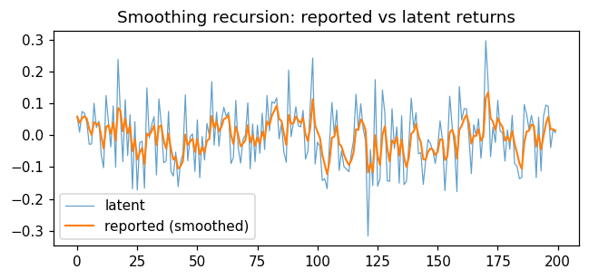
4 | 0.039916720688 | 0.051917537423
5 | -0.028303986641 | 0.019828927797
6 | -0.027663862317 | 0.00083181175154
7 | 0.1006355923 | 0.040753323971
8 | 0.024022996246 | 0.034061192881
9 | 0.04392987001 | 0.038008663732
10 | -0.060161249224 | -0.0012593014502
11 | -0.10241611044 | -0.041722025048
12 | 0.12497913014 | 0.024958437026
13 | 0.042300075999 | 0.031895092615
14 | -0.03679614301 | 0.0044185983653
15 | 0.091938686325 | 0.039426633549
16 | -0.10043212759 | -0.016516870909
17 | 0.23847137497 | 0.085478427444
18 | 0.062592747923 | 0.076324155636
19 | -0.083256814881 | 0.012491767429
20 | 0.11142192623 | 0.052063830949
21 | -0.063723164151 | 0.0057490329092
22 | 0.064249845728 | 0.029149358037
23 | -0.16832465847 | -0.049840248566
24 | 0.042475361657 | -0.012914004477
25 | -0.17222898033 | -0.07663999482
26 | -0.022899454065 | -0.055143778518
27 | -0.019027789271 | -0.040697382819
28 | -0.1663472164 | -0.090957316253
29 | 0.14900545124 | 0.0050277907455
30 | -0.0091053598643 | -0.00062546949844
31 | 0.0330868242 | 0.012859447981
32 | 0.058234347863 | 0.031009407934
33 | -0.12478827433 | -0.03130966497
34 | 0.11404168742 | 0.026830875987
35 | 0.036337390479 | 0.030633481784
36 | -0.086954873697 | -0.016401860408
37 | -0.080819277894 | -0.042168827403
38 | 0.075001653704 | 0.0046993650398
39 | -0.11292556569 | -0.042350607252
40 | -0.12824726234 | -0.076709269285
41 | -0.052909258169 | -0.067189264839
42 | -0.16152708688 | -0.10492439366
43 | -0.086370053574 | -0.097502657623
44 | -0.057089926913 | -0.081337565339
45 | 0.12718303902 | 0.0020706764052
46 | -0.080525141054 | -0.030967650578
47 | -0.0037958006645 | -0.020098910613
48 | 0.0040751624805 | -0.010429281376
49 | -0.11390739937 | -0.051820528574
50 | 0.048350263209 | -0.011752211861
51 | -0.13357493997 | -0.060481303105
52 | -0.0039895778051 | -0.037884612985
53 | -0.078122973622 | -0.05397995724
54 | 0.036983563885 | -0.01759454879
55 | -0.0020717493358 | -0.011385429008
56 | 0.16811223344 | 0.06041363597
57 | -0.031265672586 | 0.023741912547
58 | 0.072383461416 | 0.043198532095
59 | -0.034488478945 | 0.012123727679
60 | 0.046413282031 | 0.02583954942
61 | 0.087854569806 | 0.050645557574
62 | 0.059389504812 | 0.054143136469
63 | 0.07205596898 | 0.061308269474
64 | -0.089148663071 | 0.0011254964558
65 | -0.070226455787 | -0.027415284441
66 | 0.10905520094 | 0.02717290971
67 | -0.038999210127 | 0.0007040617753
68 | -0.08792687746 | -0.034748313919
69 | -0.012684588786 | -0.025922823866
70 | 0.0006867405329 | -0.015278998106
71 | 0.10215826506 | 0.03169590716
72 | -0.1055842547 | -0.023216157584
73 | 0.035270884742 | 0.00017865934619
74 | -0.083268010108 | -0.033200008436
75 | 0.031667838123 | -0.007252869812
76 | -0.05685903967 | -0.027095337755
77 | 0.069019712795 | 0.011350682465
78 | -0.044762493318 | -0.011094587848
79 | 0.12523849345 | 0.043438644673
80 | 0.013853008763 | 0.031604390309
81 | 0.10524225044 | 0.061059534362
82 | 0.10010256629 | 0.076676747131
83 | 0.11756962619 | 0.093033898755
84 | -0.011399137916 | 0.051260684087
85 | 0.035836618656 | 0.045091057914
86 | -0.052914044269 | 0.0058890170412
87 | -0.085399818991 | -0.030626517372
88 | 0.20444688213 | 0.063402842429
89 | -0.0045241355361 | 0.036232051243
90 | 0.039943739659 | 0.037716726609
91 | 0.089296404223 | 0.058348597655
92 | 0.029565327197 | 0.046835289472
93 | 0.026348777432 | 0.038640684656
94 | 0.07841610566 | 0.054550853057
95 | -0.075182878894 | 0.0026573602767
96 | -0.050438313107 | -0.018580909077
97 | 0.095200455909 | 0.026931636918
98 | 0.24259273541 | 0.11319607631
99 | -0.09056264818 | 0.031692586516
100 | -0.021798860439 | 0.010296007734
101 | -0.035617572831 | -0.008069424492
102 | -0.14252830847 | -0.061852978084
103 | -0.13705691675 | -0.091934553551
104 | -0.1679479153 | -0.12233989825
105 | -0.021127271998 | -0.081854847749
106 | 0.10311026646 | -0.0078688020667
107 | 0.0012303862288 | -0.0042291267485
108 | 0.078851064686 | 0.029002949825
109 | -0.11079081286 | -0.026914555251
110 | -0.048678588377 | -0.035620168501
111 | -0.09879286767 | -0.060889248169
112 | -0.10608007317 | -0.078965578169
113 | -0.11465148322 | -0.093239940187
114 | -0.060706586996 | -0.080226598911
115 | -0.015543769255 | -0.054353467049
116 | 0.12855518488 | 0.018809993722
117 | 0.014700688813 | 0.017166271758
118 | 0.098548617307 | 0.049719209978
119 | 0.020082259457 | 0.03786442977
120 | -0.01700206505 | 0.015917831842
121 | -0.31676580646 | -0.11715562348
122 | -0.045231329379 | -0.08838590584
123 | -0.15829717424 | -0.1163504132
124 | 0.17465768774 | 5.2827177333E-05
125 | -0.1602934972 | -0.064085702574
126 | -0.13814271065 | -0.093708505806
127 | 0.14188651968 | 0.00052950438746
128 | 0.069848747675 | 0.028257201702
129 | -0.14286909567 | -0.040193317248
130 | -0.14501560061 | -0.082122230593
131 | 0.083186887519 | -0.015998583348
132 | -0.042017247243 | -0.026406048906
133 | 0.026055825228 | -0.0054212992524
134 | -0.15054478233 | -0.063470692485
135 | 0.061379687525 | -0.013530540481
136 | -0.15530127677 | -0.070238834998
137 | -0.14484711147 | -0.10008214559
138 | -0.025705689801 | -0.070331563273
139 | 0.11657724107 | 0.0044319584628
140 | 0.023974703202 | 0.012249056358
141 | 0.070510169846 | 0.035553501753
142 | -0.05832689853 | -0.00199865836
143 | -0.054878968153 | -0.023150782277
144 | -0.15460559332 | -0.075732706695
145 | -0.079000226886 | -0.077039714771
146 | -0.01370480338 | -0.051705750215
147 | -0.026300683949 | -0.041543723709
148 | -0.050546937679 | -0.045145009297
149 | -0.088935563557 | -0.062661231001
150 | -0.035381453273 | -0.05174931991
151 | 0.045013876895 | -0.013044041188
152 | -0.014801311038 | -0.013746949128
153 | -0.17429228421 | -0.077965083162
154 | -0.050858565941 | -0.067122476273
155 | 0.12266590236 | 0.008792875179
156 | 0.030194309549 | 0.017353448927
157 | -0.036826886608 | -0.0043186852869
158 | -0.17751553909 | -0.073597426809
159 | 0.15325257531 | 0.01714257404
160 | 0.048097839061 | 0.029524680048
161 | 0.083431381582 | 0.051087360662
162 | 0.08266800933 | 0.063719620129
163 | -0.0054450350357 | 0.036053758063
164 | -0.1203685134 | -0.02651515052
165 | 0.033094354876 | -0.0026713483617
166 | -0.00053224447868 | -0.0018157068085
167 | 0.051198722579 | 0.019390064946
168 | -0.072494204221 | -0.01736364272
169 | 0.019246827575 | -0.0027194546024
170 | 0.29708629523 | 0.11720284533
171 | 0.16164080304 | 0.13497802841
172 | -0.067509881394 | 0.053982864491
173 | 0.025573526713 | 0.04261912938
174 | -0.022918232694 | 0.01640418455
175 | 0.10931267883 | 0.053567582261
176 | 0.012427762749 | 0.037111654456
177 | 0.0078244574269 | 0.025396775644
178 | -0.081251612606 | -0.017262579656
179 | 0.016848282247 | -0.0036182348946
180 | -0.043913905569 | -0.019736503164
181 | 0.062397411656 | 0.013117062764
182 | -0.088473475444 | -0.027519152519
183 | -0.097965880102 | -0.055697843553
184 | -0.13675541632 | -0.08812087266
185 | -0.1327298036 | -0.10596444504
186 | 0.096549009822 | -0.024959063093
187 | 0.06629053667 | 0.011540776812
188 | 0.01845657224 | 0.014307094983
189 | 0.062340773471 | 0.033520566378
190 | 0.024129938876 | 0.029764315378
191 | -0.13336966838 | -0.035489278126
192 | 0.056607597774 | 0.0013494722341
193 | -0.1126092244 | -0.044234006418
194 | 0.057828443151 | -0.0034090265906
195 | 0.094933861313 | 0.035928128571
196 | 0.090818200195 | 0.05788415722
197 | -0.039065542579 | 0.0191042773
198 | 0.018286143115 | 0.018777023626
199 | 0.0075346079131 | 0.014280057341
200 | 0.20336445103 | 0.089913814818
201 | 0.075917347649 | 0.08431522795
202 | -0.11558982075 | 0.0043532084708
203 | 0.15180924229 | 0.063335621999
204 | 0.012415042568 | 0.042967390227
205 | -0.025641385987 | 0.015523879741
206 | -0.13465050753 | -0.044545875167
207 | -0.053721077519 | -0.048215956108
208 | 0.062107901393 | -0.0040864131074
209 | 0.079695054163 | 0.029426173801
210 | 0.043925313487 | 0.035225829675
211 | 0.24953454658 | 0.12094931644
212 | -0.12515808346 | 0.022506356478
213 | -0.03507272497 | -0.00052527610136
214 | -0.13005627785 | -0.052337676802
215 | 0.057992573033 | -0.0082055768682
216 | -0.13386818554 | -0.058470620336
217 | -0.19237296704 | -0.11203155902
218 | 0.053259562082 | -0.045915110578
219 | -0.022018231952 | -0.036356359128
220 | 0.007854281031 | -0.018672103064
221 | 0.020522032467 | -0.0029944488515
222 | -0.047245423842 | -0.020694838848
223 | 0.14160583212 | 0.044225429539
224 | -0.076908223433 | -0.0042280316495
225 | 0.0014973950613 | -0.0019378609652
226 | 0.048394165738 | 0.018194949716
227 | -0.018182034576 | 0.0036441559991
228 | -0.2435195938 | -0.095221343922
229 | -0.051996624105 | -0.077931455996
230 | -0.11174535785 | -0.091457016736
231 | 0.079086298115 | -0.023239690795
232 | -0.14672482955 | -0.072633746297
233 | -0.057100631029 | -0.066420500189
234 | -0.016330293223 | -0.046384417403
235 | -0.028495446793 | -0.039228829159
236 | 0.04304267573 | -0.0063202272033
237 | 0.097214843974 | 0.035093801268
238 | 0.11811730312 | 0.06830320201
239 | -0.088402958555 | 0.0056207377841
240 | 0.036949129799 | 0.01815209459
241 | 0.071495267165 | 0.03948936362
242 | 0.0074551468601 | 0.026675676916
243 | -0.0084714061257 | 0.012616843699
244 | 0.040863849063 | 0.023915645845
245 | -0.12741990644 | -0.03661857507
246 | -0.11061057122 | -0.066215373528
247 | -0.098803002855 | -0.079250425259
248 | -0.069491182298 | -0.075346728075
249 | -0.076857447396 | -0.075951015803
250 | 0.028989997862 | -0.033974610337
251 | -0.062307492361 | -0.045307763146
252 | -0.2702339764 | -0.13527824845
253 | 0.09620118654 | -0.042686474453
254 | 0.11302589599 | 0.019598473724
255 | 0.056107763606 | 0.034202189677
256 | 0.089742925939 | 0.056418484182
257 | 0.10111148746 | 0.074295685495
258 | 0.015770340243 | 0.050885547394
259 | -0.11901131645 | -0.017073198143
260 | -0.034845730096 | -0.024182210924
261 | 0.13396829947 | 0.039077993232
262 | 0.08236551656 | 0.056393002563
263 | -0.0044399763784 | 0.032059810986
264 | 0.0066760488803 | 0.021906306144
265 | -0.19130454462 | -0.063378034163
266 | 0.15578046109 | 0.024285363937
267 | 0.068562697005 | 0.041996297164
268 | -0.089822177228 | -0.010731092593
269 | -0.011719956401 | -0.011126638116
270 | -0.0647855105 | -0.03259018707
271 | -0.02847746789 | -0.030945099398
272 | 0.051348717136 | 0.0019724272154
273 | -0.13161664738 | -0.051463202623
274 | 0.093736480532 | 0.0066166706393
275 | 0.033326345784 | 0.017300540697
276 | 0.022299857238 | 0.019300267313
277 | -0.062868755382 | -0.013567341765
278 | -0.062842195151 | -0.033277283119
279 | -0.064128269753 | -0.045617677773
280 | 0.11439139192 | 0.018385950105
281 | -0.13310908954 | -0.042212065755
282 | -0.038075102134 | -0.040557280307
283 | 0.23192975466 | 0.068437533679
284 | -0.088754325373 | 0.0055607900586
285 | -0.13541742665 | -0.050830496626
286 | -0.12780322805 | -0.081619589195
287 | -0.057014234378 | -0.071777447268
288 | -0.16829221451 | -0.11038335416
289 | 0.094293037619 | -0.028512797451
290 | -0.11878443331 | -0.064621451794
291 | 0.10782038444 | 0.0043552827007
292 | -0.047820061629 | -0.016514855031
293 | 0.14016421173 | 0.046156771673
294 | 0.0268796468 | 0.038445921724
295 | 0.071042788485 | 0.051484668428
296 | 0.01753382602 | 0.037904331465
297 | -0.10170413347 | -0.017939054511
298 | 0.13725759385 | 0.044139604832
299 | -0.21588606696 | -0.059870663884
300 | -0.046657349524 | -0.05458533814
301 | 0.072995195889 | -0.0035531245284
302 | -0.08066631676 | -0.034398401421
303 | 0.083687952326 | 0.012836140078
304 | 0.061741158866 | 0.032398147593
305 | 0.090734146875 | 0.055732547306
306 | -0.061066988388 | 0.0090127330283
307 | -0.076350796032 | -0.025132678596
308 | 0.048394707514 | 0.0042782758479
309 | -0.025948167629 | -0.0078123015428
310 | 0.17534198012 | 0.065449411122
311 | 0.025642635692 | 0.04952670095
312 | 0.063403965736 | 0.055077606865
313 | -0.0027676652507 | 0.031939498018
314 | 0.10354321014 | 0.060580982867
315 | -0.047587754995 | 0.017313487722
316 | 0.12642541684 | 0.06095825937
317 | -0.0059589667091 | 0.034191368938
318 | -0.06773018936 | -0.0065772543808
319 | 0.031865323263 | 0.0087997766768
320 | -0.038005761165 | -0.00992243846
321 | 0.22055798705 | 0.082269731745
322 | 0.11536209475 | 0.095506676946
323 | 0.041891348075 | 0.074060545397
324 | -0.0039672719476 | 0.042849418459
325 | -0.034852280197 | 0.011768738997
326 | -0.026634119922 | -0.0035924045706
327 | 0.022418143412 | 0.0068118146226
328 | -0.057533806804 | -0.018926433948
329 | 0.083035314802 | 0.021858265552
330 | -0.046939439242 | -0.0056608163659
331 | -0.14996054047 | -0.063380706007
332 | -0.084658379291 | -0.07189177532
333 | -0.027825736673 | -0.054265359861
334 | 0.052286146201 | -0.011644757437
335 | -0.10661769882 | -0.049633933991
336 | 0.13557533668 | 0.024449774275
337 | 0.1239655882 | 0.064256099847
338 | -0.08623714905 | 0.0040588002881
339 | -0.005204178409 | 0.00035360880927
340 | 0.14298862857 | 0.057407616714
341 | 0.028337370274 | 0.045779518138
342 | -0.19798171935 | -0.051724976857
343 | 0.27917707958 | 0.080635845716
344 | -0.074066343539 | 0.018754970014
345 | -0.0010138389966 | 0.01084744641
346 | 0.11275445792 | 0.051610251016
347 | 0.1901560784 | 0.10702858197
348 | -0.096417647563 | 0.025650090156
349 | 0.13249491183 | 0.068388018828
350 | 0.040901737633 | 0.05739350635
351 | 0.033313904175 | 0.04776166548
352 | 0.15305646975 | 0.089879587187
353 | 0.025965230577 | 0.064313844543
354 | -0.032949872117 | 0.025408357879
355 | -0.0060043492161 | 0.012843275041
356 | -0.15069576058 | -0.052572339209
357 | -0.014136477934 | -0.037197994699
358 | -0.057490320784 | -0.045314925133
359 | 0.014456767404 | -0.021406248118
360 | 0.050452889074 | 0.0073374067587
361 | -0.11817664743 | -0.042868214918
362 | -0.15350924279 | -0.087124626068
363 | -0.035291025906 | -0.066391186003
364 | 0.080352259366 | -0.0076938078555
365 | 0.27275427628 | 0.1044854258
366 | -0.031103133187 | 0.050250002203
367 | 0.21194021299 | 0.11492608652
368 | -0.0077369457897 | 0.065860873596
369 | 0.011001919961 | 0.043917292142
370 | -0.054791673854 | 0.0044337057435
371 | -0.020802834972 | -0.0056609105426
372 | -0.1094910071 | -0.047192949167
373 | 0.10291229918 | 0.012849150171
374 | -0.010092814974 | 0.0036723641134
375 | 0.01976875101 | 0.010110918872
376 | 0.15726067558 | 0.068970821553
377 | -0.093644495092 | 0.0039246948954
378 | 0.24546209392 | 0.10053965451
379 | 0.068104846959 | 0.087565731487
380 | 0.041155518661 | 0.069001646356
381 | -0.039095045202 | 0.025762969733
382 | -0.035846544813 | 0.0011191639149
383 | 0.16343784145 | 0.066046634928
384 | -0.034636112484 | 0.025773535963
385 | 0.13900196427 | 0.071064907287
386 | -0.041568466335 | 0.026011557838
387 | 0.18020615436 | 0.087689396446
388 | 0.06336334572 | 0.077958976156
389 | 0.074969785493 | 0.076763299891
390 | -0.060855758798 | 0.021715676415
391 | -0.077662667433 | -0.018035661124
392 | 0.017827407352 | -0.0036904337334
393 | -0.14904129537 | -0.06183077839
394 | 0.13354749648 | 0.01632053156
395 | 0.078918297616 | 0.041359637982
396 | -0.18472851147 | -0.049075621798
397 | -0.12025816194 | -0.077548637854
398 | -0.089309125453 | -0.082252832894
399 | -0.051135519897 | -0.069805907695
400 | 0.021812396238 | -0.033158586122
401 | -0.040791510675 | -0.036211755943
402 | -0.091875197161 | -0.05847713243
403 | 0.072884067532 | -0.0059326524453
404 | 0.057581376353 | 0.019472959074
405 | 0.071752823289 | 0.04038490476
406 | -0.056340757798 | 0.0016946397368
407 | -0.13045985561 | -0.051167158403
408 | -0.066173549162 | -0.057169714707
409 | -0.015874482118 | -0.040651621671
410 | -0.04230903582 | -0.041314587331
411 | 0.019808523058 | -0.016865343175
412 | -0.034396443184 | -0.023877783179
413 | 0.0086372622355 | -0.010871765013
414 | 0.1031239184 | 0.034726508351
415 | 0.12083437843 | 0.069169656383
416 | -0.048223714337 | 0.022212308095
417 | -0.17004145474 | -0.05468919704
418 | -0.093495838187 | -0.070211853499
419 | 0.0312653273 | -0.029620981179
420 | -0.011693817667 | -0.022450115774
421 | 0.067041346327 | 0.013346469066
422 | 0.034085936436 | 0.021642256014
423 | 0.015703696508 | 0.019266832212
424 | -0.044148994514 | -0.0060994984786
425 | -0.16362269367 | -0.069108776556
426 | 0.032118164754 | -0.028618000032
427 | 0.020482297225 | -0.0089778811295
428 | -0.082103257903 | -0.038228031839
429 | -0.1513960723 | -0.083495248025
430 | -0.067217718485 | -0.076984236209
431 | 0.013927145658 | -0.040619683462
432 | 0.084236894833 | 0.0093229478558
433 | -0.075491367977 | -0.024602778477
434 | -0.0070325212414 | -0.017574675583
435 | 0.057534157596 | 0.012468857689
436 | -0.012606076256 | 0.0024388841108
437 | 0.072099727976 | 0.030303221657
438 | 0.20098781783 | 0.098577060127
439 | 0.020115866317 | 0.067192582603
440 | -0.0077669570931 | 0.037208766725
441 | 0.13121152439 | 0.074809869791
442 | -0.019059282358 | 0.037262208932
443 | 0.079637667728 | 0.05421239245
444 | 0.088677626614 | 0.067998486116
445 | 0.043347782126 | 0.05813820452
446 | -0.24200752974 | -0.061920089182
447 | 0.15800848763 | 0.026051341542
448 | 0.0030166305415 | 0.016837457142
449 | -0.071598858148 | -0.018537068974
450 | -0.13316550929 | -0.064388445099
451 | -0.096310270852 | -0.0771571754
452 | 0.097184858929 | -0.0074203616685
453 | -0.071431523426 | -0.033024826371
454 | 0.17870159995 | 0.051665744156
455 | -0.089936106011 | -0.0049749959108
456 | 0.023631851865 | 0.0064677431994
457 | -0.005432559118 | 0.0017076222725
458 | 0.15877085067 | 0.064532913633
459 | 0.05800241901 | 0.061920715784
460 | -0.11052275024 | -0.0070566706261
461 | 0.13383048329 | 0.049298190941
462 | -0.031010186834 | 0.017174839831
463 | -0.0047825124362 | 0.008391898924
464 | -0.21468181452 | -0.080837586454
465 | 0.064777465117 | -0.022591565826
466 | 0.11009563636 | 0.03048331505
467 | 0.1050657551 | 0.060316291069
468 | -0.14509768515 | -0.021849299417
469 | 0.0039332736346 | -0.011536270197
470 | 0.24776985136 | 0.092186178426
471 | -0.10486342315 | 0.013366337794
472 | 0.04914463921 | 0.027677658361
473 | 0.052167952098 | 0.037473775855
474 | 0.11229346112 | 0.06740164996
475 | -0.041983112586 | 0.023647744942
476 | -0.005886926386 | 0.011833876411
477 | 0.08037749814 | 0.039251325102
478 | -0.035122547904 | 0.0095017758997
479 | -0.0015662799015 | 0.0050745535792
480 | -0.22392753774 | -0.08652628295
481 | 0.17890169293 | 0.0196449074
482 | 0.054666204349 | 0.03365342618
483 | 0.1358701306 | 0.074540107948
484 | -0.011970385939 | 0.039935910393
485 | 0.085627018659 | 0.0582123537
486 | -0.056099621148 | 0.012487563761
487 | 0.17405749773 | 0.07711553735
488 | 0.024141586636 | 0.055925957064
489 | -0.00087651858668 | 0.033204966804
490 | -0.0679695177 | -0.0072648269978
491 | -0.052960397039 | -0.025543055014
492 | 0.041143546466 | 0.0011315855781
493 | -0.10561592897 | -0.04156742024
494 | 0.013759882633 | -0.019436499091
495 | -0.071583852314 | -0.04029544038
496 | 0.012212588098 | -0.019292228989
497 | 0.018153380313 | -0.0043139852679
498 | 0.0033360018862 | -0.0012539904063
499 | 0.053802504472 | 0.020768607545

