Heatmap
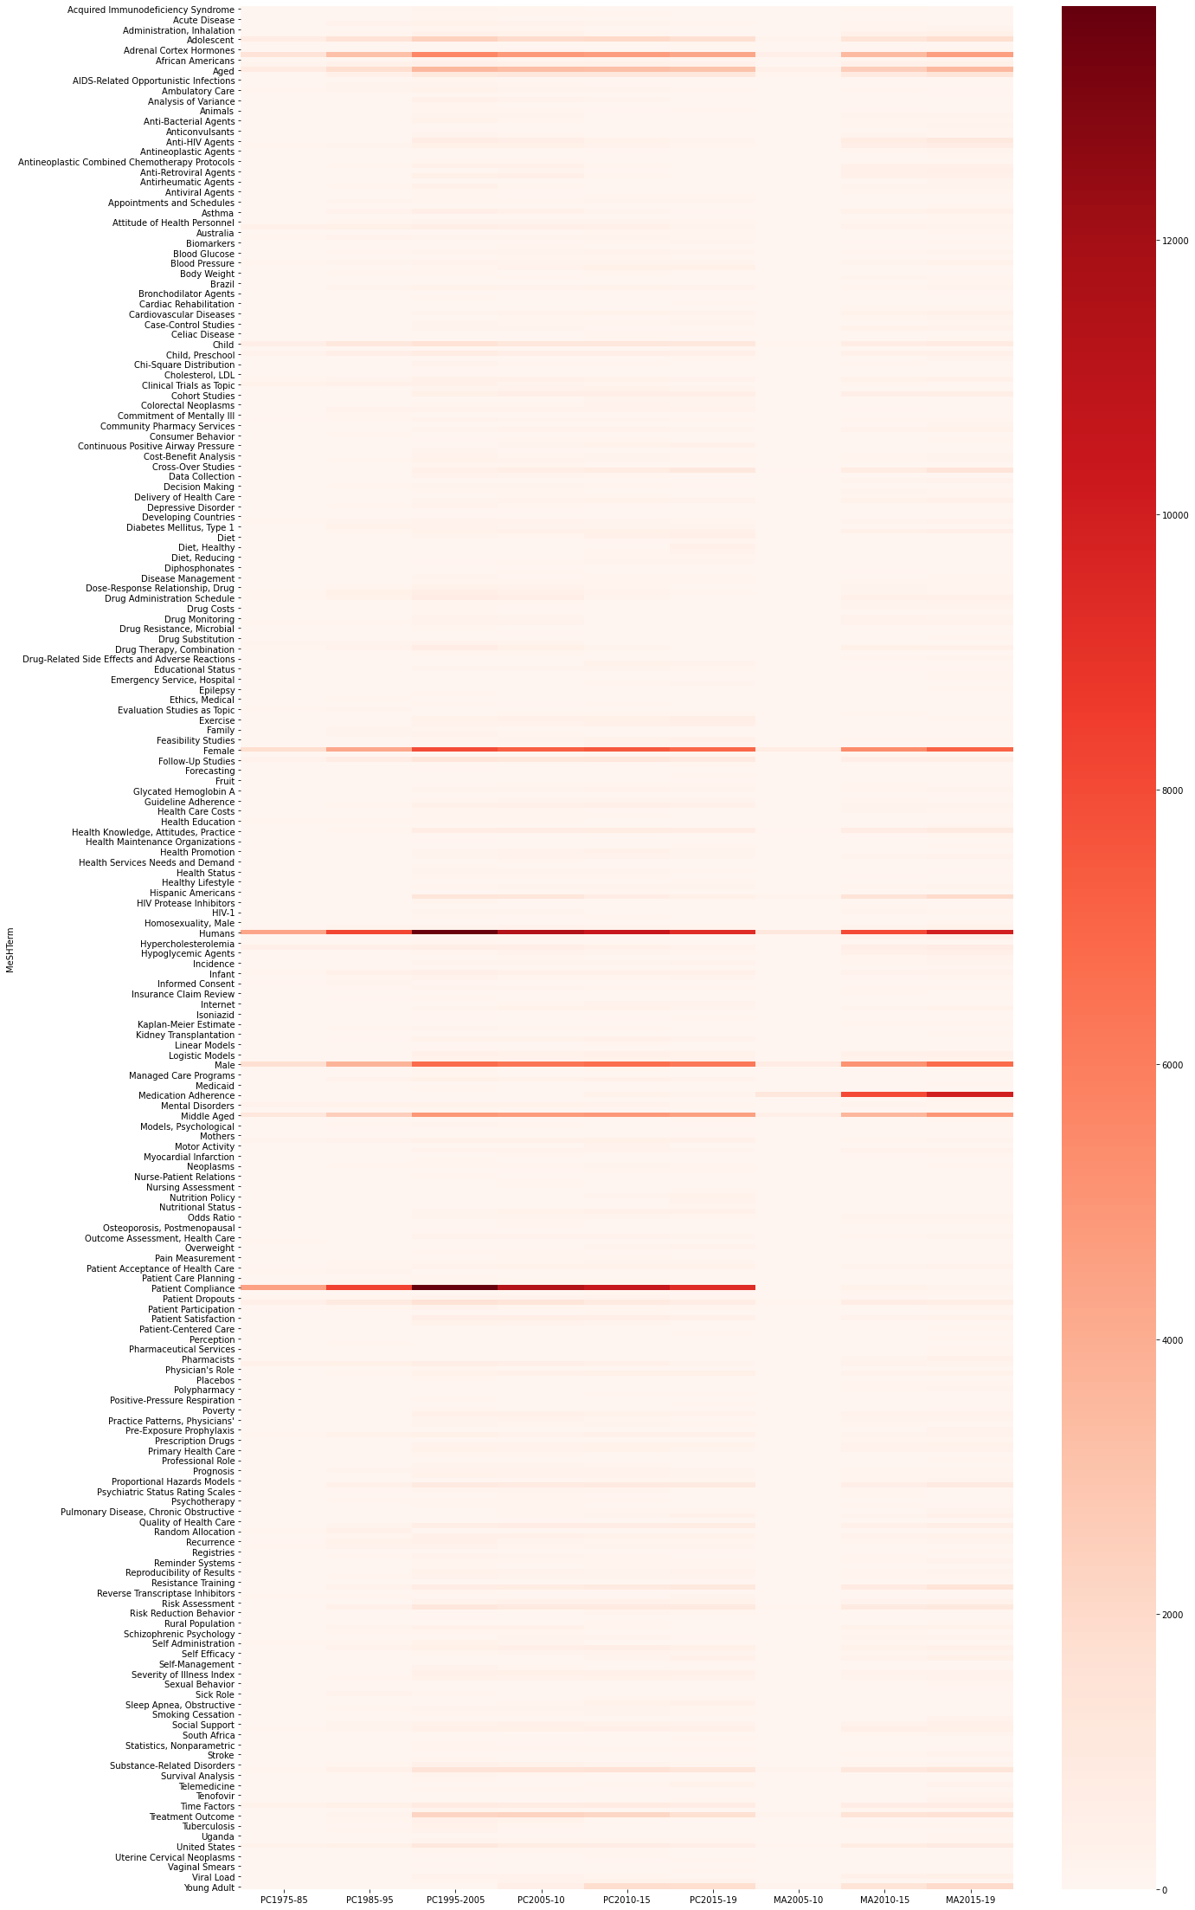

Non-chronic_diseases
MeSHTerm | PC1975-85 | PC1985-95 | PC1995-2005 | PC2005-10 | PC2010-15 | PC2015-19 | MA2000-10 | MA2010-15 | MA2015-19 | Total number of papers in | PC1975-85 | PC1985-95 | PC1995-2005 | PC2005-10 | PC2010-15 | PC2015-19 | MA2005-10 | MA2010-15 | MA2015-19
Acquired Immunodeficiency Syndrome | 0 | 0 | 1.3507593458 | 1.0122348385 | 0 | 0 | 0 | 1.688182721 | 0 |  | 4519 | 8306 | 13696 | 11361 | 10506 | 9284 | 1162 | 8056 | 10003
Acute Disease | 0 | 0 | 0.93457943925 | 0 | 0 | 0 | 0 | 0 | 0
AIDS-Related Opportunistic Infections | 0 | 0 | 0.91267523364 | 0 | 0 | 0 | 0 | 0 | 0
Asthma | 0 | 2.8894774862 | 4.1179906542 | 3.3095678197 | 1.8275271274 | 1.0986643688 | 0 | 3.6246276068 | 3.9588123563
Celiac Disease | 0 | 0 | 0 | 0 | 1.0946126023 | 1.4433433865 | 0 | 0 | 0
Epilepsy | 0 | 0 | 0 | 0 | 0 | 0 | 0 | 0 | 1.1096670999
HIV Infections | 0 | 0 | 9.1632593458 | 10.668074993 | 6.3011612412 | 4.8578199052 | 14.027538726 | 17.552135055 | 19.264220734
Obesity | 0 | 0 | 1.504088785 | 2.4645717807 | 3.7692747002 | 3.7268418785 | 0 | 0 | 0
Tuberculosis | 0 | 1.2761858897 | 2.3145443925 | 1.18827568 | 0 | 0 | 0 | 1.4523336643 | 1.2596221134
Tuberculosis, Pulmonary | 0 | 1.6614495545 | 1.6793224299 | 0.9066103336 | 0 | 0 | 0 | 0 | 0
Depressive Disorder | 0 | 1.7938839393 | 1.8472546729 | 1.2762961007 | 0.96135541595 | 0 | 0 | 0 | 0
Depressive Disorder, Major | 0 | 0 | 0 | 0.9066103336 | 0 | 0 | 0 | 0 | 0
Mental Disorders | 5.1560079664 | 3.8526366482 | 2.3145443925 | 2.4733738227 | 2.4176660956 | 1.4325721672 | 0 | 2.2219463754 | 1.5395381386
Psychotic Disorders | 0 | 0 | 0.86886682243 | 0.95062054397 | 0 | 0 | 0 | 1.6012909633 | 1.0596820954

Chronic_diseases
MeSHTerm | PC1975-85 | PC1985-95 | PC1995-2005 | PC2005-10 | PC2010-15 | PC2015-19 | MA2000-10 | MA2010-15 | MA2015-19 | Total number of papers in | PC1975-85 | PC1985-95 | PC1995-2005 | PC2005-10 | PC2010-15 | PC2015-19 | MA2005-10 | MA2010-15 | MA2015-19
Arthritis, Rheumatoid | 0 | 0 | 0 | 0 | 0 | 0 | 0 | 0 | 1.3296011197 |  | 4519 | 8306 | 13696 | 11361 | 10506 | 9284 | 1162 | 8056 | 10003
Breast Neoplasms | 0 | 2.106910667 | 2.1904205607 | 1.9364492562 | 2.6936988388 | 2.4666092202 | 0 | 1.5268123138 | 1.7694691593
Cardiovascular Diseases | 0 | 0 | 1.3215537383 | 1.9892615087 | 2.5889967638 | 2.8220594571 | 0 | 3.4632571996 | 3.3190042987
Chronic Disease | 2.4562956406 | 2.4319768842 | 2.6577102804 | 3.2567555673 | 2.950694841 | 2.4127531237 | 0 | 3.3887785501 | 3.2690192942
Colorectal Neoplasms | 0 | 0 | 1.1463200935 | 1.2146818062 | 2.1797068342 | 2.1865575183 | 0 | 0 | 0
Comorbidity | 0 | 0 | 1.2631425234 | 2.3325411495 | 2.4938130592 | 2.2188711762 | 0 | 2.9419066534 | 3.0190942717
Coronary Disease | 0 | 0 | 1.2485397196 | 0.92421441774 | 0 | 0 | 0 | 0 | 0
Diabetes Mellitus | 3.5184775393 | 2.0948711775 | 1.9494742991 | 1.9012410879 | 1.6371597183 | 1.3464024128 | 0 | 1.998510427 | 2.5292412276
Diabetes Mellitus, Type 1 | 0 | 3.3349385986 | 1.8472546729 | 1.6283777836 | 1.9988577955 | 2.1434726411 | 0 | 0 | 0
Diabetes Mellitus, Type 2 | 0 | 1.3002648688 | 2.3291471963 | 3.6000352082 | 4.226156482 | 4.3731150366 | 0 | 4.4190665343 | 5.1184644607
Hypercholesterolemia | 0 | 0 | 0.83966121495 | 0 | 0 | 0 | 0 | 0 | 0
Hypertension | 10.998008409 | 5.8511919095 | 4.6144859813 | 4.7266965936 | 3.1981724729 | 2.8328306764 | 0 | 6.7775571003 | 7.2578226532
Kidney Failure, Chronic | 0 | 1.625331086 | 1.2047313084 | 0.96822462811 | 1.04702075 | 0 | 0 | 0 | 0
Neoplasms | 0 | 1.4447387431 | 1.1463200935 | 1.2234838483 | 1.6276413478 | 1.6587677725 | 0 | 0 | 1.3695891233
Osteoporosis | 0 | 0 | 0 | 1.197077722 | 0 | 0 | 0 | 1.5268123138 | 1.0796760972
Osteoporosis, Postmenopausal | 0 | 0 | 0 | 0.95942258604 | 0 | 0 | 0 | 0 | 0
Pulmonary Disease, Chronic Obstructive | 0 | 0 | 0 | 1.0122348385 | 1.3420902342 | 1.5187419216 | 0 | 0 | 1.6095171449
Uterine Cervical Neoplasms | 0 | 0 | 0.73744158879 | 0 | 1.1802779364 | 0 | 0 | 0 | 0
Bipolar Disorder | 0 | 0 | 0 | 1.0122348385 | 0 | 0 | 0 | 0 | 0
Schizophrenia | 0 | 2.1671081146 | 2.6869158879 | 2.8782677581 | 1.3611269751 | 0 | 0 | 3.7487586892 | 2.6991902429
Schizophrenic Psychology | 0 | 1.3243438478 | 1.1536214953 | 1.1618695537 | 0 | 0 | 0 | 1.7378351539 | 0

