Veri Analizi - All data
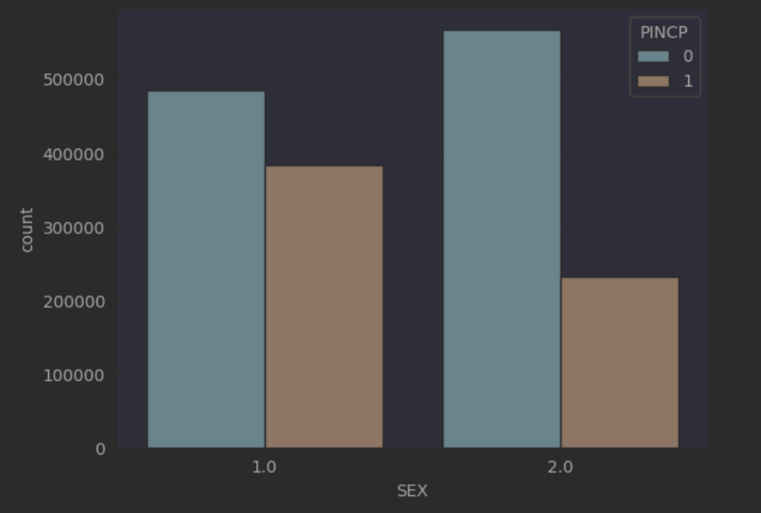
Sınıf | Yüzde (%)
<= 50k (0) | 63.1
>50 (1) | 36.9

Null & Nan Count
0

Sayısal Veri Alanları İstatiksel Değerler
Veri Alanı | Mean | STD | Min | 25% | 50% | 75% | Max
AGEP | 43.411271 | 15.302035 | 17.0 | 30.0 | 43.0 | 56.0 | 96.0
WKHP | 38.333895 | 13.080731 | 1.0 | 35.0 | 40.0 | 44.0 | 99.0

Race Sınıflara Göre Dağılım
RAC1P | PINCP | data count
White alone | 0 | 791162
 | 1 | 506964
others | 0 | 259271
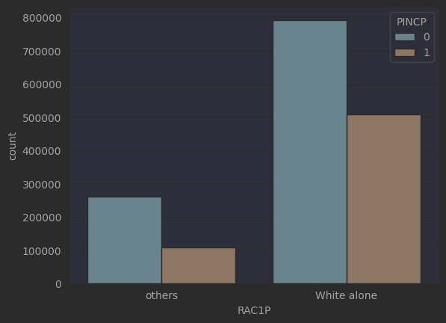
 | 1 | 107103

