Histogram
Temp | Max |  |  |  |  | Chart
112 | Min |  |  |  |  | Histogram
110 | Class | 7
107 | Class width
116 | Lower | Upper | Midpoint | Frequency | Commulative
120
100
118
112
108
113
127
4. Press ctrl+shift+enter (do not hit OK). This will place frequencies into cells
117 | Label
114 |  |  |  |  |  | Polygon
110
120
120
116
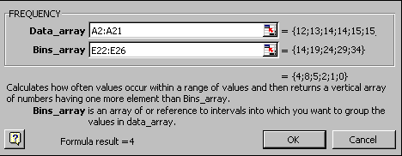
115
121
117
134
118
118
113
105
118
122
117
120
110
105
114
118
119
118
110
114
122
111
112
109
105
106
104
114
112
109
110
111
114

Perato
Temp | Name | Relative frequency
Coke Classic | Coke Classic
Diet Coke | Diet Coke
Pepsi-Cola | Dr. Pepper
Diet Coke | Pepsi-Cola
Coke Classic | Sprite
Coke Classic | Total
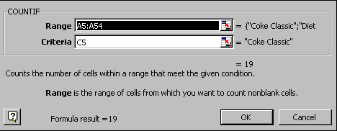
Dr. Pepper
Diet Coke
Pepsi-Cola
Pepsi-Cola
Coke Classic
Dr. Pepper
Sprite
Coke Classic
Diet Coke
Coke Classic
Coke Classic
Sprite
Coke Classic
Diet Coke
Coke Classic
Diet Coke
Coke Classic
Sprite
Pepsi-Cola
Coke Classic
Coke Classic
Coke Classic
Pepsi-Cola
Coke Classic
Sprite
Dr. Pepper
Pepsi-Cola
Diet Coke
Pepsi-Cola
Coke Classic
Coke Classic
Coke Classic
Pepsi-Cola
Dr. Pepper
Coke Classic
Diet Coke
Pepsi-Cola
Pepsi-Cola
Pepsi-Cola
Pepsi-Cola
Coke Classic
Dr. Pepper
Pepsi-Cola
Sprite

