Percent MOE
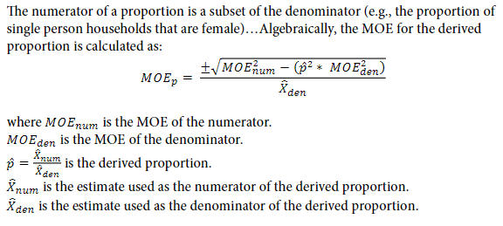
Census Tract 4004 Population Demographics: Age
Age | Population Estimate | MOE Census | Percent Estimate | Percent MOE
Child | 678 | 161
Working Age Adult | 2810 | 247
Senior Adult | 498 | 97
Total | 3986 | 250

