film_table_summary
Summary of each column of film table data, including mode, average, and min/ max where applicable. What was the average rental duration for all videos? Average rental duration was 5 days.

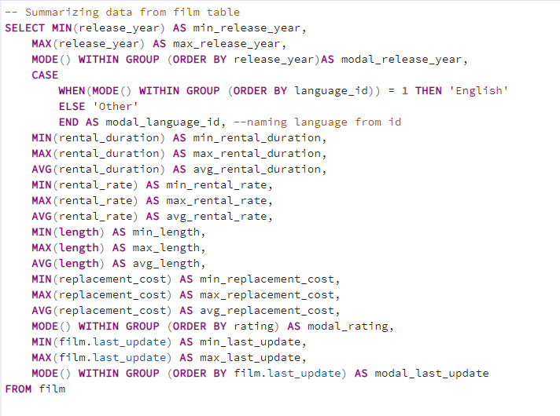
column | value_returned
min_release_year | 2006
max_release_year | 2006
modal_release_year | 2006
modal_language_id | English
min_rental_duration | 3
max_rental_duration | 7
avg_rental_duration | 5
min_rental_rate | $0.99
max_rental_rate | $4.99
avg_rental_rate | $2.98
min_length | 46
max_length | 185
avg_length | 115
min_replacement_cost | $9.99
max_replacement_cost | $29.99
avg_replacement_cost | $19.98
modal_rating | PG-13
min_last_update | 2013-05-26
max_last_update | 2013-05-26
modal_last_update | 2013-05-26

customer_table_summary
Summary of each column of customer table data, including mode, average, and min/ max where applicable.

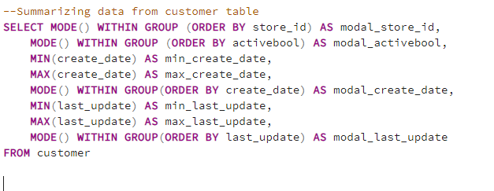
column | value_returned
modal_store_id | 1
modal_activebool | TRUE
min_create_date | 2006-02-14
max_create_date | 2006-02-14
modal_create_date | 2006-02-14
min_last_update | 2013-05-26 14:49:45
max_last_update | 2013-05-26 14:49:45
modal_last_update | 2013-05-26 14:49:45

customers_revenue_by_country
Which countries are Rockbuster customers based in? This is summary of total customers and rental revenue for all countries where Rockbuster has customers. Revenue varies between geographic regions, with more countries with high revenue in Asia than in other regions.

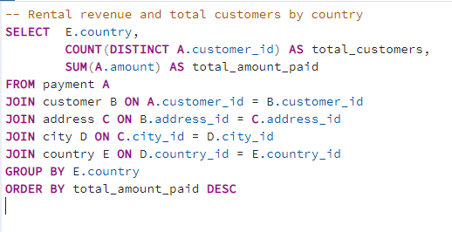
country | total_customers | total_revenue
India | 60 | $6,035
China | 53 | $5,251
United States | 36 | $3,685
Japan | 31 | $3,123
Mexico | 30 | $2,985
Brazil | 28 | $2,919
Russian Federation | 28 | $2,766
Philippines | 20 | $2,220
Turkey | 15 | $1,498
Indonesia | 14 | $1,353
Nigeria | 13 | $1,315
Argentina | 13 | $1,299
Taiwan | 10 | $1,155
South Africa | 11 | $1,069
Iran | 8 | $878
United Kingdom | 9 | $851
Poland | 8 | $786
Italy | 7 | $753
Germany | 7 | $741
Vietnam | 6 | $676
Ukraine | 6 | $676
Colombia | 6 | $662
Egypt | 6 | $659
Venezuela | 7 | $632
Canada | 5 | $560
Netherlands | 5 | $558
South Korea | 5 | $528
Spain | 5 | $514
Yemen | 4 | $474
Pakistan | 5 | $474
Saudi Arabia | 5 | $453
Peru | 4 | $407
Thailand | 3 | $401
Israel | 4 | $379
Ecuador | 3 | $369
Bangladesh | 3 | $353
Algeria | 3 | $349
France | 4 | $334
Malaysia | 3 | $330
Tanzania | 3 | $322
Mozambique | 3 | $315
United Arab Emirates | 3 | $305
Dominican Republic | 3 | $304
Chile | 3 | $303
Austria | 3 | $284
Morocco | 3 | $274
Paraguay | 3 | $273
Belarus | 2 | $271
Latvia | 2 | $249
Switzerland | 3 | $248
Kenya | 2 | $245
Yugoslavia | 2 | $233
Puerto Rico | 2 | $224
Romania | 2 | $218
Runion | 1 | $212
French Polynesia | 2 | $206
Greece | 2 | $205
Sudan | 2 | $203
Azerbaijan | 2 | $199
Bulgaria | 2 | $195
Kazakstan | 2 | $193
Angola | 2 | $188
Cameroon | 2 | $186
Myanmar | 2 | $180
Cambodia | 2 | $180
Bolivia | 2 | $179
Congo, The Democratic Republic of the | 2 | $169
Oman | 2 | $162
Holy See (Vatican City State) | 1 | $147
Nauru | 1 | $144
Sweden | 1 | $140
Czech Republic | 1 | $133
Moldova | 1 | $128
Turkmenistan | 1 | $127
Chad | 1 | $123
Malawi | 1 | $122
Zambia | 1 | $122
Virgin Islands, U.S. | 1 | $122
Greenland | 1 | $120
Armenia | 1 | $119
Gambia | 1 | $115
Iraq | 1 | $112
Hungary | 1 | $112
Bahrain | 1 | $109
North Korea | 1 | $108
Brunei | 1 | $108
Kuwait | 1 | $107
Estonia | 1 | $106
Hong Kong | 1 | $105
Sri Lanka | 1 | $104
Liechtenstein | 1 | $100
Anguilla | 1 | $100
French Guiana | 1 | $98
Faroe Islands | 1 | $97
Senegal | 1 | $96
Nepal | 1 | $94
Tuvalu | 1 | $94
Madagascar | 1 | $93
Ethiopia | 1 | $92
New Zealand | 1 | $86
Slovakia | 1 | $81
Finland | 1 | $79
Tunisia | 1 | $74
Afghanistan | 1 | $68
Tonga | 1 | $65
Saint Vincent and the Grenadines | 1 | $65
Lithuania | 1 | $64
American Samoa | 1 | $48

revenue_by_category
Total film revenue summarized by category. Which movies contributed the most/ least to revenue gain? Sports and sci-fi movies had the highest revenue, and music and thriller movies had the least.

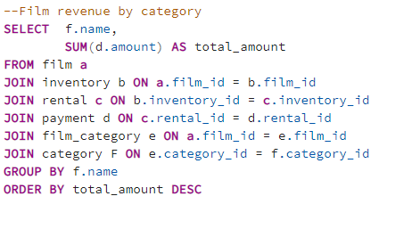
category | total_amount
Sports | $4,892.19
Sci-Fi | $4,336.01
Animation | $4,245.31
Drama | $4,118.46
Comedy | $4,002.48
New | $3,966.38
Action | $3,951.84
Foreign | $3,934.47
Games | $3,922.18
Family | $3,782.26
Documentary | $3,749.65
Horror | $3,401.27
Classics | $3,353.38
Children | $3,309.39
Travel | $3,227.36
Music | $3,071.52
Thriller | $47.89

hvc_in_top_10
Where are high lifetime value customers based? This is a summary of how many of high value customers are based in the top 10 revenue countries.

first_name | last_name | country | city | total_amount_paid | payments | Top Quartile of Total Amount Paid | $117 | country | total_customers | average # payments | hcv_customers | % of total customers
Karl | Seal | United States | Cape Coral | $209 | 42 |  |  | India | 60 | 29 | 12 | 20%
Marion | Snyder | Brazil | Santa Brbara dOeste | $195 | 39 |  |  | China | 53 | 31 | 10 | 19%
Ana | Bradley | United States | Memphis | $168 | 33 |  |  | United States | 36 | 28 | 7 | 19%
Marcia | Dean | Philippines | Tanza | $167 | 39 |  |  | Japan | 31 | 30 | 6 | 19%
Mike | Way | India | Valparai | $163 | 33 |  |  | Mexico | 30 | 29 | 7 | 23%
Arnold | Havens | Philippines | Santa Rosa | $162 | 32 |  |  | Brazil | 28 | 29 | 7 | 25%
Louis | Leone | Philippines | Tanauan | $157 | 34 |  |  | Russian Federation | 28 | 29 | 6 | 21%
Lena | Jensen | India | Halisahar | $155 | 30 |  |  | Philippines | 20 | 29 | 5 | 25%
Tim | Cary | India | Bijapur | $155 | 34 |  |  | Turkey | 15 | 31 | 5 | 33%
Warren | Sherrod | Russian Federation | Usolje-Sibirskoje | $153 | 31 |  |  | Indonesia | 14 | 30 | 3 | 21%
Steve | Mackenzie | Indonesia | Probolinggo | $153 | 32
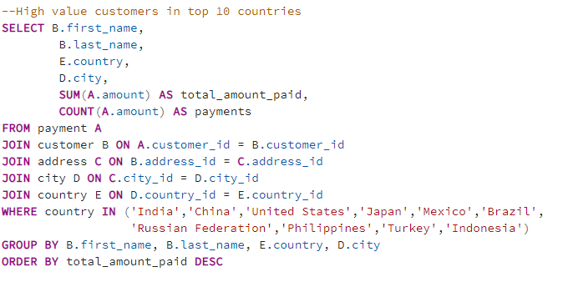
Guy | Brownlee | China | Zhoushan | $152 | 31
Tonya | Chapman | India | Bhilwara | $148 | 29
Stacey | Montgomery | China | Fuyu | $147 | 33
Arthur | Simpkins | Russian Federation | Maikop | $146 | 30
Brandon | Huey | Turkey | Balikesir | $146 | 36
Alex | Gresham | Mexico | Uruapan | $144 | 32
Margie | Wade | China | Lengshuijiang | $143 | 33
Debra | Nelson | Brazil | Vila Velha | $142 | 29
Lori | Wood | India | Rae Bareli | $142 | 31
Nicholas | Barfield | Brazil | Belm | $141 | 31
Angela | Hernandez | Japan | Shimonoseki | $139 | 35
Kent | Arsenault | Brazil | Juiz de Fora | $135 | 27
Alvin | Deloach | Mexico | Cuauhtmoc | $135 | 28
Zachary | Hite | United States | Akron | $135 | 29
Rosemary | Schmidt | Turkey | Usak | $135 | 31
Helen | Harris | India | Bhopal | $135 | 32
Joe | Gilliland | Philippines | Imus | $134 | 28
Stanley | Scroggins | Japan | Omiya | $134 | 29
Bernice | Willis | Turkey | Batman | $134 | 30
Sue | Peters | China | Changzhou | $134 | 32
Jessie | Milam | China | Binzhou | $133 | 30
Karen | Jackson | Turkey | Osmaniye | $132 | 27
Catherine | Campbell | Russian Federation | Moscow | $132 | 31
Priscilla | Lowe | Mexico | Salamanca | $131 | 28
Brett | Cornwell | India | Siliguri (Shiliguri) | $131 | 30
Casey | Mena | Turkey | Tokat | $131 | 32
Harold | Martino | Brazil | Boa Vista | $131 | 32
Rosa | Reynolds | United States | Lancaster | $130 | 28
Regina | Berry | China | Jinchang | $130 | 32
Roberto | Vu | China | Yinchuan | $129 | 27
Glenda | Frazier | China | Qinhuangdao | $129 | 29
Sara | Perry | Mexico | Atlixco | $129 | 30
Debbie | Reyes | Japan | Fukuyama | $128 | 31
Jamie | Rice | United States | Sterling Heights | $127 | 27
Terri | Vasquez | Brazil | Blumenau | $127 | 27
Tracy | Cole | Mexico | Huixquilucan | $127 | 28
Maurice | Crawley | Mexico | Coatzacoalcos | $126 | 26
Bradley | Motley | India | Purnea (Purnia) | $126 | 26
Daisy | Bates | Russian Federation | Kolpino | $126 | 28
Joanne | Robertson | Japan | Urawa | $126 | 32
Justin | Ngo | Brazil | Santo Andr | $126 | 33
Carrie | Porter | China | Liaocheng | $125 | 34
Patricia | Johnson | United States | San Bernardino | $124 | 26
John | Farnsworth | India | Parbhani | $124 | 26
Leslie | Seward | Indonesia | Pontianak | $124 | 28
Billy | Poulin | Philippines | Cabuyao | $124 | 29
Alice | Stewart | United States | Fontana | $124 | 30
Shirley | Allen | Philippines | Davao | $124 | 30
Tina | Simmons | Brazil | Goinia | $123 | 26
Eddie | Tomlin | Philippines | Ozamis | $123 | 26
Cathy | Spencer | Japan | Kakamigahara | $123 | 29
Viola | Hanson | Philippines | Lapu-Lapu | $123 | 30
Jorge | Olivares | Indonesia | Lhokseumawe | $123 | 31
Milton | Howland | India | Vijayawada | $122 | 23
Jim | Rea | Mexico | El Fuerte | $122 | 30
Dana | Hart | Russian Federation | Kirovo-Tepetsk | $121 | 26
Cheryl | Murphy | India | Mysore | $120 | 24
Alan | Kahn | China | Emeishan | $120 | 25
Hector | Poindexter | Russian Federation | Pjatigorsk | $120 | 26
Miriam | Mckinney | Japan | Otsu | $118 | 23
Lee | Hawks | India | Pudukkottai | $118 | 25
Nathaniel | Adam | United States | Joliet | $118 | 25
Valerie | Black | United States | Brockton | $117 | 25
Terry | Carlson | Japan | Miyakonojo | $117 | 26
Hilda | Hopkins | Philippines | Mandaluyong | $117 | 27
Naomi | Jennings | India | Karnal | $117 | 27
Kathy | James | Philippines | Baybay | $117 | 28
Gerald | Fultz | India | Satna | $117 | 29
Erik | Guillen | India | Bhimavaram | $116 | 28
Philip | Causey | Russian Federation | Korolev | $116 | 29
Veronica | Stone | United States | Greensboro | $116 | 30
Teresa | Rogers | Japan | Iwakuni | $115 | 26
Craig | Morrell | Philippines | Cavite | $115 | 28
Mary | Smith | Japan | Sasebo | $115 | 30
Michael | Silverman | China | Tiefa | $114 | 26
Dave | Gardiner | China | Leshan | $114 | 27
George | Linton | Brazil | Sorocaba | $114 | 29
Christy | Vargas | China | Datong | $114 | 30
Andy | Vanhorn | Mexico | Huejutla de Reyes | $113 | 24
Ashley | Richardson | United States | Lincoln | $113 | 25
Amy | Lopez | India | Jhansi | $113 | 26
Clyde | Tobias | China | Shaoguan | $113 | 28
Arlene | Harvey | India | Ambattur | $112 | 24
Jerry | Jordon | Japan | Onomichi | $112 | 24
Holly | Fox | India | Haldia | $112 | 29
Jamie | Waugh | Japan | Kuwana | $111 | 23
Charlie | Bess | China | Baiyin | $111 | 24
Michele | Grant | China | Yuncheng | $111 | 27
Ruby | Washington | China | Meixian | $111 | 28
Terrence | Gunderson | China | Jinzhou | $111 | 29
Heidi | Larson | China | Xiangfan | $111 | 32
Beatrice | Arnold | India | Udaipur | $110 | 23
Isaac | Oglesby | Mexico | Cuernavaca | $110 | 24
Clifford | Bowens | Russian Federation | Nabereznyje Telny | $110 | 27
Ted | Breaux | China | Baicheng | $110 | 27
Randy | Gaither | Russian Federation | Kurgan | $110 | 27
Theodore | Culp | India | Uluberia | $110 | 28
Kyle | Spurlock | China | Shanwei | $110 | 29
Eduardo | Hiatt | China | Jining | $109 | 23
Gabriel | Harder | Turkey | Sivas | $109 | 25
Julian | Vest | Japan | Akishima | $109 | 27
Minnie | Romero | Indonesia | Ciomas | $109 | 28
Sally | Pierce | India | Chandrapur | $109 | 29
Jesus | Mccartney | Brazil | Guaruj | $108 | 23
Marion | Ocampo | China | Weifang | $108 | 27
Maxine | Silva | Brazil | Poos de Caldas | $108 | 30
Marlene | Welch | Japan | Iwaki | $107 | 23
Douglas | Graf | Mexico | Mexicali | $107 | 23
Victoria | Gibson | Indonesia | Pemalang | $107 | 26
Bill | Gavin | United States | Rockford | $107 | 27
Erin | Dunn | Russian Federation | Ljubertsy | $107 | 27
Hazel | Warren | China | Hohhot | $107 | 32
Elaine | Stevens | Russian Federation | Smolensk | $106 | 22
Shelly | Watts | United States | Dayton | $106 | 23
Bryan | Hardison | United States | Dallas | $106 | 24
Earl | Shanks | Japan | Iwatsuki | $106 | 26
Diana | Alexander | United States | Augusta-Richmond County | $106 | 27
Cynthia | Young | India | Munger (Monghyr) | $106 | 30
Brent | Harkins | Turkey | Sultanbeyli | $105 | 22
Josephine | Gomez | India | Etawah | $105 | 25
Brenda | Wright | India | Kamarhati | $105 | 26
Jimmy | Schrader | Russian Federation | Atinsk | $105 | 28
Leroy | Bustamante | China | Tongliao | $105 | 29
Ramona | Hale | India | Patiala | $104 | 23
Carla | Gutierrez | India | Bhusawal | $104 | 26
Kristin | Johnston | United States | Sunnyvale | $104 | 26
Ben | Easter | Russian Federation | Kamyin | $103 | 23
Sergio | Stanfield | Mexico | Celaya | $103 | 24
Ellen | Simpson | Brazil | Po | $103 | 25
Marie | Turner | Russian Federation | Lipetsk | $102 | 21
Leo | Ebert | China | Dongying | $102 | 22
Robin | Hayes | Russian Federation | Jelets | $102 | 23
Rene | Mcalister | United States | Garden Grove | $102 | 24
Glen | Talbert | Mexico | Acua | $101 | 23
Juanita | Mason | India | Pune | $101 | 28
Ron | Deluca | Japan | Isesaki | $100 | 22
Lisa | Anderson | Japan | Sagamihara | $100 | 23
Sherri | Rhodes | India | Ahmadnagar | $100 | 26
Angel | Barclay | Japan | Ueda | $100 | 28
Annette | Olson | India | Allappuzha (Alleppey) | $99 | 24
Clinton | Buford | United States | Aurora | $99 | 24
Francis | Sikes | Mexico | San Juan Bautista Tuxtepec | $99 | 25
Jeremy | Hurtado | Brazil | Vitria de Santo Anto | $99 | 25
Gwendolyn | May | Japan | Higashiosaka | $99 | 25
Ross | Grey | Philippines | Iligan | $99 | 26
Adam | Gooch | India | Adoni | $98 | 20
Laurie | Lawrence | India | Firozabad | $98 | 22
Shannon | Freeman | India | Varanasi (Benares) | $98 | 23
Virgil | Wofford | Mexico | Jos Azueta | $98 | 25
Carlos | Coughlin | India | Bhavnagar | $97 | 21
Nina | Soto | India | Palghat (Palakkad) | $97 | 21
Cassandra | Walters | United States | Salinas | $97 | 21
Betty | White | United States | Citrus Heights | $97 | 23
Vincent | Ralston | Mexico | Allende | $97 | 23
Melvin | Ellington | China | Laohekou | $97 | 25
Reginald | Kinder | Indonesia | Madiun | $97 | 25
Denise | Kelly | Brazil | Rio Claro | $97 | 26
Dwayne | Olvera | India | Rajkot | $96 | 20
Willard | Lumpkin | Mexico | Carmen | $96 | 21
Connie | Wallace | Russian Federation | Ivanovo | $96 | 21
Shane | Millard | Mexico | La Paz | $96 | 22
Gary | Coy | China | Yuzhou | $96 | 22
Walter | Perryman | China | Xinxiang | $96 | 24
Nicole | Peterson | India | Shivapuri | $95 | 22
Danielle | Daniels | Mexico | Hidalgo | $95 | 22
Brandy | Graves | United States | Warren | $95 | 23
Suzanne | Nichols | Indonesia | Jakarta | $95 | 24
Kelly | Knott | China | Sanya | $95 | 24
Ronald | Weiner | Mexico | San Felipe del Progreso | $94 | 21
Francisco | Skidmore | Brazil | So Leopoldo | $94 | 21
Joshua | Mark | India | Rampur | $94 | 22
Phillip | Holm | Japan | Tama | $94 | 24
Tamara | Nguyen | Brazil | Anpolis | $94 | 25
Nancy | Thomas | India | Yamuna Nagar | $94 | 26
Frances | Parker | Brazil | Juazeiro do Norte | $93 | 19
Joseph | Joy | Brazil | Angra dos Reis | $93 | 20
Cody | Nolen | Brazil | So Bernardo do Campo | $93 | 20
Bruce | Schwarz | Japan | Okinawa | $93 | 21
Chester | Benner | China | Suihua | $93 | 22
Renee | Lane | United States | Compton | $93 | 24
Carole | Barnett | United States | Peoria | $93 | 25
Melanie | Armstrong | Philippines | Bayugan | $93 | 25
Rafael | Abney | Philippines | Talavera | $92 | 19
Ricardo | Meador | Japan | Okayama | $92 | 19
Wilma | Richards | United States | Bellevue | $92 | 20
Pamela | Baker | China | Nanyang | $92 | 21
Ivan | Cromwell | Mexico | Monclova | $92 | 25
Matthew | Mahan | Mexico | Cuautla | $92 | 25
Judith | Cox | China | Daxian | $92 | 30
Deanna | Byrd | Philippines | Tuguegarao | $91 | 22
Natalie | Meyer | Brazil | Aparecida de Goinia | $91 | 22
Derek | Blakely | Philippines | Gingoog | $91 | 27
Hugh | Waldrop | China | Haining | $90 | 20
Benjamin | Varney | Mexico | Guadalajara | $90 | 22
Edgar | Rhoads | Turkey | Eskisehir | $90 | 23
Rebecca | Scott | Japan | Kurashiki | $90 | 24
Dora | Medina | China | Tianjin | $89 | 19
Stella | Moreno | Mexico | Coacalco de Berriozbal | $89 | 19
Mildred | Bailey | India | Jaipur | $89 | 22
Georgia | Jacobs | India | Uttarpara-Kotrung | $89 | 23
Heather | Morris | Japan | Nagareyama | $89 | 24
Pauline | Henry | Mexico | Torren | $89 | 25
Theresa | Watson | Philippines | Taguig | $89 | 27
Donna | Thompson | Russian Federation | Elista | $88 | 18
Tara | Ryan | Indonesia | Gorontalo | $88 | 19
Kurt | Emmons | Japan | Kanazawa | $88 | 20
Richard | Mccrary | United States | Arlington | $88 | 20
Charlotte | Hunter | Brazil | guas Lindas de Gois | $88 | 22
Jack | Foust | Russian Federation | Zeleznogorsk | $88 | 23
Raul | Fortier | India | Chapra | $87 | 18
Nellie | Garrett | India | Shimoga | $87 | 19
Erica | Matthews | China | Pingxiang | $87 | 20
Kelly | Torres | China | Xiangtan | $87 | 20
Agnes | Bishop | India | Sambhal | $87 | 21
Chad | Carbone | India | Katihar | $87 | 24
Lucy | Wheeler | India | Balurghat | $87 | 25
Ian | Still | United States | Garland | $87 | 25
Wendy | Harrison | Mexico | Nezahualcyotl | $87 | 27
Alfredo | Mcadams | Russian Federation | Serpuhov | $86 | 20
Victor | Barkley | United States | Manchester | $86 | 22
Jane | Bennett | Brazil | Araatuba | $86 | 23
Jay | Robb | Indonesia | Surakarta | $86 | 25
Lonnie | Tirado | Indonesia | Pangkal Pinang | $85 | 16
Doris | Reed | Russian Federation | Balaiha | $85 | 19
James | Gannon | Japan | Hiroshima | $85 | 21
Jennifer | Davis | United States | Laredo | $85 | 25
Eva | Ramos | United States | Clarksville | $84 | 18
Corey | Hauser | Turkey | Gaziantep | $84 | 19
Leslie | Gordon | Turkey | Kilis | $84 | 20
Bernard | Colby | India | Dhule (Dhulia) | $84 | 21
Tyler | Wren | China | Rizhao | $83 | 19
Bob | Pfeiffer | China | Xintai | $83 | 22
Jared | Ely | Indonesia | Purwakarta | $82 | 17
Vernon | Chapa | Turkey | Denizli | $82 | 17
Thomas | Grigsby | United States | Kansas City | $82 | 19
Lorraine | Stephens | China | Hami | $82 | 20
Christian | Jung | India | Amroha | $82 | 22
Megan | Palmer | China | Laiwu | $82 | 25
Paul | Trout | Russian Federation | Kursk | $81 | 15
Steven | Curley | India | Miraj | $81 | 19
Becky | Miles | India | Tambaram | $81 | 22
Roland | South | China | Yingkou | $81 | 23
Clarence | Gamez | Japan | Izumisano | $80 | 25
Frederick | Isbell | Japan | Tsuyama | $79 | 16
Austin | Cintron | China | Tieli | $79 | 18
Joan | Cooper | United States | Saint Louis | $79 | 21
Ricky | Shelby | China | Junan | $79 | 23
Ernest | Stepp | China | Huaian | $78 | 21
Marian | Mendoza | Brazil | Maring | $77 | 18
Kim | Cruz | United States | Grand Prairie | $77 | 20
Phyllis | Foster | China | Zalantun | $77 | 20
Pearl | Garza | India | Jodhpur | $77 | 22
Samuel | Marlow | India | Ranchi | $76 | 20
Clayton | Barbee | Brazil | Alvorada | $76 | 21
Ida | Andrews | Brazil | Luzinia | $76 | 22
Kristen | Chavez | Japan | Hino | $75 | 16
Allen | Butterfield | India | Hoshiarpur | $75 | 17
Larry | Thrasher | Turkey | Adana | $75 | 19
Jacob | Lance | United States | El Monte | $75 | 20
Antonio | Meek | Brazil | Bag | $74 | 15
Toni | Holt | United States | Roanoke | $74 | 17
Herbert | Kruger | Russian Federation | Syktyvkar | $74 | 19
Rachel | Barnes | Japan | Kamakura | $74 | 19
Alicia | Mills | India | Nagaon | $74 | 19
Norman | Currier | Indonesia | Cianjur | $74 | 24
Paula | Bryant | India | Pathankot | $73 | 17
Timothy | Bunn | Brazil | Braslia | $73 | 18
Robert | Baughman | Russian Federation | Kaliningrad | $72 | 15
Delores | Hansen | Russian Federation | Jaroslavl | $72 | 16
Norma | Gonzales | Philippines | Bislig | $72 | 19
Ray | Houle | Russian Federation | Dzerzinsk | $72 | 20
Billie | Horton | Turkey | Inegl | $72 | 21
Samantha | Duncan | Mexico | Matamoros | $72 | 23
Eugene | Culpepper | China | Shenzhen | $71 | 18
Irma | Pearson | Philippines | Hagonoy | $71 | 18
Wayne | Truong | India | Gulbarga | $71 | 19
Edith | Mcdonald | India | Gandhinagar | $70 | 17
Fred | Wheat | Mexico | Jurez | $70 | 21
Franklin | Troutman | China | Zaoyang | $70 | 21
Daniel | Cabral | Brazil | Ibirit | $69 | 13
Floyd | Gandy | Mexico | Zapopan | $69 | 16
Terry | Grissom | Japan | Matsue | $69 | 19
Felicia | Sutton | China | Korla | $69 | 23
Ann | Evans | Russian Federation | Niznekamsk | $68 | 14
Jeanette | Greene | Russian Federation | Novoterkassk | $67 | 18
Lloyd | Dowd | Indonesia | Tegal | $67 | 19
Kay | Caldwell | China | Yantai | $66 | 13
Jeffrey | Spear | Indonesia | Ciparay | $66 | 17
Jonathan | Scarborough | Mexico | Pachuca de Soto | $66 | 17
Marvin | Yee | India | Berhampore (Baharampur) | $66 | 19
Joann | Gardner | Turkey | Tarsus | $65 | 15
Donald | Mahon | China | Ezhou | $64 | 16
Allan | Cornish | Philippines | Tarlac | $64 | 16
Juan | Fraley | Russian Federation | Teboksary | $64 | 21
Lester | Kraus | India | Kanchrapara | $63 | 15
Tony | Carranza | Japan | Koriyama | $63 | 19
Scott | Shelley | United States | Aurora | $61 | 18
Anita | Morales | India | Hubli-Dharwad | $60 | 14
Sheila | Wells | Turkey | Ktahya | $58 | 14
Penny | Neal | India | Kumbakonam | $57 | 16
Bobbie | Craig | Mexico | Valle de Santiago | $53 | 19
Tiffany | Jordan | China | Enshi | $50 | 12
Caroline | Bowman | United States | Tallahassee | $38 | 13
Leona | Obrien | China | Fuzhou | $33 | 10

top_10_customers
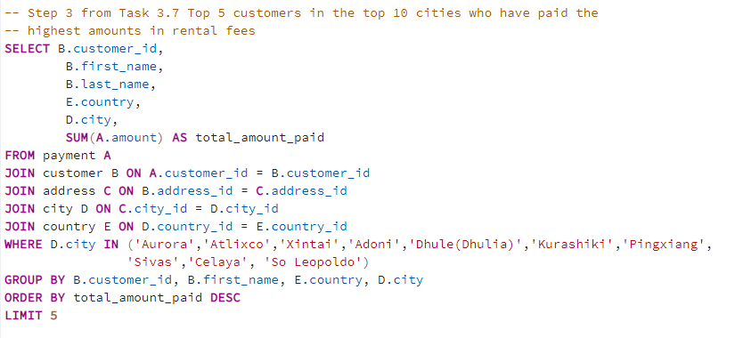
Where are high lifetime value customers based? This is a summary of where the top 10 high value customers live.
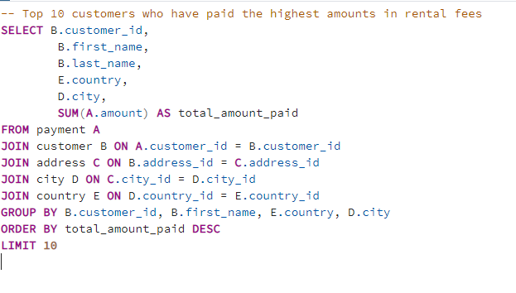
customer_id | first_name | last_name | country | city | total_amount_paid
148 | Eleanor | Hunt | Runion | Saint-Denis | $212
526 | Karl | Seal | United States | Cape Coral | $209
178 | Marion | Snyder | Brazil | Santa Brbara dOeste | $195
137 | Rhonda | Kennedy | Netherlands | Apeldoorn | $192
144 | Clara | Shaw | Belarus | Molodetno | $190
459 | Tommy | Collazo | Iran | Qomsheh | $184
181 | Ana | Bradley | United States | Memphis | $168
410 | Curtis | Irby | Canada | Richmond Hill | $168
236 | Marcia | Dean | Philippines | Tanza | $167
403 | Mike | Way | India | Valparai | $163

cat_top_10
Which movies contributed the most/ least to revenue gain? This is a summary of the categories of highest revenue films in the top 10 revenue countries.

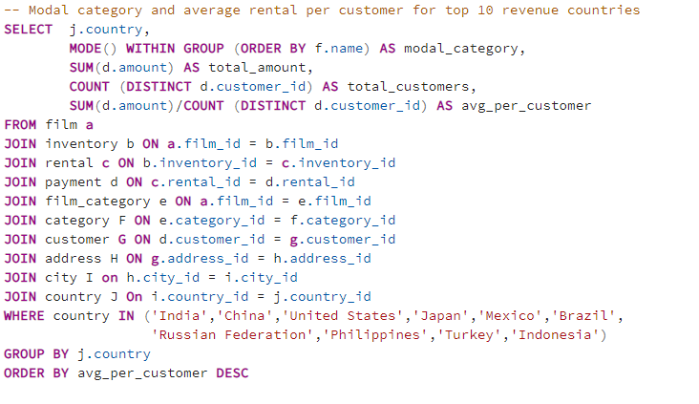
country | modal_category | total_amount | total_customers | avg_per_customer
Philippines | Animation | $2,220 | 20 | $111
Brazil | Sci-Fi | $2,919 | 28 | $104
United States | Sports | $3,685 | 36 | $102
Japan | Animation | $3,123 | 31 | $101
India | Documentary | $6,035 | 60 | $101
Turkey | Action | $1,498 | 15 | $100
Mexico | Sports | $2,985 | 30 | $99
China | Animation | $5,251 | 53 | $99
Russian Federation | Family | $2,766 | 28 | $99
Indonesia | Action | $1,353 | 14 | $97

