Methodology
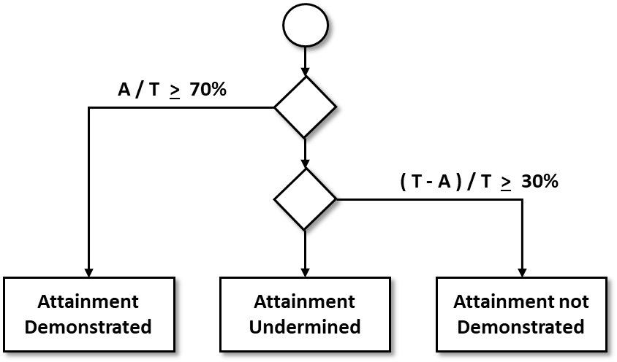
Outcome Report for
course
date
Overview
This report documents the student performance against program-level student outcomes as assessed by key performance indicators (KPIs) in SER 402-24X: Computing Capstone II . KPIs describe essential skills and behaviors that students taking the course should be able to demonstrate at the end of the course. Measurement of these KPIs can be used to assess overall course effectiveness and target course and program-level improvements.
Further sections of this document contain details about the results for each program outcome. Each section is divided into four parts: description, assessments, competency vectors, and raw data. These are described briefly below.
· Description: A description of the program outcome that is assessed. The description states the skills/behaviors that the students are expected to demonstrate related to the outcome.
· Key Performance Indicators: A list of assessments within the course that have been identified as key performance indicators against the outcome.
· Attainment Summary: The performance summary shows the percentage of students that attained the outcome.
· Raw data: A table representing the student performance data used in computing the attainment level. Each row (S1…) in this table represents a specific student. Columns (K1…) pertain to the specific KPI assessments.

Calculation of Attainment:
For each KPI assessment, the course coordinator, in collaboration with the undergraduate Abet subcommittee determines the mapping of assignment grade to attainment level. The attainment levels are shown below.
E: Exceeds Competency
M: Meets Competency
I: Insufficient Competency
X: Not attempted

For each student, attainment is demonstrated if 70% of the KPIs are assessed at a level of M (Meets Competency) or above. If A is the number of assignments for which attainment is demonstrated, X is the number of assignments for which the student did not attempt the assessment, and T is the total number of assignments, attainment is determined by the following map.

