Sheet 4
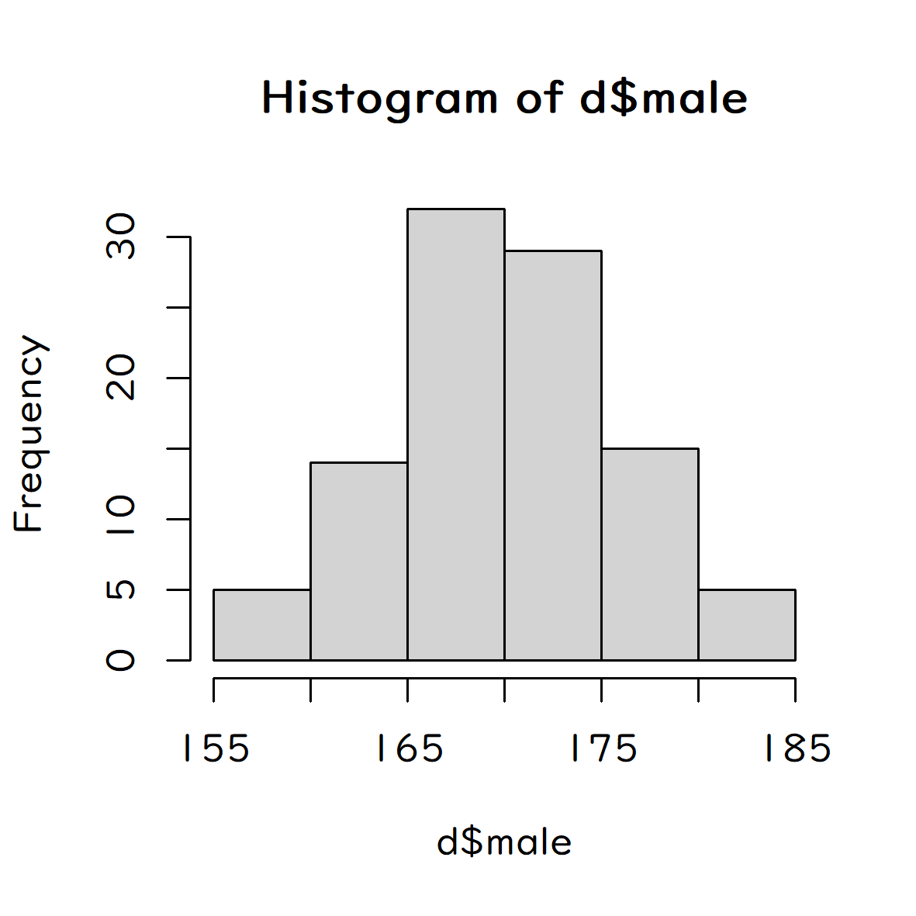
male | female
168 | 161
169 | 161
157 | 158
165 | 152
167 | 163
171 | 156
177 | 152
173 | 162
162 | 159
168 | 155
176 | 153
171 | 155
166 | 157
164 | 155
163 | 157
164 | 155
172 | 149
159 | 159
169 | 155
159 | 159
177 | 158
181 | 156
170 | 156
171 | 152
178 | 154
174 | 162
168 | 157
166 | 155
161 | 156
184 | 162
174 | 156
167 | 163
175 | 161
169 | 160
180 | 154
173 | 161
172 | 161
176 | 165
161 | 159
170 | 152
169 | 167
165 | 163
170 | 158
178 | 161
172 | 164
176 | 161
178 | 160
163 | 155
172 | 155
169 | 156
170 | 155
170 | 162
174 | 168
169 | 149
172 | 162
174 | 148
167 | 152
168 | 151
173 | 157
168 | 156
166 | 148
174 | 162
161 | 153
169 | 160
177 | 171
168 | 144
177 | 152
167 | 161
172 | 162
162 | 161
171 | 155
168 | 153
179 | 151
168 | 168
170 | 163
163 | 164
160 | 163
163 | 155
174 | 155
182 | 146
181 | 146
175 | 159
170 | 161
163 | 156
170 | 159
172 | 166
158 | 166
170 | 165
172 | 164
185 | 160
172 | 159
172 | 158
171 | 158
177 | 157
171 | 162
172 | 153
177 | 154
174 | 158
176 | 154
166 | 153

Sheet 5
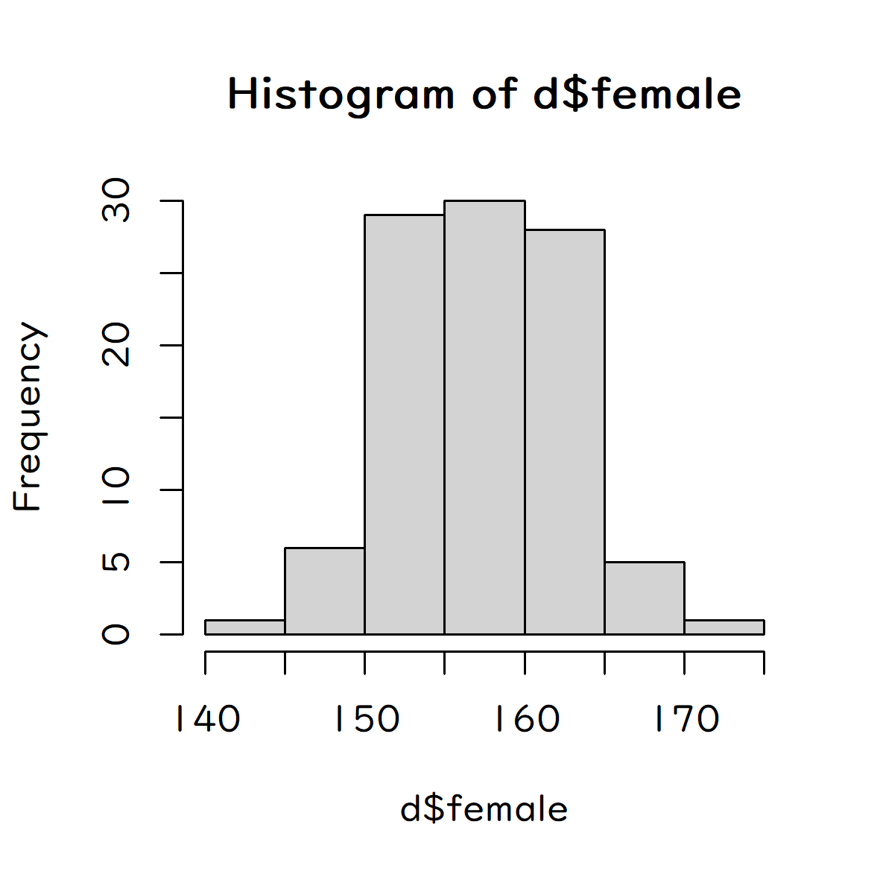
male | female
168 | 161
169 | 161
157 | 158
165 | 152
167 | 163
171 | 156
177 | 152
173 | 162
162 | 159
168 | 155
176 | 153
171 | 155
166 | 157
164 | 155
163 | 157
164 | 155
172 | 149
159 | 159
169 | 155
159 | 159
177 | 158
181 | 156
170 | 156
171 | 152
178 | 154
174 | 162
168 | 157
166 | 155
161 | 156
184 | 162
174 | 156
167 | 163
175 | 161
169 | 160
180 | 154
173 | 161
172 | 161
176 | 165
161 | 159
170 | 152
169 | 167
165 | 163
170 | 158
178 | 161
172 | 164
176 | 161
178 | 160
163 | 155
172 | 155
169 | 156
170 | 155
170 | 162
174 | 168
169 | 149
172 | 162
174 | 148
167 | 152
168 | 151
173 | 157
168 | 156
166 | 148
174 | 162
161 | 153
169 | 160
177 | 171
168 | 144
177 | 152
167 | 161
172 | 162
162 | 161
171 | 155
168 | 153
179 | 151
168 | 168
170 | 163
163 | 164
160 | 163
163 | 155
174 | 155
182 | 146
181 | 146
175 | 159
170 | 161
163 | 156
170 | 159
172 | 166
158 | 166
170 | 165
172 | 164
185 | 160
172 | 159
172 | 158
171 | 158
177 | 157
171 | 162
172 | 153
177 | 154
174 | 158
176 | 154
166 | 153

