SourceSelection
Hypotheses : | point-like source, source-detector distance of 5 cm, 1 hour acquisition

ALPIDE surface (cm^2) |  | Source-detector distance (cm) | Source | Decay probability | ID | Activity (kBq) | Beta Counts
4.5 |  | 5 | 90Sr | 100% | 427c | 3.82 | 1.97E+05
 |  |  | 90Sr | 100% | 447c | 0.784 | 4.04E+04
Solid angle covered (sr) |  | Time duration (s) | 90Sr | 100% | 266c | 37 | 1.91E+06
0.18 |  | 3600 | 90Sr | 100% | 314c | 895 | 4.62E+07
 |  |  | 90Sr | 100% | 486c | 18500 | 9.54E+08
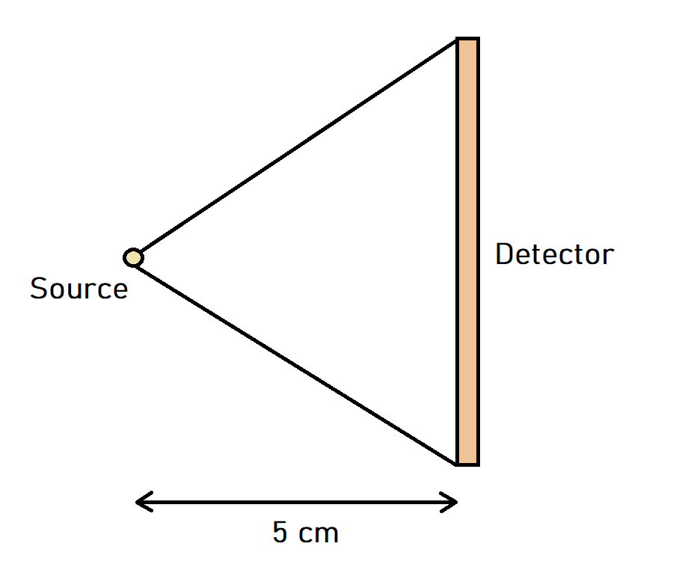
 |  |  | 90Sr | 100% | 356c | 750 | 3.87E+07
 |  |  | 90Sr | 100% | 363c | 37000 | 1.91E+09
 |  |  | 90Sr | 100% | 384c | 37000 | 1.91E+09
 |  |  | 90Sr | 100% | 519c | 0.5 | 2.58E+04
 |  |  | 36Cl | 98.10% | 362c | 0.833 | 4.21E+04
 |  |  | 14C | 100% | 426c | 3.6 | 1.86E+05
 |  |  | 14C | 100% | 481c | 0.161 | 8.30E+03
 |  |  | 14C | 100% | 513c | 1927 | 9.94E+07
 |  |  | 14C | 100% | 515c | 19 | 9.80E+05
 |  |  | 14C | 100% | 311c | 1.6 | 8.25E+04
 |  |  | 137Cs | 100% | 493/3c | 411 | 2.12E+07
 |  |  | 137Cs | 100% | 495/3c | 411 | 2.12E+07
 |  |  | 137Cs | 100% | 383c | 740000 | 3.82E+10
 |  |  | 137Cs | 100% | 397/5c | 4.62 | 2.38E+05
 |  |  | 137Cs | 100% | 503/3c | 379 | 1.95E+07
 |  |  | 137Cs | 100% | 315c | 370 | 1.91E+07
 |  |  | 137Cs | 100% | 428c | 4.21 | 2.17E+05
 |  |  | 137Cs | 100% | 503/3c | 386 | 1.99E+07
 |  |  | 137Cs | 100% | 473c | 389 | 2.01E+07
 |  |  | 137Cs | 100% | 474c | 388 | 2.00E+07
 |  |  | 137Cs | 100% | 265c | 740 | 3.82E+07
 |  |  | 137Cs | 100% | 482c | 0.219 | 1.13E+04

