Approach_01
Duplicate Script Run Time
dfcomblow
low hhincome | high hhincome | rows | duplicate rows | time to duplicate |  |  | rows | time (s)
4800 | 5000 | 126 | 1956 | 0:00:06 |  |  | 126 | 5.5
4200 | 5000 | 268 | 4793 | 0:00:14 |  |  | 268 | 14.4
4000 | 5000 | 378 | 6919 | 0:00:23 |  |  | 378 | 23.2
3500 | 5000 | 567 | 10235 | 0:00:40 |  |  | 567 | 39.6
2500 | 5000 | 886 | 16093 | 0:01:18 |  |  | 886 | 78.39
 |  |  |  | 0:00:06
 |  |  |  | 0:00:06 |  | Prediction | 10000 | 5399
 |  |  |  | 0:00:06
 |  |  |  | 0:00:06
4990 | 5000 | 23 | 396 | 0:00:01
5001 | 5060 | 7 | 153 | 0:00:00

 |  |  |  |  |  |  |  |  | Sample as pulled |  |  | Sample with hhwt duplicates
Sample method |  |  |  |  |  |  |  |  |  | rooms | bedrooms |  | rooms | bedrooms
 | hhwt |  |  |  |  |  |  |  | count | 886 | 886 | count | 16093 | 16093
 | count | actual | difference |  |  |  |  |  | mean | 5.78 | 3.79 | mean | 5.71 | 3.80
index1 |  |  |  |  |  |  |  |  | std | 1.65 | 0.93 | std | 1.65 | 0.96
14302 | 12 | 15 | 3 |  |  |  |  |  | min | 1 | 1 | min | 1 | 1
14331 | 5 | 4 | -1 |  |  |  |  |  | 25% | 5 | 3 | 25% | 5 | 3
27838 | 30 | 30 | 0 |  |  |  |  |  | 50% | 6 | 4 | 50% | 6 | 4
36573 | 14 | 13 | -1 |  | 11 | 3 | 3.6666666667 |  | 75% | 7 | 4 | 75% | 7 | 4
47148 | 10 | 14 | 4 |  |  |  |  |  | max | 9 | 6 | max | 9 | 6
49516 | 24 | 22 | -2
56789 | 58 | 55 | -3 |  |  |  | 1.8333333333
 |  |  |  |  |  |  | 9.1666666667 |  | Exact hhwt |  |  | Using sample for duplication

 |  |  |  |  |  |  |  |  |  | acrehous |  |  | acrehous |  |  | acrehous
Duplicate loop |  |  |  |  |  |  |  |  |  | count | mean |  | count | mean |  | count | mean
 | hhwt |  |  |  |  |  |  |  | bedrooms |  |  | bedrooms |  |  | bedrooms
 | count | actual | difference |  |  |  |  |  | 1 | 167 | 1.209581 | 1 | 148 | 1.155405 | 1 | 169 | 1.195266
index1 |  |  |  |  |  |  |  |  | 2 | 1014 | 1.011834 | 2 | 1034 | 1.011605 | 2 | 1023 | 1.012708
14302 | 15 | 15 | 0 |  |  |  |  |  | 3 | 4611 | 1.043158 | 3 | 4622 | 1.040891 | 3 | 4560 | 1.040789
14331 | 4 | 4 | 0 |  |  |  |  |  | 4 | 7116 | 1.066189 | 4 | 7097 | 1.067775 | 4 | 7152 | 1.068372
27838 | 30 | 30 | 0 |  |  |  |  |  | 5 | 2500 | 1.0108 | 5 | 2514 | 1.013524 | 5 | 2516 | 1.010334
36573 | 13 | 13 | 0 |  |  |  |  |  | 6 | 685 | 1 | 6 | 678 | 1 | 6 | 673 | 1
47148 | 14 | 14 | 0
49516 | 22 | 22 | 0 |  |  |  |  |  |  | 16093 |  |  | 16093
56789 | 55 | 55 | 0
 |  |  |  |  |  |  |  |  | np.repeat
np.repeat |  |  |  |  |  |  |  |  |  | acrehous
 | hhwt |  |  |  |  |  |  |  |  | count | mean
 | count | max | difference |  |  |  |  |  | bedrooms
index1 |  |  |  |  |  |  |  |  | 1 | 167 | 1.209581
14302 | 15 | 15 | 0 |  |  |  |  |  | 2 | 1035 | 1.011594
14331 | 4 | 4 | 0 |  |  |  |  |  | 3 | 4682 | 1.042503
27838 | 30 | 30 | 0 |  |  |  |  |  | 4 | 7227 | 1.065172
36573 | 13 | 13 | 0 |  |  |  |  |  | 5 | 2521 | 1.01071
47148 | 14 | 14 | 0 |  |  |  |  |  | 6 | 714 | 1
49516 | 22 | 22 | 0
56789 | 55 | 55 | 0 |  |  |  |  |  |  | 16346

using np.repeat
low hhincome | high hhincome | rows | duplicate rows | time to duplicate
4800 | 5000 | 126 | 1956 | 0:00:00
4000 | 5000 | 378 | 6962 | 0:00:00
2500 | 5000 | 886 | 16093 | 0:00:00

Results_02
 | Min | Max
Low Income | 0 | 19999
Mid Income | 19999 | 54999
High Income | 54999 | N/A

Rooms | All counts are sum of hhwt unless otherwise noted |  |  |  | Single Family Detached, Full Counts

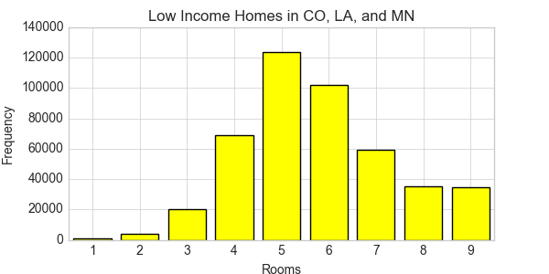
 |  | Count
 | Rooms | Low Income | Mid Income | High Income
 | 1 | 1202 | 1392 | 1228
 | 2 | 3848 | 4745 | 2752
 | 3 | 20296 | 25037 | 15967
 | 4 | 69001 | 115157 | 87434
 | 5 | 123826 | 270816 | 284115
 | 6 | 101948 | 278476 | 409288
 | 7 | 59166 | 190755 | 415797
 | 8 | 35119 | 126332 | 373100
 | 9 | 34875 | 130206 | 623499

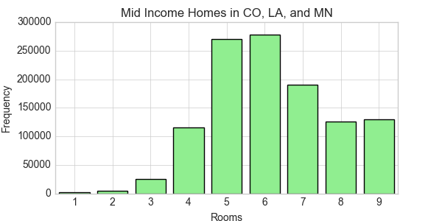

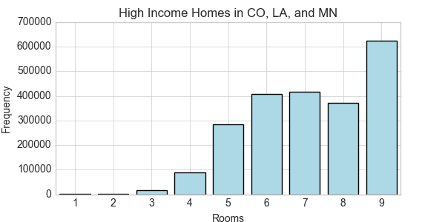

Bed Rooms |  |  |  |  | Single Family Detached, Full Counts

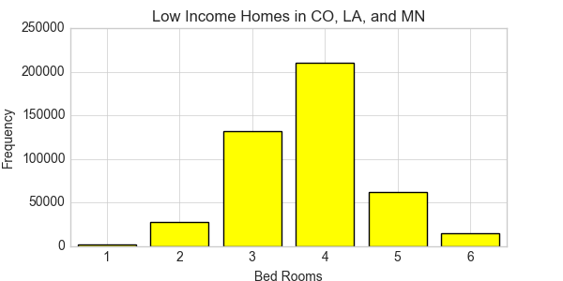
 |  | Count
 | bedrooms | Low Income | Mid Income | High Income
 | 1 | 1675 | 2154 | 1664
 | 2 | 27933 | 31734 | 17628
 | 3 | 132225 | 248946 | 212100
 | 4 | 210541 | 593804 | 1014711
 | 5 | 61871 | 214830 | 733355
 | 6 | 15036 | 51448 | 233722

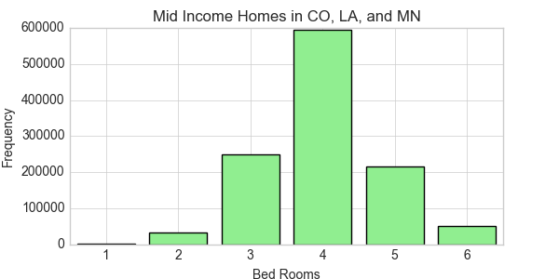

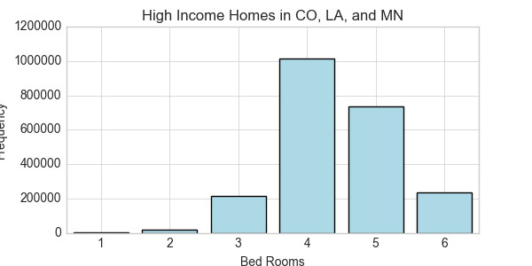

BuiltYr2 | Decades (sort of) |  |  |  | Single Family Detached, Full Counts

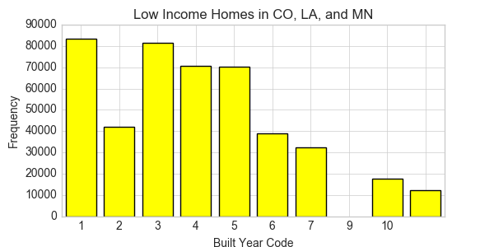
 |  | Count
 | builtyr2 | Low Income | Mid Income | High Income
 | 1 | 83554 | 180639 | 233408
 | 2 | 42091 | 79568 | 82937
 | 3 | 81496 | 186018 | 209998
 | 4 | 70605 | 155265 | 216600
 | 5 | 70265 | 201743 | 370355
 | 6 | 38986 | 120120 | 302879
 | 7 | 32354 | 111288 | 401941
 | 8
 | 9 | 17655 | 68233 | 250734
 | 10 | 12275 | 40042 | 144328

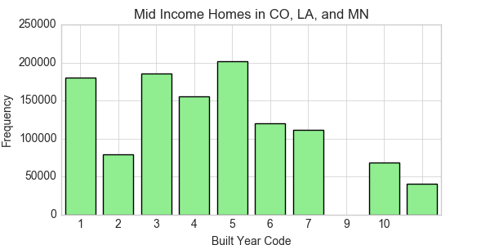
 | Code | Label
 | 0 | N/A
 | 1 | 1939 or earlier
 | 2 | 1940-1949
 | 3 | 1950-1959
 | 4 | 1960-1969
 | 5 | 1970-1979
 | 6 | 1980-1989
 | 7 | 1990-1994
 | 8 | 1995-1999
 | 9 | 2000-2004
 | 10 | 2005
 | 11 | 2006
 | 12 | 2007
 | 13 | 2008
 | 14 | 2009
 | 15 | 2010
 | 16 | 2011
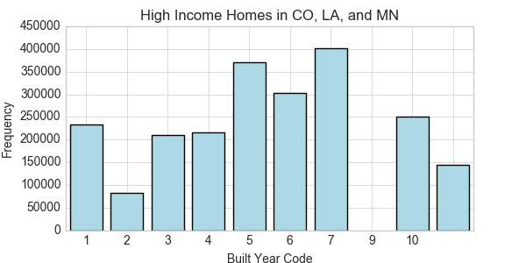

Fuel Heat |  |  |  |  | Single Family Detached, Full Counts

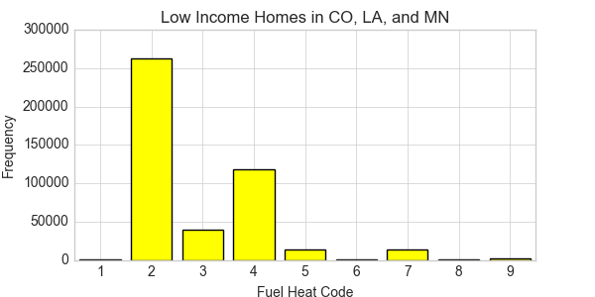
 |  | Count
 | fuelheat | Low Income | Mid Income | High Income
 | 1 | 944 | 1298 | 2134
 | 2 | 263070 | 714973 | 1548418
 | 3 | 38759 | 100174 | 159089
 | 4 | 117758 | 257119 | 419044
 | 5 | 12997 | 27857 | 27176
 | 6 | 280 | 448 | 740
 | 7 | 13053 | 34152 | 45117
 | 8 | 297 | 475 | 1596
 | 9 | 2123 | 6420 | 9866

 | Code | Label
 | 0 | N/A
 | 1 | No fuel used
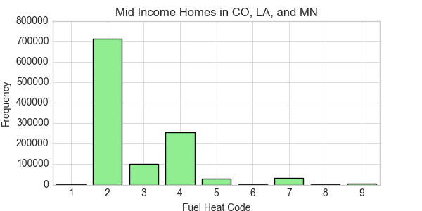
 | 2 | Utility gas from undergroudn pipes serving neighborhood
 | 3 | Bottled, tank, or liquefied petroleum gas
 | 4 | Electricity
 | 5 | Fuel oil, kerosene, other liquid fuels
 | 6 | Coal or coke
 | 7 | Wood
 | 8 | Solar energy
 | 9 | Other

Fuel Heat
 | Sum HH | 449281 | 1142916 | 2213180

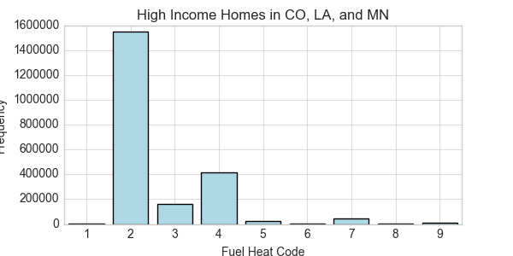
 |  | Percent
 | fuelheat | Low Income | Mid Income | High Income
 | 1 | 0.2% | 0.1% | 0.1%
 | 2 | 58.6% | 62.6% | 70.0%
 | 3 | 8.6% | 8.8% | 7.2%
 | 4 | 26.2% | 22.5% | 18.9%
 | 5 | 2.9% | 2.4% | 1.2%
 | 6 | 0.1% | 0.0% | 0.0%
 | 7 | 2.9% | 3.0% | 2.0%
 | 8 | 0.1% | 0.0% | 0.1%
 | 9 | 0.5% | 0.6% | 0.4%

