LJ Speech
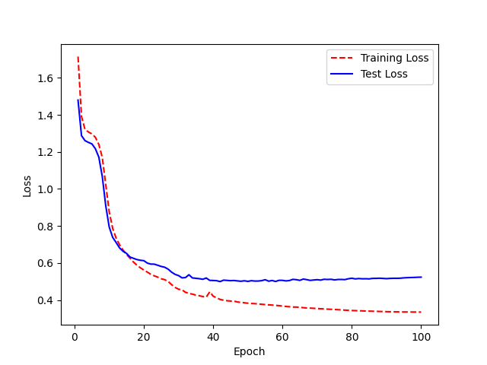
 |  | New hyperparam results | Target | Prediction | WER
 |  |  | <on the other hand, lords cranworth and wensleydale recommended private executions# so did mr. spencer walpole, m.p.> | <on the other hand were though executions. so devideee. so it executions, and wencer wall ended private executions. more the em fa.> | 1.1176470588
 |  |  | <in those arguments, quote, and make himself come out top dog, end quote.> | <in nose artiiimance, quote, you mounds, are gemans, are he most artiments, end quote.> | 0.76923076923
 |  |  | <question# and why was no effort made at that time to inspect his back? answer#> | <questioned at that time to ense patches back, and while was no effort.> | 1
 |  |  | <mrs. tarpey was almost immediately captured and put on her trial, but she was acquitted on the plea that she had acted under the coercion of her husband.> | <mrs. quote, she had aggenedly capture an eyewas almost emmediately was almost immediately capture and purpy on her trial, but she was almost emmediately capturedor husboad.> | 0.89285714286
 |  |  | <mrs. paine had the actual blanket before her as she testified and she indicated that the blanket hung limp in the officer#s hand.> | <mrs. paine had the actual bling been actual blanked and she testified hit that abling hibut hunged linked at the blanket of lingted that the actual blingted.> | 0.73913043478
 |  |  | <he felt that this was a great man that he had received the letter from, end quote.> | <effolder from, that this was agregaired nadded the letter for on. end quote.> | 0.64705882353
 |  |  | <and told him a similar story to craig#s.> | <and told him a similar story to credx.> | 0.125
 | num_hid num_head num_feed_forward num_layers_enc num_layers_dec |  | <oswald purchased the money order for the rifle on march twelve, the rifle was shipped on march twenty, and the shooting occurred on april ten.> | <oswald ten. the rifle wished twelve was should ding accurred on marcht twelve, and the shoould intenae perchto twelve#t on appolitee pull exhip your fould the marched twen.> | 0.92
 | 0 64 2 512 2 5 |  | <this plan will save our national constitution from hardening of the judicial arteries.> | <this plannent from hurden from hurt name of the judicial arteries.> | 0.61538461538
 | Sampling Rate changed to 16k |  | <on november twentytwo, oswald told captain fritz that he rode a bus to a stop near his home and then walked to his roominghouse.> | <undougher his home, oswald told told told told them walked told them walked told told told captan fritz and then walked too estoleminghouse.> | 0.79166666667
 |  |  | <oswald probably engaged his superiors in arguments on a subject that he had studied> | <oswald probably ingaged it headst oswald probably jame in argumen styget#> | 0.85714285714
 |  |  | <no additional place would be created.> | <no additional place would be previated> | 0.16666666667
 |  |  | <to the exclusion of all other rifles of the same general configuration, end quote.> | <to the excouse of the same general configuration, end quote.> | 0.35714285714
 |  |  | <prisoners on reception were treated as they are nowadays bathed, dressed in prison clothes, and inspected by the surgeon.> | <and inspection were treasuled, dressed in prisoners or mose, bates, and inspection prisoners or mouts, dressears or enprisoners or may the to days, bates,> | 1.2105263158
 |  |  | <and i felt like there hadn#t been more than one eyewitness, and if it got to be a known fact that i was an eyewitness, my family or i, either one, might not be safe.> | <an if either had ally are i way i there i waitnist, i waitness, and been more than one appeaca #might witness, i fleen benown might to be sate.> | 0.94285714286
 |  |  | <and then used the, quote, special treatment, end quote, he received as an example of the way in which he was being picked on and, quote,> | <and then must being pictominent, quote, he received, as next on and quote, as next on, and, quote, as mexample the way in which he was being, end,end,> | 0.80769230769
 |  |  | <he was promptly rescued from his perilous condition, but not before his face and hands were badly scorched.> | <he was propared from his propached. but not guply restubed from his space and hands were badlay scondition were badly scoret.> | 0.66666666667
 |  |  | <with atmospheric air containing its ordinary minute dose of carbonic acid and with nothing else but sunlight and heat.> | <with at meary my use or innary might inhealscub containing its are containing export and with nothing also containing etheat,> | 0.94736842105
 |  |  | <when the time is up and the rolls are puffy and promising, set them in a pretty quick oven and bake half an hour,> | <when the timesent set them an apprity quit of an apprety quet queen set them and bake halfin out and the rols are puffin outer.> | 0.875
 |  |  | <so if i found all of these then i would have been able to say these fibers probably had come from this blanket. but since i found so few,> | <so five would have been able to say the is fibers probably had comfound all of this blanket, and that i sif #i thousand of few and out all of the usprom.> | 0.93103448276
 |  |  | <whaley was somewhat imprecise as to where he unloaded his passenger.> | <whaley was some what imperecice as to where the unluted his passenger.> | 0.45454545455
 |  |  | <berossus, a priest of the temple of bel at babylon, writing about two fifty b.c.,> | <burropses of the temploitee thelet babylon arighting about to fifty bease of the templeted the evilet babylon about about aboundoned ring.> | 1.2666666667
 |  |  | <these evidences have been in the past thirty years somewhat overshadowed by the far more surprising evidences> | <they the farmoors apprising of insis have been in the passed their years, some on as is have been in the passed> | 1.0588235294
 |  |  | <the costs in heavier debts always doubled the sum# if the arrest was made in the country it trebled it.> | <the colls sin heavyore debtouckentrate, itarvesed was betreadl#s bused of a some. the theur deathest was made in the country,> | 0.85
 |  |  | <the police wished to refer to greenacre, but as he was not forthcoming,> | <the police which to greenacre bthat as he was not forthwelkel eswicity was not forth come in> | 0.92307692308
LJ Speech new hyperparameters |  |  | <the exchange of letters dated august thirtyone, nineteen sixtyfour,> | <the exchange of letters thirty one nineteen sixty four,> | 0.55555555556
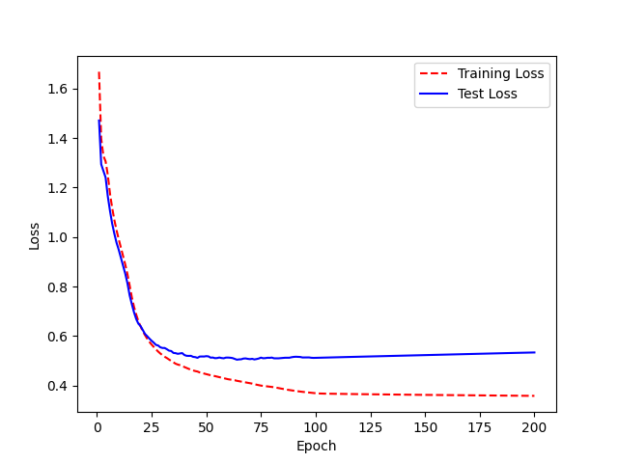
 |  |  | <through the underpass and leads into an access road,> | <through the underpass and leaves into enderpass were oad> | 0.44444444444
 |  |  | <and the average daily number committed that year amounted to three thousand, nine hundred eightyfive.> | <and average daily number committed that undreate, year amounted to photograph of a mitted edamuc amounted to three foyge.> | 0.73333333333
 |  |  | <under which wages, hours and working conditions> | <underwhitsions and working convit. aliges# when where whitsh.> | 1.1428571429
 |  |  | <mexico, and was consumed at the rate of a hogshead per week.> | <mexicolnerate of uhonds head consumed at the rade of reid of law and was conciul.> | 0.91666666667
 |  |  | <was still practiced, that of loading newlyarrived prisoners until they paid certain fees.> | <was still prompt prisoners that of loating newly paid circumpt is until they paid sir and till they cirse.> | 0.92307692308
 |  |  | <partisanship, and personal activities on behalf of the cuban government.> | <party#s insuities on behalf of the cubing government. and personlace insierved.> | 0.9
 |  |  | <neighbors and others who knew him at that time recall an introverted boy who read a great deal.> | <navars, and others was read a great deal. who wrich boy him that time recalled and introverted boyed recall.> | 0.94444444444
 |  |  | <#i think i could do that sort of job,# said calcraft, on the spur of the moment.> | <by fiinght lifing idea though craft on the spar of the moment johnsparaft,> | 0.82352941176
 |  |  | <and only after the completion of this process can all the food be absorbed into the circulation.> | <and unall the food be abserved into the sercialation of this froct of the circulation.> | 0.76470588235
 |  |  | <his object in visiting whitchurch was to undermine the honesty of some workman in the mills#> | <his eyesty of some outside the enermined the object in visiting which was to under mind and and envills.> | 1.0625
 |  |  | <but the vacillating policy in the matter of rudiments does not end here# for it is shown in a still more aggravated form> | <but that very and hear aggent for in a still more aggrivating policy, for it is showing and had in the matter rudimenced osee,> | 0.86956521739
 |  |  | <but unlike that of the animal, it is not chiefly an income of foods, but only of the raw materials of food.> | <but only have only been income a foods, but it is not chiefly and incomarter alightda of the raught it is not chiefly and of foodse of food.> | 0.90909090909
 |  |  | <he had printed a handbill headed in large letters, quote,> | <he had printed in large letters, quote, head a hand bill headed in large> | 1
 |  |  | <this dissection was carried out for newgate prisoners in surgeons# hall, adjoining newgate,> | <this dicection was carried out ferennoons hall en joining newgate,> | 0.61538461538
 |  |  | <painters, plasterers, and carpenters were allowed to follow their handicrafts, with the reward of sixpence per diem and a double allowance of food.> | <pained equarte of sixth of followed to effosterned to rewers and craffis, laster of six piniome, and a dublic to fellowance of followen sofice laster,> | 0.91304347826
 |  |  | <#in our late visits,# they say, #we have seen manifest indications of a retrograde movement in this respect,> | <in our laved visits respect. we has seen manifest indications of arreed true retru retrograte movement in this respect.> | 0.66666666667
 |  |  | <frazier doubted whether the bag that oswald carried was as wide as the bag found on the sixth floor, although mrs. randle testified> | <fraziered doubted whether the bag as wide as the vagage altippi was as wide as the vagage found on the sixth floor whether the bag> | 0.5652173913
 |  |  | <but a long public discussion followed, and in consequence he was reprieved.> | <but along public discutde, followed, and in consicuityed.> | 0.58333333333
 |  |  | <he asked his wife to help him to hijack an airplane to get there, but gave up that scheme when she refused.> | <he asked a cany when she refused. but him to huside refused. but a gave up that spene to give to chap anyoreakite.> | 0.81818181818
 |  |  | <and that from the time of his conviction nothing but what is consolatory should be addressed to a criminal.> | <and that from the time of his conviction beged rest to corps to crimina, chimmy besioned it is convictory of the time> | 0.73684210526
 |  |  | <and the curtailment of rank stock speculation through the securities exchange act.> | <and of the court hale ment through the securit is extact stoxeculation, through the seculation, of ranget.> | 1.0833333333
 |  |  | <the shameful malpractices of bambridge,> | <the shamed full mouth bambridge.> | 0.8
 |  |  | <that he had sought and obtained a passport on june twentyfive, nineteen sixtythree.> | <that he had saw an obtained a passport on geont deoth nineteen sixty five nineteen sixty three.> | 0.69230769231
 |  |  | <he had been led to suppose that twelve months# imprisonment was the utmost the law could inflict, and he broke down utterly under the unexpected blow.> | <he had been legs was the unce the long#s imprisonment under the unce the walked inflicted blocked well could inflight to suppose on expected unden expected blow.> | 0.76923076923
 |  |  | <she said, quote, no# by golly, he didn#t, end quote, and turned around, but the man was nowhere in sight.> | <she said, quote, by gold, no, by gold, at the man was nower inside, end quote, but the man was nower in side, end quote.> | 0.8
 |  |  | <all this does seem to amount to enough to have induced an alert agency, such as the fbi,> | <all this dust as the fbi, such as the fbi, agency, to anothi, sociasy for to having do aid> | 0.94444444444
 |  |  | <if oswald left the depository building at twelve#thirtythree p.m.,> | <if the dread oswald left that pository building at twelve#thirty three p.m.> | 0.77777777778
 |  |  | <the interesting thing, or rather the danger involved, was the fact that oswald seemed like such a nice, bright boy> | <the intresting like such a night such a nighterous bright boild, was bright that oswald seen built, the intright that oswald.> | 0.95
 |  |  | <this block contained one hundred and thirty cells, embracing every modern improvement#> | <this block contain one hundred in thirty sells, amracing every margey sells, imbring prove mid.> | 0.75
 |  |  | <they had vacated their apartment, and marina oswald had departed with their child in a station wagon with texas registration.> | <they had vacation was texas realed in a station was texas rejecess reaichilddled in with their childine oswald had department and vacation.> | 0.95
 |  |  | <nor was there any indication that the lift had been performed.> | <nor was there an idecation that the life had been performed.> | 0.27272727273
 |  |  | <the ink was barely dry upon their letters of appointment before they appeared at newgate, and commenced a searching investigation.> | <the engwate appeared at newgate appearent uninevent before the appearent and commented the forthey appeared that newgate appeared at newgate apered the pone.> | 1.05
 |  |  | <because of insufficient postage, which apparently resulted from an increase in postal rates of which his wife had been unaware.> | <because of insofficient postal rate, which apparently resulted of which apparently resulted from an increase in on aware.> | 0.8
 |  |  | <nor is this goal served when agents remain out until early morning hours, and lose the opportunity to get a reasonable amount of sleep.> | <nor as is goal amount of sleep to very escoll are is no learly morning out when agents remain hount of sleep to venity when he hount enourally morning eye.> | 1.0833333333
 |  |  | <marina oswald#s testimony indicates that her husband was not particularly concerned about his continued possession of the most incriminating sort of evidence.> | <marinating oswald#s testimonatic uncriminating silken and oswald#s desess though hosphert evidents of the most money indicate possession of the most hater ats the pengerhapse#s.> | 0.86363636364
 |  |  | <and measures taken to arrest them when their plans were so far developed that no doubt could remain as to their guilt.> | <and mass them, when their plence were so fordoubt could arrest fem, when their plence were so for divel up enemyared gilled.> | 0.90909090909
 |  |  | <it was thought that this would guarantee constant supervision and inspection, but it did nothing of the kind, and only the presence of warders on duty> | <it was, but that this would once supervision but and inspection and all live the constance supervision and only the presence of warders on duty.> | 0.53846153846
 |  |  | <the sufferer was a porter on the london, chatham, and dover railway, sentenced to death for shooting the stationmaster at dover.> | <the suffer and doverwife rewer railward was a porter at do the lundes to dath ficiffere, chapter was a porter was apporter at datt dug#> | 1
 |  |  | <the precious metal was sent from place to place carefully locked up and guarded, no doubt#> | <the praches metal was sent from place carefully locked the press metal was sent no doubt,> | 0.5625
 |  |  | <tippit stopped the man and called him to his car.> | <tippit stop the man and called him to is car.> | 0.2
 |  |  | <after this nothing remained but to wait for some occasion when the amount transmitted would be sufficient to justify the risks of robbery.> | <after this officient to gust five to waiton mained but to waiton when the immouncasion when the imouted would be sefficient to justified to judgree.> | 0.82608695652
 |  |  | <answer# i said it would be better if i remained with ruth until the holidays, he would come, and we would all meet together.> | <answery fired, is had would be better effirit fiber only together, i sat it would be would come answery only each bether.> | 0.83333333333
 |  |  | <its bricks, measuring about thirteen inches square and three inches in thickness, were burned and stamped with the usual short inscription#> | <it wall shorteen ingering burned in stand#s thickness, were burned in steamph#s ith thickness sweaks were ironed three inition were burned three ingouse of the utilsuiset#> | 1.1428571429
 |  |  | <but it was based upon more extended and audacious forgeries.> | <by the did wisis based a hunt loreus fourgery stended ant led condatious fourgeryss#> | 1.3
 |  |  | <which grows as one speaks to him, end quote.> | <which krowse as one speak to him, end quote.> | 0.22222222222
 |  |  | <finally, the entry of january four to thirtyone of nineteen sixtyone, quote,> | <finally, the entry of janily, quote, of nintew one of nineteen sixty one, quote,> | 0.58333333333
 |  |  | <chapter four. the assassin# part five.> | <chapter four. the assassin# part five.> | 0
 |  |  | <it was so used for the date of the abolition of the star chamber in the sixteenth charles the first> | <it was sixteric and the date of the abolished furths, the with used furth it was si was sylessed terrouced.> | 0.7
 |  |  | <in eighteen thirtyseven the death penalty was practically limited to murder or attempts to murder,> | <in act attempts to murder, or attempts to murder, the defban or attempts immerger, the death and unitain thirty seven. limited sevents imurder> | 1.3333333333
 |  |  | <solomons also established a system of provincial agency, by which stolen goods were passed on from london to the seaports, and so abroad.> | <soleman#s also agent scept which stolen goods were past on from london to the sepe ports and so broad, by which stone from london to the sype or the sceene sceapoud.> | 1.0434782609
 |  |  | <as discussed in chapter six, she failed to report this to agent hosty> | <as descussed in chapter six, she founds, to wagent hosty,> | 0.53846153846
 |  |  | <the prison was a nest of abuses, like its neighbor the king#s bench> | <the prison was and necestive abuses loked exess, the prison was and was and was vent.> | 1
 |  |  | <but in babylonia stone was difficult to obtain, and sculptures were very rare.> | <but in bebulted fook invebul to ep stone#s georgerie rare, and sung#s colctobery.> | 0.84615384615
 |  |  | <above the murmur and tumult of that noisy assembly, the lowing and bleating of cattle as they were driven into the stalls and pens of smithfield> | <above the moling and into the smith beling and bleec the ostals and penbly the lowing and into the stoles, as they were driven into the smith bel the mulne,> | 0.73076923077
 |  |  | <as in a mountainous country, it is impossible to say where mountain ends and valley begins# as in the development of an animal,> | <as impossible to say ware mountain animale to escuntary it is impossible to say as a mountain and egain animale.> | 0.86956521739
 |  |  | <why not relieve newgate by drawing more largely upon the superior accommodation which millbank offered?> | <why not the superior combidation which no bag got releave newgate by drawing more langely of newgate by drawing a homight of the commodante> | 1.2
 |  |  | <mr. newman admitted that he had petitioned that certain #trusty men# might be left in the jail.> | <mr. newman, trustian, trustian, drustian, eithed potition, minuted man admittted that mr. newman trustial.> | 0.94117647059
 |  |  | <whatever their purposes presidential journeys have greatly enlarged and complicated the task of protecting the president.> | <what have red their purposessesses, how greatly emlarged and complicated the task of protecting the president.> | 0.4375
 |  |  | <police sirens sounded along jefferson boulevard.> | <police the sound belonger ins sound the long juffers so boularnt,> | 1.6666666667
 |  |  | <all vertebrates, and none other, have a number of their anterior vertebral joints enlarged and consolidated into a box to form the skull,> | <all vertebrats, and lirest and saladated, into abover the scalve oxtuf form the scolod at enon up into above their ententurier have a number of their enterior.> | 1.0434782609
 |  |  | <advance preparations.> | <edyanth preparations.> | 0.5
 |  |  | <under our system of justice no forum could properly make that determination unless oswald were before it.> | <under out on less austice, #oswald worth for it. no though thorough the foreign as the attatuse, and eup gestist of justien couldarlyc.> | 1.2352941176
 |  |  | <his marine career was not helped by his attitude> | <his mare was not helpt by his atimate tubed,> | 0.55555555556
 |  |  | <for while roman catholics and dissenters were encouraged to see ministers of their own persuasion,> | <and decenters, were while disenters, were incapilex, and dissenters# were incarding for which to seventors# were incarding> | 1
 |  |  | <#do tell me, sir# i am informed i shall go down with great force# is it so?#> | <dute form it great form it great form it great form it great form #four.> | 0.94117647059
 |  |  | <in the plant also oxygen is absorbed through the epidermis and stomata from the air.> | <in the plant also oxomonous and stymple, normacigned through the at dirt through the at also ### stymmous and ormessele,> | 0.93333333333
 |  |  | <he wanted a light for a cigar, and got it from a lantern which was lifted up and fully betrayed his features.> | <he bought to delighte fully betray his feetures, and fully betrayed his feetures.> | 0.77272727273
 |  |  | <the vice president conferred with white house assistant press secretary malcolm kilduff> | <the vice president confirred with white housest in president confirred with white housest fireng mouth,> | 0.83333333333
 |  |  | <oswald#s departure from building.> | <oswald#s uparture from building.> | 0.25
 |  |  | <in evaluating data processing techniques of the secret service,> | <in evaluating daday approcession techniques of the sinteed a processing igdeers,> | 0.66666666667
 |  |  | <with the alinement of the assassin#s rifle, at a range of one hundred seventyseven to two hundred sixtysix feet.> | <with the assassin#s rifle, at a rain de sevent of one hundrey fall, at a reange of one dreak, sixty six six six six six#> | 0.94736842105
 |  |  | <to be able to provide effective continuing supervision> | <to be abonk at who engletoph continue supervished of continue> | 1
 |  |  | <a heavy brutish fellow, was yet aghast at his wife#s resolve, and tried hard to dissuade her from bad purpose.> | <ahevered to diswaterity dapard does ye heard to disway belove, and tried her from bad purpose.> | 0.7
 |  |  | <on october three, hosty reopened the case in dallas to assist the new orleans office.> | <on october three open who systed yourliand the kison dallas, to has denieupe on octobs.> | 0.86666666667
 |  |  | <well, in order to achieve three hits, it would not be required that a man be an exceptional shot. a proficient man with this weapon, yes, end quote.> | <well inorer than a man with this weapon a prefersion and man be in exceptional shot, end quech in a certional shot, end quote, a prficien# man with twentyhin#> | 1
 |  |  | <but in either event he would have been in the roominghouse at about one p.m.> | <but in is he would have been in the roominghouse at about one p.m.> | 0.13333333333
 |  |  | <the chronicles of newgate, volume two. by arthur griffiths. section thirteen# newgate notorieties, part one.> | <a congles of newgate notorifiths. section thirteen. section, thirteen, no drive it hims part one#> | 0.86666666667
 |  |  | <when such goods arrived they were frequently left at a wharf, paying rent until it suited the importer to remove them.> | <when such goods arrived able warder to moved frequents arrived abuse arived again at go warder to remove when such goods goodsie.> | 0.85714285714
 |  |  | <where within the limits of the same natural group of organisms a rudiment is sometimes present and sometimes absent.> | <whale its of the same natural group room alimits of the same natural groupend, are rudiment is sometimes and sometime.> | 0.73684210526
 |  |  | <national laws are needed to complete that program.> | <national dallas on need that program of that program,> | 0.875
 |  |  | <the employees raced the elevators to the first floor. givens saw oswald standing at the gate on the fifth floor as the elevator went by.> | <the employees arrace to the floor as the elevatores to the fifth floor as the elevator went on the fifth floor as the elevator went by,> | 0.56
 |  |  | <it was benavides, using tippit#s car radio, who first reported the killing of patrolman tippit at about one#sixteen p.m.#> | <it was benaviding p.m., who firstre ported the killing of proported the killing of protralman tippit scar radio, who porteive tippit, us usexteen tipit,> | 0.94736842105
 |  |  | <onto the rear of the presidential plane where seats had been removed to make room.> | <on to the rear of the presidential plain were seat had been removed to make were seat had been removed to make were seated had bengear ondoom.> | 1.1333333333
 |  |  | <he adhered to this almost to the very last. his case had been warmly espoused by the society for the protection of germans in this country,> | <he had he had hereiged for the protection of jourmance in this contry, last to the berylas, his had been warm liast almost by the stiyet spon treate.> | 1
 |  |  | <they intentionally mentioned a most unfavorable hour.> | <they intentioned a most lunnefaverable hour.> | 0.42857142857
 |  |  | <called the clerk of the papers, attends daily. end quote.> | <called the clar the papers, aboa clar the clart of the papers, end quote.> | 0.9
 |  |  | <their main function was to spot trouble in advance and to direct any necessary steps to meet the trouble.> | <there main functroble in advance, and to direct in advance to meet the truble, in advice to meet the truble.> | 0.73684210526
 |  |  | <for cyrus had done neither the one nor the other when he took babylon.> | <for sirects had done neither when he to babylon.> | 0.5
 |  |  | <who yet faced extraordinary risks to advance their enlargement by only a few hours.> | <who who yet face their enlargement by only a few anst extra marised their enlargement by only affuse.> | 1
 |  |  | <the first constable who entered thistlewood ran through the body with a sword, but others quickly followed,> | <but others quit leffers quit lee followed, thistle who anterored, fifters quit lefel who entered, but other through the body with rand.> | 1.2352941176
 |  |  | <which advise it of potential threats immediately before the visit of the president to their community.> | <which advise at of threats, immediately before the visit of put hould their community,> | 0.4375
 |  |  | <the fireside chats of franklin delano roosevelt, by franklin d roosevelt, section six.> | <the firus of #findle no roosevelt, by franklin delino of the traches, section sit sit chats of elt by frightwaten sitts of eld#> | 1.3846153846
 |  |  | <prescribed nominally by the fresh doctor, for which palmer had substituted his own.> | <pressubsed it you did his almer had sobstituted his upstituded his upstituded his home.> | 1
 |  |  | <vicepresidential car.> | <vice presidential car,> | 1.5
 |  |  | <he seems to have improved the occasion when preaching the condemned sermon before fauntleroy, by pointing a moral from that unhappy man#s own case.> | <he seceeding the condemned bfauntleroy by marle ruy by powen proved that on that be mans own case. by plenting immmoral from happing the condemned sermon befonds.> | 1.0416666667
 |  |  | <he carried me away by fraud and stratagem, and forced me to accompany him to gretna green> | <he carry, meangengement agrest inchemney have been at recotted great me hand to grean to gret five for a thint struggentned and far eemptedau aghtumey.> | 1.2941176471
 |  |  | <and the costliness of enlarging it, forbade all idea of entirely reconstructing the jail so as to constitute it a model prison.> | <and the costline has to tute forbating it, so as to constructing the jail, for bade alwarding at amoubtle, so as to tute in the jail, prison.> | 0.90909090909
 |  |  | <these were undoubtedly perennibranchs. in the permian and triassic higher forms appeared, which were certainly caducibranch.> | <these reond doubtedly piran and try asic, which were certainly cadured. him the perifforms eapite in the perial and outed and and trial.> | 1.25
 |  |  | <that the interruption shall not take place for an hour, end quote.> | <that the indiruction shon oction shon not take place port, end quote.> | 0.58333333333
 |  |  | <in another borough, with a population of ten thousand, the prison was of the same dimensions.> | <in another burrook, the prison was of the same dimention of ten thousand, with a opecion of tenth outice.> | 0.875
 |  |  | <so far as the fbi knew he had not shown any potential for violence.> | <so for as the ad not shown any putatabiatiative he had not shown any reilence.> | 0.64285714286
 |  |  | <a space of about twentythree feet separated it from its inner part, which was about twenty feet in width.> | <a spare feat severated in operated in opperated in opperenty feat from it width. which was about twenty feet severy feets in are part art,> | 0.94736842105
 |  |  | <they are absorbed by the circulating liquids and carried to the eliminating organs, lungs and kidneys chiefly, for elimination.> | <there absorb but serculiting liquids and came nating organs for eliminating organized longs and cagnes and encautely, for elically,> | 0.84210526316
 |  |  | <which gave him access to all parts of the mills, the packingroom included.> | <which gave ham access the papes of the mills# the packing room in cluded.> | 0.69230769231
 |  |  | <they talked of the days when the convicts were hung up a dozen or more in a row#> | <they talked at the days when the congtics were hun the congrembets were hundred the days when or more.> | 0.66666666667

LJ_UA OLD
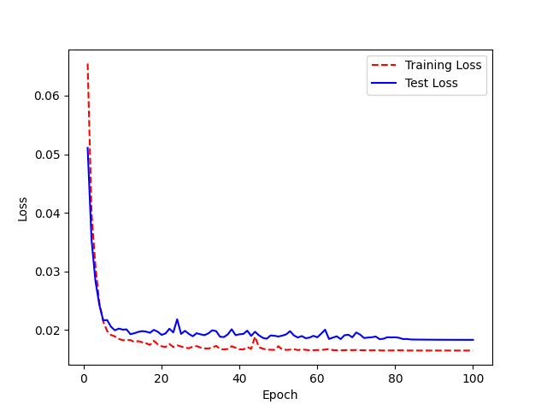
LJ Speech model trained with Ua speech |  | Target | Prediction | WRA
 |  | <him> | <him> | 0
 |  | <water> | <water> | 0
 | Accuracy 89% | <look> | <look> | 0
 |  | <come> | <come> | 0
 |  | <would> | <would> | 0
 |  | <enter> | <enter> | 0
 |  | <victor> | <victor> | 0
 |  | <upward> | <upward> | 0
 |  | <are> | <are> | 0
 |  | <whiskey> | <whiskey> | 0
 |  | <november> | <november> | 0
 |  | <delete> | <delete> | 0
 |  | <would> | <would> | 0
 |  | <two> | <two> | 0
 |  | <go> | <go> | 0
 |  | <these> | <these> | 0
 |  | <people> | <people> | 0
 |  | <first> | <first> | 0
 |  | <paragraph> | <paragraph> | 0
 |  | <will> | <will> | 0
 |  | <india> | <india> | 0
 |  | <to> | <two> | 1
 |  | <made> | <may> | 1
 |  | <has> | <has> | 0
 |  | <but> | <what> | 1
 |  | <in> | <in> | 0
 |  | <in> | <in> | 0
 |  | <part> | <part> | 0
 |  | <not> | <not> | 0
 |  | <alt> | <alt> | 0
 |  | <word> | <word> | 0
 |  | <when> | <when> | 0
 |  | <their> | <there> | 1
 |  | <for> | <or> | 1
 |  | <him> | <him> | 0
 |  | <come> | <come> | 0
 |  | <may> | <may> | 0
 |  | <made> | <may> | 1
 |  | <will> | <will> | 0
 |  | <to> | <to> | 0
 |  | <get> | <get> | 0
 |  | <these> | <these> | 0
 |  | <long> | <long> | 0
 |  | <uniform> | <uniform> | 0
 |  | <delete> | <delete> | 0
 |  | <them> | <then> | 1
 |  | <they> | <day> | 1
 |  | <copy> | <copy> | 0
 |  | <your> | <your> | 0
 |  | <nine> | <nine> | 0
 |  | <bravo> | <bravo> | 0
 |  | <downward> | <downward> | 0
 |  | <lima> | <lima> | 0
 |  | <delete> | <delete> | 0
 |  | <and> | <and> | 0
 |  | <his> | <his> | 0
 |  | <nine> | <nine> | 0
 |  | <now> | <now> | 0
 |  | <bravo> | <bravo> | 0
 |  | <how> | <call> | 1
 |  | <if> | <if> | 0
 |  | <yankee> | <yankee> | 0
 |  | <about> | <quebec> | 1
 |  | <zulu> | <zulu> | 0
 |  | <uniform> | <uniform> | 0
 |  | <how> | <call> | 1
 |  | <sentence> | <sentence> | 0
 |  | <for> | <four> | 1
 |  | <romeo> | <romeo> | 0
 |  | <your> | <your> | 0
 |  | <zero> | <zero> | 0
 |  | <line> | <line> | 0
 |  | <oh> | <oh> | 0
 |  | <so> | <so> | 0
 |  | <golf> | <golf> | 0
 |  | <will> | <will> | 0
 |  | <hotel> | <hotel> | 0
 |  | <come> | <come> | 0
 |  | <has> | <has> | 0
 |  | <up> | <alt> | 1
 |  | <word> | <were> | 1
 |  | <day> | <day> | 0
 |  | <sentence> | <sentence> | 0
 |  | <oil> | <oil> | 0
 |  | <five> | <five> | 0
 |  | <out> | <out> | 0
 |  | <one> | <one> | 0
 |  | <downward> | <downward> | 0
 |  | <or> | <or> | 0
 |  | <hotel> | <hotel> | 0
 |  | <romeo> | <romeo> | 0
 |  | <victor> | <victor> | 0
 |  | <see> | <see> | 0
 |  | <your> | <your> | 0
 |  | <other> | <other> | 0
 |  | <your> | <your> | 0
 |  | <like> | <like> | 0
 |  | <this> | <this> | 0
 |  | <one> | <one> | 0
 |  | <four> | <for> | 1
 |  | <which> | <which> | 0
 |  | <call> | <call> | 0
 |  | <come> | <come> | 0
 |  | <all> | <all> | 0
 |  | <backspace> | <backspace> | 0
 |  | <have> | <have> | 0
 |  | <line> | <line> | 0
 |  | <oh> | <oh> | 0
 |  | <has> | <has> | 0
 |  | <left> | <left> | 0
 |  | <than> | <than> | 0
 |  | <is> | <is> | 0
 |  | <delete> | <delete> | 0
 |  | <each> | <each> | 0
 |  | <lima> | <lima> | 0
 |  | <bravo> | <bravo> | 0
 |  | <bravo> | <bravo> | 0
 |  | <other> | <other> | 0
 |  | <two> | <to> | 1
 |  | <zulu> | <zulu> | 0
 |  | <quebec> | <quebec> | 0
 |  | <delete> | <delete> | 0
 |  | <may> | <may> | 0
 |  | <and> | <and> | 0
 |  | <nine> | <nine> | 0
 |  | <paragraph> | <paragraph> | 0
 |  | <way> | <way> | 0
 |  | <it> | <did> | 1
 |  | <delta> | <delta> | 0
 |  | <them> | <them> | 0
 |  | <command> | <command> | 0
 |  | <papa> | <papa> | 0
 |  | <golf> | <golf> | 0
 |  | <she> | <she> | 0
 |  | <or> | <or> | 0
 |  | <out> | <out> | 0
 |  | <to> | <to> | 0
 |  | <delete> | <delete> | 0
 |  | <would> | <would> | 0
 |  | <time> | <time> | 0
 |  | <shift> | <shift> | 0
 |  | <have> | <had> | 1
 |  | <lima> | <lima> | 0
 |  | <from> | <from> | 0
 |  | <down> | <down> | 0
 |  | <their> | <there> | 1
 |  | <was> | <was> | 0
 |  | <they> | <they> | 0
 |  | <my> | <my> | 0
 |  | <yes> | <yes> | 0
 |  | <but> | <what> | 1
 |  | <six> | <six> | 0
 |  | <of> | <of> | 0
 |  | <were> | <were> | 0
 |  | <four> | <four> | 0
 |  | <he> | <he> | 0
 |  | <were> | <were> | 0
 |  | <many> | <may> | 1
 |  | <how> | <call> | 1
 |  | <two> | <to> | 1
 |  | <at> | <at> | 0
 |  | <in> | <in> | 0
 |  | <were> | <were> | 0
 |  | <quebec> | <quebec> | 0
 |  | <with> | <with> | 0
 |  | <have> | <had> | 1
 |  | <paragraph> | <paragraph> | 0
 |  | <she> | <she> | 0
 |  | <at> | <at> | 0
 |  | <control> | <control> | 0
 |  | <this> | <this> | 0
 |  | <mike> | <mike> | 0
 |  | <backspace> | <backspace> | 0
 |  | <you> | <you> | 0
 |  | <they> | <they> | 0
 |  | <more> | <more> | 0
 |  | <people> | <people> | 0
 |  | <her> | <her> | 0
 |  | <said> | <said> | 0
 |  | <way> | <way> | 0
 |  | <a> | <a> | 0
 |  | <her> | <her> | 0
 |  | <get> | <it> | 1
 |  | <you> | <you> | 0
 |  | <lima> | <lima> | 0
 |  | <on> | <on> | 0
 |  | <may> | <may> | 0
 |  | <upward> | <upward> | 0
 |  | <six> | <six> | 0
 |  | <can> | <can> | 0
 |  | <seven> | <seven> | 0
 |  | <to> | <to> | 0
 |  | <tab> | <tab> | 0
 |  | <on> | <on> | 0
 |  | <each> | <each> | 0
 |  | <have> | <have> | 0
 |  | <their> | <there> | 1
 |  | <find> | <find> | 0
 |  | <him> | <him> | 0
 |  | <go> | <go> | 0
 |  | <with> | <with> | 0
 |  | <than> | <then> | 1
 |  | <if> | <if> | 0
 |  | <first> | <first> | 0
 |  | <with> | <with> | 0
 |  | <enter> | <enter> | 0
 |  | <has> | <has> | 0
 |  | <day> | <day> | 0
 |  | <like> | <like> | 0
 |  | <part> | <part> | 0
 |  | <his> | <his> | 0
 |  | <escape> | <escape> | 0
 |  | <not> | <not> | 0
 |  | <escape> | <escape> | 0
 |  | <oh> | <oh> | 0
 |  | <them> | <then> | 1
 |  | <six> | <six> | 0
 |  | <control> | <control> | 0
 |  | <their> | <there> | 1
 |  | <cut> | <cut> | 0
 |  | <on> | <on> | 0
 |  | <downward> | <delta> | 1
 |  | <it> | <did> | 1
 |  | <out> | <out> | 0
 |  | <part> | <part> | 0
 |  | <all> | <all> | 0
 |  | <like> | <like> | 0
 |  | <paragraph> | <paragraph> | 0
 |  | <do> | <do> | 0
 |  | <so> | <so> | 0
 |  | <get> | <hid> | 1
 |  | <whiskey> | <whiskey> | 0
 |  | <do> | <do> | 0
 |  | <did> | <did> | 0
 |  | <my> | <my> | 0
 |  | <get> | <get> | 0
 |  | <was> | <was> | 0
 |  | <will> | <will> | 0
 |  | <alt> | <alt> | 0
 |  | <zulu> | <zulu> | 0
 |  | <water> | <water> | 0
 |  | <downward> | <downward> | 0
 |  | <word> | <word> | 0
 |  | <first> | <first> | 0
 |  | <who> | <who> | 0
 |  | <two> | <to> | 1
 |  | <shift> | <shift> | 0
 |  | <part> | <part> | 0
 |  | <shift> | <shift> | 0
 |  | <an> | <an> | 0
 |  | <you> | <you> | 0
 |  | <foxtrot> | <foxtrot> | 0
 |  | <and> | <a> | 1
 |  | <tango> | <tango> | 0
 |  | <by> | <by> | 0
 |  | <echo> | <echo> | 0
 |  | <was> | <was> | 0
 |  | <victor> | <victor> | 0
 |  | <mike> | <which> | 1
 |  | <come> | <come> | 0
 |  | <tab> | <that> | 1
 |  | <these> | <these> | 0
 |  | <foxtrot> | <foxtrot> | 0
 |  | <way> | <way> | 0
 |  | <zero> | <zero> | 0
 |  | <four> | <four> | 0
 |  | <be> | <be> | 0
 |  | <november> | <november> | 0
 |  | <tango> | <tango> | 0
 |  | <do> | <do> | 0
 |  | <i> | <i> | 0
 |  | <oh> | <oh> | 0
 |  | <from> | <from> | 0
 |  | <into> | <into> | 0
 |  | <you> | <you> | 0
 |  | <find> | <find> | 0
 |  | <many> | <may> | 1
 |  | <they> | <they> | 0
 |  | <kilo> | <kilo> | 0
 |  | <out> | <out> | 0
 |  | <delete> | <delete> | 0
 |  | <time> | <time> | 0
 |  | <it> | <did> | 1
 |  | <can> | <can> | 0
 |  | <more> | <more> | 0
 |  | <romeo> | <romeo> | 0
 |  | <yes> | <yes> | 0
 |  | <you> | <you> | 0
 |  | <could> | <delete> | 1
 |  | <one> | <one> | 0
 |  | <way> | <way> | 0
 |  | <but> | <but> | 0
 |  | <downward> | <downward> | 0
 |  | <uniform> | <uniform> | 0
 |  | <she> | <she> | 0
 |  | <may> | <may> | 0
 |  | <time> | <time> | 0
 |  | <who> | <who> | 0
 |  | <eight> | <eight> | 0
 |  | <had> | <had> | 0
 |  | <this> | <this> | 0
 |  | <yankee> | <yankee> | 0
 |  | <you> | <you> | 0
 |  | <about> | <about> | 0
 |  | <with> | <with> | 0
 |  | <right> | <right> | 0
 |  | <delete> | <delete> | 0
 |  | <see> | <see> | 0
 |  | <november> | <november> | 0
 |  | <will> | <will> | 0
 |  | <or> | <or> | 0
 |  | <quebec> | <quebec> | 0
 |  | <word> | <word> | 0
 |  | <eight> | <eight> | 0
 |  | <eight> | <eight> | 0
 |  | <out> | <out> | 0
 |  | <the> | <the> | 0
 |  | <water> | <water> | 0
 |  | <people> | <people> | 0
 |  | <downward> | <delta> | 1
 |  | <with> | <with> | 0
 |  | <november> | <november> | 0
 |  | <write> | <write> | 0
 |  | <other> | <other> | 0
 |  | <lima> | <lima> | 0
 |  | <made> | <may> | 1
 |  | <number> | <number> | 0
 |  | <other> | <other> | 0
 |  | <more> | <more> | 0
 |  | <write> | <what> | 1
 |  | <water> | <water> | 0
 |  | <one> | <one> | 0
 |  | <xray> | <xix> | 1
 |  | <had> | <had> | 0
 |  | <be> | <we> | 1
 |  | <his> | <his> | 0
 |  | <tab> | <tab> | 0
 |  | <three> | <three> | 0
 |  | <down> | <down> | 0
 |  | <zulu> | <be> | 1
 |  | <make> | <make> | 0
 |  | <delta> | <delta> | 0
 |  | <papa> | <papa> | 0
 |  | <what> | <what> | 0
 |  | <enter> | <enter> | 0
 |  | <out> | <out> | 0
 |  | <this> | <this> | 0
 |  | <than> | <than> | 0
 |  | <november> | <november> | 0
 |  | <all> | <all> | 0
 |  | <oscar> | <oscar> | 0
 |  | <use> | <use> | 0
 |  | <has> | <has> | 0
 |  | <alt> | <alt> | 0
 |  | <could> | <could> | 0
 |  | <oscar> | <oscar> | 0
 |  | <no> | <no> | 0
 |  | <did> | <did> | 0
 |  | <delta> | <delta> | 0
 |  | <one> | <one> | 0
 |  | <hotel> | <hotel> | 0
 |  | <go> | <go> | 0
 |  | <we> | <we> | 0
 |  | <they> | <they> | 0
 |  | <are> | <are> | 0
 |  | <i> | <i> | 0
 |  | <an> | <an> | 0
 |  | <no> | <no> | 0
 |  | <in> | <in> | 0
 |  | <kilo> | <kilo> | 0
 |  | <nine> | <nine> | 0
 |  | <hotel> | <hotel> | 0
 |  | <india> | <india> | 0
 |  | <command> | <command> | 0
 |  | <see> | <she> | 1
 |  | <sentence> | <sentence> | 0
 |  | <juliet> | <juliet> | 0
 |  | <to> | <to> | 0
 |  | <way> | <way> | 0
 |  | <call> | <call> | 0
 |  | <i> | <i> | 0
 |  | <we> | <we> | 0
 |  | <made> | <made> | 0
 |  | <escape> | <escape> | 0
 |  | <papa> | <papa> | 0
 |  | <enter> | <enter> | 0
 |  | <been> | <been> | 0
 |  | <one> | <one> | 0
 |  | <or> | <or> | 0
 |  | <left> | <left> | 0
 |  | <india> | <india> | 0
 |  | <two> | <to> | 1
 |  | <her> | <her> | 0
 |  | <can> | <can> | 0
 |  | <made> | <made> | 0
 |  | <word> | <word> | 0
 |  | <than> | <than> | 0
 |  | <as> | <as> | 0
 |  | <who> | <who> | 0
 |  | <escape> | <escape> | 0
 |  | <is> | <is> | 0
 |  | <can> | <can> | 0
 |  | <day> | <day> | 0
 |  | <shift> | <shift> | 0
 |  | <up> | <alpha> | 1
 |  | <juliet> | <juliet> | 0
 |  | <as> | <as> | 0
 |  | <mike> | <mike> | 0
 |  | <paste> | <eight> | 1
 |  | <use> | <use> | 0
 |  | <write> | <write> | 0
 |  | <is> | <is> | 0
 |  | <by> | <i> | 1
 |  | <go> | <go> | 0
 |  | <did> | <did> | 0
 |  | <five> | <five> | 0
 |  | <their> | <there> | 1
 |  | <if> | <if> | 0
 |  | <then> | <then> | 0
 |  | <juliet> | <juliet> | 0
 |  | <first> | <first> | 0
 |  | <who> | <who> | 0
 |  | <paste> | <paste> | 0
 |  | <are> | <are> | 0
 |  | <november> | <november> | 0
 |  | <charlie> | <charlie> | 0
 |  | <two> | <two> | 0
 |  | <command> | <command> | 0
 |  | <see> | <see> | 0
 |  | <about> | <about> | 0
 |  | <her> | <her> | 0
 |  | <day> | <day> | 0
 |  | <quebec> | <quebec> | 0
 |  | <golf> | <golf> | 0
 |  | <find> | <find> | 0
 |  | <romeo> | <romeo> | 0
 |  | <uniform> | <uniform> | 0
 |  | <people> | <people> | 0
 |  | <word> | <word> | 0
 |  | <been> | <been> | 0
 |  | <see> | <see> | 0
 |  | <find> | <find> | 0
 |  | <yankee> | <yankee> | 0
 |  | <that> | <they> | 1
 |  | <xray> | <xecartro> | 1
 |  | <command> | <command> | 0
 |  | <juliet> | <juliet> | 0
 |  | <backspace> | <backspace> | 0
 |  | <his> | <his> | 0
 |  | <sierra> | <sierra> | 0
 |  | <find> | <find> | 0
 |  | <out> | <out> | 0
 |  | <five> | <five> | 0
 |  | <in> | <in> | 0
 |  | <five> | <foxtrot> | 1
 |  | <other> | <other> | 0
 |  | <could> | <could> | 0
 |  | <look> | <look> | 0
 |  | <control> | <control> | 0
 |  | <alt> | <alt> | 0
 |  | <some> | <some> | 0
 |  | <word> | <word> | 0
 |  | <her> | <her> | 0
 |  | <zero> | <zero> | 0
 |  | <by> | <by> | 0
 |  | <some> | <some> | 0
 |  | <was> | <was> | 0
 |  | <yes> | <yes> | 0
 |  | <one> | <one> | 0
 |  | <up> | <alt> | 1
 |  | <and> | <a> | 1
 |  | <tab> | <tab> | 0
 |  | <four> | <four> | 0
 |  | <make> | <make> | 0
 |  | <so> | <so> | 0
 |  | <time> | <time> | 0
 |  | <cut> | <cut> | 0
 |  | <an> | <an> | 0
 |  | <now> | <now> | 0
 |  | <your> | <your> | 0
 |  | <uniform> | <uniform> | 0
 |  | <she> | <she> | 0
 |  | <can> | <can> | 0
 |  | <long> | <long> | 0
 |  | <zero> | <zero> | 0
 |  | <her> | <her> | 0
 |  | <your> | <your> | 0
 |  | <to> | <to> | 0
 |  | <backspace> | <backspace> | 0
 |  | <these> | <these> | 0
 |  | <romeo> | <romeo> | 0
 |  | <when> | <would> | 1
 |  | <his> | <his> | 0
 |  | <will> | <will> | 0
 |  | <can> | <can> | 0
 |  | <kilo> | <kilo> | 0
 |  | <line> | <line> | 0
 |  | <these> | <these> | 0
 |  | <romeo> | <romeo> | 0
 |  | <have> | <have> | 0
 |  | <paragraph> | <paragraph> | 0
 |  | <i> | <i> | 0
 |  | <their> | <there> | 1
 |  | <but> | <what> | 1
 |  | <you> | <you> | 0
 |  | <sierra> | <sierra> | 0
 |  | <whiskey> | <whiskey> | 0
 |  | <kilo> | <kilo> | 0
 |  | <mike> | <mike> | 0
 |  | <xray> | <xix> | 1
 |  | <into> | <into> | 0
 |  | <first> | <first> | 0
 |  | <one> | <one> | 0
 |  | <of> | <of> | 0
 |  | <five> | <foxtrot> | 1
 |  | <three> | <three> | 0
 |  | <was> | <was> | 0
 |  | <upward> | <upward> | 0
 |  | <who> | <who> | 0
 |  | <when> | <when> | 0
 |  | <sierra> | <sierra> | 0
 |  | <oil> | <oil> | 0
 |  | <upward> | <upward> | 0
 |  | <quebec> | <quebec> | 0
 |  | <down> | <down> | 0
 |  | <line> | <line> | 0
 |  | <cut> | <cut> | 0
 |  | <him> | <him> | 0
 |  | <been> | <been> | 0
 |  | <zero> | <zero> | 0
 |  | <on> | <find> | 1
 |  | <juliet> | <juliet> | 0
 |  | <get> | <it> | 1
 |  | <what> | <what> | 0
 |  | <alpha> | <alpha> | 0
 |  | <first> | <first> | 0
 |  | <were> | <were> | 0
 |  | <call> | <call> | 0
 |  | <get> | <get> | 0
 |  | <upward> | <upward> | 0
 |  | <yes> | <yes> | 0
 |  | <all> | <all> | 0
 |  | <the> | <the> | 0
 |  | <enter> | <enter> | 0
 |  | <that> | <that> | 0
 |  | <some> | <some> | 0
 |  | <on> | <on> | 0
 |  | <at> | <at> | 0
 |  | <of> | <of> | 0
 |  | <his> | <his> | 0
 |  | <sierra> | <sierra> | 0
 |  | <or> | <or> | 0
 |  | <are> | <are> | 0
 |  | <word> | <were> | 1
 |  | <mike> | <what> | 1
 |  | <control> | <control> | 0
 |  | <yankee> | <yankee> | 0
 |  | <of> | <of> | 0
 |  | <oscar> | <oscar> | 0
 |  | <tab> | <tab> | 0
 |  | <was> | <was> | 0
 |  | <how> | <how> | 0
 |  | <it> | <did> | 1
 |  | <whiskey> | <whiskey> | 0
 |  | <foxtrot> | <foxtrot> | 0
 |  | <they> | <they> | 0
 |  | <six> | <six> | 0
 |  | <not> | <not> | 0
 |  | <be> | <be> | 0
 |  | <a> | <a> | 0
 |  | <golf> | <golf> | 0
 |  | <some> | <some> | 0
 |  | <xray> | <xxxxro> | 1
 |  | <echo> | <echo> | 0
 |  | <bravo> | <bravo> | 0
 |  | <shift> | <shift> | 0
 |  | <sierra> | <sierra> | 0
 |  | <my> | <way> | 1
 |  | <go> | <go> | 0
 |  | <i> | <i> | 0
 |  | <if> | <if> | 0
 |  | <downward> | <downward> | 0
 |  | <escape> | <escape> | 0
 |  | <from> | <from> | 0
 |  | <they> | <they> | 0
 |  | <people> | <people> | 0
 |  | <will> | <will> | 0
 |  | <find> | <find> | 0
 |  | <will> | <will> | 0
 |  | <than> | <then> | 1
 |  | <its> | <its> | 0
 |  | <by> | <by> | 0
 |  | <nine> | <nine> | 0
 |  | <an> | <an> | 0
 |  | <golf> | <golf> | 0
 |  | <look> | <look> | 0
 |  | <to> | <to> | 0
 |  | <can> | <can> | 0
 |  | <romeo> | <romeo> | 0
 |  | <copy> | <copy> | 0
 |  | <now> | <now> | 0
 |  | <use> | <use> | 0
 |  | <see> | <see> | 0
 |  | <mike> | <mike> | 0
 |  | <down> | <down> | 0
 |  | <the> | <the> | 0
 |  | <upward> | <upward> | 0
 |  | <his> | <his> | 0
 |  | <like> | <like> | 0
 |  | <what> | <what> | 0
 |  | <made> | <made> | 0
 |  | <many> | <the> | 1
 |  | <long> | <long> | 0
 |  | <at> | <at> | 0
 |  | <first> | <first> | 0
 |  | <sentence> | <sentence> | 0
 |  | <oh> | <oh> | 0
 |  | <time> | <time> | 0
 |  | <seven> | <seven> | 0
 |  | <alpha> | <alpha> | 0
 |  | <for> | <four> | 1
 |  | <day> | <day> | 0
 |  | <a> | <day> | 1
 |  | <would> | <would> | 0
 |  | <seven> | <seven> | 0
 |  | <five> | <foxtrot> | 1
 |  | <come> | <come> | 0
 |  | <him> | <him> | 0
 |  | <india> | <india> | 0
 |  | <time> | <time> | 0
 |  | <romeo> | <romeo> | 0
 |  | <a> | <a> | 0
 |  | <come> | <come> | 0
 |  | <her> | <her> | 0
 |  | <we> | <we> | 0
 |  | <these> | <these> | 0
 |  | <one> | <one> | 0
 |  | <other> | <other> | 0
 |  | <charlie> | <charlie> | 0
 |  | <uniform> | <uniform> | 0
 |  | <part> | <part> | 0
 |  | <been> | <been> | 0
 |  | <him> | <him> | 0
 |  | <day> | <day> | 0
 |  | <are> | <are> | 0
 |  | <my> | <my> | 0
 |  | <about> | <alt> | 1
 |  | <be> | <be> | 0
 |  | <they> | <they> | 0
 |  | <escape> | <escape> | 0
 |  | <water> | <water> | 0
 |  | <charlie> | <other> | 1
 |  | <out> | <out> | 0
 |  | <india> | <india> | 0
 |  | <golf> | <golf> | 0
 |  | <up> | <alt> | 1
 |  | <write> | <what> | 1
 |  | <bravo> | <bravo> | 0
 |  | <line> | <line> | 0
 |  | <upward> | <upward> | 0
 |  | <at> | <at> | 0
 |  | <papa> | <papa> | 0
 |  | <of> | <of> | 0
 |  | <had> | <had> | 0
 |  | <delta> | <delta> | 0
 |  | <but> | <but> | 0
 |  | <six> | <six> | 0
 |  | <are> | <are> | 0
 |  | <sentence> | <sentence> | 0
 |  | <hotel> | <hotel> | 0
 |  | <and> | <and> | 0
 |  | <more> | <more> | 0
 |  | <or> | <or> | 0
 |  | <been> | <been> | 0
 |  | <who> | <who> | 0
 |  | <papa> | <papa> | 0
 |  | <mike> | <which> | 1
 |  | <right> | <right> | 0
 |  | <sierra> | <sierra> | 0
 |  | <shift> | <shift> | 0
 |  | <cut> | <cut> | 0
 |  | <i> | <i> | 0
 |  | <three> | <three> | 0
 |  | <golf> | <golf> | 0
 |  | <but> | <what> | 1
 |  | <november> | <november> | 0
 |  | <zulu> | <zulu> | 0
 |  | <were> | <were> | 0
 |  | <four> | <for> | 1
 |  | <time> | <time> | 0
 |  | <other> | <other> | 0
 |  | <upward> | <upward> | 0
 |  | <zero> | <zero> | 0
 |  | <then> | <then> | 0
 |  | <been> | <been> | 0
 |  | <for> | <for> | 0
 |  | <shift> | <shift> | 0
 |  | <about> | <alt> | 1
 |  | <foxtrot> | <foxtrot> | 0
 |  | <will> | <will> | 0
 |  | <said> | <said> | 0
 |  | <other> | <other> | 0
 |  | <uniform> | <uniform> | 0
 |  | <sierra> | <sierra> | 0
 |  | <for> | <for> | 0
 |  | <were> | <were> | 0
 |  | <long> | <long> | 0
 |  | <with> | <with> | 0
 |  | <six> | <six> | 0
 |  | <may> | <may> | 0
 |  | <out> | <out> | 0
 |  | <of> | <of> | 0
 |  | <four> | <four> | 0
 |  | <water> | <water> | 0
 |  | <escape> | <escape> | 0
 |  | <to> | <two> | 1
 |  | <down> | <down> | 0
 |  | <first> | <first> | 0
 |  | <day> | <day> | 0
 |  | <all> | <all> | 0
 |  | <tab> | <tab> | 0
 |  | <then> | <then> | 0
 |  | <are> | <are> | 0
 |  | <a> | <a> | 0
 |  | <bravo> | <bravo> | 0
 |  | <by> | <by> | 0
 |  | <other> | <other> | 0
 |  | <nine> | <nine> | 0
 |  | <november> | <november> | 0
 |  | <delete> | <delete> | 0
 |  | <on> | <on> | 0
 |  | <echo> | <echo> | 0
 |  | <number> | <number> | 0
 |  | <sentence> | <sentence> | 0
 |  | <do> | <two> | 1
 |  | <oh> | <oh> | 0
 |  | <an> | <an> | 0
 |  | <how> | <call> | 1
 |  | <who> | <who> | 0
 |  | <see> | <see> | 0
 |  | <up> | <a> | 1
 |  | <time> | <time> | 0
 |  | <he> | <he> | 0
 |  | <eight> | <eight> | 0
 |  | <you> | <you> | 0
 |  | <echo> | <echo> | 0
 |  | <did> | <did> | 0
 |  | <more> | <more> | 0
 |  | <my> | <my> | 0
 |  | <how> | <ocal> | 1
 |  | <could> | <could> | 0
 |  | <one> | <one> | 0
 |  | <i> | <i> | 0
 |  | <his> | <his> | 0
 |  | <upward> | <upward> | 0
 |  | <downward> | <downward> | 0
 |  | <nine> | <nine> | 0
 |  | <he> | <he> | 0
 |  | <he> | <he> | 0
 |  | <tab> | <tab> | 0
 |  | <call> | <call> | 0
 |  | <said> | <said> | 0
 |  | <could> | <could> | 0
 |  | <she> | <she> | 0
 |  | <and> | <and> | 0
 |  | <these> | <these> | 0
 |  | <zulu> | <zulu> | 0
 |  | <their> | <there> | 1
 |  | <out> | <out> | 0
 |  | <there> | <there> | 0
 |  | <whiskey> | <whiskey> | 0
 |  | <he> | <he> | 0
 |  | <by> | <by> | 0
 |  | <escape> | <escape> | 0
 |  | <my> | <my> | 0
 |  | <did> | <did> | 0
 |  | <paragraph> | <paragraph> | 0
 |  | <it> | <it> | 0
 |  | <day> | <day> | 0
 |  | <in> | <in> | 0
 |  | <copy> | <copy> | 0
 |  | <i> | <i> | 0
 |  | <part> | <part> | 0
 |  | <mike> | <mike> | 0
 |  | <other> | <other> | 0
 |  | <find> | <find> | 0
 |  | <up> | <of> | 1
 |  | <more> | <more> | 0
 |  | <but> | <part> | 1
 |  | <alt> | <alt> | 0
 |  | <this> | <this> | 0
 |  | <if> | <if> | 0
 |  | <uniform> | <uniform> | 0
 |  | <india> | <india> | 0
 |  | <many> | <many> | 0
 |  | <mike> | <mike> | 0
 |  | <them> | <them> | 0
 |  | <escape> | <escape> | 0
 |  | <seven> | <seven> | 0
 |  | <what> | <what> | 0
 |  | <time> | <time> | 0
 |  | <a> | <a> | 0
 |  | <zulu> | <who> | 1
 |  | <yes> | <yes> | 0
 |  | <a> | <a> | 0
 |  | <tab> | <tab> | 0
 |  | <alpha> | <delta> | 1
 |  | <a> | <a> | 0
 |  | <number> | <number> | 0
 |  | <five> | <five> | 0
 |  | <has> | <has> | 0
 |  | <can> | <can> | 0
 |  | <paragraph> | <paragraph> | 0
 |  | <zero> | <zero> | 0
 |  | <with> | <with> | 0
 |  | <part> | <part> | 0
 |  | <oil> | <oil> | 0
 |  | <papa> | <papa> | 0
 |  | <lima> | <lima> | 0
 |  | <line> | <line> | 0
 |  | <when> | <when> | 0
 |  | <there> | <there> | 0
 |  | <then> | <then> | 0
 |  | <than> | <then> | 1
 |  | <was> | <was> | 0
 |  | <may> | <may> | 0
 |  | <him> | <him> | 0
 |  | <make> | <make> | 0
 |  | <oscar> | <oscar> | 0
 |  | <each> | <each> | 0
 |  | <four> | <four> | 0
 |  | <said> | <said> | 0
 |  | <been> | <been> | 0
 |  | <command> | <command> | 0
 |  | <backspace> | <backspace> | 0
 |  | <yes> | <yes> | 0
 |  | <its> | <it> | 1
 |  | <alpha> | <alpha> | 0
 |  | <hotel> | <hotel> | 0
 |  | <not> | <not> | 0
 |  | <be> | <be> | 0
 |  | <shift> | <shift> | 0
 |  | <xray> | <xxix> | 1
 |  | <copy> | <copy> | 0
 |  | <way> | <way> | 0
 |  | <then> | <then> | 0
 |  | <but> | <what> | 1
 |  | <you> | <you> | 0
 |  | <will> | <will> | 0
 |  | <an> | <an> | 0
 |  | <come> | <come> | 0
 |  | <so> | <so> | 0
 |  | <look> | <look> | 0
 |  | <his> | <his> | 0
 |  | <down> | <down> | 0
 |  | <their> | <there> | 1
 |  | <three> | <three> | 0
 |  | <like> | <like> | 0
 |  | <not> | <not> | 0
 |  | <yes> | <yes> | 0
 |  | <by> | <i> | 1
 |  | <left> | <left> | 0
 |  | <left> | <left> | 0
 |  | <people> | <people> | 0
 |  | <see> | <see> | 0
 |  | <been> | <then> | 1
 |  | <bravo> | <bravo> | 0
 |  | <your> | <your> | 0
 |  | <nine> | <nine> | 0
 |  | <word> | <word> | 0
 |  | <a> | <a> | 0
 |  | <who> | <who> | 0
 |  | <kilo> | <kilo> | 0
 |  | <backspace> | <backspace> | 0
 |  | <six> | <six> | 0
 |  | <could> | <do> | 1
 |  | <are> | <are> | 0
 |  | <is> | <is> | 0
 |  | <backspace> | <backspace> | 0
 |  | <by> | <by> | 0
 |  | <victor> | <victor> | 0
 |  | <time> | <time> | 0
 |  | <some> | <some> | 0
 |  | <said> | <said> | 0
 |  | <delta> | <delta> | 0
 |  | <up> | <a> | 1
 |  | <control> | <control> | 0
 |  | <his> | <his> | 0
 |  | <oil> | <oil> | 0
 |  | <delta> | <delta> | 0
 |  | <november> | <november> | 0
 |  | <bravo> | <bravo> | 0
 |  | <oil> | <oil> | 0
 |  | <each> | <each> | 0
 |  | <bravo> | <bravo> | 0
 |  | <oscar> | <oscar> | 0
 |  | <four> | <four> | 0
 |  | <from> | <from> | 0
 |  | <when> | <when> | 0
 |  | <three> | <three> | 0
 |  | <juliet> | <juliet> | 0
 |  | <command> | <command> | 0
 |  | <golf> | <golf> | 0
 |  | <like> | <like> | 0
 |  | <write> | <what> | 1
 |  | <in> | <in> | 0
 |  | <are> | <are> | 0
 |  | <she> | <she> | 0
 |  | <did> | <day> | 1
 |  | <make> | <make> | 0
 |  | <right> | <right> | 0
 |  | <way> | <way> | 0
 |  | <on> | <on> | 0
 |  | <oil> | <oil> | 0
 |  | <do> | <do> | 0
 |  | <when> | <water> | 1
 |  | <whiskey> | <whiskey> | 0
 |  | <five> | <five> | 0
 |  | <sentence> | <sentence> | 0
 |  | <as> | <as> | 0
 |  | <victor> | <victor> | 0
 |  | <the> | <the> | 0
 |  | <mike> | <mike> | 0
 |  | <make> | <make> | 0
 |  | <lima> | <lima> | 0
 |  | <was> | <was> | 0
 |  | <number> | <number> | 0
 |  | <uniform> | <uniform> | 0
 |  | <with> | <with> | 0
 |  | <you> | <you> | 0
 |  | <some> | <some> | 0
 |  | <all> | <all> | 0
 |  | <delta> | <delta> | 0
 |  | <shift> | <shift> | 0
 |  | <into> | <into> | 0
 |  | <way> | <way> | 0
 |  | <enter> | <enter> | 0
 |  | <five> | <five> | 0
 |  | <two> | <two> | 0
 |  | <him> | <him> | 0
 |  | <alt> | <alt> | 0
 |  | <tab> | <tab> | 0
 |  | <could> | <could> | 0
 |  | <find> | <find> | 0
 |  | <an> | <a> | 1
 |  | <romeo> | <romeo> | 0
 |  | <has> | <has> | 0
 |  | <enter> | <enter> | 0
 |  | <but> | <but> | 0
 |  | <at> | <at> | 0
 |  | <them> | <them> | 0
 |  | <how> | <how> | 0
 |  | <it> | <it> | 0
 |  | <this> | <this> | 0
 |  | <make> | <make> | 0
 |  | <oil> | <oil> | 0
 |  | <if> | <if> | 0
 |  | <but> | <what> | 1
 |  | <or> | <or> | 0
 |  | <all> | <all> | 0
 |  | <right> | <right> | 0
 |  | <way> | <way> | 0
 |  | <long> | <long> | 0
 |  | <get> | <get> | 0
 |  | <do> | <do> | 0
 |  | <could> | <could> | 0
 |  | <could> | <tforo> | 1
 |  | <look> | <look> | 0
 |  | <find> | <find> | 0
 |  | <command> | <command> | 0
 |  | <been> | <been> | 0
 |  | <up> | <a> | 1
 |  | <use> | <use> | 0
 |  | <long> | <long> | 0
 |  | <charlie> | <rotel> | 1
 |  | <no> | <no> | 0
 |  | <the> | <the> | 0
 |  | <upward> | <upward> | 0
 |  | <quebec> | <quebec> | 0
 |  | <of> | <of> | 0
 |  | <zero> | <zero> | 0
 |  | <now> | <now> | 0
 |  | <zero> | <zero> | 0
 |  | <day> | <day> | 0
 |  | <in> | <if> | 1
 |  | <would> | <would> | 0
 |  | <india> | <india> | 0
 |  | <said> | <said> | 0
 |  | <other> | <other> | 0
 |  | <go> | <go> | 0
 |  | <do> | <do> | 0
 |  | <been> | <been> | 0
 |  | <three> | <three> | 0
 |  | <five> | <five> | 0
 |  | <more> | <more> | 0
 |  | <to> | <two> | 1
 |  | <way> | <way> | 0
 |  | <now> | <now> | 0
 |  | <that> | <that> | 0
 |  | <quebec> | <quebec> | 0
 |  | <is> | <is> | 0
 |  | <out> | <out> | 0
 |  | <him> | <him> | 0
 |  | <my> | <my> | 0
 |  | <which> | <which> | 0
 |  | <sierra> | <sierra> | 0
 |  | <three> | <three> | 0
 |  | <what> | <what> | 0
 |  | <and> | <and> | 0
 |  | <water> | <water> | 0
 |  | <their> | <there> | 1
 |  | <number> | <number> | 0
 |  | <by> | <i> | 1
 |  | <or> | <or> | 0
 |  | <enter> | <enter> | 0
 |  | <them> | <them> | 0
 |  | <people> | <people> | 0
 |  | <command> | <command> | 0
 |  | <seven> | <seven> | 0
 |  | <sentence> | <sentence> | 0
 |  | <people> | <people> | 0
 |  | <papa> | <papa> | 0
 |  | <two> | <two> | 0
 |  | <if> | <if> | 0
 |  | <people> | <people> | 0
 |  | <eight> | <eight> | 0
 |  | <up> | <alt> | 1
 |  | <each> | <each> | 0
 |  | <paste> | <paste> | 0
 |  | <three> | <three> | 0
 |  | <left> | <left> | 0
 |  | <there> | <there> | 0
 |  | <four> | <four> | 0
 |  | <come> | <come> | 0
 |  | <copy> | <copy> | 0
 |  | <see> | <see> | 0
 |  | <are> | <are> | 0
 |  | <november> | <november> | 0
 |  | <downward> | <downward> | 0
 |  | <was> | <was> | 0
 |  | <will> | <will> | 0
 |  | <two> | <two> | 0
 |  | <zero> | <zero> | 0
 |  | <yankee> | <yankee> | 0
 |  | <was> | <was> | 0
 |  | <part> | <part> | 0
 |  | <upward> | <upward> | 0
 |  | <lima> | <lima> | 0
 |  | <uniform> | <uniform> | 0
 |  | <alpha> | <alpha> | 0
 |  | <my> | <my> | 0
 |  | <it> | <did> | 1
 |  | <there> | <there> | 0
 |  | <my> | <my> | 0
 |  | <some> | <some> | 0
 |  | <and> | <and> | 0
 |  | <are> | <are> | 0
 |  | <oil> | <oil> | 0
 |  | <oscar> | <oscar> | 0
 |  | <how> | <how> | 0
 |  | <word> | <word> | 0
 |  | <way> | <way> | 0
 |  | <out> | <out> | 0
 |  | <each> | <each> | 0
 |  | <cut> | <cut> | 0
 |  | <get> | <it> | 1
 |  | <so> | <so> | 0
 |  | <you> | <you> | 0
 |  | <charlie> | <come> | 1
 |  | <delta> | <delta> | 0
 |  | <first> | <first> | 0
 |  | <if> | <if> | 0
 |  | <romeo> | <romeo> | 0
 |  | <who> | <who> | 0
 |  | <five> | <five> | 0
 |  | <has> | <has> | 0
 |  | <copy> | <copy> | 0
 |  | <not> | <not> | 0
 |  | <are> | <are> | 0
 |  | <i> | <i> | 0
 |  | <made> | <made> | 0
 |  | <did> | <did> | 0
 |  | <use> | <use> | 0
 |  | <had> | <had> | 0
 |  | <find> | <find> | 0
 |  | <their> | <there> | 1
 |  | <than> | <then> | 1
 |  | <first> | <first> | 0
 |  | <use> | <use> | 0
 |  | <from> | <from> | 0
 |  | <see> | <she> | 1
 |  | <get> | <it> | 1
 |  | <we> | <we> | 0
 |  | <zulu> | <zulu> | 0
 |  | <go> | <go> | 0
 |  | <are> | <are> | 0
 |  | <whiskey> | <whiskey> | 0
 |  | <it> | <did> | 1
 |  | <lima> | <lima> | 0
 |  | <we> | <we> | 0
 |  | <number> | <number> | 0
 |  | <find> | <did> | 1
 |  | <when> | <would> | 1
 |  | <hotel> | <hotel> | 0
 |  | <three> | <three> | 0
 |  | <sentence> | <sentence> | 0
 |  | <a> | <a> | 0
 |  | <into> | <into> | 0
 |  | <about> | <about> | 0
 |  | <water> | <water> | 0
 |  | <their> | <there> | 1
 |  | <xray> | <xxix> | 1
 |  | <are> | <are> | 0
 |  | <line> | <line> | 0
 |  | <four> | <four> | 0
 |  | <left> | <left> | 0
 |  | <part> | <part> | 0
 |  | <enter> | <enter> | 0
 |  | <could> | <could> | 0
 |  | <as> | <as> | 0
 |  | <zulu> | <zulu> | 0
 |  | <which> | <which> | 0
 |  | <now> | <now> | 0
 |  | <alt> | <alt> | 0
 |  | <command> | <command> | 0
 |  | <had> | <had> | 0
 |  | <get> | <it> | 1
 |  | <not> | <not> | 0
 |  | <down> | <down> | 0
 |  | <like> | <like> | 0
 |  | <that> | <that> | 0
 |  | <write> | <write> | 0
 |  | <if> | <if> | 0
 |  | <backspace> | <backspace> | 0
 |  | <if> | <if> | 0
 |  | <its> | <is> | 1
 |  | <he> | <he> | 0
 |  | <one> | <one> | 0
 |  | <may> | <may> | 0
 |  | <had> | <had> | 0
 |  | <control> | <control> | 0
 |  | <delete> | <delete> | 0
 |  | <uniform> | <uniform> | 0
 |  | <do> | <do> | 0
 |  | <not> | <not> | 0
 |  | <more> | <more> | 0
 |  | <by> | <i> | 1
 |  | <then> | <then> | 0
 |  | <each> | <each> | 0
 |  | <there> | <there> | 0
 |  | <could> | <could> | 0
 |  | <people> | <people> | 0
 |  | <paste> | <paste> | 0
 |  | <six> | <six> | 0
 |  | <on> | <on> | 0
 |  | <juliet> | <juliet> | 0
 |  | <has> | <has> | 0
 |  | <said> | <said> | 0
 |  | <was> | <was> | 0
 |  | <do> | <do> | 0
 |  | <right> | <right> | 0
 |  | <had> | <had> | 0
 |  | <we> | <we> | 0
 |  | <seven> | <seven> | 0
 |  | <control> | <control> | 0
 |  | <charlie> | <could> | 1
 |  | <india> | <india> | 0
 |  | <day> | <they> | 1
 |  | <each> | <each> | 0
 |  | <its> | <its> | 0
 |  | <some> | <some> | 0
 |  | <yes> | <yes> | 0
 |  | <a> | <a> | 0
 |  | <enter> | <enter> | 0
 |  | <oscar> | <oscar> | 0
 |  | <but> | <but> | 0
 |  | <call> | <call> | 0
 |  | <escape> | <escape> | 0
 |  | <go> | <go> | 0
 |  | <or> | <or> | 0
 |  | <on> | <on> | 0
 |  | <would> | <would> | 0
 |  | <nine> | <nine> | 0
 |  | <or> | <or> | 0
 |  | <the> | <the> | 0
 |  | <may> | <may> | 0
 |  | <each> | <each> | 0
 |  | <nine> | <nine> | 0
 |  | <i> | <i> | 0
 |  | <by> | <by> | 0
 |  | <mike> | <mike> | 0
 |  | <left> | <left> | 0
 |  | <they> | <they> | 0
 |  | <victor> | <victor> | 0
 |  | <eight> | <be> | 1
 |  | <line> | <line> | 0
 |  | <had> | <had> | 0
 |  | <tango> | <tango> | 0
 |  | <alpha> | <alpha> | 0
 |  | <which> | <which> | 0
 |  | <them> | <them> | 0
 |  | <india> | <india> | 0
 |  | <can> | <can> | 0
 |  | <seven> | <seven> | 0
 |  | <papa> | <papa> | 0
 |  | <as> | <as> | 0
 |  | <down> | <down> | 0
 |  | <three> | <three> | 0
 |  | <many> | <many> | 0
 |  | <this> | <this> | 0
 |  | <which> | <which> | 0
 |  | <paste> | <paste> | 0
 |  | <tango> | <tango> | 0
 |  | <is> | <his> | 1
 |  | <three> | <three> | 0
 |  | <get> | <get> | 0
 |  | <five> | <five> | 0
 |  | <is> | <it> | 1
 |  | <said> | <said> | 0
 |  | <had> | <had> | 0
 |  | <golf> | <golf> | 0
 |  | <water> | <water> | 0
 |  | <than> | <than> | 0
 |  | <delete> | <delete> | 0
 |  | <as> | <as> | 0
 |  | <water> | <water> | 0
 |  | <left> | <left> | 0
 |  | <two> | <two> | 0
 |  | <go> | <no> | 1
 |  | <get> | <get> | 0
 |  | <my> | <my> | 0
 |  | <no> | <no> | 0
 |  | <get> | <get> | 0
 |  | <made> | <made> | 0
 |  | <seven> | <seven> | 0
 |  | <victor> | <victor> | 0
 |  | <no> | <no> | 0
 |  | <delete> | <delete> | 0
 |  | <had> | <had> | 0
 |  | <four> | <four> | 0
 |  | <down> | <down> | 0
 |  | <more> | <more> | 0
 |  | <oscar> | <oscar> | 0
 |  | <been> | <did> | 1
 |  | <for> | <four> | 1
 |  | <not> | <not> | 0
 |  | <lima> | <lima> | 0
 |  | <zulu> | <zulu> | 0
 |  | <i> | <i> | 0
 |  | <the> | <no> | 1
 |  | <be> | <be> | 0
 |  | <kilo> | <kilo> | 0
 |  | <have> | <had> | 1
 |  | <in> | <it> | 1
 |  | <than> | <than> | 0
 |  | <for> | <four> | 1
 |  | <line> | <line> | 0
 |  | <victor> | <victor> | 0
 |  | <she> | <she> | 0
 |  | <have> | <had> | 1
 |  | <right> | <right> | 0
 |  | <tango> | <tango> | 0
 |  | <many> | <may> | 1
 |  | <we> | <we> | 0
 |  | <golf> | <golf> | 0
 |  | <echo> | <echo> | 0
 |  | <that> | <that> | 0
 |  | <oil> | <oil> | 0
 |  | <go> | <go> | 0
 |  | <than> | <than> | 0
 |  | <hotel> | <hotel> | 0
 |  | <he> | <he> | 0
 |  | <line> | <line> | 0
 |  | <no> | <no> | 0
 |  | <sierra> | <sierra> | 0
 |  | <all> | <all> | 0
 |  | <which> | <which> | 0
 |  | <two> | <to> | 1
 |  | <water> | <water> | 0
 |  | <two> | <to> | 1
 |  | <their> | <there> | 1
 |  | <do> | <do> | 0
 |  | <may> | <may> | 0
 |  | <mike> | <mike> | 0
 |  | <at> | <at> | 0
 |  | <to> | <two> | 1
 |  | <romeo> | <romeo> | 0
 |  | <how> | <how> | 0
 |  | <or> | <or> | 0
 |  | <on> | <on> | 0
 |  | <hotel> | <hotel> | 0
 |  | <about> | <about> | 0
 |  | <upward> | <upward> | 0
 |  | <india> | <india> | 0
 |  | <they> | <they> | 0
 |  | <call> | <call> | 0
 |  | <look> | <look> | 0
 |  | <find> | <find> | 0
 |  | <into> | <into> | 0
 |  | <him> | <him> | 0
 |  | <who> | <who> | 0
 |  | <go> | <go> | 0
 |  | <yankee> | <yankee> | 0
 |  | <quebec> | <quebec> | 0
 |  | <were> | <were> | 0
 |  | <echo> | <echo> | 0
 |  | <cut> | <cut> | 0
 |  | <how> | <how> | 0
 |  | <but> | <what> | 1
 |  | <yankee> | <yankee> | 0
 |  | <the> | <the> | 0
 |  | <then> | <then> | 0
 |  | <line> | <line> | 0
 |  | <yes> | <yes> | 0
 |  | <will> | <will> | 0
 |  | <were> | <were> | 0
 |  | <four> | <four> | 0
 |  | <he> | <he> | 0
 |  | <command> | <command> | 0
 |  | <day> | <day> | 0
 |  | <when> | <when> | 0
 |  | <made> | <made> | 0
 |  | <six> | <six> | 0
 |  | <said> | <said> | 0
 |  | <your> | <your> | 0
 |  | <bravo> | <bravo> | 0
 |  | <eight> | <be> | 1
 |  | <not> | <not> | 0
 |  | <whiskey> | <whiskey> | 0
 |  | <each> | <each> | 0
 |  | <has> | <has> | 0
 |  | <will> | <will> | 0
 |  | <echo> | <echo> | 0
 |  | <word> | <word> | 0
 |  | <your> | <your> | 0
 |  | <been> | <been> | 0
 |  | <can> | <can> | 0
 |  | <in> | <in> | 0
 |  | <up> | <a> | 1
 |  | <many> | <may> | 1
 |  | <some> | <some> | 0
 |  | <to> | <two> | 1
 |  | <escape> | <escape> | 0
 |  | <nine> | <nine> | 0
 |  | <delete> | <delete> | 0
 |  | <victor> | <victor> | 0
 |  | <this> | <this> | 0
 |  | <foxtrot> | <foxtrot> | 0
 |  | <juliet> | <juliet> | 0
 |  | <we> | <we> | 0
 |  | <at> | <at> | 0
 |  | <paste> | <paste> | 0
 |  | <upward> | <upward> | 0
 |  | <into> | <into> | 0
 |  | <this> | <this> | 0
 |  | <downward> | <downward> | 0
 |  | <who> | <who> | 0
 |  | <seven> | <seven> | 0
 |  | <cut> | <cut> | 0
 |  | <one> | <one> | 0
 |  | <from> | <from> | 0
 |  | <november> | <november> | 0
 |  | <his> | <his> | 0
 |  | <has> | <has> | 0
 |  | <papa> | <papa> | 0
 |  | <look> | <look> | 0
 |  | <write> | <which> | 1
 |  | <about> | <lont> | 1
 |  | <for> | <or> | 1
 |  | <eight> | <eight> | 0
 |  | <command> | <then> | 1
 |  | <he> | <he> | 0
 |  | <been> | <been> | 0
 |  | <which> | <which> | 0
 |  | <people> | <people> | 0
 |  | <delete> | <delete> | 0
 |  | <golf> | <golf> | 0
 |  | <do> | <do> | 0
 |  | <golf> | <golf> | 0
 |  | <was> | <was> | 0
 |  | <could> | <could> | 0
 |  | <as> | <as> | 0
 |  | <into> | <into> | 0
 |  | <or> | <or> | 0
 |  | <than> | <then> | 1
 |  | <two> | <two> | 0
 |  | <yankee> | <yankee> | 0
 |  | <not> | <not> | 0
 |  | <with> | <with> | 0
 |  | <than> | <then> | 1
 |  | <seven> | <seven> | 0
 |  | <echo> | <echo> | 0
 |  | <call> | <call> | 0
 |  | <oh> | <oh> | 0
 |  | <lima> | <lima> | 0
 |  | <shift> | <shift> | 0
 |  | <upward> | <upward> | 0
 |  | <now> | <now> | 0
 |  | <make> | <make> | 0
 |  | <what> | <what> | 0
 |  | <papa> | <papa> | 0
 |  | <there> | <there> | 0
 |  | <use> | <use> | 0
 |  | <into> | <into> | 0
 |  | <hotel> | <hotel> | 0
 |  | <command> | <then> | 1
 |  | <time> | <time> | 0
 |  | <the> | <the> | 0
 |  | <number> | <number> | 0
 |  | <there> | <there> | 0
 |  | <can> | <can> | 0
 |  | <paste> | <paste> | 0
 |  | <paragraph> | <paragraph> | 0
 |  | <by> | <by> | 0
 |  | <as> | <as> | 0
 |  | <mike> | <which> | 1
 |  | <with> | <with> | 0
 |  | <he> | <he> | 0
 |  | <each> | <each> | 0
 |  | <kilo> | <kilo> | 0
 |  | <than> | <than> | 0
 |  | <has> | <has> | 0
 |  | <did> | <did> | 0
 |  | <if> | <if> | 0
 |  | <paragraph> | <paragraph> | 0
 |  | <i> | <i> | 0
 |  | <look> | <look> | 0
 |  | <uniform> | <uniform> | 0
 |  | <shift> | <shift> | 0
 |  | <upward> | <upward> | 0
 |  | <many> | <may> | 1
 |  | <cut> | <cut> | 0
 |  | <out> | <out> | 0
 |  | <could> | <do> | 1
 |  | <quebec> | <quebec> | 0
 |  | <her> | <her> | 0
 |  | <that> | <that> | 0
 |  | <her> | <her> | 0
 |  | <paste> | <eight> | 1
 |  | <its> | <is> | 1
 |  | <some> | <some> | 0
 |  | <juliet> | <juliet> | 0
 |  | <left> | <left> | 0
 |  | <to> | <two> | 1
 |  | <could> | <could> | 0
 |  | <them> | <then> | 1
 |  | <said> | <said> | 0
 |  | <its> | <is> | 1
 |  | <had> | <had> | 0
 |  | <first> | <first> | 0
 |  | <did> | <did> | 0
 |  | <at> | <at> | 0
 |  | <each> | <each> | 0
 |  | <nine> | <nine> | 0
 |  | <number> | <number> | 0
 |  | <a> | <a> | 0
 |  | <some> | <some> | 0
 |  | <charlie> | <charlie> | 0
 |  | <then> | <then> | 0
 |  | <write> | <write> | 0
 |  | <are> | <are> | 0
 |  | <more> | <more> | 0
 |  | <whiskey> | <whiskey> | 0
 |  | <make> | <make> | 0
 |  | <this> | <this> | 0
 |  | <bravo> | <bravo> | 0
 |  | <tango> | <tango> | 0
 |  | <seven> | <seven> | 0
 |  | <many> | <many> | 0
 |  | <and> | <and> | 0
 |  | <cut> | <cut> | 0
 |  | <into> | <into> | 0
 |  | <down> | <down> | 0
 |  | <oscar> | <oscar> | 0
 |  | <mike> | <which> | 1
 |  | <and> | <and> | 0
 |  | <echo> | <echo> | 0
 |  | <do> | <do> | 0
 |  | <part> | <part> | 0
 |  | <your> | <your> | 0
 |  | <or> | <or> | 0
 |  | <all> | <all> | 0
 |  | <at> | <at> | 0
 |  | <as> | <as> | 0
 |  | <left> | <left> | 0
 |  | <your> | <your> | 0
 |  | <them> | <them> | 0
 |  | <hotel> | <hotel> | 0
 |  | <sentence> | <sentence> | 0
 |  | <many> | <many> | 0
 |  | <been> | <been> | 0
 |  | <no> | <no> | 0
 |  | <if> | <if> | 0
 |  | <victor> | <victor> | 0
 |  | <foxtrot> | <foxtrot> | 0
 |  | <yes> | <yes> | 0
 |  | <command> | <quebec> | 1
 |  | <seven> | <seven> | 0
 |  | <we> | <we> | 0
 |  | <what> | <what> | 0
 |  | <long> | <long> | 0
 |  | <charlie> | <charlie> | 0
 |  | <be> | <be> | 0
 |  | <my> | <my> | 0
 |  | <time> | <time> | 0
 |  | <what> | <what> | 0
 |  | <paste> | <paste> | 0
 |  | <into> | <into> | 0
 |  | <their> | <there> | 1
 |  | <with> | <with> | 0
 |  | <oil> | <oil> | 0
 |  | <yes> | <yes> | 0
 |  | <what> | <what> | 0
 |  | <could> | <could> | 0
 |  | <do> | <do> | 0
 |  | <india> | <india> | 0
 |  | <who> | <who> | 0
 |  | <these> | <these> | 0
 |  | <then> | <then> | 0
 |  | <him> | <him> | 0
 |  | <which> | <which> | 0
 |  | <when> | <way> | 1
 |  | <he> | <he> | 0
 |  | <charlie> | <charlie> | 0
 |  | <or> | <or> | 0
 |  | <his> | <his> | 0
 |  | <right> | <right> | 0
 |  | <we> | <we> | 0
 |  | <for> | <four> | 1
 |  | <copy> | <copy> | 0
 |  | <call> | <call> | 0
 |  | <made> | <made> | 0
 |  | <no> | <no> | 0
 |  | <part> | <part> | 0
 |  | <down> | <down> | 0
 |  | <which> | <which> | 0
 |  | <many> | <many> | 0
 |  | <time> | <time> | 0
 |  | <six> | <six> | 0
 |  | <mike> | <mike> | 0
 |  | <like> | <like> | 0
 |  | <now> | <now> | 0
 |  | <said> | <said> | 0
 |  | <been> | <been> | 0
 |  | <it> | <did> | 1
 |  | <word> | <word> | 0
 |  | <number> | <number> | 0
 |  | <was> | <was> | 0
 |  | <it> | <did> | 1
 |  | <that> | <that> | 0
 |  | <water> | <water> | 0
 |  | <echo> | <echo> | 0
 |  | <all> | <all> | 0
 |  | <then> | <then> | 0
 |  | <on> | <on> | 0
 |  | <did> | <day> | 1
 |  | <from> | <from> | 0
 |  | <make> | <make> | 0
 |  | <an> | <an> | 0
 |  | <shift> | <shift> | 0
 |  | <get> | <get> | 0
 |  | <it> | <it> | 0
 |  | <when> | <when> | 0
 |  | <write> | <write> | 0
 |  | <than> | <than> | 0
 |  | <look> | <look> | 0
 |  | <bravo> | <bravo> | 0
 |  | <with> | <with> | 0
 |  | <seven> | <seven> | 0
 |  | <i> | <i> | 0
 |  | <for> | <or> | 1
 |  | <yes> | <yes> | 0
 |  | <way> | <way> | 0
 |  | <now> | <now> | 0
 |  | <get> | <get> | 0
 |  | <which> | <which> | 0
 |  | <come> | <come> | 0
 |  | <would> | <would> | 0
 |  | <oscar> | <oscar> | 0
 |  | <command> | <command> | 0
 |  | <eight> | <eight> | 0
 |  | <than> | <then> | 1
 |  | <golf> | <golf> | 0
 |  | <this> | <this> | 0
 |  | <zero> | <zero> | 0
 |  | <like> | <like> | 0
 |  | <and> | <and> | 0
 |  | <xray> | <xxxxaid> | 1
 |  | <oh> | <oh> | 0
 |  | <copy> | <copy> | 0
 |  | <said> | <said> | 0
 |  | <shift> | <shift> | 0
 |  | <as> | <as> | 0
 |  | <look> | <look> | 0
 |  | <a> | <they> | 1
 |  | <eight> | <eight> | 0
 |  | <word> | <word> | 0
 |  | <an> | <an> | 0
 |  | <about> | <quebec> | 1
 |  | <cut> | <cut> | 0
 |  | <look> | <look> | 0
 |  | <that> | <that> | 0
 |  | <xray> | <xix> | 1
 |  | <enter> | <enter> | 0
 |  | <line> | <line> | 0
 |  | <six> | <six> | 0
 |  | <tab> | <tab> | 0
 |  | <first> | <first> | 0
 |  | <control> | <control> | 0
 |  | <him> | <him> | 0
 |  | <lima> | <lima> | 0
 |  | <of> | <of> | 0
 |  | <like> | <like> | 0
 |  | <command> | <command> | 0
 |  | <first> | <first> | 0
 |  | <the> | <the> | 0
 |  | <other> | <other> | 0
 |  | <paragraph> | <paragraph> | 0
 |  | <you> | <you> | 0
 |  | <be> | <be> | 0
 |  | <make> | <make> | 0
 |  | <if> | <if> | 0
 |  | <shift> | <shift> | 0
 |  | <these> | <these> | 0
 |  | <in> | <it> | 1
 |  | <as> | <as> | 0
 |  | <charlie> | <charlie> | 0
 |  | <day> | <day> | 0
 |  | <golf> | <golf> | 0
 |  | <was> | <was> | 0
 |  | <how> | <call> | 1
 |  | <it> | <it> | 0
 |  | <juliet> | <juliet> | 0
 |  | <be> | <be> | 0
 |  | <nine> | <nine> | 0
 |  | <upward> | <upward> | 0
 |  | <then> | <then> | 0
 |  | <left> | <left> | 0
 |  | <look> | <look> | 0
 |  | <his> | <his> | 0
 |  | <alpha> | <alpha> | 0
 |  | <can> | <can> | 0
 |  | <may> | <may> | 0
 |  | <is> | <is> | 0
 |  | <be> | <he> | 1
 |  | <whiskey> | <whiskey> | 0
 |  | <this> | <this> | 0
 |  | <could> | <could> | 0
 |  | <there> | <there> | 0
 |  | <many> | <many> | 0
 |  | <call> | <call> | 0
 |  | <zulu> | <zulu> | 0
 |  | <papa> | <papa> | 0
 |  | <use> | <use> | 0
 |  | <delete> | <delete> | 0
 |  | <paste> | <paste> | 0
 |  | <go> | <go> | 0
 |  | <make> | <make> | 0
 |  | <paragraph> | <paragraph> | 0
 |  | <copy> | <copy> | 0
 |  | <to> | <to> | 0
 |  | <how> | <call> | 1
 |  | <mike> | <mike> | 0
 |  | <juliet> | <juliet> | 0
 |  | <people> | <people> | 0
 |  | <his> | <his> | 0
 |  | <one> | <one> | 0
 |  | <enter> | <enter> | 0
 |  | <lima> | <lima> | 0
 |  | <first> | <first> | 0
 |  | <uniform> | <uniform> | 0
 |  | <did> | <did> | 0
 |  | <were> | <were> | 0
 |  | <seven> | <seven> | 0
 |  | <it> | <it> | 0
 |  | <by> | <by> | 0
 |  | <kilo> | <kilo> | 0
 |  | <tab> | <tab> | 0
 |  | <delete> | <delete> | 0
 |  | <right> | <right> | 0
 |  | <alpha> | <alpha> | 0
 |  | <uniform> | <uniform> | 0
 |  | <november> | <november> | 0
 |  | <oh> | <oh> | 0
 |  | <oil> | <oil> | 0
 |  | <papa> | <papa> | 0
 |  | <eight> | <eight> | 0
 |  | <oil> | <oil> | 0
 |  | <in> | <a> | 1
 |  | <whiskey> | <whiskey> | 0
 |  | <some> | <some> | 0
 |  | <my> | <my> | 0
 |  | <sentence> | <sentence> | 0
 |  | <of> | <of> | 0
 |  | <zulu> | <zulu> | 0
 |  | <oil> | <oil> | 0
 |  | <like> | <like> | 0
 |  | <said> | <said> | 0
 |  | <use> | <use> | 0
 |  | <kilo> | <kilo> | 0
 |  | <six> | <six> | 0
 |  | <alt> | <alt> | 0
 |  | <down> | <down> | 0
 |  | <is> | <his> | 1
 |  | <its> | <its> | 0
 |  | <right> | <right> | 0
 |  | <his> | <his> | 0
 |  | <people> | <people> | 0
 |  | <so> | <so> | 0
 |  | <than> | <then> | 1
 |  | <time> | <time> | 0
 |  | <them> | <them> | 0
 |  | <is> | <his> | 1
 |  | <victor> | <victor> | 0
 |  | <backspace> | <backspace> | 0
 |  | <this> | <this> | 0
 |  | <golf> | <golf> | 0
 |  | <they> | <they> | 0
 |  | <long> | <long> | 0
 |  | <escape> | <escape> | 0
 |  | <sierra> | <sierra> | 0
 |  | <is> | <is> | 0
 |  | <charlie> | <charlie> | 0
 |  | <said> | <said> | 0
 |  | <people> | <people> | 0
 |  | <its> | <is> | 1
 |  | <your> | <your> | 0
 |  | <we> | <we> | 0
 |  | <come> | <come> | 0
 |  | <zulu> | <zulu> | 0
 |  | <command> | <command> | 0
 |  | <oscar> | <oscar> | 0
 |  | <seven> | <seven> | 0
 |  | <tab> | <have> | 1
 |  | <there> | <there> | 0
 |  | <now> | <now> | 0
 |  | <line> | <line> | 0
 |  | <tango> | <tango> | 0
 |  | <alt> | <alt> | 0
 |  | <said> | <said> | 0
 |  | <hotel> | <hotel> | 0
 |  | <have> | <have> | 0
...

UA_Speech
 |  |  |  | Target | Prediction | WRA
 |  |  |  | <him> | <him> | 0
Results with default hyperparameters | Best Hyperparameters |  | Accuracy 80% | <water> | <water> | 0
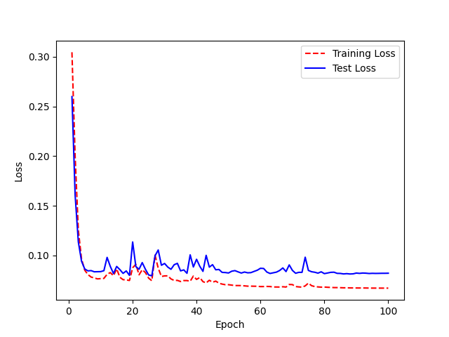
 |  |  |  | <look> | <look> | 0
 | num_hid num_head num_feed_forward num_layers_enc num_layers_dec |  |  | <come> | <come> | 0
 | 0 64 2 512 2 5 |  |  | <would> | <would> | 0
 |  | Graph Trained on hyperparams above |  | <enter> | <enter> | 0
 |  |  |  | <victor> | <victor> | 0
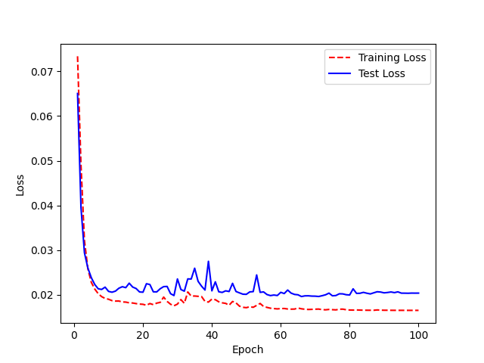
 |  |  |  | <upward> | <upward> | 0
 |  |  |  | <are> | <are> | 0
 |  |  |  | <whiskey> | <whiskey> | 0
 |  |  |  | <november> | <november> | 0
 |  |  |  | <delete> | <delete> | 0
 |  |  |  | <would> | <would> | 0
 |  |  |  | <two> | <who> | 1
 |  |  |  | <go> | <go> | 0
 |  |  |  | <these> | <these> | 0
 |  |  |  | <people> | <people> | 0
 |  |  |  | <first> | <first> | 0
 |  |  |  | <paragraph> | <paragraph> | 0
 |  |  |  | <will> | <will> | 0
 |  |  |  | <india> | <india> | 0
 |  |  |  | <to> | <to> | 0
 |  |  |  | <made> | <made> | 0
 |  |  |  | <has> | <has> | 0
 |  |  |  | <but> | <one> | 1
 |  |  |  | <in> | <been> | 1
 |  |  |  | <in> | <did> | 1
 |  |  |  | <part> | <part> | 0
 |  |  |  | <not> | <not> | 0
 |  |  |  | <alt> | <alt> | 0
 |  |  |  | <word> | <word> | 0
 |  |  |  | <when> | <when> | 0
 |  |  |  | <their> | <their> | 0
 |  |  |  | <for> | <or> | 1
 |  |  |  | <him> | <him> | 0
 |  |  |  | <come> | <come> | 0
 |  |  |  | <may> | <may> | 0
 |  |  |  | <made> | <made> | 0
 |  |  |  | <will> | <will> | 0
 |  |  |  | <to> | <two> | 1
 |  |  |  | <get> | <get> | 0
 |  |  |  | <these> | <these> | 0
 |  |  |  | <long> | <long> | 0
 |  |  |  | <uniform> | <uniform> | 0
 |  |  |  | <delete> | <delete> | 0
 |  |  |  | <them> | <then> | 1
 |  |  |  | <they> | <day> | 1
 |  |  |  | <copy> | <copy> | 0
 |  |  |  | <your> | <your> | 0
 |  |  |  | <nine> | <nine> | 0
 |  |  |  | <bravo> | <bravo> | 0
 |  |  |  | <downward> | <downward> | 0
 |  |  |  | <lima> | <lima> | 0
 |  |  |  | <delete> | <delete> | 0
 |  |  |  | <and> | <and> | 0
 |  |  |  | <his> | <his> | 0
 |  |  |  | <nine> | <nine> | 0
 |  |  |  | <now> | <now> | 0
 |  |  |  | <bravo> | <bravo> | 0
 |  |  |  | <how> | <call> | 1
 |  |  |  | <if> | <if> | 0
 |  |  |  | <yankee> | <yankee> | 0
 |  |  |  | <about> | <alt> | 1
 |  |  |  | <zulu> | <zulu> | 0
 |  |  |  | <uniform> | <uniform> | 0
 |  |  |  | <how> | <how> | 0
 |  |  |  | <sentence> | <zacks> | 1
 |  |  |  | <for> | <four> | 1
 |  |  |  | <romeo> | <you> | 1
 |  |  |  | <your> | <your> | 0
 |  |  |  | <zero> | <zero> | 0
 |  |  |  | <line> | <line> | 0
 |  |  |  | <oh> | <oh> | 0
 |  |  |  | <so> | <so> | 0
 |  |  |  | <golf> | <golf> | 0
 |  |  |  | <will> | <will> | 0
 |  |  |  | <hotel> | <hotel> | 0
 |  |  |  | <come> | <come> | 0
 |  |  |  | <has> | <has> | 0
 |  |  |  | <up> | <golf> | 1
 |  |  |  | <word> | <were> | 1
 |  |  |  | <day> | <day> | 0
 |  |  |  | <sentence> | <sentence> | 0
 |  |  |  | <oil> | <oil> | 0
 |  |  |  | <five> | <five> | 0
 |  |  |  | <out> | <out> | 0
 |  |  |  | <one> | <one> | 0
 |  |  |  | <downward> | <downward> | 0
 |  |  |  | <or> | <or> | 0
 |  |  |  | <hotel> | <hotel> | 0
 |  |  |  | <romeo> | <romeo> | 0
 |  |  |  | <victor> | <victor> | 0
 |  |  |  | <see> | <see> | 0
 |  |  |  | <your> | <your> | 0
 |  |  |  | <other> | <other> | 0
 |  |  |  | <your> | <your> | 0
 |  |  |  | <like> | <like> | 0
 |  |  |  | <this> | <this> | 0
 |  |  |  | <one> | <one> | 0
 |  |  |  | <four> | <or> | 1
 |  |  |  | <which> | <which> | 0
 |  |  |  | <call> | <call> | 0
 |  |  |  | <come> | <come> | 0
 |  |  |  | <all> | <all> | 0
 |  |  |  | <backspace> | <backspace> | 0
 |  |  |  | <have> | <have> | 0
 |  |  |  | <line> | <line> | 0
 |  |  |  | <oh> | <oh> | 0
 |  |  |  | <has> | <has> | 0
 |  |  |  | <left> | <left> | 0
 |  |  |  | <than> | <then> | 1
 |  |  |  | <is> | <is> | 0
 |  |  |  | <delete> | <delete> | 0
 |  |  |  | <each> | <each> | 0
 |  |  |  | <lima> | <lima> | 0
 |  |  |  | <bravo> | <bravo> | 0
 |  |  |  | <bravo> | <by> | 1
 |  |  |  | <other> | <other> | 0
 |  |  |  | <two> | <to> | 1
 |  |  |  | <zulu> | <zulu> | 0
 |  |  |  | <quebec> | <quebec> | 0
 |  |  |  | <delete> | <delete> | 0
 |  |  |  | <may> | <may> | 0
 |  |  |  | <and> | <and> | 0
 |  |  |  | <nine> | <nine> | 0
 |  |  |  | <paragraph> | <paragraph> | 0
 |  |  |  | <way> | <way> | 0
 |  |  |  | <it> | <did> | 1
 |  |  |  | <delta> | <delta> | 0
 |  |  |  | <them> | <them> | 0
 |  |  |  | <command> | <command> | 0
 |  |  |  | <papa> | <papa> | 0
 |  |  |  | <golf> | <golf> | 0
 |  |  |  | <she> | <she> | 0
 |  |  |  | <or> | <were> | 1
 |  |  |  | <out> | <out> | 0
 |  |  |  | <to> | <to> | 0
 |  |  |  | <delete> | <delete> | 0
 |  |  |  | <would> | <would> | 0
 |  |  |  | <time> | <time> | 0
 |  |  |  | <shift> | <shift> | 0
 |  |  |  | <have> | <have> | 0
 |  |  |  | <lima> | <lima> | 0
 |  |  |  | <from> | <from> | 0
 |  |  |  | <down> | <down> | 0
 |  |  |  | <their> | <their> | 0
 |  |  |  | <was> | <was> | 0
 |  |  |  | <they> | <they> | 0
 |  |  |  | <my> | <my> | 0
 |  |  |  | <yes> | <yes> | 0
 |  |  |  | <but> | <but> | 0
 |  |  |  | <six> | <six> | 0
 |  |  |  | <of> | <of> | 0
 |  |  |  | <were> | <were> | 0
 |  |  |  | <four> | <or> | 1
 |  |  |  | <he> | <he> | 0
 |  |  |  | <were> | <were> | 0
 |  |  |  | <many> | <many> | 0
 |  |  |  | <how> | <call> | 1
 |  |  |  | <two> | <to> | 1
 |  |  |  | <at> | <at> | 0
 |  |  |  | <in> | <do> | 1
 |  |  |  | <were> | <were> | 0
 |  |  |  | <quebec> | <quebec> | 0
 |  |  |  | <with> | <this> | 1
 |  |  |  | <have> | <tath> | 1
 |  |  |  | <paragraph> | <paragraph> | 0
 |  |  |  | <she> | <she> | 0
 |  |  |  | <at> | <at> | 0
 |  |  |  | <control> | <control> | 0
 |  |  |  | <this> | <this> | 0
 |  |  |  | <mike> | <like> | 1
 |  |  |  | <backspace> | <backspace> | 0
 |  |  |  | <you> | <you> | 0
 |  |  |  | <they> | <they> | 0
 |  |  |  | <more> | <more> | 0
 |  |  |  | <people> | <people> | 0
 |  |  |  | <her> | <her> | 0
 |  |  |  | <said> | <said> | 0
 |  |  |  | <way> | <way> | 0
 |  |  |  | <a> | <eight> | 1
 |  |  |  | <her> | <her> | 0
 |  |  |  | <get> | <get> | 0
 |  |  |  | <you> | <do> | 1
 |  |  |  | <lima> | <lima> | 0
 |  |  |  | <on> | <on> | 0
 |  |  |  | <may> | <made> | 1
 |  |  |  | <upward> | <upward> | 0
 |  |  |  | <six> | <six> | 0
 |  |  |  | <can> | <can> | 0
 |  |  |  | <seven> | <seven> | 0
 |  |  |  | <to> | <to> | 0
 |  |  |  | <tab> | <had> | 1
 |  |  |  | <on> | <on> | 0
 |  |  |  | <each> | <each> | 0
 |  |  |  | <have> | <had> | 1
 |  |  |  | <their> | <their> | 0
 |  |  |  | <find> | <find> | 0
 |  |  |  | <him> | <him> | 0
 |  |  |  | <go> | <go> | 0
 |  |  |  | <with> | <with> | 0
 |  |  |  | <than> | <then> | 1
 |  |  |  | <if> | <if> | 0
 |  |  |  | <first> | <first> | 0
 |  |  |  | <with> | <with> | 0
 |  |  |  | <enter> | <enter> | 0
 |  |  |  | <has> | <as> | 1
 |  |  |  | <day> | <a> | 1
 |  |  |  | <like> | <like> | 0
 |  |  |  | <part> | <was> | 1
 |  |  |  | <his> | <his> | 0
 |  |  |  | <escape> | <whiskey> | 1
 |  |  |  | <not> | <not> | 0
 |  |  |  | <escape> | <escape> | 0
 |  |  |  | <oh> | <oh> | 0
 |  |  |  | <them> | <them> | 0
 |  |  |  | <six> | <six> | 0
 |  |  |  | <control> | <control> | 0
 |  |  |  | <their> | <there> | 1
 |  |  |  | <cut> | <cut> | 0
 |  |  |  | <on> | <on> | 0
 |  |  |  | <downward> | <downward> | 0
 |  |  |  | <it> | <did> | 1
 |  |  |  | <out> | <out> | 0
 |  |  |  | <part> | <part> | 0
 |  |  |  | <all> | <all> | 0
 |  |  |  | <like> | <like> | 0
 |  |  |  | <paragraph> | <paragraph> | 0
 |  |  |  | <do> | <do> | 0
 |  |  |  | <so> | <so> | 0
 |  |  |  | <get> | <get> | 0
 |  |  |  | <whiskey> | <whiskey> | 0
 |  |  |  | <do> | <do> | 0
 |  |  |  | <did> | <did> | 0
 |  |  |  | <my> | <my> | 0
 |  |  |  | <get> | <did> | 1
 |  |  |  | <was> | <was> | 0
 |  |  |  | <will> | <will> | 0
 |  |  |  | <alt> | <alt> | 0
 |  |  |  | <zulu> | <zulu> | 0
 |  |  |  | <water> | <water> | 0
 |  |  |  | <downward> | <downward> | 0
 |  |  |  | <word> | <were> | 1
 |  |  |  | <first> | <first> | 0
 |  |  |  | <who> | <who> | 0
 |  |  |  | <two> | <to> | 1
 |  |  |  | <shift> | <shift> | 0
 |  |  |  | <part> | <part> | 0
 |  |  |  | <shift> | <shift> | 0
 |  |  |  | <an> | <in> | 1
 |  |  |  | <you> | <you> | 0
 |  |  |  | <foxtrot> | <foxtrot> | 0
 |  |  |  | <and> | <then> | 1
 |  |  |  | <tango> | <tango> | 0
 |  |  |  | <by> | <i> | 1
 |  |  |  | <echo> | <echo> | 0
 |  |  |  | <was> | <was> | 0
 |  |  |  | <victor> | <victor> | 0
 |  |  |  | <mike> | <which> | 1
 |  |  |  | <come> | <come> | 0
 |  |  |  | <tab> | <that> | 1
 |  |  |  | <these> | <these> | 0
 |  |  |  | <foxtrot> | <foxtrot> | 0
 |  |  |  | <way> | <way> | 0
 |  |  |  | <zero> | <zero> | 0
 |  |  |  | <four> | <four> | 0
 |  |  |  | <be> | <be> | 0
 |  |  |  | <november> | <november> | 0
 |  |  |  | <tango> | <tango> | 0
 |  |  |  | <do> | <do> | 0
 |  |  |  | <i> | <yankee> | 1
 |  |  |  | <oh> | <oh> | 0
 |  |  |  | <from> | <from> | 0
 |  |  |  | <into> | <into> | 0
 |  |  |  | <you> | <do> | 1
 |  |  |  | <find> | <find> | 0
 |  |  |  | <many> | <many> | 0
 |  |  |  | <they> | <day> | 1
 |  |  |  | <kilo> | <kilo> | 0
 |  |  |  | <out> | <of> | 1
 |  |  |  | <delete> | <delete> | 0
 |  |  |  | <time> | <time> | 0
 |  |  |  | <it> | <did> | 1
 |  |  |  | <can> | <can> | 0
 |  |  |  | <more> | <more> | 0
 |  |  |  | <romeo> | <romeo> | 0
 |  |  |  | <yes> | <yes> | 0
 |  |  |  | <you> | <you> | 0
 |  |  |  | <could> | <could> | 0
 |  |  |  | <one> | <one> | 0
 |  |  |  | <way> | <way> | 0
 |  |  |  | <but> | <one> | 1
 |  |  |  | <downward> | <downward> | 0
 |  |  |  | <uniform> | <uniform> | 0
 |  |  |  | <she> | <she> | 0
 |  |  |  | <may> | <made> | 1
 |  |  |  | <time> | <time> | 0
 |  |  |  | <who> | <who> | 0
 |  |  |  | <eight> | <eight> | 0
 |  |  |  | <had> | <had> | 0
 |  |  |  | <this> | <this> | 0
 |  |  |  | <yankee> | <yankee> | 0
 |  |  |  | <you> | <you> | 0
 |  |  |  | <about> | <alt> | 1
 |  |  |  | <with> | <with> | 0
 |  |  |  | <right> | <write> | 1
 |  |  |  | <delete> | <delete> | 0
 |  |  |  | <see> | <see> | 0
 |  |  |  | <november> | <november> | 0
 |  |  |  | <will> | <will> | 0
 |  |  |  | <or> | <or> | 0
 |  |  |  | <quebec> | <quebec> | 0
 |  |  |  | <word> | <word> | 0
 |  |  |  | <eight> | <eight> | 0
 |  |  |  | <eight> | <eight> | 0
 |  |  |  | <out> | <out> | 0
 |  |  |  | <the> | <the> | 0
 |  |  |  | <water> | <water> | 0
 |  |  |  | <people> | <people> | 0
 |  |  |  | <downward> | <november> | 1
 |  |  |  | <with> | <with> | 0
 |  |  |  | <november> | <november> | 0
 |  |  |  | <write> | <right> | 1
 |  |  |  | <other> | <other> | 0
 |  |  |  | <lima> | <lima> | 0
...

Transfer Learning new
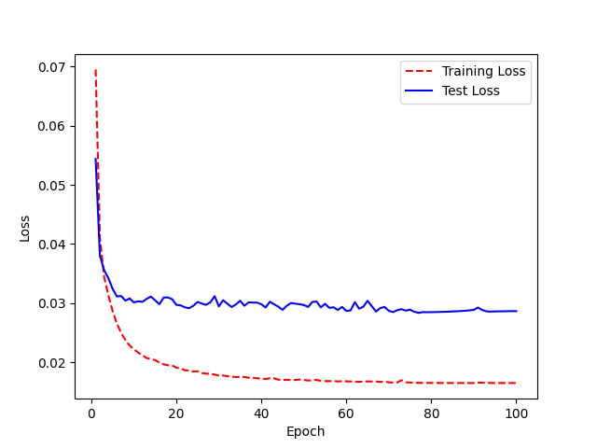
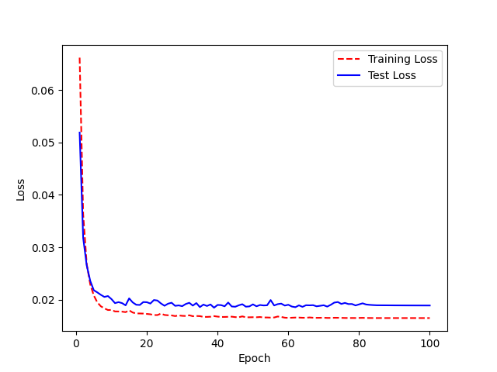
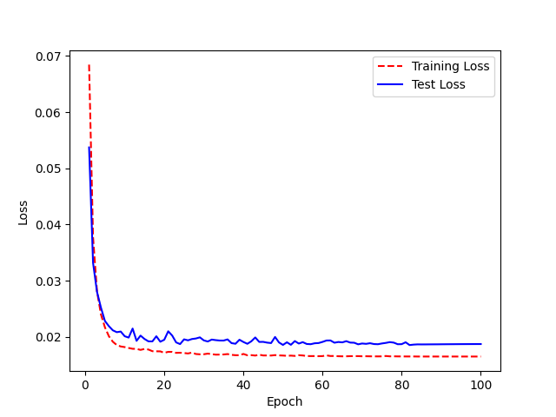
Target | Prediction | WRA | Freeze third and fourth layer | Target | Prediction | WRA | Freeze second and third layer | target | prediction | WRA | Freeze first encoder layer |  | Target | Prediction | WRA |  | Freeze both encoder layers | Freeze second encoder layer | Target | Prediction | WRA
<him> | <there> | 1 |  | <him> | <a> | 1 |  | <him> | <two> | 1 |  | 87% accuracy | <him> | <him> | 0 | 88% Accuracy |  |  | <him> | <him> | 0
<water> | <an> | 1 |  | <water> | <victor> | 1 |  | <water> | <water> | 0 |  |  | <water> | <water> | 0 |  |  |  | <water> | <water> | 0
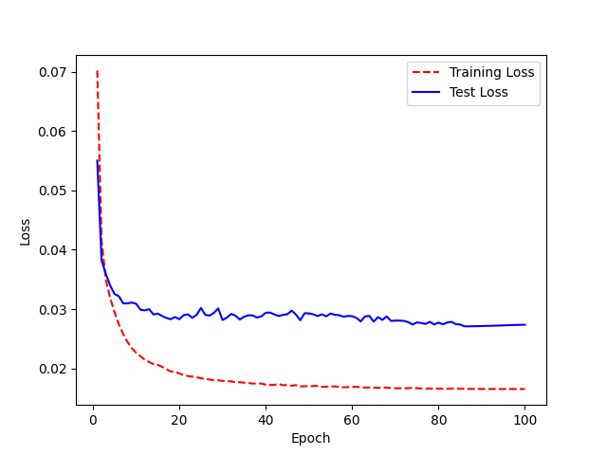
<look> | <your> | 1 |  | <look> | <look> | 0 |  | <look> | <look> | 0 |  |  | <look> | <look> | 0 |  |  |  | <look> | <look> | 0
<come> | <come> | 0 |  | <come> | <come> | 0 |  | <come> | <come> | 0 |  |  | <come> | <come> | 0 |  |  | Accuracy 85% | <come> | <come> | 0
<would> | <yankee> | 1 |  | <would> | <three> | 1 |  | <would> | <would> | 0 |  |  | <would> | <would> | 0 |  |  |  | <would> | <would> | 0
<enter> | <enter> | 0 |  | <enter> | <victor> | 1 |  | <enter> | <enter> | 0 |  |  | <enter> | <enter> | 0 |  |  |  | <enter> | <enter> | 0
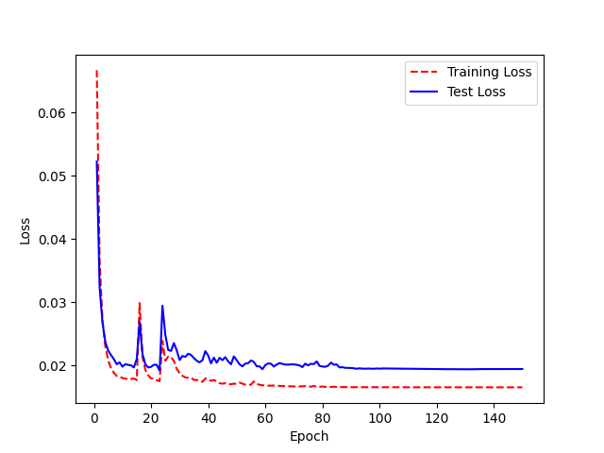
<victor> | <victor> | 0 |  | <victor> | <victor> | 0 |  | <victor> | <victor> | 0 |  |  | <victor> | <victor> | 0 |  |  |  | <victor> | <victor> | 0
<upward> | <upward> | 0 |  | <upward> | <were> | 1 |  | <upward> | <upward> | 0 |  |  | <upward> | <upward> | 0 |  |  |  | <upward> | <upward> | 0
<are> | <on> | 1 |  | <are> | <papa> | 1 |  | <are> | <are> | 0 |  |  | <are> | <are> | 0 |  |  |  | <are> | <are> | 0
<whiskey> | <shift> | 1 |  | <whiskey> | <paste> | 1 |  | <whiskey> | <whiskey> | 0 |  |  | <whiskey> | <whiskey> | 0 |  |  |  | <whiskey> | <whiskey> | 0
<november> | <november> | 0 |  | <november> | <november> | 0 |  | <november> | <november> | 0 |  |  | <november> | <november> | 0 |  |  |  | <november> | <november> | 0
<delete> | <which> | 1 |  | <delete> | <which> | 1 |  | <delete> | <delete> | 0 |  |  | <delete> | <delete> | 0 |  |  |  | <delete> | <delete> | 0
<would> | <would> | 0 |  | <would> | <with> | 1 |  | <would> | <would> | 0 |  |  | <would> | <would> | 0 |  |  |  | <would> | <would> | 0
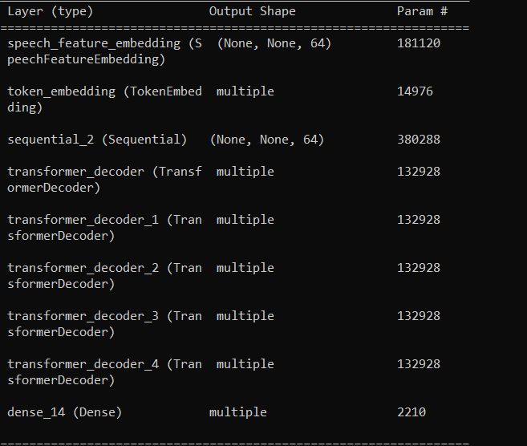
<two> | <who> | 1 |  | <two> | <been> | 1 |  | <two> | <two> | 0 |  |  | <two> | <two> | 0 |  |  |  | <two> | <who> | 1
<go> | <alt> | 1 |  | <go> | <golf> | 1 |  | <go> | <go> | 0 |  |  | <go> | <go> | 0 |  |  |  | <go> | <go> | 0
<these> | <these> | 0 |  | <these> | <these> | 0 |  | <these> | <these> | 0 |  |  | <these> | <these> | 0 |  |  |  | <these> | <these> | 0
<people> | <people> | 0 |  | <people> | <he> | 1 |  | <people> | <people> | 0 |  |  | <people> | <people> | 0 |  |  |  | <people> | <people> | 0
<first> | <first> | 0 |  | <first> | <first> | 0 |  | <first> | <first> | 0 |  |  | <first> | <first> | 0 |  |  |  | <first> | <first> | 0
<paragraph> | <paragraph> | 0 |  | <paragraph> | <paragraph> | 0 |  | <paragraph> | <her> | 1 |  |  | <paragraph> | <paragraph> | 0 |  |  |  | <paragraph> | <part> | 1
<will> | <go> | 1 |  | <will> | <go> | 1 |  | <will> | <will> | 0 |  |  | <will> | <will> | 0 |  |  |  | <will> | <will> | 0
<india> | <india> | 0 |  | <india> | <be> | 1 |  | <india> | <india> | 0 |  |  | <india> | <india> | 0 |  |  |  | <india> | <india> | 0
<to> | <two> | 1 |  | <to> | <to> | 0 |  | <to> | <to> | 0 |  |  | <to> | <two> | 1 |  |  |  | <to> | <two> | 1
<made> | <they> | 1 |  | <made> | <day> | 1 |  | <made> | <made> | 0 |  |  | <made> | <may> | 1 |  |  |  | <made> | <made> | 0
<has> | <but> | 1 |  | <has> | <paste> | 1 |  | <has> | <has> | 0 |  |  | <has> | <has> | 0 |  |  |  | <has> | <has> | 0
<but> | <like> | 1 |  | <but> | <but> | 0 |  | <but> | <what> | 1 |  |  | <but> | <what> | 1 |  |  |  | <but> | <but> | 0
<in> | <in> | 0 |  | <in> | <an> | 1 |  | <in> | <in> | 0 |  |  | <in> | <in> | 0 |  |  |  | <in> | <in> | 0
<in> | <in> | 0 |  | <in> | <in> | 0 |  | <in> | <been> | 1 |  |  | <in> | <been> | 1 |  |  |  | <in> | <been> | 1
<part> | <part> | 0 |  | <part> | <of> | 1
<not> | <left> | 1 |  | <not> | <not> | 0
<alt> | <alt> | 0 |  | <alt> | <alt> | 0
<word> | <word> | 0 |  | <word> | <word> | 0
<when> | <when> | 0 |  | <when> | <when> | 0
<their> | <their> | 0 |  | <their> | <there> | 1
<for> | <or> | 1 |  | <for> | <or> | 1
<him> | <who> | 1 |  | <him> | <him> | 0
<come> | <come> | 0 |  | <come> | <come> | 0
<may> | <a> | 1 |  | <may> | <a> | 1
<made> | <may> | 1 |  | <made> | <are> | 1
<will> | <will> | 0 |  | <will> | <go> | 1
...

Transfer Learning
Target | Prediction | WRA | Transfer learning on LJ Speech |  | Transfer learning (freeze first layer) |  | Target | Prediction | WRA
<him> | <two> | 1 |  |  |  |  | <him> | <could> | 1
<water> | <water> | 0 | Freezed first three layers |  |  | 65% accuracy | <water> | <water> | 0
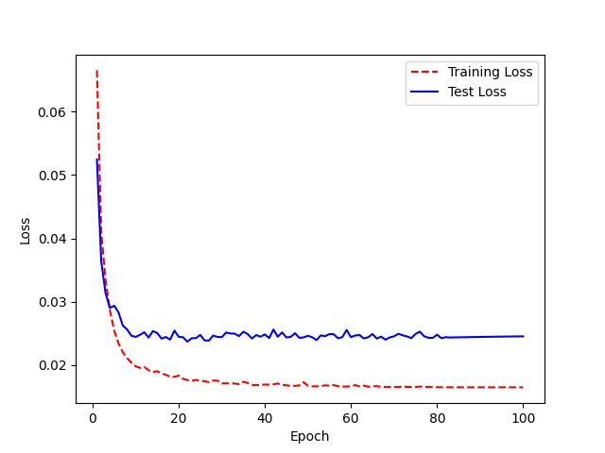
<look> | <with> | 1 |  | 61% |  |  | <look> | <look> | 0
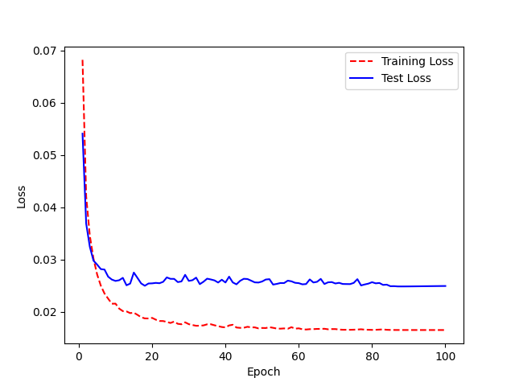
<come> | <come> | 0 |  |  |  |  | <come> | <come> | 0
<would> | <would> | 0 |  |  |  |  | <would> | <would> | 0
<enter> | <not> | 1 |  |  |  |  | <enter> | <time> | 1
<victor> | <victor> | 0 |  |  |  |  | <victor> | <victor> | 0
<upward> | <upward> | 0 |  |  |  |  | <upward> | <upward> | 0
<are> | <are> | 0 |  |  |  |  | <are> | <are> | 0
<whiskey> | <whiskey> | 0 |  |  |  |  | <whiskey> | <whiskey> | 0
<november> | <november> | 0 |  |  |  |  | <november> | <november> | 0
<delete> | <delete> | 0 |  |  |  |  | <delete> | <lima> | 1
<would> | <would> | 0 |  |  |  |  | <would> | <would> | 0
<two> | <two> | 0 |  |  |  |  | <two> | <who> | 1
<go> | <go> | 0 |  |  |  |  | <go> | <echo> | 1
<these> | <these> | 0 |  |  |  |  | <these> | <these> | 0
<people> | <he> | 1 |  |  |  |  | <people> | <people> | 0
<first> | <first> | 0 |  |  |  |  | <first> | <first> | 0
<paragraph> | <her> | 1 |  |  |  |  | <paragraph> | <her> | 1
<will> | <will> | 0 |  |  |  |  | <will> | <will> | 0
<india> | <india> | 0 |  |  |  |  | <india> | <india> | 0
<to> | <two> | 1 |  |  |  |  | <to> | <to> | 0
<made> | <made> | 0 |  |  |  |  | <made> | <made> | 0
<has> | <as> | 1 |  |  |  |  | <has> | <as> | 1
<but> | <like> | 1 |  |  |  |  | <but> | <water> | 1
<in> | <a> | 1
<in> | <did> | 1
<part> | <part> | 0
<not> | <alt> | 1
<alt> | <alt> | 0
...

