LJ Speech
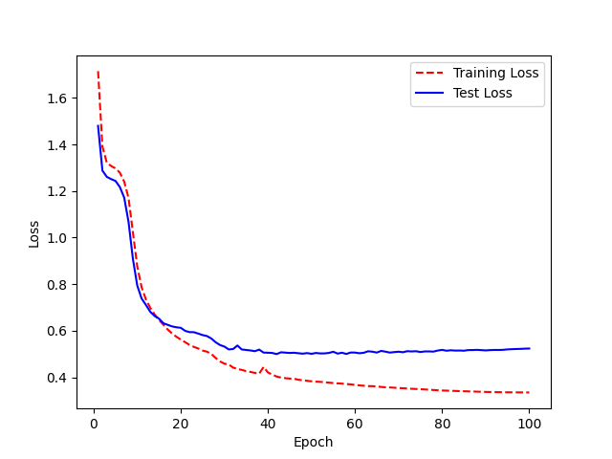
Hyperparameter
num_hid=200,
num_head=2,
num_feed_forward=400,
target_maxlen=max_target_len,
num_layers_enc=4,
num_layers_dec=1,
num_classes=34,

