Info
Relic cost | Total
Unlock : 50 | 320 | All the tier rankings on other sheets are for units "within" the suit.
1-10 - 270
11-20 - 150 | 550
21-30 - 400
31-40 - 550 | 1600
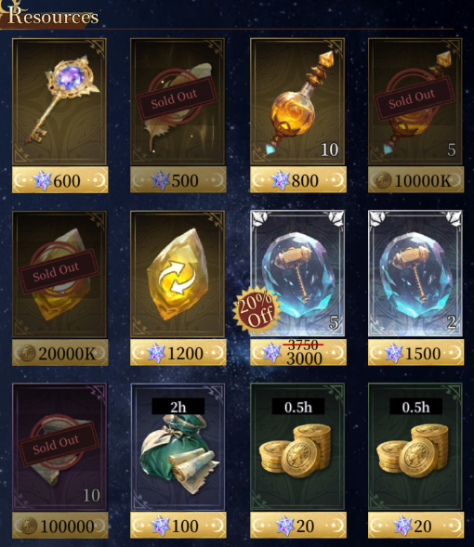
41-50 - 1050 |  | Q : Which celestial is best to invest in as f2p ?
 |  | A : There are only 2 options , you either invest everything into zeus until divine then on nezha or you go the long route and invest rings into nezha and dupe zeus through other sources over time.
S - (Meta Defining/Core units to build around) A - (Staple units) B - (Good unit fillers/Tech) C - (Once in a blue moon filler) D - (Garbage) PvE Tier - (Odyssey/Main spire) PvP - (All pvp modes in general) PVE Early - Up to 60 PVE Late - 61 to 70 - It is expected that most of the units are at least div relic 30 when pushing 61-70 with some being usable at 10-20 to some success - Late does not consider the value of investing in a unit and it being power crept relic mats wise, but does consider units at divine T4 with no subs for all but celestial dps
 |  | Q : Should i pull with gems ?
 |  | A : Pull with gems as a new player for first 3 days then save gems for more valuable stuff.

 |  | Q : Where to spend gems ?
 |  | A : - Refresh shop once , grab everything for gold and grab gold feather and 8h gold for 100 gems. - Refresh bounty pool to level it up to level 9. - Refresh bounty when its level 9 to farm epic shards or gems. - Buy divine oracles 12x a day. (Optional) - Event currency if needed for a rotation. - Rings when u can use gems in certain events on them. (Prio) - New unit rateup events let u buy rings/feathers for their faction a day. - Auction for feathers / core units up to reasonable price.

 |  | Q : What to get from rift chests ?
 |  | A : Blue tears , they are huge portion of your stats for a while, without them you will struggle to progress.

 |  | Q : How to farm pots for relics ?
 |  | A : Do the weekly events manually 1 by 1 , never do 10 pull. For first month you will do 100 every event. Afterwards you will do 150 every event. Its enough to get all 50 main rewards and most of 3 currency rewards. If you are lazy can't help you there.

 |  | Q : Who do i use my swap event on ?
 |  | A : - Hecate / Tefnut (Can carry one of your teams with relic 10-20)

 |  | Q : What totems to put on wishlist ?
 |  | A : Keystone to lvl 3 > Lotus to lvl 3 > Keystone to lvl 6 > Eclipse to lvl 6

 |  | Q : Which units to awaken gear for ?
 |  | A : Build slot 1/3/4 set for nezha , 1/3/4 for zeus and 2/4 for herc and share with rest of same role.

 |  | Q : What should i do for shrine ?
 |  | A : Plenty of guides and options out there, do not neglect it but do not rush it or summon heroes for it.

 |  | Q : Should i grab base copies of dio / nuwa / nyx in mindsea shop for progress ?
 |  | A : Only nuwa is worth grabbing if you are unlucky. If u are going zeus route u can get 5-6 zeuses in 61 days.

 |  | Q : What celestial to work on after zeus/nezha reach divine?
 |  | A : Chronos rings , amun shards/shop.

