Top-level-folders
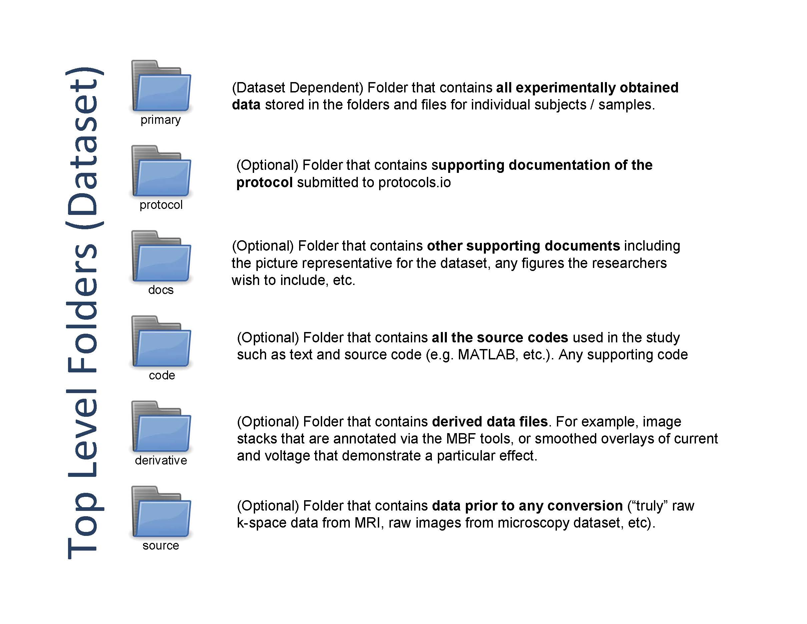

These are the Top-level Folders. These folder names are required, but note that folder inclusion is data-dependent. If you are not uploading data under one of these folders, don’t include that folder in your spreadsheet.

Top-level-files
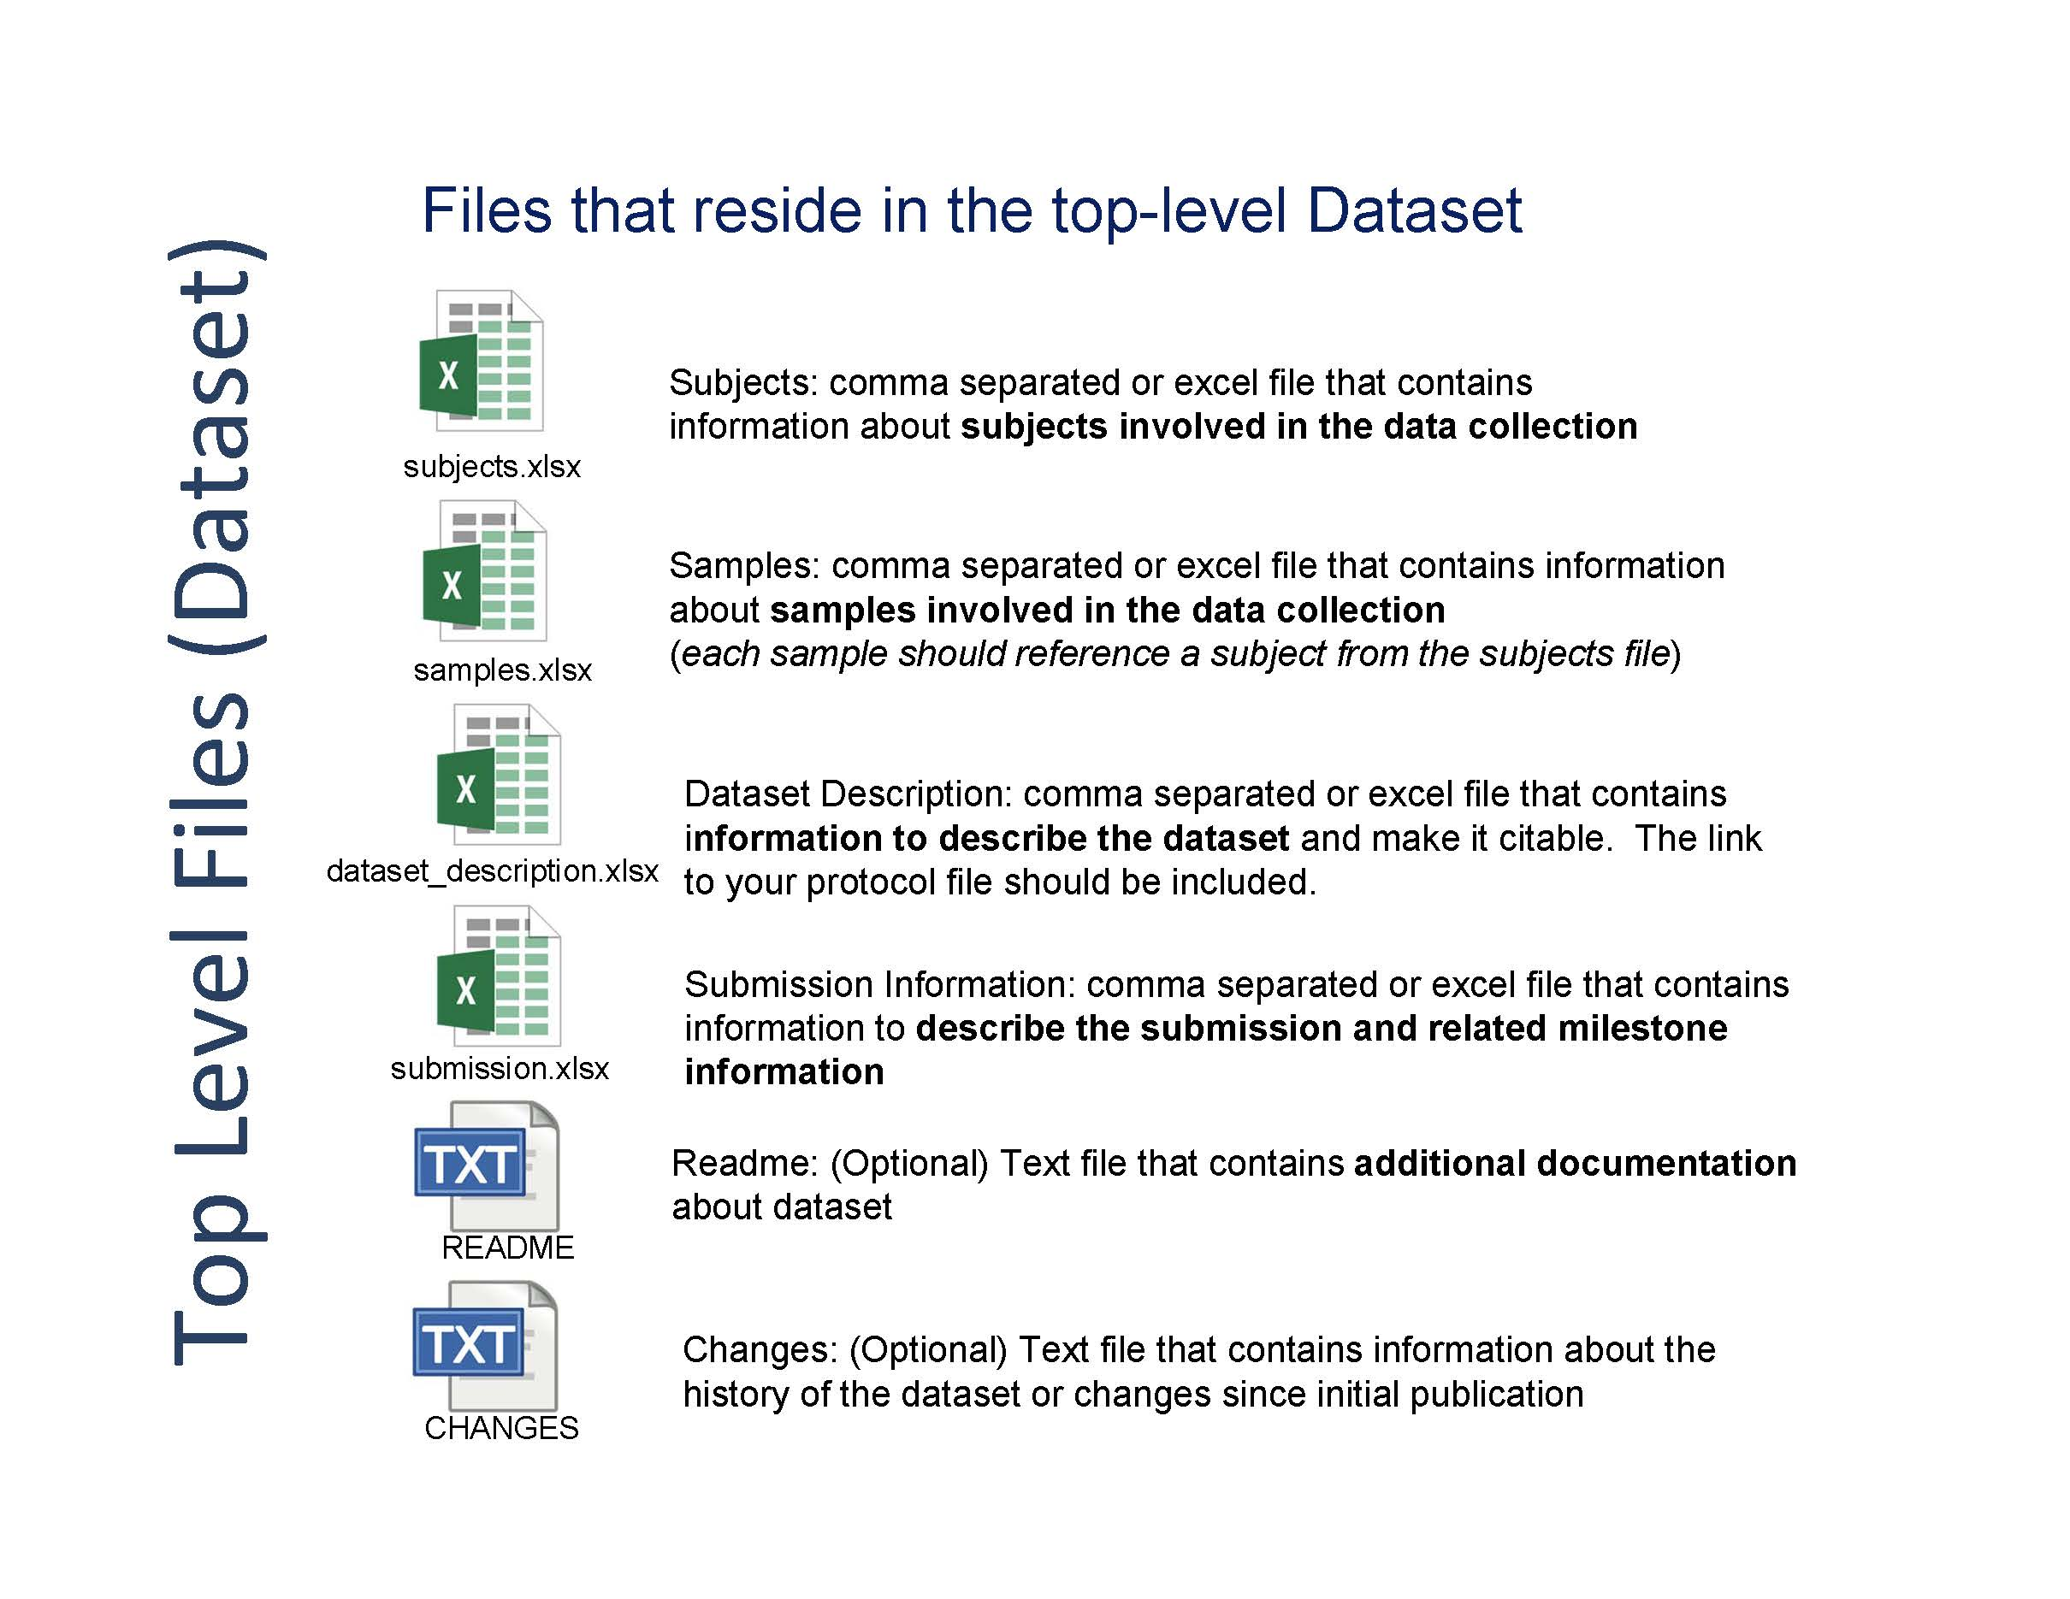

The top-level files contain information about the dataset and will reside in the top-level folder. A complete dataset must include dataset_description.csv, subjects.csv, and submission.csv. Samples.csv must also be included if you have samples. When you're ready to upload them, list them on rows 5 through 8 (before any other files), one file per row.

Primary folder tree
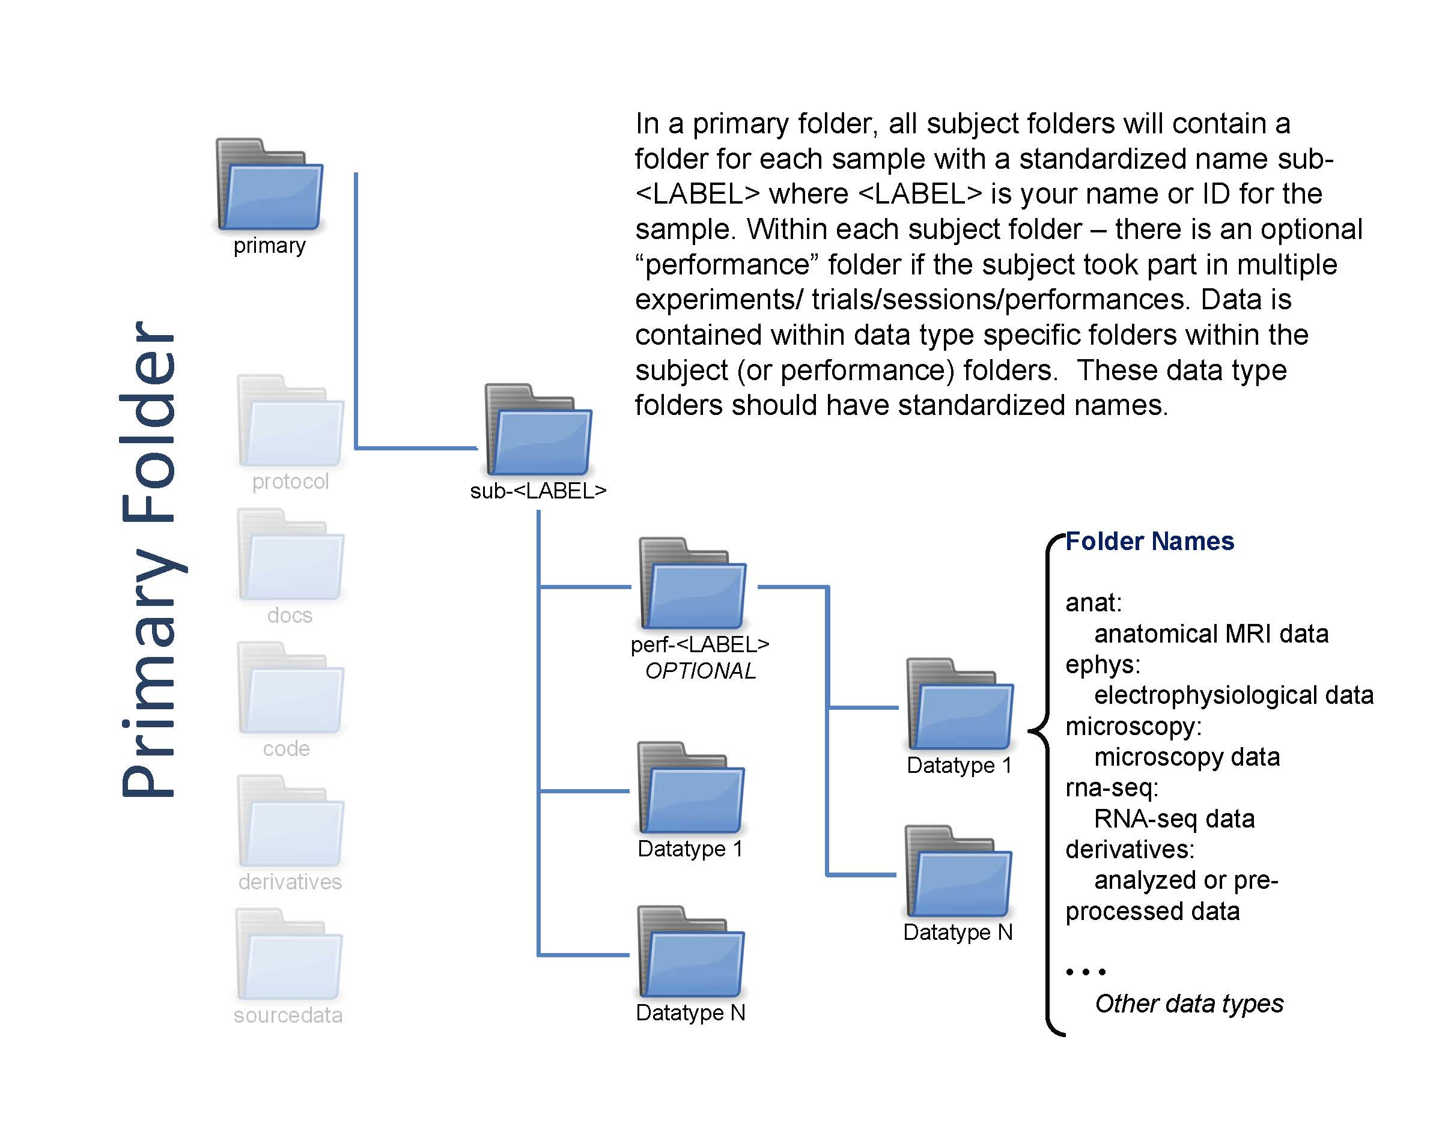

Basic directory structure
