Evaluation
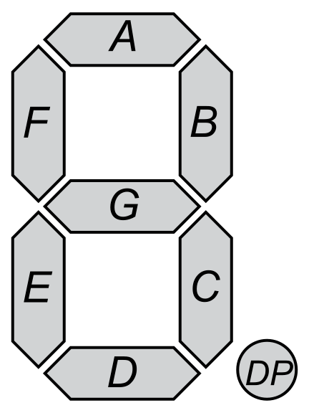
Evaluation

A | B | C | D | E | F | G
1 | 1 | 1 | 1 | 0 | 1 | 1 |  | Probabilities |  | Max | Prediction
 |  |  |  |  |  |  |  |  |  | 3.814697266E-06 | 9
 |  |  |  |  |  |  |  | 1.907348633E-06 | 0
 |  |  |  |  |  |  | Digit | 1.339591907E-06 | 1
0.125 | 0.125 | 0.125 | 0.125 | 1 | 0.125 | 0.0625 | 0 | 1.404663923E-06 | 2
0.08333333333 | 0.1666666667 | 0.1666666667 | 0.08333333333 | 1 | 0.08333333333 | 0.08333333333 | 1 | 2.809327846E-06 | 3
0.1333333333 | 0.1333333333 | 0.06666666667 | 0.1333333333 | 1 | 0.06666666667 | 0.1333333333 | 2 | 2.124964938E-06 | 4
0.1333333333 | 0.1333333333 | 0.1333333333 | 0.1333333333 | 1 | 0.06666666667 | 0.1333333333 | 3 | 2.809327846E-06 | 5
0.07142857143 | 0.1428571429 | 0.1428571429 | 0.07142857143 | 1 | 0.1428571429 | 0.1428571429 | 4 | 1.907348633E-06 | 6
0.1333333333 | 0.06666666667 | 0.1333333333 | 0.1333333333 | 1 | 0.1333333333 | 0.1333333333 | 5 | 1.657409688E-06 | 7
0.125 | 0.0625 | 0.125 | 0.125 | 1 | 0.125 | 0.125 | 6 | 2.65146834E-06 | 8
0.1538461538 | 0.1538461538 | 0.1538461538 | 0.07692307692 | 1 | 0.07692307692 | 0.07692307692 | 7 | 3.814697266E-06 | 9
0.1176470588 | 0.1176470588 | 0.1176470588 | 0.1176470588 | 1 | 0.1176470588 | 0.1176470588 | 8
0.125 | 0.125 | 0.125 | 0.125 | 1 | 0.125 | 0.125 | 9

