BUILD IT
BUILD GUIDE

Introduction

do you have the latest version of this document? it might have changed so check the build page of the re-303 webshop before you start your build. Change list can be found on the end of the ordering page.

Building the RE-909 is relatively straightforward since the voice sections are grouped. If you are an experienced builder you will probably make your own order of things and just the bom will be enough (you will still need to read about the eeprom adaptors). However many of you will prefer some guidelines to building. Below you will find the recommended order to build. First you build the PSU, then the switch board. Once these are running, it's a matter of making up the interconnection cables and building the various sections on the voicing board one at a time. So after you have made the cables, placed the jumpers and diodes, you build the Amp section on the mainboard, the multi jack board (which contains the output jacks) and then the noise circuit (which is used in many of the voices). Upon which you should then have a base foundation and can then build and test each voice one at a time (please check the note below from Christian in regards to gnd and power if you intend to test one voice at a time). Build order is below, please read the notes below even if you intend to build by bom only as there are some important things that should not be missed. Also check the end of the resistors and capacitors listings in the ordering pane as there are some positions that should not be populated.

Notes from Christian

"Some areas of the voiceboard get GND exclusively via the soldered-in potentiometer! So if you want to test the instruments individually, check whether GND, + 15V and -15V are applied everywhere! Look at the "bottom" side of the board and follow the ground signal, then you’ll see what I mean!"

"depending on how strong the HFE of your A798/matched pair at Q38 is you can set 47K, 68K or even 100K in R494. the TR-909 schematic says until a certain serial number 47K, later 100K this is the offset for the VCA"

"You may love to get more punch from your Snare Drum: use a 0,68uF or 1uF electrolytic cap for C67 instead of the 0,47uF."

"Resistors R608 to R615 on the switchboard control brightness. I tried 330R and 470R instead of 22R and I think 470R is great for the brightness of the switches. The LEDs in the TR where weak and not so bright as modern LEDs I think. so 22R will work, but 330R or better 470R is more smooth for your eyes. the 8 resistors are shared and will work for all the switches. the big and small ones. While R601 to R607 adjusts the brightness of the LED display, here 100R is really good."

Safety PSU

While we provide the original transformer board, it is recommended not to use it, this PCB is solely intended as replacement for an original 909. If you intend to use it nevertheless, be aware that it is at your own risk. For the RE-909 we highly recommend to use the safety PSU with an external power adapter. Legally and ethically it is not allowed for us to even attempt to tell you how to wire and use A/C transformers. There are very good reasons for this, faults and failure can lead to death, it's that simple. So for this reason Christian also created the safety PSU. This we can legally provide to you as the A/C element is handled by a wall transformer. This way you know that it's tested for conformity and we know you wont kill yourself by accident.

if you‘re using the Safety PSU do not connect pin 27 and pin 28 on the F3 cable, otherwise you‘ll create a ground loop.

Service advisory: do not place the cathode end of the zener diode and patch it instead to the cathode of the outer diode as shown in the picture below
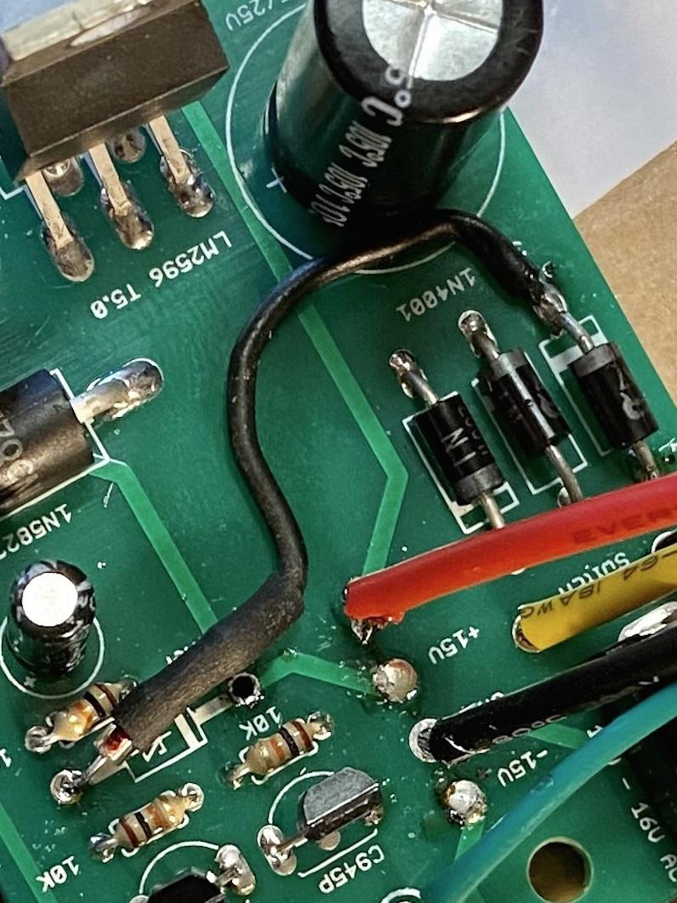

Switch Board

Do not use sockets on this board as vertical height is limited when fitting to the case. The leds for the step buttons should be orientated with the cathode (-) facing left. Inspect your work carefully and double check IC orientation before soldering. Be very careful when fitting the small square led switches, there is a small indentation for alignment, but the main issue is its easy to deform the led legs. Check that all connections are through to the other side before soldering, just take a little extra time and care with them. It's advisable to use v4 firmware as v1 has destructive bugs. v4 fixes midi timing issues but the demo song and tape sync functions are removed. v1 has a midi timing bug (you can use sync without problems) the demo song is intact but has a destructive bug in track mode which can corrupt pattern memory if used.

To retain memory you will need a battery caddy fitted with 2xAA and attached to the switchboard, these can be found at most high street electronic stores on the shelf. It's probably better to do this once the machine is completed.

Service advisory: the battery terninal holes are missing the through hole plating. Affects all pcb versions, fix improves/solves memory retention issues

the fix is simple, solder your battery wires to the pads on both sides of the pcb as shown below
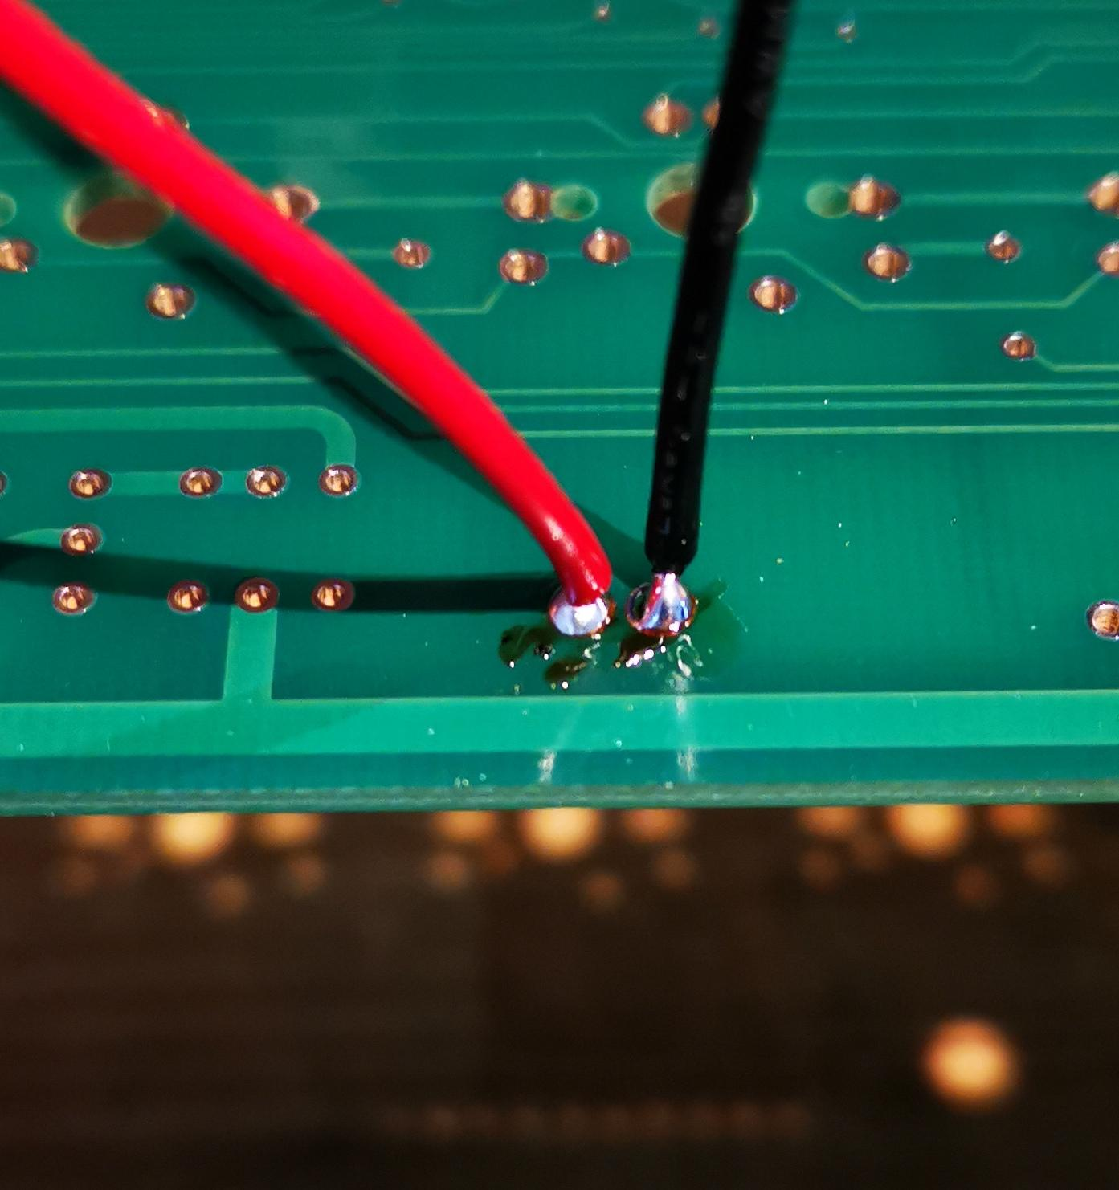

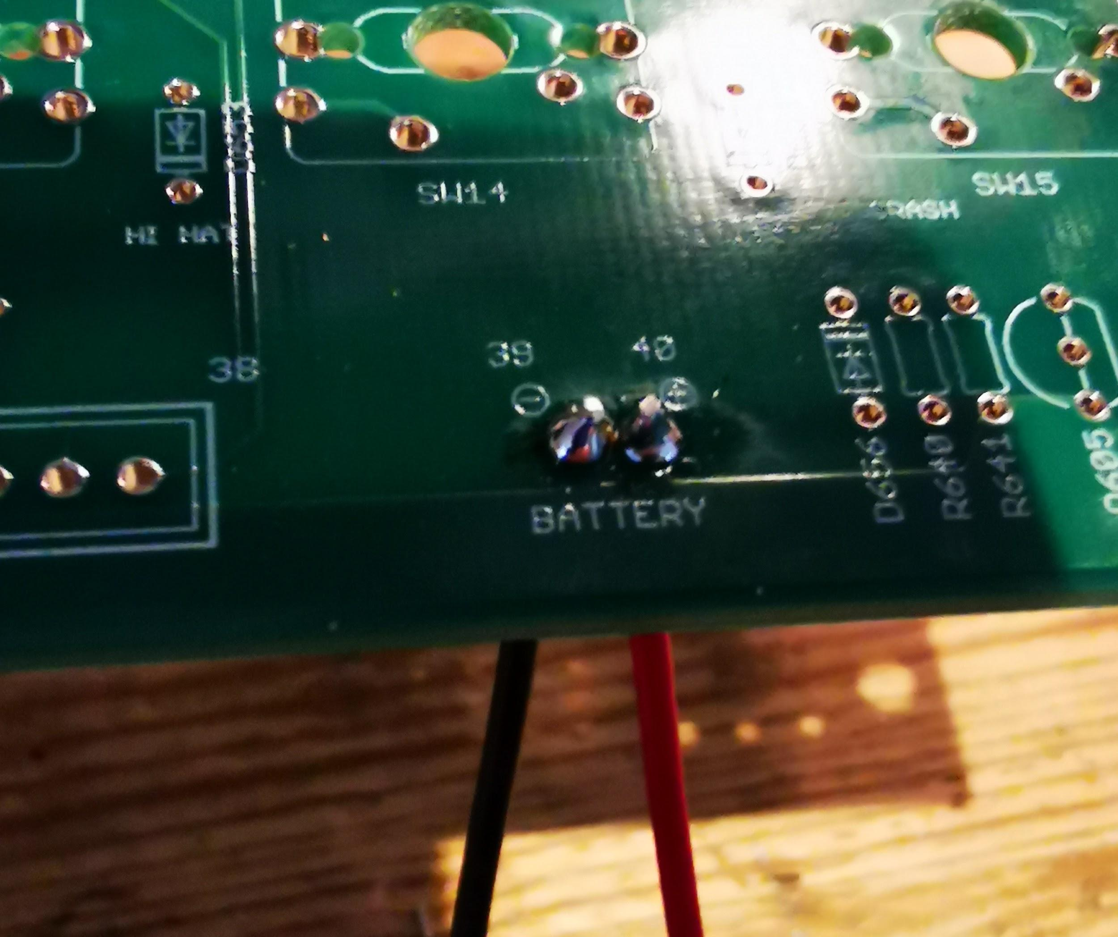

Alternatively for a more robust connection, solder your battery wires as so. Red to the south side of D656 (annode) and black to the GND lug as shown below

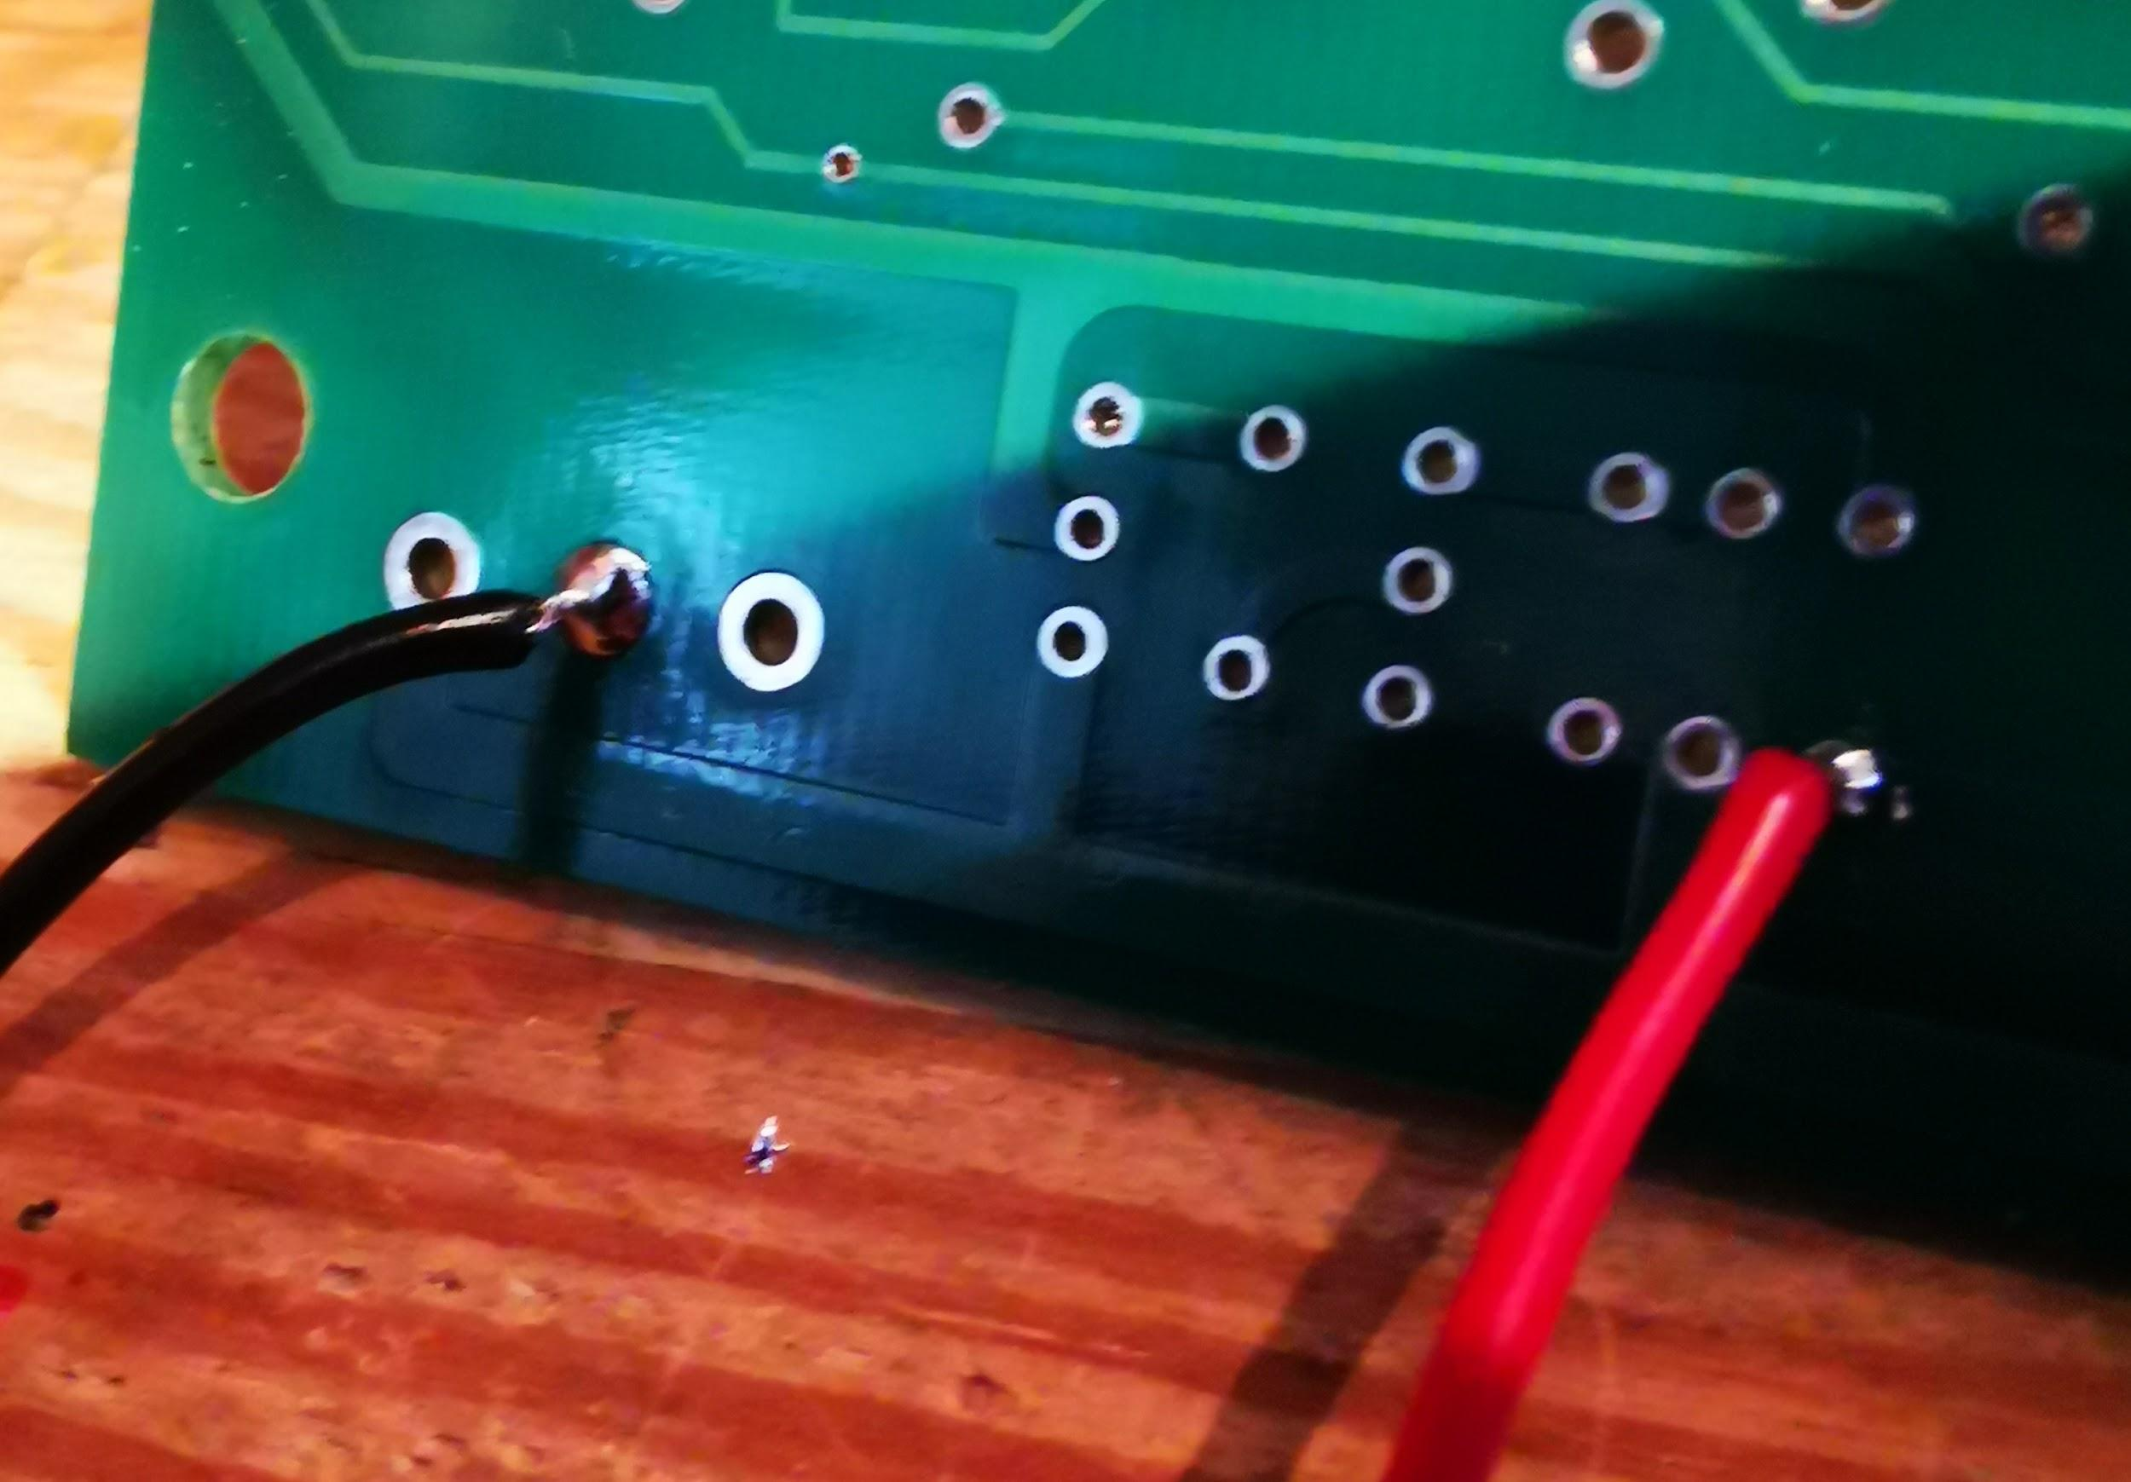

Interconnection cables

There is not good room for pin headers on the sequencer board when fitted to the case, so its advisable to solder directly at this end.
If using the safety psu, do not connect pin 27 and pin 28 on F3 cable

The numbering and pins convention used by Roland is jumbled and confusing, also some of the cables are twisted, the TR-909 is also not without fault on the original silkscreen. F1-F4 also have overlapping pin numbers between the voicing and switchboard as you can see below. But on the RE-909 boards you'll see we have corrected this and added pin numbers to the headers on the silkscreen. This way you can tell which cables need to be twisted by matching the numbers at each end.

This is how Roland have numbered the cables in the service notes DO NOT WIRE LIKE THIS THE TR-909 SERVICE DOCS HAVE ERRORS!!!
F1, pins 21-29 (voice board) to pins 1-9 (switch board). Cable 9 pins (use 10pin molex), length 30 cm.
F2, pins 10-18 (switch board) to pins 10-18 (din jack board). Cable 9 pins (use 10pin molex), length 30 cm.
F3, pins 1-10 (voice board) to pins 19-28 (switch board). Cable 10 pins, length 30 cm. (Cable 8 pins if using safety PSU, the last two lines 9/10-27/28 should not be connected)
F4, pins 11-20 (voice board) to pins 29-38 (switch board). Cable 10 pins, length 30 cm.
W4, pins 30-32 (voice board) to pins 30-32 (din jack board). Cable 3 pins, length 18 cm.
W5, pins 33-42 (voice board) to pins 33-42 (multi jack board). Cable 10 pins, length 20 cm.
W6, pins 43-48 (voice board) to pins 43-48 (multi jack board). Cable 6 pins, length 27 cm.

THIS IS HOW YOU SHOULD WIRE (corrected from documentiation)
F1, pins 21-29 (voice board) to pins 9-1 (switch board). Cable 9 pins (use 10pin molex), length 30 cm.
F2, pins 10-18 (switch board) to pins 10-18 (din jack board). Cable 9 pins (use 10pin molex), length 30 cm.
F3, pins 1-10 (voice board) to pins 19-28 (switch board). Cable 10 pins, length 30 cm. (Cable 8 pins if using safety PSU, the last two lines 9/10-27/28 should not be connected)
F4, pins 11-20 (voice board) to pins 29-38 (switch board). Cable 10 pins, length 30 cm.
W4, pins 30-32 (voice board) to pins 30-32 (din jack board). Cable 3 pins, length 18 cm.
W5, pins 33-42 (voice board) to pins 33-42 (multi jack board). Cable 10 pins, length 20 cm.
W6, pins 43-48 (voice board) to pins 43-48 (multi jack board). Cable 6 pins, length 27 cm.

some additonal notes from Christian about cabling and connectors

i have used these angled connectors: https://www.reichelt.de/de/en/print-connector-single-connector-angled-6-pin-pss-254-6w-p217631.html?&nbc=1&trstct=lsbght_sldr::137974

they're available as 3pin, 6pin and 10pin

and I use this crimp housings: https://www.reichelt.de/de/en/empty-coupling-housing-crimp-technology-6-pin-psk-254-6w-p147625.html?search=psk&&r=1

also the fitting crimp contacts: https://www.reichelt.de/de/en/crimp-contacts-for-psk-254--20-pieces-psk-kontakte-p14861.html?&nbc=1&trstct=lsbght_sldr::147625

I use 24AWG cable which I got from Farnell (but ANY 24AWG will work). you can use a crimping plier or just a standard plier for the contacts.

JUMPERS AND DIODES (Voicing board)

First task is the jumpers, use some left over resistor legs or wire straps to fill them. Use some insulation on the jumper marked CP +15 as there is a via in the center which should not contact the jumper. You can also fit all the 1N4148 diodes now, these are polarised so double check they are orientated correctly before commiting to solder. If you wish you can also place the zener diodes in the Snare and tom sections.

Amp (Voicing board)

If you want to you can omit the rare C2878, these are used to mute the power spike when you switch on the unit, they don't do a great job either. If you leave them out be sure to switch your external mixer/amp on last to avoid the loud pop when powering the 909.

This section must be built to enable voice output to the multi jack board.

Multi Jack Board

This board contains the individual and main outputs and the summing circuit for mono/stereo.

Noise (Voicing board)

Noise is a fundamental element of many drum voices.

Bass Drum (Voicing board)

After building the Bass Drum, you can perfom a voice test. With the sequencer connected and audio board connected to output. power on, press and hold shift and press pattern play 1 button. The button should flash. Press any step key to select the pattern to program. Press and hold clear and press the selected pattern to remove all ghost notes. Press play then press and hold instrument select and press step key 1 to select bass drum (strong). You should now be able to enter notes into the Bass Drum track, and if all is well you should now be able to hear your bass drum.

Does it work? can you effect the sound with the control knobs, if so move to next voice. If the bass drum is not sounding, first check the volume for both the voice and amp. Did you place the dac array? Check for backwards parts, shorts or missing parts. If the bass drum is not working it may be tempting to carry on, but this will only make fixing it later harder. Better to solve the problem now as it may be related to the sequencer or cabling etc.

Snare Drum (Voicing board)

After building the Snare Drum, you can perfom a voice test. Follow the same procedure as with the Bass Drum but select step key 3 for Snare Drum (strong)
Service advisory: after building the snare you must place a jumper as shown in the pic below, this is shown without parts placed for clarity.
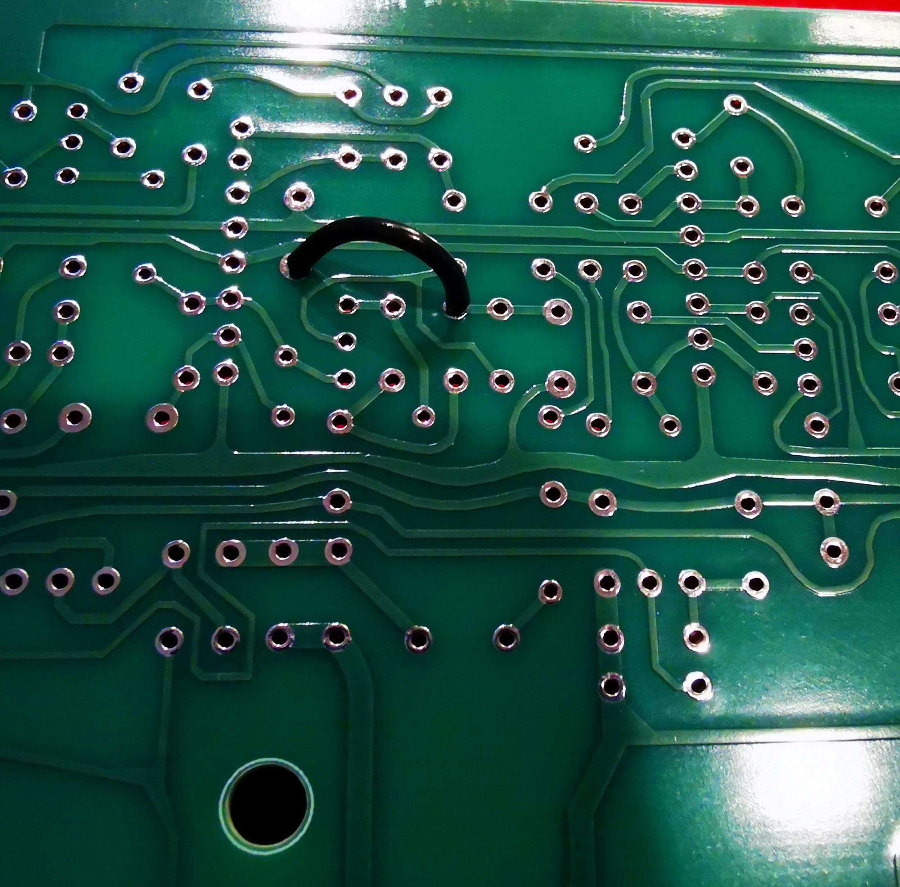

Does it work? can you effect the sound with the control knobs, if so move to next voice. Is the noise portion missing? check the noise generator. Can you tune the oscillator part of the sound? Does snappy work? If the snare drum is not sounding, first check the volume for both the voice and amp. Did you place the dac array? Check for backwards parts, shorts or missing parts.

Low Tom (Voicing board)

Does it work? can you effect the sound correctly with the control knobs, if so move to next voice. Is the noise portion missing? Does decay and tune work ok? If the Low Tom is not sounding, first check the volume for both the voice and amp. Did you place the dac array? Check for backwards parts, shorts or missing parts.

Mid Tom (Voicing board)

Does it work? can you effect the sound correctly with the control knobs, if so move to next voice. Is the noise portion missing? Does decay and tune work ok? If the Mid Tom is not sounding, first check the volume for both the voice and amp. Did you place the dac array? Check for backwards parts, shorts or missing parts.

High Tom (Voicing board)

Does it work? can you effect the sound correctly with the control knobs, if so move to next voice. Is the noise portion missing? Does decay and tune work ok? If the High Tom is not sounding, first check the volume for both the voice and amp. Did you place the dac array? Check for backwards parts, shorts or missing parts.

Rim Shot (Voicing board)

There is only a single volume control for this voice.

Does it work? if so move to next voice. If the Rim Shot is not sounding, first check the volume for both the voice and amp. Did you place the dac array? Check for backwards parts, shorts or missing parts.

Clap (Voicing board)

There is only a single volume control for this voice. The clap trimmer needs adjusting for dc offset, you should measure 2v p-p from the main out and center the waveform at 0v. Refer to the small diagram in the clap section of the TR-909 service notes on page 11.

Does it work? if so move to next voice. If the Clap is not sounding, first check the volume for both the voice and amp. Is your snare drum still sounding ok, if not is the problem the noise generator? Did you place the dac array? Check for backwards parts, shorts or missing parts

Hats and Cymbals (Voicing board)

Do not use sockets for the Hi-Hats!

In order to retain 100% PCB compatibility with original Roland maskroms, we have a universal adaptor made by Trevor Page that allows us to use his TR9090 rom images. This needs to be configured depending on which rom you are mounting.

The basic setup for the roms is the same,

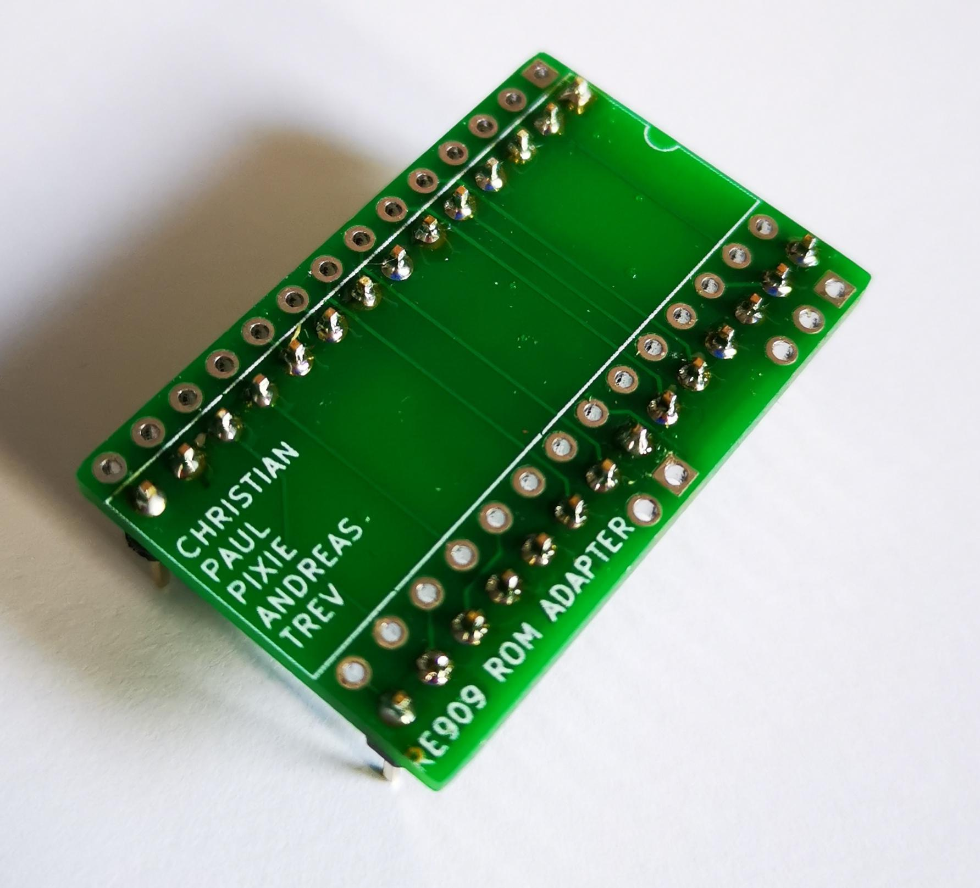

Solder the pin headers to the second and forth row of pins as shown.

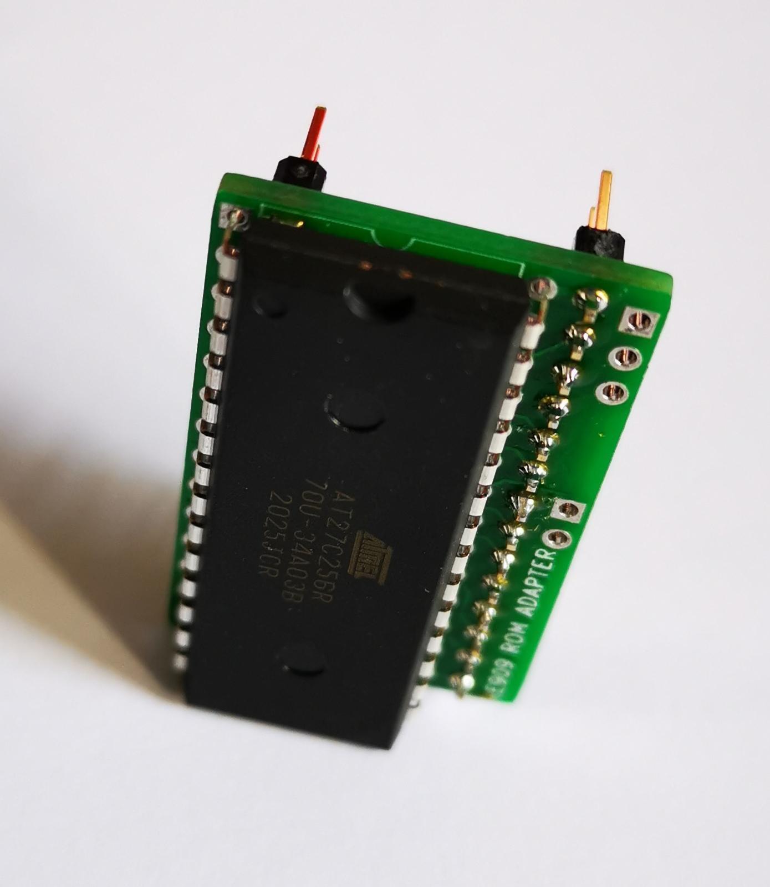

Test fit the eprom, as with all new IC's you will need to straighten the legs a little. If you dont have an IC pin straightening tool you can straighten pins for insertion by "rolling" the chip on a flat surface, bending one side of pins together slightly at a time and not further than the 90 degrees needed.

Once fitted, do a final check that the notch is aligned correctly before soldering the eprom in place.

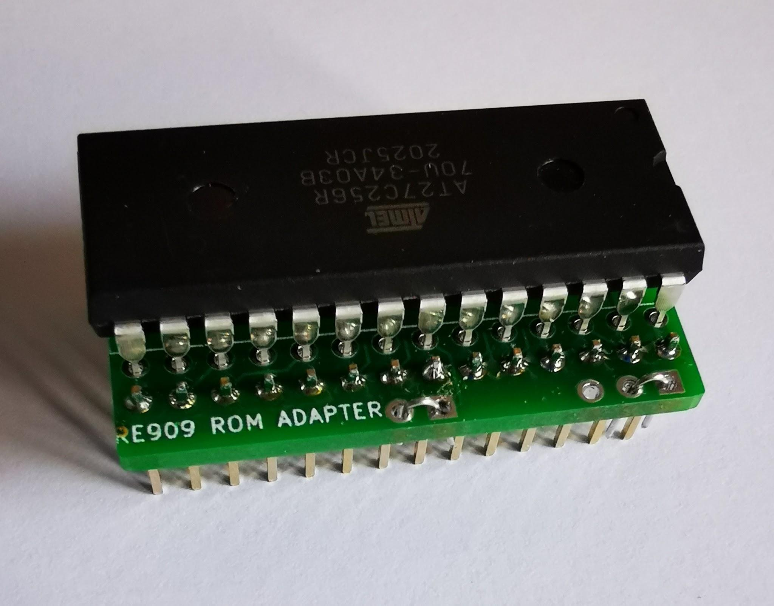

Place these two jumpers for RIDE and CYMBAL roms only, the jumper in the middle (circle to square pad) and the far right (circle to square pad) you can now place these two roms on the pcb, you might have enough room for a low profile socket also if desired.

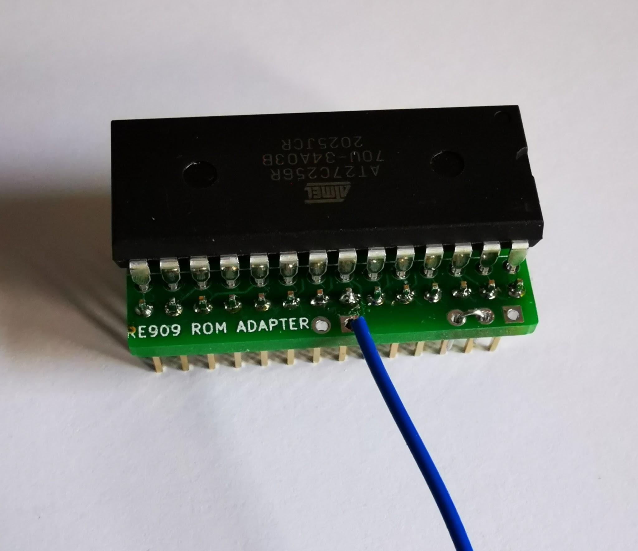

For the Hi-Hats eprom, solder a flying wire to the left square pad, (10cm will be more than enough.) and place a jumper between the circle pads as in the picture. Place the eprom on the main board WITHOUT A SOCKET and solder the other end of the flying wire to pin 12 of IC73. (do this after you have fitted IC73 and solder direct to the pin) This is needed to maintain compatibility with original Roland maskroms.

Din Jack Board

this board has the midi and sync jacks

Tape (Voicing board)

we build this section for completeness, however it will not function when using the v4 Firmware as it is disabled, assumably this was done to create code space for the update.

About the TR-909, it's service history and how it relates to the RE-909

Congratulations you are building a 909. First thing we must state here if its not obvious is that this is a 40 year old design. While the original was cutting edge and largely stands up today, it is "old", analog and inherently noisy. Even during the production run Roland made changes to the last machines in order to combat noise. Much of the noise comes from the internal noise generator which of course by design is noisy but also is quite leaky. Since many of the voices use some of the noise in the voice creation its literally piped around the pcb and this compounds the problem.

If you visit our blog at www.dinsync.info you can find the service notes for the 909. If we look at page 7 of the document you can see the list of changes and what serial number ranges they refer to. The serial number of the 909 we used as the reference machine was 382060. The relevant changes are listed and mostly subjective since they involve voice tuning/adjsutments. We think we have the best combo of voices setup but your preference may be different so feel free to experiment.

We just recommend just one more modification. To reduce the afforementioned noise, Roland decided to add filter capacitors on the output jack boards from all machines with serial numbers from 415300 onwards, you can see them in the service note schematics (page 12) but these were surface mounted on to the jack board so there are no holes for them. To reduce confusion you can refer to the picture below for the capacitor placement (please note, the board pictured is not completely built and is ment for reference only.) Be sure to use some shrink tube so that you don't create any shorts. We added the 12 extra caps to the bom, they are Poly 10000pf

