Xpath
Xpath
Advantages | Disadvantages
More powerful than techniques such as id, name and link text | Does not "understand" HTML
Extremly flexible | Can be fragile and hard to maintain if done poorly
Required for some situations

Types of Xpath
Absolute | It is not use | /html/body/ng-view/section/section/ul/li/div/label
Relative |  | //ul/li/div/label
Exact |  | //input[@id='new-todo']

 | Estructuras similares | //div[@class='cart_item']//div[@class='inventory_itam_name']
 | No me interesa lo segundo desde que contenga wild cart | //div[@class='cart_item']//*[@class='inventory_itam_name']

Some useful Xpath Predicates
Expression | Result
//ul/li[1] | The first <li> element in the <ul> list
//ul/li[last()] | The last <li> element in the <ul> list
//input[@placeholder] | All the <input> fields with a placeholder attribute
//input[@placeholder='Type Me'] | <input> fields with a placeholder attribute with a given value

Xpath functions
Exact text value of an element | //button[text()='Submit']
Text representation of an element (including nested elements) | //button[.='Submit']
Contains text | //button[contains(text(),"Submit"]
Starts With Text | //button[starts-with(text(),"Submit"]
Normalize space | //button[normalize-space(text())="Submit"]

Practical Xpath
Effective Xpath expressions are:
Unique
Short
Descriptive

Effective Xpath expressions often use attributes such as:
ID
Name
Test-Specific data attributes
Css Classes

Practical Xpath: Locating elements with a given visible text
//div[@class='inventory_item_name'][text()='Sauce Labs Backpack']
//div[@class='inventory_item_name'][.='Sauce Labs Backpack']
//div[.='Sauce Labs Backpack']
//a[.='Sauce Labs Backpack']

Practical Xpath: Locating elements in an array
(//div[@class='inventory_item_name'])[2]

Practical Xpath: Navigation the DOM
//*[@class='inventory_item_name'][.=Sauce Labs Backpack']/../../*[@class='item_pricebar']/button

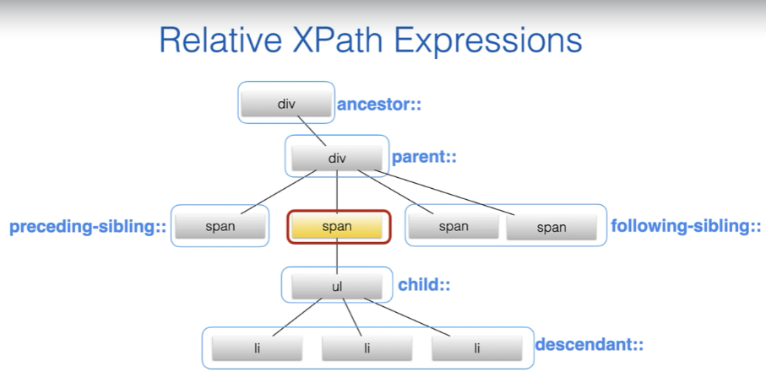

Parent | //span[@class='stop-name'][.='Waterloo']/parent::*
Ancestor | //span[@class='stop-name'][.='Waterloo']/ancestor::*[@class='tt-suggestions']
::following | Matches any element further on in the DOM
::following-sibling | Matches any element further on under the same parent
::preceding | Matches any previous element in the DOM
::preceding-sibling | Matches any previous element under the same parent

Wheb should I use Xpath
Locator strategy | When to use it | Serenity BDD example
Data Attribute | Whenever available | $("//*[@data-test-id='firstName']").type("Bill");
ID | When the ID is readable and not too coupled to the implementation | $(By.id("firstName")).type("Bill")
 |  | $("#stop-points-search-suggestion-2").click();
Name | Sometimes more readable than ID¿, but can be coupled to the HTML implementation | $(By.name("firsName")).type("Bill);
CSS Class | Only if the class is domainrelated and added for testability | $(".btn-large).click();
 |  | $(".close-dialog").click();
CSS Selector | When you can't locate an element using the previous strategies | $("#purchase-form .purchase-button").click();
Xpath | Ither cases, e.g. When you need to locate an element containing a text value, or with a relative position. | $("//button[normalize-space(.)='Buy Now']").click();

Order from user's perspective
