Logical Layout
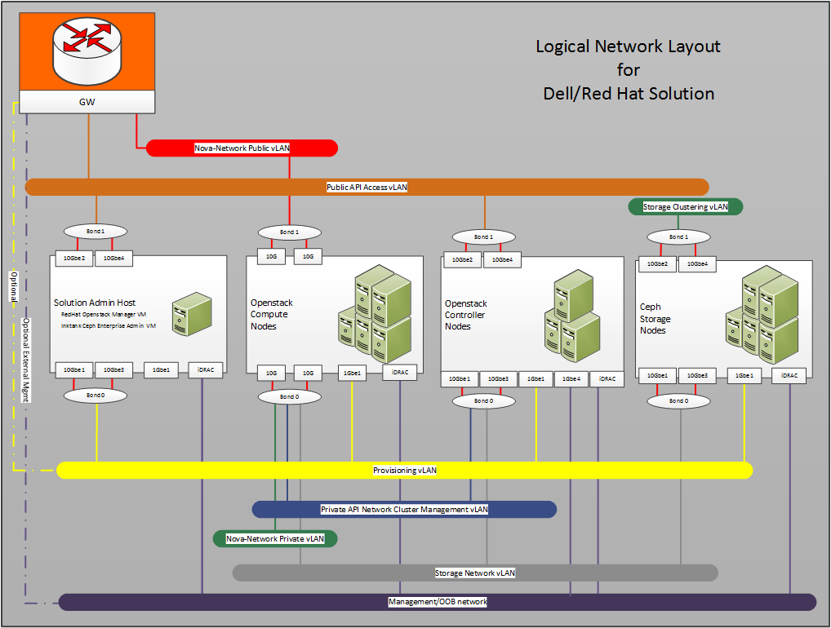
Planning

General Configuration
General Configuration

Insert comments here.
 | Domain |  | Required | Comments
 | Domain Name |  | Yes
 | DNS Server 1 IP |  | Yes
 | DNS Server 2 IP
 | DNS Server 3 IP

 | AAA - Authentication, Authorization and Accounting
 | Authentication Login 1st Method
 | Authentication Login 2nd Method
 | Authentication Enable 1st Method
 | Authentication Enable 2nd Method
 | Authorization Exec 1st Method
 | Authorization Exec 2nd Method
 | Authorization Commands 1st Method
 | Authorization Commands 2nd Method
 | Authorization Config-Commands
 | Accounting Exec Start-Stop
 | Accounting Commands Start-Stop
 | TACACS+/Radius Server1
 | TACACS+/Radius Server2
 | TACACS+/Radius Server3
 | TACACS+/Radius Key

 | Spanning-Tree
 | Spanning Tree Protocol |  | Yes
 | Current Root Bridge Priority |  | Yes

 | Time Settings
 | System Timezone |  | Yes
 | Internal NTP Server 1 IP (If existing)
 | Internal NTP Server 2 IP (If existing)
 | Internal NTP Server 3 IP (If existing)

 | Syslog
 | Syslog Server 1 IP (If required)
 | Syslog Server 2 IP (If required)
 | Syslog Server 3 IP (If required)
 | Syslog Facility | local7 (Default)

 | SNMP
 | SNMP Location
 | SNMP Contact
 | SNMP v1/v2c Community
 | Permission
 | Allowed IP Addresses | Any
 | SNMP v1/v2c Community
 | Permission
 | Allowed IP Addresses | Any
 | SNMP v1/v2c Community
 | Permission
 | Allowed IP Addresses | Any
 | SNMP v3 User
 | Authentication Password
 | Encryption Key
 | Permission
 | Allowed IP Addresses | Any
 | SNMP v3 User
 | Authentication Password
 | Encryption Key
 | Permission
 | Allowed IP Addresses | Any
 | Trap Destination IP
 | Version
 | Community
 | UDP Port Number | 162
 | Trap Destination IP
 | Version
 | Community
 | UDP Port Number | 162

RACK
