Logical Layout
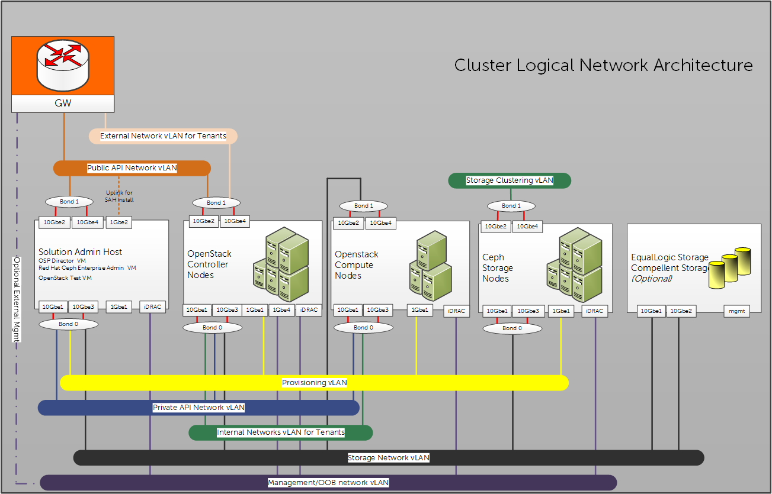

Network | SAH | OpenStack Controller | OpenStack Compute | Red Hat Ceph Storage
Provisioning vLAN | Connected Tagged | Connected unTagged | Connected unTagged | Connected unTagged
Public API Network vLAN | unTagged | Connected Tagged | Not Connected | Not Connected
External Network vLAN for Tenants | Tagged | Connected Tagged | Not Connected | Not Connected
Private API Network vLAN | Connected Tagged | Connected Tagged | Connected Tagged | Not Connected
Internal Networks vLAN for Tenants | Not Connected | Connected Tagged | Connected Tagged | Not Connected
Storage Network vLAN | Connected Tagged | Connected Tagged | Connected unTagged | Connected unTagged
Storage Clustering vLAN | Not Connected | Not Connected | Not Connected | Connected unTagged
Management/OOB Network vLAN | Connected Tagged | Not Connected | Not Connected | Not Connected
iDRAC physical connection to the Management/OOB vLAN | Connected unTagged | Connected unTagged | Connected unTagged | Connected unTagged

1 (The 1Gbe port is used for provisioning the during its installation only and can be disconnected afterwards.)

