Planning
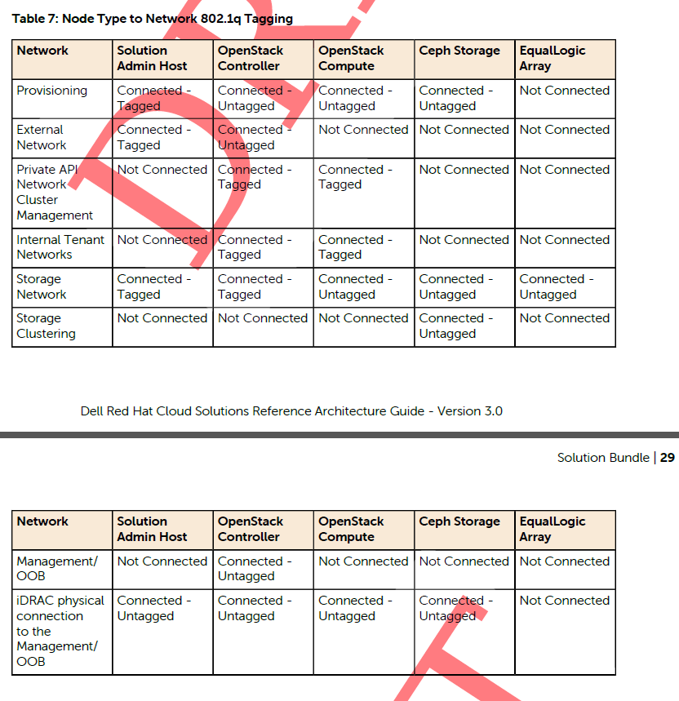
VLANs
ID | Description | Column1 | Column2
110 | OOB | na | na ???
120 | Provision | 192.168.120.0/24 | gateway = 192.168.120.1
140 | Private API Network | 192.168.140.0/24 | gateway = 192.168.140.1
157 | NGN SAH, Foreman, Ceph | 10.148.44.70-74 | gateway = 10.148.44.254
60 | Storage Network | 192.168.60.70-83/22 | gateway = 192.168.60.1
180 | Ceph Cluster | 192.168.180.0/24 | gateway = 192.168.180.1
190 | External Networks | 192.168.190.0/24 | gateway =192.168.190.254
201-205 | Internal Networks | 192.168.201-205.0/24 | tagged bond0 VLANs 201-205

