Planning
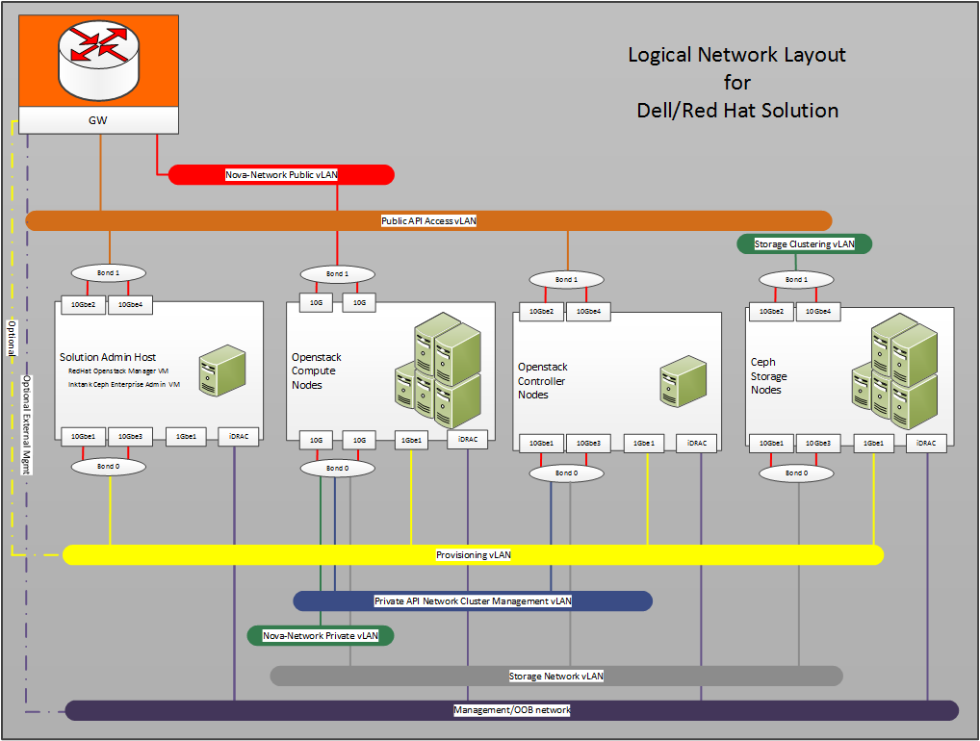
 |  | VLANs
 |  | ID | Description | Column1 | Column2
 |  | 110 | OOB | 192.168.110.0/24 | gateway = 192.168.110.1
 |  | 120 | Provision | 192.168.120.0/24 | gateway = 192.168.120.1
 |  | 140 | Private API Netwi | 192.168.140.0/24 | gateway = 192.168.140.1
 |  | 157 | Public API | 10.148.44.62-83 | gateway = 10.148.44.254
 |  | 170 | Storage Network | 192.168.170.0/24 | gateway = 192.168.170.1
 |  | 180 | Ceph Cluster | 192.168.180.0/24 | gateway = 192.168.180.1
 |  | 190 | NOVA_NET_Public | 192.168.190.0/24 | gateway =192.168.190.254
 |  | 201 | Nova-Network Private | 192.168.201.0/24 | untagged VLAN 201 for DHCP Manager
 |  | 202-220 | Nova-Network Private | 192.168.202-220.0/24 | tagged VLAN 202-220 for VLAN Manager

 | OLD Drawing From RA Ver3 8/18/2014

OLD Drawing From RA Ver1

Cut-Sheet Jan 2015
host name | Model | host port | Media Type | rack | VLAN untagged | VLAN tagged | host name | Model | Bond # | MAC | NIC Port | position | cable color | description/notes | R620v2 Backview of (2) Dual Port 10 GB NICs
AUR11-S4810 | S4810 | 0/0 | SFP+ |  | 170 |  | r11rh7sah | R620v2#1 |  | Bond0 | P2p1 |  |  | R11SAH JS3.01 w/storage VLAN
AUR11-S4810 | S4810 | 0/1 | SFP+ |  | 201 | 140, 170, 202-220 | r11rh7cntl1 | R620v2#2 |  | Bond0 | P2p1
AUR11-S4810 | S4810 | 0/2 | SFP+ |  | 201 | 140, 170, 202-220 | r11rh7cntl2 | R620v2#3 |  | Bond0 | P2p1 |  |  |  | Bond0 | Bond1 | Bond1 | Bond0
AUR11-S4810 | S4810 | 0/3 | SFP+ |  | 201 | 140, 170, 202-220 | r11rh7cntl3 | R620v2#4 |  | Bond0 | P2p1
AUR11-S4810 | S4810 | 0/4 | SFP+ |  | 201 | 140, 170, 202-220 | r11rh7nova3 | R620v2#5 |  | Bond0 | P2p1
AUR11-S4810 | S4810 | 0/5 | SFP+ |  | 170 |  | r11rh7ss1 | R720XDv2#1 |  | Bond0 | P4p1
AUR11-S4810 | S4810 | 0/6 | SFP+ |  | 170 |  | r11rh7ss2 | R720XDv2#2 |  | Bond0 | P4p1
AUR11-S4810 | S4810 | 0/7 | SFP+ |  | 170 |  | r11rh7ss3 | R720XDv2#3 |  | Bond0 | P4p1
AUR11-S4810 | S4810 | 0/8 | SFP+ |  | 170 |  | r11rh7sah | R620v2#1 |  | Bond0 | P3p1 |  |  | R11SAH JS3.01 w/storage VLAN |  |  |  |  | 158 a0:36:9f:36:1f:d4 Dynamic Te 0/2 Active
AUR11-S4810 |  | 0/9 | SFP+ |  | 201 | 140, 170, 202-220 | r11rh7cntl1 | R620v2#2 |  | Bond0 | P3p1 |  |  |  | Bond0 = | All VLANs & provisioner untagged |  |  | 158 a0:36:9f:36:dd:70 Dynamic Te 0/3 Active
AUR11-S4810 | S4810 | 0/10 | SFP+ |  | 201 | 140, 170, 202-220 | r11rh7cntl2 | R620v2#3 |  | Bond0 | P3p1 |  |  |  | Bond1 = | Nova Network Public |  |  | 158 a0:36:9f:36:e2:34 Dynamic Te 0/4 Active
AUR11-S4810 | S4810 | 0/11 | SFP+ |  | 201 | 140, 170, 202-220 | r11rh7cntl3 | R620v2#4 |  | Bond0 | P3p1 |  |  |  | Bond1 = | Nova Network Public |  |  | 158 a0:36:9f:36:e5:b4 Dynamic Te 0/1 Active
AUR11-S4810 | S4810 | 0/12 | SFP+ |  | 201 | 140, 170, 202-220 | r11rh7nova3 | R620v2#5 |  | Bond0 | P3p1
AUR11-S4810 | S4810 | 0/13 | SFP+ |  | 170 |  | r11rh7ss1 | R720XDv2#1 |  | Bond0 | P6p1
AUR11-S4810 | S4810 | 0/14 | SFP+ |  | 170 |  | r11rh7ss2 | R720XDv2#2 |  | Bond0 | P6p1
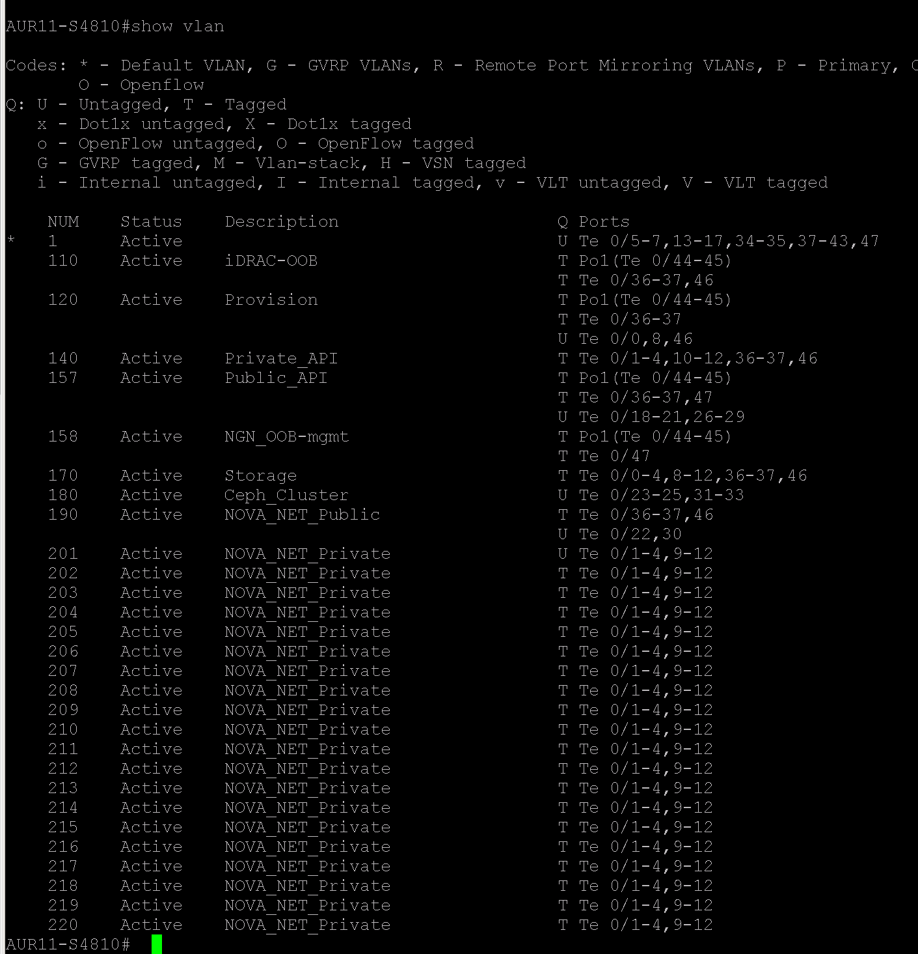
AUR11-S4810 | S4810 | 0/15 | SFP+ |  | 170 |  | r11rh7ss3 | R720XDv2#3 |  | Bond0 | P6p1
AUR11-S4810 | S4810 | 0/16 | Empty
AUR11-S4810 | S4810 | 0/17 | Empty
AUR11-S4810 | S4810 | 0/18 | SFP+ |  | 157 |  | r11rh7sah | R620v2#1 |  | Bond1 | P2p2 |  |  | R11SAH Public
AUR11-S4810 | S4810 | 0/19 | SFP+ |  | 157 |  | r11rh7cntl1 | R620v2#2 |  | Bond1 | P2p2
AUR11-S4810 | S4810 | 0/20 | SFP+ |  | 157 |  | r11rh7cntl2 | R620v2#3 |  | Bond1 | P2p2
AUR11-S4810 | S4810 | 0/21 | SFP+ |  | 157 |  | r11rh7cntl3 | R620v2#4 |  | Bond1 | P2p2
AUR11-S4810 | S4810 | 0/22 | SFP+ |  | 190 |  | r11rh7nova3 | R620v2#5 |  | Bond1 | P2p2
AUR11-S4810 | S4810 | 0/23 | SFP+ |  | 180 |  | r11rh7ss1 | R720XDv2#1 |  | Bond1 | P4p2
AUR11-S4810 | S4810 | 0/24 | SFP+ |  | 180 |  | r11rh7ss2 | R720XDv2#2 |  | Bond1 | P4p2
AUR11-S4810 | S4810 | 0/25 | SFP+ |  | 180 |  | r11rh7ss3 | R720XDv2#3 |  | Bond1 | P4p2
AUR11-S4810 | S4810 | 0/26 | SFP+ |  | 157 |  | r11rh7sah | R620v2#1 |  | Bond1 | P3p2 |  |  | R11SAH Public
AUR11-S4810 | S4810 | 0/27 | SFP+ |  | 157 |  | r11rh7cntl1 | R620v2#2 |  | Bond1 | P3p2
AUR11-S4810 | S4810 | 0/28 | SFP+ |  | 157 |  | r11rh7cntl2 | R620v2#3 |  | Bond1 | P3p2
AUR11-S4810 | S4810 | 0/29 | SFP+ |  | 157 |  | r11rh7cntl3 | R620v2#4 |  | Bond1 | P3p2
AUR11-S4810 | S4810 | 0/30 | SFP+ |  | 190 |  | r11rh7nova3 | R620v2#5 |  | Bond1 | P3p2
AUR11-S4810 | S4810 | 0/31 | SFP+ |  | 180 |  | r11rh7ss1 | R720XDv2#1 |  | Bond1 | P6p2
AUR11-S4810 | S4810 | 0/32 | SFP+ |  | 180 |  | r11rh7ss2 | R720XDv2#2 |  | Bond1 | P6p2
AUR11-S4810 | S4810 | 0/33 | SFP+ |  | 180 |  | r11rh7ss3 | R720XDv2#3 |  | Bond1 | P6p2
AUR11-S4810 | S4810 | 0/34 | Empty
AUR11-S4810 | S4810 | 0/35 | Empty
AUR11-S4810 | S4810 | 0/36 | SFP+ |  |  | 110, 120, 140, 157, 170, 190, | R11-R720ESXi | R720 |  | ESXI All VLANs |  |  |  | R11ESXi - NIC-04
AUR11-S4810 | S4810 | 0/37 | SFP+ |  |  | 110, 120, 140, 157, 170, 190, | R11-R720ESXi | R720 |  | ESXI All VLANs |  |  |  | R11ESXi - NIC-05
AUR11-S4810 | S4810 | 0/38 | Empty
AUR11-S4810 | S4810 | 0/39 | Empty
AUR11-S4810 | S4810 | 0/40 | Empty
AUR11-S4810 | S4810 | 0/41 | Empty
AUR11-S4810 | S4810 | 0/42 | Empty
AUR11-S4810 | S4810 | 0/43 | Empty
AUR11-S4810 | S4810 | 0/44 | SFP+ | R11 |  | 120, 157, 158, | R11-S55 |  |  |  |  |  |  | Port Channel 1
AUR11-S4810 | S4810 | 0/45 | SFP+ | R11 |  | 120, 157, 158, | R11-S55 |  |  |  |  |  |  | Port Channel 1
AUR11-S4810 | S4810 | 0/46 | Fiber | R11 | 120 | 110, 140, 170, 190, | AURCBDESX102 | c6105 rack#1 |  | 10GB fiber SAH i | vmnic 4 |  | blue | Fiber to R1 ESXi 10.148.44.102
AUR11-S4810 | S4810 | 0/47 | Fiber | R11 |  | 157, 158, | AURCBD-Core1 | S4810 |  | 10Gb Fiber Uplink | te ?? |  | blue | Fiber to AURCBD-Core1
AUR11-S4810 | S4810 | 0/48 | Empty
AUR11-S4810 | S4810 | 0/49 | Empty
AUR11-S4810 | S4810 | 0/50 | Empty
AUR11-S4810 | S4810 | 0/51 | Empty
AUR11-S4810 | S4810 | 0/52 | Empty
AUR11-S4810 | S4810 | 0/53 | Empty
AUR11-S4810 | S4810 | 0/54 | Empty
AUR11-S4810 | S4810 | 0/55 | Empty
AUR11-S4810 | S4810 | 0/56 | Empty
AUR11-S4810 | S4810 | 0/57 | Empty
AUR11-S4810 | S4810 | 0/58 | Empty
AUR11-S4810 | S4810 | 0/59 | Empty
AUR11-S4810 | S4810 | 0/60 | Empty

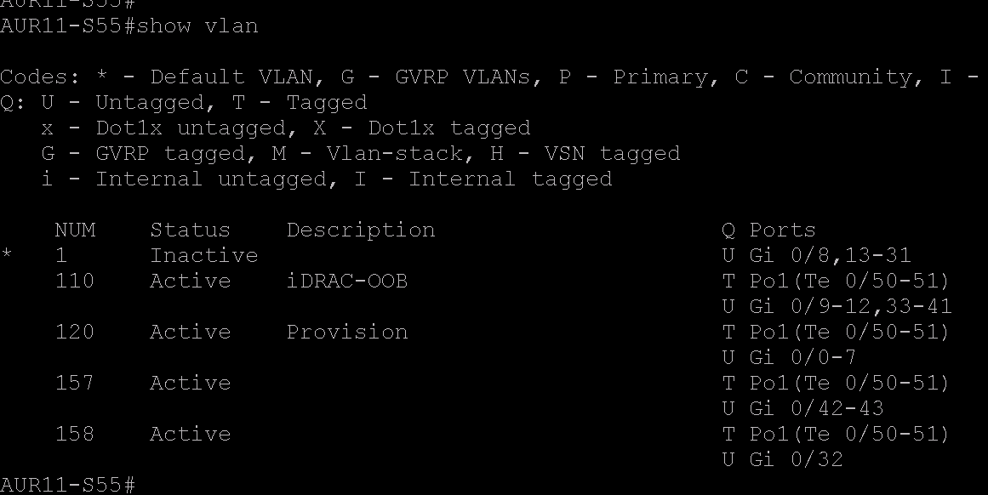
AUR11-S55 | S55 | 0/0 | RJ-45 | R11 | 120 |  | r11rh7sah | R620v2#1 |  |  | EM1 |  | Blue
AUR11-S55 | S55 | 0/1 | RJ-45 | R11 | 120 |  | r11rh7cntl1 | R620v2#2 |  | B8:CA:3A:6E:1F:54 | EM1 |  | Blue
AUR11-S55 | S55 | 0/2 | RJ-45 | R11 | 120 |  | r11rh7cntl2 | R620v2#3 |  | B8:CA:3A:6E:28:88 | EM1 |  | Blue
AUR11-S55 | S55 | 0/3 | RJ-45 | R11 | 120 |  | r11rh7cntl3 | R620v2#4 |  | B8:CA:3A:6E:26:80 | EM1 |  | Blue
AUR11-S55 | S55 | 0/4 | RJ-45 | R11 | 120 |  | r11rh7nova3 | R620v2#5 |  | B8:CA:3A:6E:00:F8 | EM1 |  | Blue
AUR11-S55 | S55 | 0/5 | RJ-45 | R11 | 120 |  | r11rh7ss1 | R720XDv2#1 |  | B8:CA:3A:6E:27:88 | EM1 |  | Blue
AUR11-S55 | S55 | 0/6 | RJ-45 | R11 | 120 |  | r11rh7ss2 | R720XDv2#2 |  | B8:CA:3A:6D:FC:84 | EM1 |  | Blue
AUR11-S55 | S55 | 0/7 | RJ-45 | R11 | 120 |  | r11rh7ss3 | R720XDv2#3 |  | B8:CA:3A:6E:35:7C | EM1 |  | Blue
AUR11-S55 | S55 | 0/8 | RJ-45 | R11 | Shutdown |  | r11rh7sah | R620v2#1 |  |  |  |  | Red
AUR11-S55 | S55 | 0/9 | RJ-45 | R11 | Shutdown |  | r11rh7cntl1 | R620v2#2 |  | B8:CA:3A:6E:1F:57 | EM4 |  | Red | iDRAC VLAN for Stoneith Cluster
AUR11-S55 | S55 | 0/10 | RJ-45 | R11 | Shutdown |  | r11rh7cntl2 | R620v2#3 |  | B8:CA:3A:6E:28:8B | EM4 |  | Red | iDRAC VLAN for Stoneith Cluster
AUR11-S55 | S55 | 0/11 | RJ-45 | R11 | Shutdown |  | r11rh7cntl3 | R620v2#4 |  | B8:CA:3A:6E:26:83 | EM4 |  | Red | iDRAC VLAN for Stoneith Cluster
AUR11-S55 | S55 | 0/12 | RJ-45 | R11 | Shutdown |  | r11rh7nova3 | R620v2#5 |  |  | EM4 |  | Red | iDRAC VLAN for Stoneith Cluster
AUR11-S55 | S55 | 0/13 | RJ-45 | R11 | Shutdown |  | r11rh7ss1 | R720XDv2#1 |  |  |  |  | Red
AUR11-S55 | S55 | 0/14 | RJ-45 | R11 | Shutdown |  | r11rh7ss2 | R720XDv2#2 |  |  |  |  | Red
AUR11-S55 | S55 | 0/15 | RJ-45 | R11 | Shutdown |  | r11rh7ss3 | R720XDv2#3 |  |  |  |  | Red
AUR11-S55 | S55 | 0/16 | RJ-45 | R11 | Shutdown
AUR11-S55 | S55 | 0/17 | RJ-45 | R11 | Shutdown
AUR11-S55 | S55 | 0/18 | RJ-45 | R11 | Shutdown
AUR11-S55 | S55 | 0/19 | RJ-45 | R11 | Shutdown
AUR11-S55 | S55 | 0/20 | RJ-45 | R11 | Shutdown
AUR11-S55 | S55 | 0/21 | RJ-45 | R11 | Shutdown
AUR11-S55 | S55 | 0/22 | RJ-45 | R11 | Shutdown
AUR11-S55 | S55 | 0/23 | RJ-45 | R11 | Shutdown
AUR11-S55 | S55 | 0/24 | RJ-45 | R11 | Shutdown
AUR11-S55 | S55 | 0/25 | RJ-45 | R11 | Shutdown
AUR11-S55 | S55 | 0/26 | RJ-45 | R11 | Shutdown
AUR11-S55 | S55 | 0/27 | RJ-45 | R11 | Shutdown
AUR11-S55 | S55 | 0/28 | RJ-45 | R11 | Shutdown
AUR11-S55 | S55 | 0/29 | RJ-45 | R11 | Shutdown
AUR11-S55 | S55 | 0/30 | RJ-45 | R11 | Shutdown
AUR11-S55 | S55 | 0/31 | RJ-45 | R11 | Shutdown
AUR11-S55 | S55 | 0/32 | RJ-45 | R11 | 158 |  | Dell KVM | 2162-KVM |  | 10.148.45.59 | LAN1 |  | Green | R11 Dell KVM crowbar / Crowbar1
AUR11-S55 | S55 | 0/33 | RJ-45 | R11 | 110 |  | r11rh7sah | R620v2#1 |  |  | iDRAC |  | Yellow
AUR11-S55 | S55 | 0/34 | RJ-45 | R11 | 110 |  | r11rh7cntl1 | R620v2#2 |  |  | iDRAC |  | Yellow
AUR11-S55 | S55 | 0/35 | RJ-45 | R11 | 110 |  | r11rh7nova1 | R620v2#3 |  |  | iDRAC |  | Yellow
AUR11-S55 | S55 | 0/36 | RJ-45 | R11 | 110 |  | r11rh7nova2 | R620v2#4 |  |  | iDRAC |  | Yellow
AUR11-S55 | S55 | 0/37 | RJ-45 | R11 | 110 |  | r11rh7nova3 | R620v2#5 |  |  | iDRAC |  | Yellow
AUR11-S55 | S55 | 0/38 | RJ-45 | R11 | 110 |  | r11rh7ss1 | R720XDv2#1 |  |  | iDRAC |  | Yellow
AUR11-S55 | S55 | 0/39 | RJ-45 | R11 | 110 |  | r11rh7ss2 | R720XDv2#2 |  |  | iDRAC |  | Yellow
AUR11-S55 | S55 | 0/40 | RJ-45 | R11 | 110 |  | r11rh7ss3 | R720XDv2#3 |  |  | iDRAC |  | Yellow
AUR11-S55 | S55 | 0/41 | RJ-45 | R11 | 110 |  |  | R720 ESXi |  |  | iDRAC |  | Yellow | Not part of Stamp -
AUR11-S55 | S55 | 0/42 | RJ-45
AUR11-S55 | S55 | 0/43 | RJ-45
AUR11-S55 | S55 | 0/44 | Empty
AUR11-S55 | S55 | 0/45 | Empty
AUR11-S55 | S55 | 0/46 | Empty
AUR11-S55 | S55 | 0/47 | Empty
AUR11-S55 | S55 | 0/48 | Empty
AUR11-S55 | S55 | 0/49 | Empty
AUR11-S55 | S55 | 0/50 | SFP+ | R11 |  |  |  | S4810 |  |  |  |  | Black | Port Channel 1 uplink to S4810
AUR11-S55 | S55 | 0/51 | SFP+ | R11 |  |  |  | S4810 |  |  |  |  | Black | Port Channel 1 uplink to S4810

