Planning
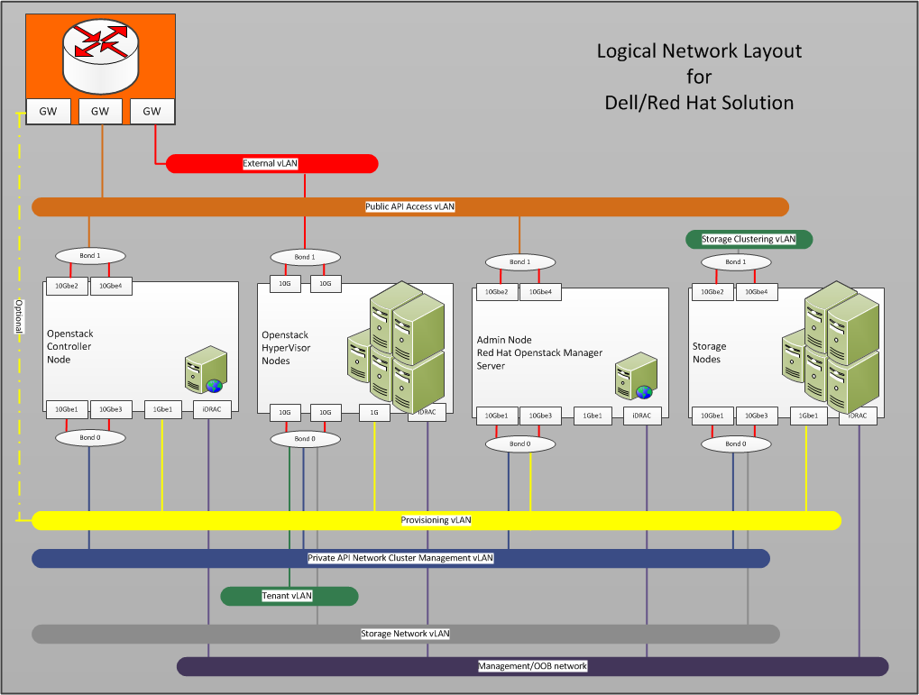

 | VLANs
 | ID | Description | Column1 | Column2
 | 110 | OOB | 192.168.110.0/24
 | 120 | Provisioner | 192.168.120.0/24 | gateway 192.168.120.1
 | 140 | Private API Network | 192.168.140.0/24 | gateway 192.168.140.1
 | 157 | NGN-157 *SAH | 10.148.44.0/24 | 10.148.44.40-57 Reserved 11/2014
 | 170 | Storage Network | 192.168.170.0/24 | gateway 192.168.170.1
 | 180 | Ceph Cluster Network | 192.168.180.0/24 | gateway 192.168.180.1
 | 190 | External Network | 192.168.190.0/24 | untagged bond1 gw: 192.168.190.254
 | 201-220 | Internal Networks | 192.168.201-220.0/24 | tagged bond0 VLANs 201-220

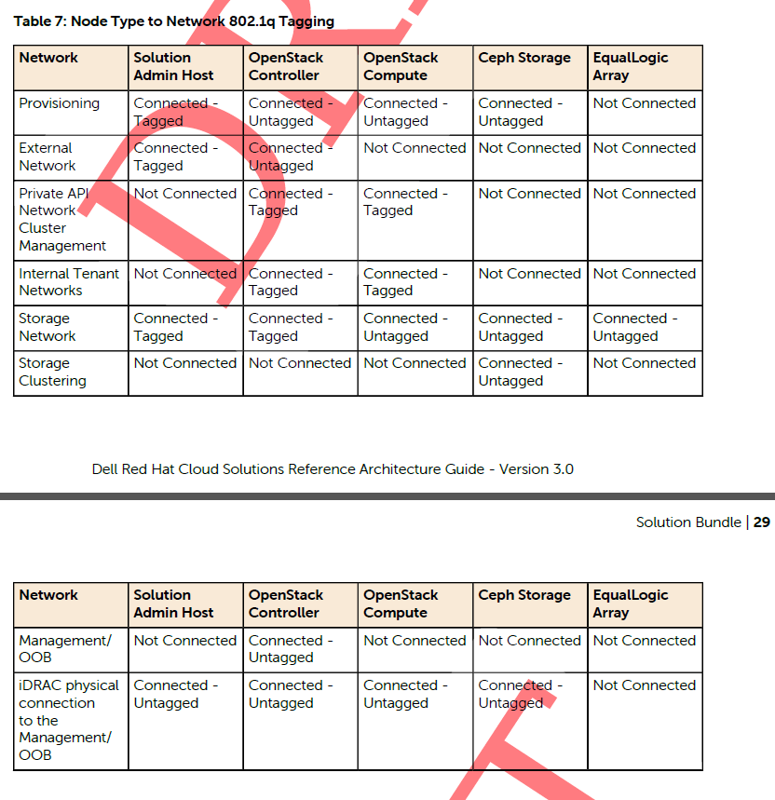

OLD Picture NOVA Networks

