Planning
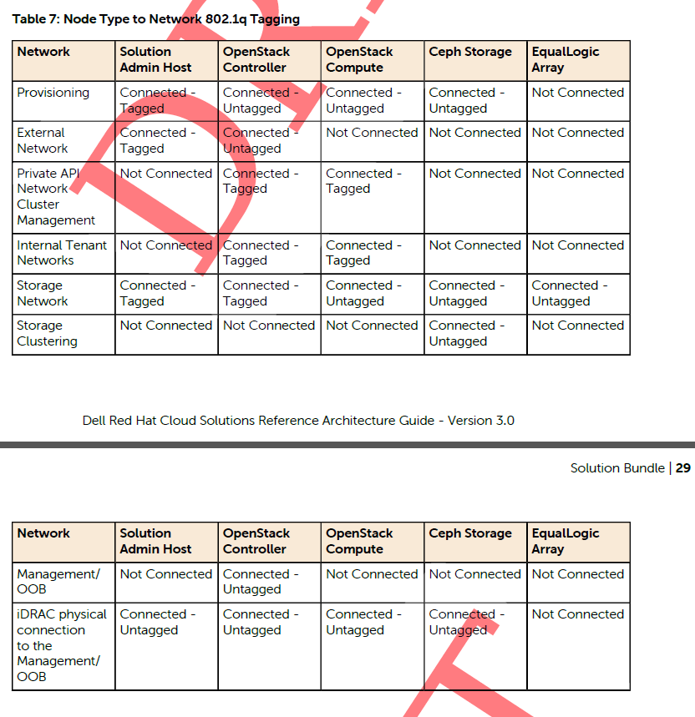
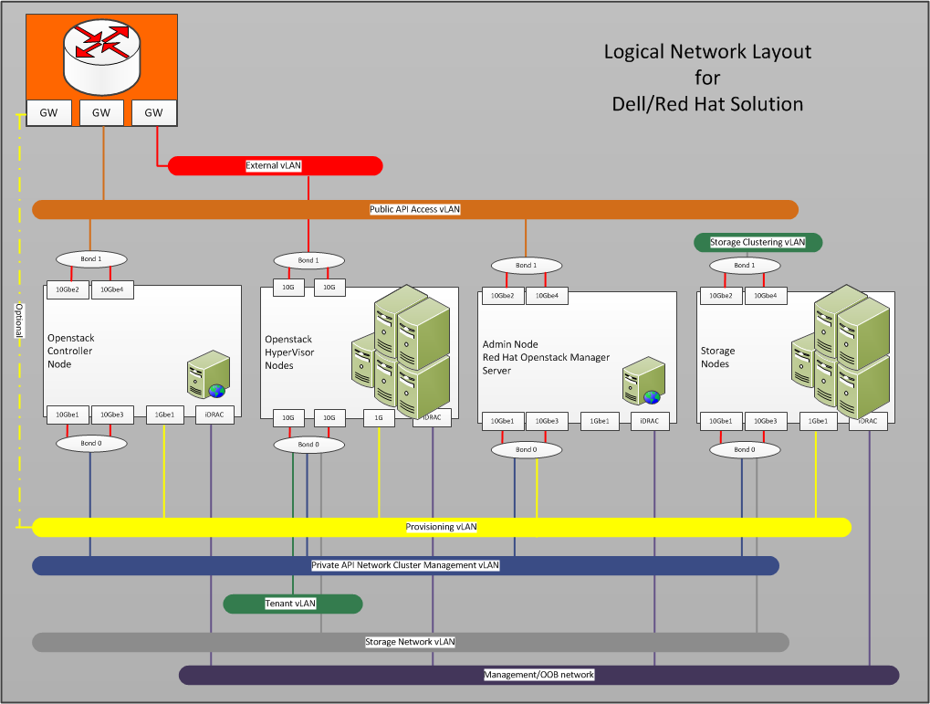
VLANs
ID | Description | Column1 | Column2
110 | OOB | 192.168.110.0/24
120 | Provisioner | 192.168.120.0/24
140 | Private API Network | 192.168.140.0/24
157 | Public API | 10.148.44.0/24 | 10.148.44.40-57 Reserved 11/2014
170 | Storage Network | 192.168.170.0/24
180 | Ceph Cluster Network | 192.168.180.0/24
190 | Nova-Network-Public | 192.168.190.0/24 | (1) VLAN untagged bond1 gw: 190.254
201-220 | Nova-Network Private | 192.168.201-220.0/24 | tagged Multiple VLANs bond0

Sheet1
