Planning
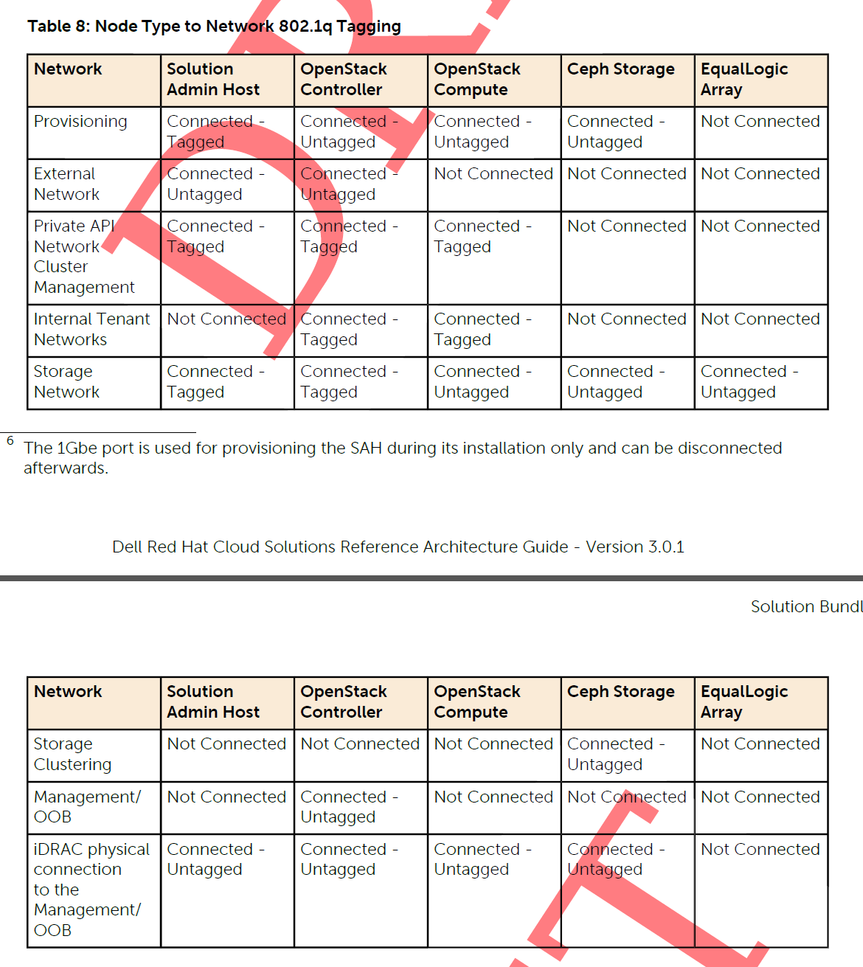
VLANs
ID | Description | Column1 | Column2
110 | OOB | na | na ???
120 | Provision | 192.168.120.0/24 | gateway = 192.168.120.1
140 | Private API Network | 192.168.140.0/24 | gateway = 192.168.140.1
157 | NGN SAH, Foreman, Ceph | 10.148.44.70-74 | gateway = 10.148.44.254
60 | Storage Network | 192.168.60.70-83/22 | gateway = 192.168.60.1
180 | Ceph Cluster | 192.168.180.0/24 | gateway = 192.168.180.1
190 | External Networks | 192.168.190.0/24 | gateway =192.168.190.254
201-205 | Internal Networks | 192.168.201-205.0/24 | tagged bond0 VLANs 201-205

Cut-Sheet - JS3.0.1
host name | Model | host port | Media Type | rack | position | VLAN untagged | VLAN tagged | host name | Port-Channel | Model | Bond # | MAC | NIC Port | position | cable color | description/notes |  | R720v2 Backview of (2) Dual Port 10 GB NICs
R4-S4810 | S4810 | 0/0 |  |  |  |  | 120, 140, 170, 158 | r4sah | 10 |  | bond0 |  | p2p1
R4-S4810 | S4810 | 0/1 |  |  |  |  | 120, 140, 170, 158 | r4sah | 10 |  | bond0 |  | p4p1
R4-S4810 | S4810 | 0/2 |  |  |  |  | 140, 170, 201-220, | r4cntl1 | 11 |  | bond0 |  | p2p1 |  |  |  |  | Bond1 | Bond0 | Bond1 | Bond0
R4-S4810 | S4810 | 0/3 |  |  |  |  | 140, 170, 201-220, | r4cntl1 | 11 |  | bond0 |  | p4p1
R4-S4810 | S4810 | 0/4 |  |  |  |  | 140, 170, 201-220, | r4cntl2 | 12 |  | bond0 |  | p2p1 |  |  |  | R720 | p5p2 | p5p1 | p7p2 | p7p1
R4-S4810 | S4810 | 0/5 |  |  |  |  | 140, 170, 201-220, | r4cntl2 | 12 |  | bond0 |  | p4p1 |  |  |  | R720xd | p4p2 | p4p1 | p6p1 | p6p2
R4-S4810 | S4810 | 0/6 |  |  |  |  | 140, 170, 201-220, | r4cntl3 | 13 |  | bond0 |  | p2p1
R4-S4810 | S4810 | 0/7 |  |  |  |  | 140, 170, 201-220, | r4cntl3 | 13 |  | bond0 |  | p4p1
R4-S4810 | S4810 | 0/8 |  |  |  |  | 140, 201-220, | r4nova1 | 14 |  | bond0 |  | p2p1
R4-S4810 | S4810 | 0/9 |  |  |  |  | 140, 201-220, | r4nova1 | 14 |  | bond0 |  | p4p1 |  |  |  |  | Bond0 = | All VLANs & provisioner untagged
R4-S4810 | S4810 | 0/10 |  |  |  |  | 140, 201-220, | r4nova2 | 15 |  | bond0 |  | p2p1 |  |  |  |  | Bond1 = | Nova Network Public
R4-S4810 | S4810 | 0/11 |  |  |  |  | 140, 201-220, | r4nova2 | 15 |  | bond0 |  | p4p1 |  |  |  |  | Bond1 = | Nova Network Public
R4-S4810 | S4810 | 0/12 |  |  |  |  | 140, 201-220, | r4nova3 | 16 |  | bond0 |  | p2p1
R4-S4810 | S4810 | 0/13 |  |  |  |  | 140, 201-220, | r4nova3 | 16 |  | bond0 |  | p4p1
R4-S4810 | S4810 | 0/14 |  |  |  | 170 |  | r4ss1 | 17 |  | bond0 |  | p2p1
R4-S4810 | S4810 | 0/15 |  |  |  | 170 |  | r4ss1 | 17 |  | bond0 |  | p2p2
R4-S4810 | S4810 | 0/16 |  |  |  | 170 |  | r4ss2 | 18 |  | bond0 |  | p2p1
R4-S4810 | S4810 | 0/17 |  |  |  | 170 |  | r2ss2 | 18 |  | bond0 |  | p2p2
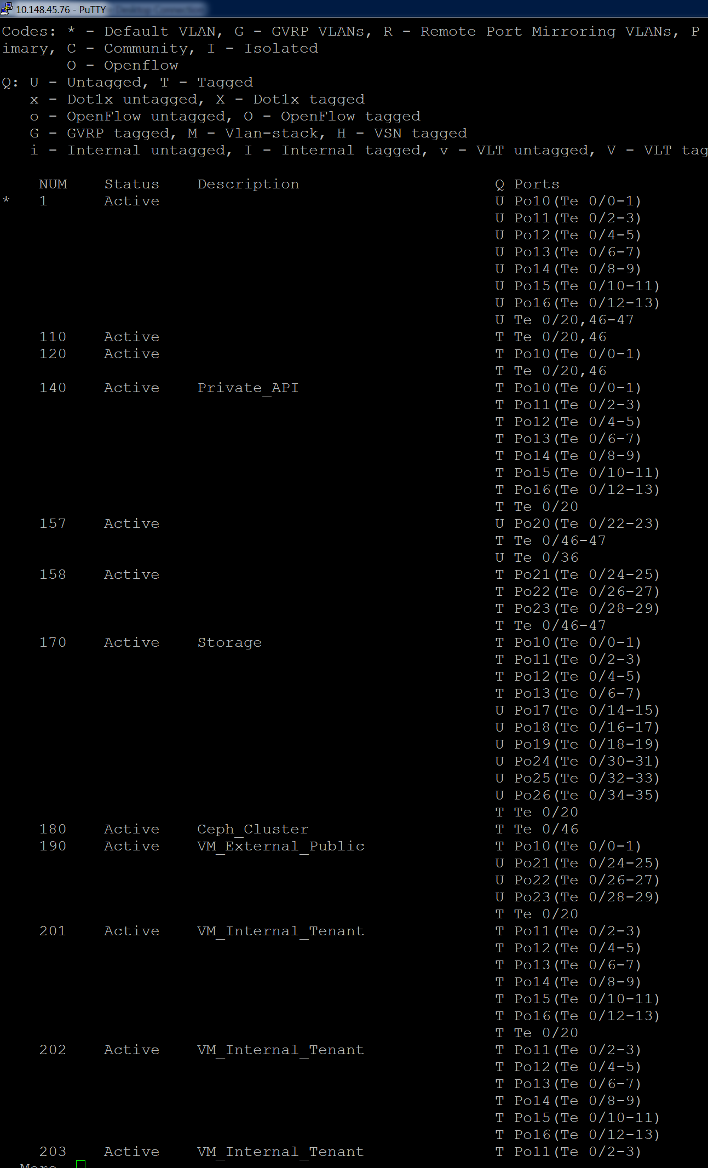
R4-S4810 | S4810 | 0/18 |  |  |  | 170 |  | r4ss3 | 19 |  | bond0 |  | p2p1
R4-S4810 | S4810 | 0/19 |  |  |  | 170 |  | r4ss3 | 19 |  | bond0 |  | p2p2
R4-S4810 | S4810 | 0/20 |  |  |  |  | 110, 120, 140, 170, 190, | r4-esxi
R4-S4810 | S4810 | 0/21
R4-S4810 | S4810 | 0/22 |  |  |  | 157 |  | r4sah | 20 |  | bond1 |  | p2p2
R4-S4810 | S4810 | 0/23 |  |  |  | 157 |  | r4sah | 20 |  | bond1 |  | p4p2
R4-S4810 | S4810 | 0/24 |  |  |  | 158 |  | r4cntl1 | 21 |  | bond1 |  | p2p2
R4-S4810 | S4810 | 0/25 |  |  |  | 158 |  | r4cntl1 | 21 |  | bond1 |  | p4p2
R4-S4810 | S4810 | 0/26 |  |  |  | 158 |  | r4cntl2 | 22 |  | bond1 |  | p2p2
R4-S4810 | S4810 | 0/27 |  |  |  | 158 |  | r4cntl2 | 22 |  | bond1 |  | p4p2
R4-S4810 | S4810 | 0/28 |  |  |  | 158 |  | r4cntl3 | 23 |  | bond1 |  | p2p2
R4-S4810 | S4810 | 0/29 |  |  |  | 158 |  | r4cntl3 | 23 |  | bond1 |  | p4p2
R4-S4810 | S4810 | 0/30 |  |  |  | 170 |  | r4nova1 | 24 |  | bond1 |  | p2p2
R4-S4810 | S4810 | 0/31 |  |  |  | 170 |  | r4nova1 | 24 |  | bond1 |  | p4p2
R4-S4810 | S4810 | 0/32 |  |  |  | 170 |  | r4nova2 | 25 |  | bond1 |  | p2p2
R4-S4810 | S4810 | 0/33 |  |  |  | 170 |  | r4nova2 | 25 |  | bond1 |  | p4p2
R4-S4810 | S4810 | 0/34 |  |  |  | 170 |  | r4nova3 | 26 |  | bond1 |  | p2p2
R4-S4810 | S4810 | 0/35 |  |  |  | 170 |  | r4nova3 | 26 |  | bond1 |  | p4p2
R4-S4810 | S4810 | 0/36 |  |  |  | 157 | 158 | r4-esxi | n/a |  | n/a |  | p4p2
R4-S4810 | S4810 | 0/37
R4-S4810 | S4810 | 0/38
R4-S4810 | S4810 | 0/39
R4-S4810 | S4810 | 0/40
R4-S4810 | S4810 | 0/41
R4-S4810 | S4810 | 0/42
R4-S4810 | S4810 | 0/43
R4-S4810 | S4810 | 0/44
R4-S4810 | S4810 | 0/45
R4-S4810 | S4810 | 0/46 |  |  |  |  | 110, 120, 157, 158, |  |  |  |  |  | te 0/48 |  |  | Uplink to R4-S60 te 0/48
R4-S4810 | S4810 | 0/47
R4-S4810 | S4810 | 0/48
R4-S4810 | S4810 | 0/49
R4-S4810 | S4810 | 0/50
R4-S4810 | S4810 | 0/51
R4-S4810 | S4810 | 0/52
R4-S4810 | S4810 | 0/53
R4-S4810 | S4810 | 0/54
R4-S4810 | S4810 | 0/55
R4-S4810 | S4810 | 0/56
R4-S4810 | S4810 | 0/57
R4-S4810 | S4810 | 0/58
R4-S4810 | S4810 | 0/59
R4-S4810 | S4810 | 0/60

R4-S60 | S60 | 0/0 | r4sah | Rack4 |  | 110 |  |  |  |  |  |  | idrac |  | BLACK | R4-R720xd --- iDRAC
R4-S60 | S60 | 0/1 | r4cntl1 | Rack4 |  | 110 |  |  |  |  |  |  | idrac |  | BLACK | R4-R720xd --- iDRAC
R4-S60 | S60 | 0/2 | r4cntl2 | Rack4 |  | 110 |  |  |  |  |  |  | idrac |  | BLACK | R4-R720xd --- iDRAC
R4-S60 | S60 | 0/3 | r4cntl3 | Rack4 |  | 110 |  |  |  |  |  |  | idrac |  | BLACK | R4-R720xd --- iDRAC
R4-S60 | S60 | 0/4 | r4nova1 | Rack4 |  | 110 |  |  |  |  |  |  | idrac |  | BLACK | R4-R720xd --- iDRAC
R4-S60 | S60 | 0/5 | r4nova2 | Rack4 |  | 110 |  |  |  |  |  |  | idrac |  | BLACK | R4-R720xd --- iDRAC
R4-S60 | S60 | 0/6 | r4nova3 | Rack4 |  | 110 |  |  |  |  |  |  | idrac |  | BLACK | R4-R720xd --- iDRAC
R4-S60 | S60 | 0/7 | r4ss1 | Rack4 |  | 110 |  |  |  |  |  |  | idrac |  | BLACK | R4-R720xd --- iDRAC
R4-S60 | S60 | 0/8 | r4ss2 | Rack4 |  | 110 |  |  |  |  |  |  | idrac |  | BLACK | R4-R720xd --- iDRAC
R4-S60 | S60 | 0/9 | r4ss3 | Rack4 |  | 110 |  |  |  |  |  |  | idrac |  | BLACK | R4-R720xd --- iDRAC
R4-S60 | S60 | 0/10 | r4cntl1 | Rack4 |  | 110 |  |  |  |  |  | D4:AE:52:89:57:88 | em4 |  | BLACK | R4-CNTL1 - Fencing NIC em4
R4-S60 | S60 | 0/11 | r4cntl2 | Rack4 |  | 110 |  |  |  |  |  | B8:CA:3A:68:86:57 | em4 |  | BLACK | R4-CNTL1 - Fencing NIC em4
R4-S60 | S60 | 0/12 | r4cntl3 | Rack4 |  | 110 |  |  |  |  |  | D4:AE:52:89:5B:4D | em4 |  | BLACK | R4-CNTL1 - Fencing NIC em4
R4-S60 | S60 | 0/13 | r4sah | Rack4 |  | 120 |  |  |  |  |  |  | em1 |  | RED | R4-PXE boot NIC VLAN 120 Provision = em1
R4-S60 | S60 | 0/14 | r4cntl1 | Rack4 |  | 120 |  |  |  |  |  | D4:AE:52:89:57:85 | em1 |  | RED | R4-PXE boot NIC VLAN 120 Provision = em1
R4-S60 | S60 | 0/15 | r4cntl2 | Rack4 |  | 120 |  |  |  |  |  | B8:CA:3A:68:86:54 | em1 |  | RED | R4-PXE boot NIC VLAN 120 Provision = em1
R4-S60 | S60 | 0/16 | r4cntl3 | Rack4 |  | 120 |  |  |  |  |  | D4:AE:52:89:5B:4A | em1 |  | RED | R4-PXE boot NIC VLAN 120 Provision = em1
R4-S60 | S60 | 0/17 | r4nova1 | Rack4 |  | 120 |  |  |  |  |  | D4:AE:52:89:69:6E | em1 |  | RED | R4-PXE boot NIC VLAN 120 Provision = em1
R4-S60 | S60 | 0/18 | r4nova2 | Rack4 |  | 120 |  |  |  |  |  | D4:AE:52:89:59:29 | em1 |  | RED | R4-PXE boot NIC VLAN 120 Provision = em1
R4-S60 | S60 | 0/19 | r4nova3 | Rack4 |  | 120 |  |  |  |  |  | D4:AE:52:6F:B8:86 | em1 |  | RED | R4-PXE boot NIC VLAN 120 Provision = em1
R4-S60 | S60 | 0/20 | r4ss1 | Rack4 |  | 120 |  |  |  |  |  | D4:AE:52:89:5D:C8 | em1 |  | RED | R4-PXE boot NIC VLAN 120 Provision = em1
R4-S60 | S60 | 0/21 | r4ss2 | Rack4 |  | 120 |  |  |  |  |  | 90:B1:1C:1C:A2:C1 | em1 |  | RED | R4-PXE boot NIC VLAN 120 Provision = em1
R4-S60 | S60 | 0/22 | r4ss3 | Rack4 |  | 120 |  |  |  |  |  | D4:AE:52:89:64:15 | em1 |  | RED | R4-PXE boot NIC VLAN 120 Provision = em1
R4-S60 | S60 | 0/23
R4-S60 | S60 | 0/24 | r4ss1 | Rack4 |  | 180 |  | r4ss1 | 27 |  | bond1 |  | em3 |  |  | r4ss1-3 only have (1) Dual Port 10GB NIC on storage so (1) GB used for Ceph Clustering
R4-S60 | S60 | 0/25 | r4ss1 | Rack4 |  | 180 |  | r4ss1 | 27 |  | bond1 |  | em4 |  |  | r4ss1-3 only have (1) Dual Port 10GB NIC on storage so (1) GB used for Ceph Clustering
R4-S60 | S60 | 0/26 | r4ss2 | Rack4 |  | 180 |  | r4ss2 | 28 |  | bond1 |  | em3 |  |  | r4ss1-3 only have (1) Dual Port 10GB NIC on storage so (1) GB used for Ceph Clustering
R4-S60 | S60 | 0/27 | r4ss2 | Rack4 |  | 180 |  | r2ss2 | 28 |  | bond1 |  | em4 |  |  | r4ss1-3 only have (1) Dual Port 10GB NIC on storage so (1) GB used for Ceph Clustering
R4-S60 | S60 | 0/28 | r4ss3 | Rack4 |  | 180 |  | r4ss3 | 29 |  | bond1 |  | em3 |  |  | r4ss1-3 only have (1) Dual Port 10GB NIC on storage so (1) GB used for Ceph Clustering
R4-S60 | S60 | 0/29 | r4ss3 | Rack4 |  | 180 |  | r4ss3 | 29 |  | bond1 |  | em4 |  |  | r4ss1-3 only have (1) Dual Port 10GB NIC on storage so (1) GB used for Ceph Clustering
R4-S60 | S60 | 0/30
R4-S60 | S60 | 0/31
R4-S60 | S60 | 0/32 | r4sah | Rack4 |  | 157 |  |  |  |  |  |  | em4 |  |  | SAH's PXE-Public NIC VLAN 157
R4-S60 | S60 | 0/33
R4-S60 | S60 | 0/34
R4-S60 | S60 | 0/35
R4-S60 | S60 | 0/36 |  |  |  |  | 158 |  |  |  |  |  |  |  |  | r4cntl1-vm-ngn-158
R4-S60 | S60 | 0/37 |  |  |  |  | 158 |  |  |  |  |  |  |  |  | r4cntl1-vm-ngn-158
R4-S60 | S60 | 0/38 |  |  |  |  | 158 |  |  |  |  |  |  |  |  | r4cntl1-vm-ngn-158
R4-S60 | S60 | 0/39
R4-S60 | S60 | 0/40
R4-S60 | S60 | 0/41
R4-S60 | S60 | 0/42
R4-S60 | S60 | 0/43
R4-S60 | S60 | 0/44
R4-S60 | S60 | 0/45
R4-S60 | S60 | 0/46
R4-S60 | S60 | 0/47
R4-S60 | S60 | 0/48 | r4-S4810 | Rack4 |  |  | 110, 120, 157, 158, 180 |  |  | S4810 | te 0/46 |  |  |  |  | Uplink to 10Gb S4810 - te 0/46
R4-S60 | S60 | 0/49
R4-S60 | S60 | 0/50
R4-S60 | S60 | 0/51

