Cut-Sheet - JS3.01
host name | Model | host port | Media Type | rack | position | VLAN untagged | VLAN tagged | host name |  | Model | Bond # | MAC | NIC Port | Port-Channel | cable color | description/notes |  |  | R720v2 Backview of (2) Dual Port 10 GB NICs
CWD-S4810 | S4810 | 0/0 | SAH | 2 |  | 3990 |  | CWD-R02-R720#1 | sah |  | bond1 |  | p4p2 | 20 |  | SAH bond1 Port (mike 2/2015)
CWD-S4810 | S4810 | 0/1 | Controller | 2 |  | 190 |  | CWD-R02-R720#2 |  |  | bond1 |  | p4p2 | 21
CWD-S4810 | S4810 | 0/2 | Controller | 2 |  | 190 |  | CWD-R02-R720#3 |  |  | bond1 |  | p4p2 | 22 |  |  |  |  | Bond1 | Bond0 | Bond1 | Bond0
CWD-S4810 | S4810 | 0/3 | Controller | 2 |  | 190 |  | CWD-R02-R720#4 |  |  | bond1 |  | p4p2 | 23
CWD-S4810 | S4810 | 0/4 | Compute 1 | 2 |  | 170 |  | CWD-R02-R720#5 |  |  | bond1 |  | p4p2 | 24 |  |  |  | R720 | p5p2 | p5p1 | p7p2 | p7p1
CWD-S4810 | S4810 | 0/5 | Compute 2 | 2 |  | 170 |  | CWD-R02-R720#6 |  |  | bond1 |  | p4p2 | 25 |  |  |  | R720xd | p4p2 | p4p1 | p6p1 | p6p2
CWD-S4810 | S4810 | 0/6 | Storage | 2 |  | 180 |  | CWD-R02-R720#7 |  |  | bond1 |  | p4p2 | 26
CWD-S4810 | S4810 | 0/7 | Storage | 2 |  | 180 |  | CWD-R02-R720#8 |  |  | bond1 |  | p4p2 | 27
CWD-S4810 | S4810 | 0/8
CWD-S4810 | S4810 | 0/9 |  |  |  |  |  |  |  |  |  |  |  |  |  |  |  |  | Bond0 = | All VLANs & provisioner untagged
CWD-S4810 | S4810 | 0/10 |  |  |  |  |  |  |  |  |  |  |  |  |  |  |  |  | Bond1 = | Nova Network Public
CWD-S4810 | S4810 | 0/11 |  |  |  |  |  |  |  |  |  |  |  |  |  |  |  |  | Bond1 = | Nova Network Public
CWD-S4810 | S4810 | 0/12 | SAH | 2 |  |  | 120, 140, 170, 190 | CWD-R02-R720#1 |  |  | bond0 |  | p4p1 | 10 |  | SAH bond0 Port (mike 2/2015)
CWD-S4810 | S4810 | 0/13 | Controller | 2 |  |  | 140, 170, 201-220, | CWD-R02-R720#2 |  |  | bond0 |  | p4p1 | 11
CWD-S4810 | S4810 | 0/14 | Controller | 2 |  |  | 140, 170, 201-220, | CWD-R02-R720#3 |  |  | bond0 |  | p4p1 | 12
CWD-S4810 | S4810 | 0/15 | Controller | 2 |  |  | 140, 170, 201-220, | CWD-R02-R720#4 |  |  | bond0 |  | p4p1 | 13
CWD-S4810 | S4810 | 0/16 | Compute 1 | 2 |  |  | 140, 201-220, | CWD-R02-R720#5 |  |  | bond0 |  | p4p1 | 14
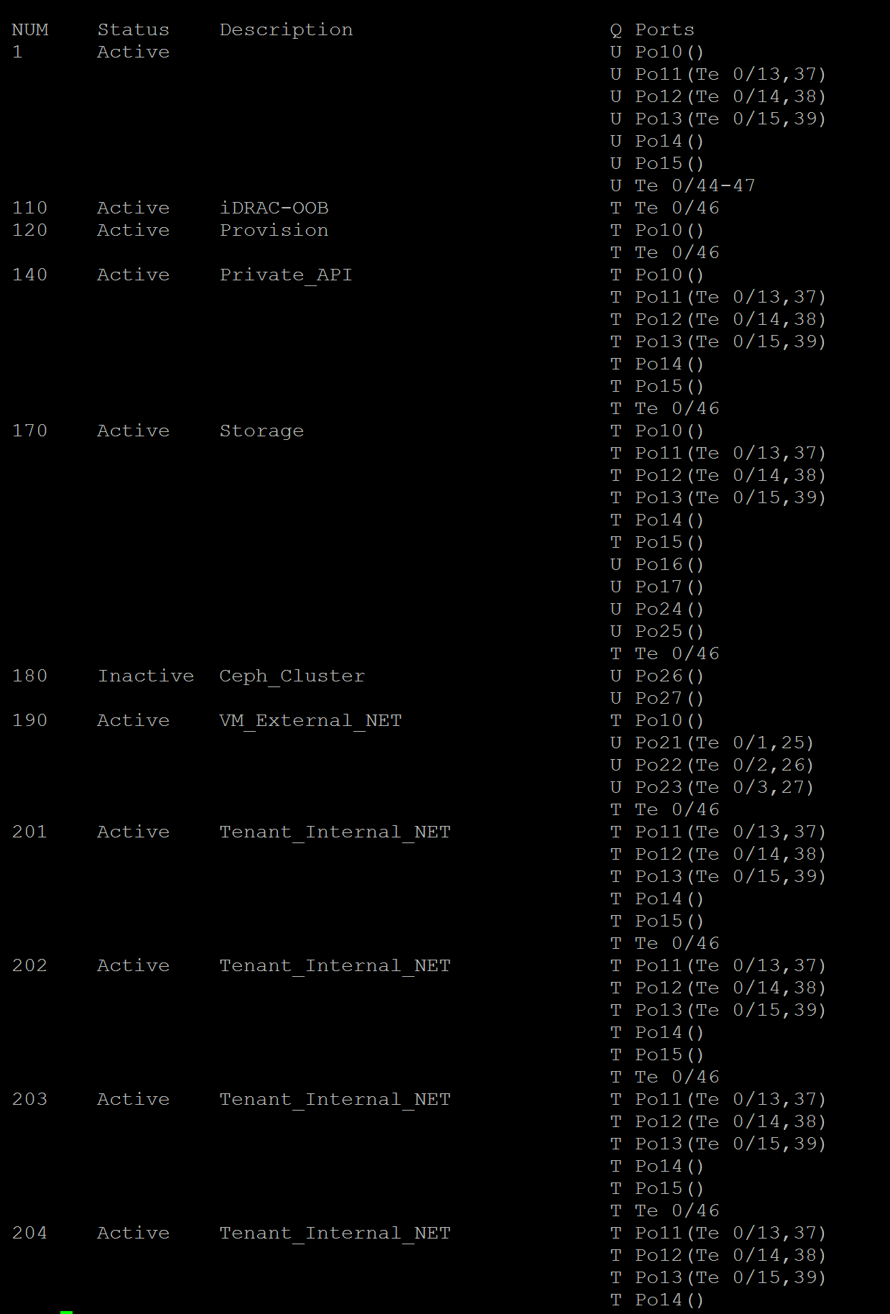
CWD-S4810 | S4810 | 0/17 | Compute 2 | 2 |  |  | 140, 201-220, | CWD-R02-R720#6 |  |  | bond0 |  | p4p1 | 15
CWD-S4810 | S4810 | 0/18 | Storage | 2 |  | 170 |  | CWD-R02-R720#7 |  |  | bond0 |  | p4p1 | 16
CWD-S4810 | S4810 | 0/19 | Storage | 2 |  | 170 |  | CWD-R02-R720#8 |  |  | bond0 |  | p4p1 | 17
CWD-S4810 | S4810 | 0/20
CWD-S4810 | S4810 | 0/21
CWD-S4810 | S4810 | 0/22
CWD-S4810 | S4810 | 0/23
CWD-S4810 | S4810 | 0/24 | SAH | 2 |  | 3990 |  | CWD-R02-R720#1 |  |  | bond1 |  | p6p2 | 20 |  | SAH bond1 Port (Shutdown Mike 2/2015)
CWD-S4810 | S4810 | 0/25 | Controller | 2 |  | 190 |  | CWD-R02-R720#2 |  |  | bond1 |  | p6p2 | 21
CWD-S4810 | S4810 | 0/26 | Controller | 2 |  | 190 |  | CWD-R02-R720#3 |  |  | bond1 |  | p6p2 | 22
CWD-S4810 | S4810 | 0/27 | Controller | 2 |  | 190 |  | CWD-R02-R720#4 |  |  | bond1 |  | p6p2 | 23
CWD-S4810 | S4810 | 0/28 | Compute 1 | 2 |  | 170 |  | CWD-R02-R720#5 |  |  | bond1 |  | p6p2 | 24
CWD-S4810 | S4810 | 0/29 | Compute 2 | 2 |  | 170 |  | CWD-R02-R720#6 |  |  | bond1 |  | p6p2 | 25
CWD-S4810 | S4810 | 0/30 | Storage | 2 |  | 180 |  | CWD-R02-R720#7 |  |  | bond1 |  | p6p2 | 26
CWD-S4810 | S4810 | 0/31 | Storage | 2 |  | 180 |  | CWD-R02-R720#8 |  |  | bond1 |  | p6p2 | 27
CWD-S4810 | S4810 | 0/32
CWD-S4810 | S4810 | 0/33
CWD-S4810 | S4810 | 0/34
CWD-S4810 | S4810 | 0/35
CWD-S4810 | S4810 | 0/36 | SAH | 2 |  |  | 120, 140, 170, 190 | CWD-R02-R720#1 |  |  | bond0 |  | p6p1 | 10 |  | SAH bond0 Port (Shutdown Mike 2/2015)
CWD-S4810 | S4810 | 0/37 | Controller | 2 |  |  | 140, 170, 201-220, | CWD-R02-R720#2 |  |  | bond0 |  | p6p1 | 11
CWD-S4810 | S4810 | 0/38 | Controller | 2 |  |  | 140, 170, 201-220, | CWD-R02-R720#3 |  |  | bond0 |  | p6p1 | 12
CWD-S4810 | S4810 | 0/39 | Controller | 2 |  |  | 140, 170, 201-220, | CWD-R02-R720#4 |  |  | bond0 |  | p6p1 | 13
CWD-S4810 | S4810 | 0/40 | Compute 1 | 2 |  |  | 140, 201-220, | CWD-R02-R720#5 |  |  | bond0 |  | p6p1 | 14
CWD-S4810 | S4810 | 0/41 | Compute 2 | 2 |  |  | 140, 201-220, | CWD-R02-R720#6 |  |  | bond0 |  | p6p1 | 15
CWD-S4810 | S4810 | 0/42 | Storage | 2 |  | 170 |  | CWD-R02-R720#7 |  |  | bond0 |  | p6p1 | 16
CWD-S4810 | S4810 | 0/43 | Storage | 2 |  | 170 |  | CWD-R02-R720#8 |  |  | bond0 |  | p6p1 | 17
CWD-S4810 | S4810 | 0/44
CWD-S4810 | S4810 | 0/45
CWD-S4810 | S4810 | 0/46 | link to 1 gig switch |  |  |  | 110, 120, 140, 170, 190, 202-220, 3990, 3997 | 1 gig swicth port : #46 |  |  | in |  |  |  |  | S55 Switch (has ESXi connection on 1GB switch) so need all VLANs
CWD-S4810 | S4810 | 0/47 | uplink to Fiber | 2 |  |  | 3990, 3997 | CWDROUTER01.saas.local |  |  |  |  | core router port :#26 |  |  | Management IP: 10.21.246.1 user1 / De@thSt@r01
CWD-S4810 | S4810 | 0/48
CWD-S4810 | S4810 | 0/49
CWD-S4810 | S4810 | 0/50
CWD-S4810 | S4810 | 0/51 |  |  |  |  |  | con
CWD-S4810 | S4810 | 0/52
CWD-S4810 | S4810 | 0/53
CWD-S4810 | S4810 | 0/54
CWD-S4810 | S4810 | 0/55
CWD-S4810 | S4810 | 0/56
CWD-S4810 | S4810 | 0/57
CWD-S4810 | S4810 | 0/58
CWD-S4810 | S4810 | 0/59
CWD-S4810 | S4810 | 0/60

CWD-S55 | S55 | 0/0 | SAH | 2 |  | 110 |  | CWD-R02-R720#1 |  |  |  |  | idrac |  |  | foreman -R720#1
CWD-S55 | S55 | 0/1 | Controller | 2 |  | 110 |  | CWD-R02-R720#2 |  |  |  |  | idrac |  |  | R720#2
CWD-S55 | S55 | 0/2 | Controller | 2 |  | 110 |  | CWD-R02-R720#3 |  |  |  |  | idrac |  |  | R720#3
CWD-S55 | S55 | 0/3 | Controller | 2 |  | 110 |  | CWD-R02-R720#4 |  |  |  |  | idrac |  |  | R720#4
CWD-S55 | S55 | 0/4 | Compute1 | 2 |  | 110 |  | CWD-R02-R720#5 |  |  |  |  | idrac |  |  | R720#5
CWD-S55 | S55 | 0/5 | Compute2 | 2 |  | 110 |  | CWD-R02-R720#6 |  |  |  |  | idrac |  |  | R720#6
CWD-S55 | S55 | 0/6 | Storage | 2 |  | 110 |  | CWD-R02-R720#7 |  |  |  |  | idrac |  |  | R720#7
CWD-S55 | S55 | 0/7 | Storage | 2 |  | 110 |  | CWD-R02-R720#8 |  |  |  |  | idrac |  |  | R720#8
CWD-S55 | S55 | 0/8
CWD-S55 | S55 | 0/9
CWD-S55 | S55 | 0/10
CWD-S55 | S55 | 0/11
CWD-S55 | S55 | 0/12
CWD-S55 | S55 | 0/13
CWD-S55 | S55 | 0/14
CWD-S55 | S55 | 0/15
CWD-S55 | S55 | 0/16
CWD-S55 | S55 | 0/17
CWD-S55 | S55 | 0/18
CWD-S55 | S55 | 0/19
CWD-S55 | S55 | 0/20
CWD-S55 | S55 | 0/21
CWD-S55 | S55 | 0/22
CWD-S55 | S55 | 0/23
CWD-S55 | S55 | 0/24 | SAH | 2 |  | 129 |  | CWD-R02-R720#1 |  |  |  |  | LAN1 |  |  | foreman - will PXE boot from ESXi gi 0/43 vlan 129 | 1
CWD-S55 | S55 | 0/25 | Controller | 2 |  | 120 |  | CWD-R02-R720#2 |  |  |  |  | LAN1 |  |  | pxe boot from foreman | 1
CWD-S55 | S55 | 0/26 | Controller | 2 |  | 120 |  | CWD-R02-R720#3 |  |  |  |  | LAN1 |  |  | pxe boot from foreman | 1
CWD-S55 | S55 | 0/27 | Controller | 2 |  | 120 |  | CWD-R02-R720#4 |  |  |  |  | LAN1 |  |  | pxe boot from foreman | 1
CWD-S55 | S55 | 0/28 | Compute1 | 2 |  | 120 |  | CWD-R02-R720#5 |  |  |  |  | LAN1 |  |  | pxe boot from foreman | 1
CWD-S55 | S55 | 0/29 | Compute2 | 2 |  | 120 |  | CWD-R02-R720#6 |  |  |  |  | LAN1 |  |  | pxe boot from foreman | 1
CWD-S55 | S55 | 0/30 | Storage | 2 |  | 120 |  | CWD-R02-R720#7 |  |  |  |  | LAN1 |  |  | pxe boot from foreman | 1
CWD-S55 | S55 | 0/31 | Storage | 2 |  | 120 |  | CWD-R02-R720#8 |  |  |  |  | LAN1 |  |  | pxe boot from foreman | 1
CWD-S55 | S55 | 0/32 | SAH | 2 |  | 3990 |  | CWD-R02-R720#1 |  |  |  |  | LAN4 |  |  | SAH Puiblic Install NIC ---
CWD-S55 | S55 | 0/33 | Controller | 2 |  | 110 |  | CWD-R02-R720#2 |  |  |  |  | LAN4
CWD-S55 | S55 | 0/34 | Controller | 2 |  | 110 |  | CWD-R02-R720#3 |  |  |  |  | LAN4
CWD-S55 | S55 | 0/35 | Controller | 2 |  | 110 |  | CWD-R02-R720#4 |  |  |  |  | LAN4
CWD-S55 | S55 | 0/36 | Compute1 | 2 |  |  |  | CWD-R02-R720#5 |  |  |  |  | LAN4
CWD-S55 | S55 | 0/37 | Compute2 | 2 |  |  |  | CWD-R02-R720#6 |  |  |  |  | LAN4
CWD-S55 | S55 | 0/38 | Storage | 2 |  |  |  | CWD-R02-R720#7 |  |  |  |  | LAN4
CWD-S55 | S55 | 0/39 | Storage | 2 |  |  |  | CWD-R02-R720#8 |  |  |  |  | LAN4
CWD-S55 | S55 | 0/40
CWD-S55 | S55 | 0/41
CWD-S55 | S55 | 0/42
CWD-S55 | S55 | 0/43 | RJ-45 | 2 |  |  | 110, 120, 129, 140, 170, 190, 202 |  |  |  |  |  |  |  |  | esx5-qa2-20-1.saas.local VMNIC3 = Created vSwitch with 129 VLAN 2-21-2015
CWD-S55 | S55 | 0/44
CWD-S55 | S55 | 0/45
CWD-S55 | S55 | 0/46 | link to 10 gig switch |  |  |  | 110, 120, 140, 170, 190, 202-220, 3990, 3997 | 10 gig swicth port : #46 |  | S4810 |  |  | 0/46 |  |  | Uplink to 10GB S4810 in Rack02
CWD-S55 | S55 | 0/47
CWD-S55 | S55 | 0/48
CWD-S55 | S55 | 0/49
CWD-S55 | S55 | 0/50
CWD-S55 | S55 | 0/51

CWD RACK Picture
